Sheet1
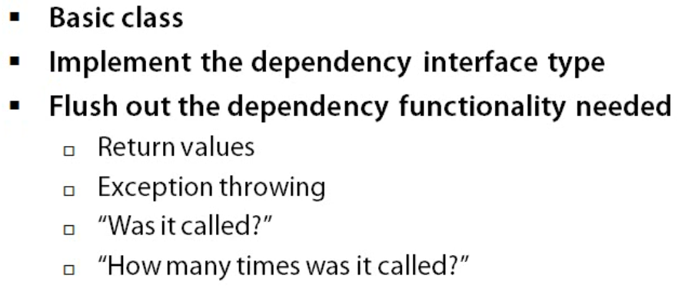
PROPERTIES OF A GOOD UNIT TEST

1 | ATOMIC
 |  | Should have 1 piece of small functionality

2 | DETERMINISTIC
 |  | Either PASS or FAIL

3 | REPEATABLE
 |  | Test should pass continuously without any changes

4 | ORDER INDEPENDENT & ISOLATED
 |  | Should not depend on any order or any other external dlls/factors

5 | FAST
 |  | Test should take just milliseconds to run

6 | EASY TO SETUP
 |  | It should be fairly easy to write test and run in short time

WHAT ARE THE USUAL SCENARIOS YOU WOULD LIKE TO HAVE IN THE FAKE CLASS/MOCK CLASS

