ESP32S Pinout
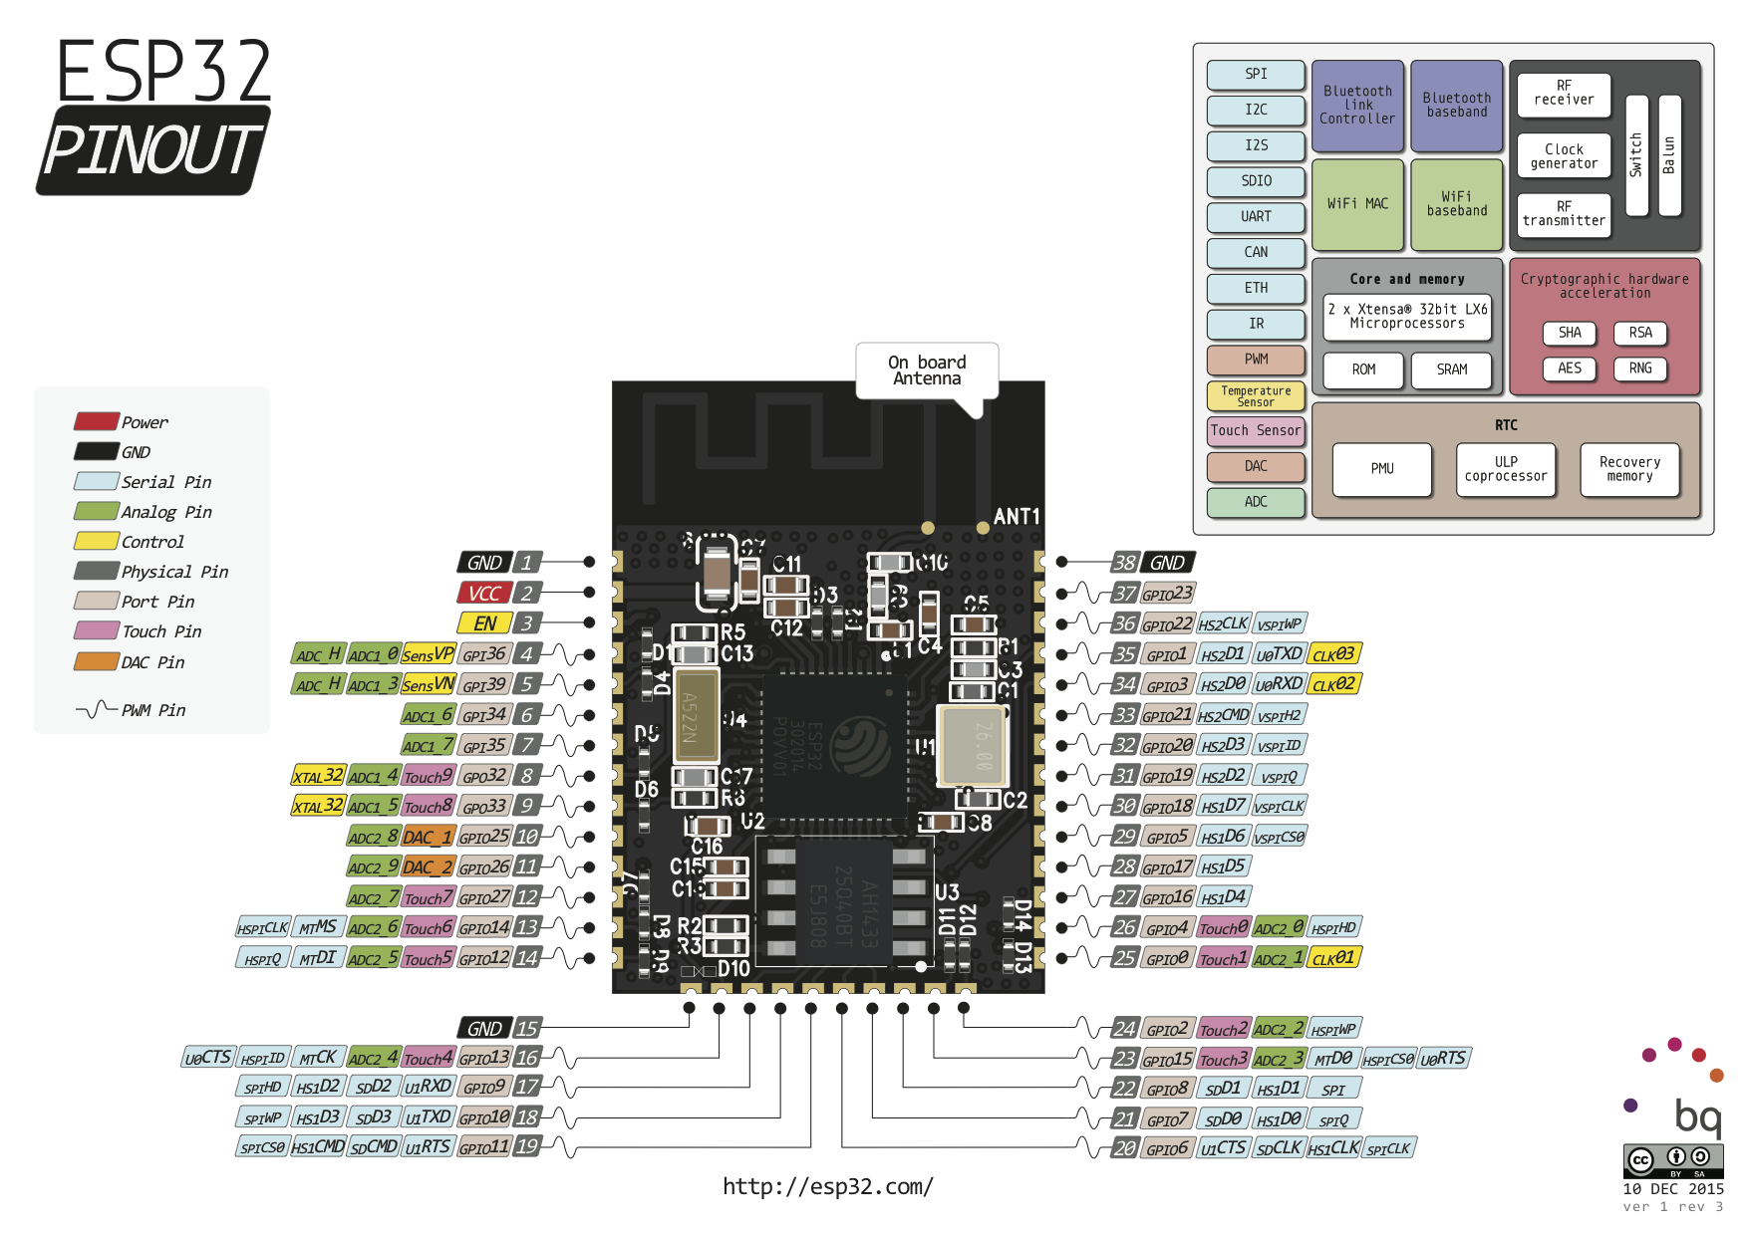
Function Block | Function Pin Name | ESP32 Pin Name | MYSx | Usage | https://de.aliexpress.com/item/ESP32-ESP32S-WIFI-Bluetooth-Module-240MHz-Dual-Core-CPU-MCU-Wireless-Network-Board-ESP-WROOM-32/32817688406.html?spm=a2g0x.search0104.3.1.3bc34eb5tSg79z&ws_ab_test=searchweb0_0,searchweb201602_5_10152_10151_10065_10344_10068_5722815_10342_10547_10343_10340_5722915_10548_10341_5722615_10696_10084_10083_10618_10304_10307_10820_10821_10302_5722715_10059_100031_10103_10624_10623_10622_5722515_10621_10620,searchweb201603_2,ppcSwitch_3&algo_expid=499485e8-6df0-40d6-8033-c5497748adb9-0&algo_pvid=499485e8-6df0-40d6-8033-c5497748adb9&transAbTest=ae803_1&priceBeautifyAB=0

SPI 1 / VSPI | MISO | IO19 |  | Radio1
 | MOSI | IO23 |  | Radio1
 | CLK | IO18 |  | Radio1
 | CS | IO17 |  | Radio1
 | DAT | IO16 |  | Radio1
SPI 2 / HSPI | MISO | IO12 | x | Radio2/Display
 | MOSI | IO13 | x | Radio2/Display
 | CLK | IO14 | x | Radio2/Display
 | CS | IO26 | x | Radio2/Display
Display Control | DAT/CMD | IO27 | x | Radio2/Display
 | BUSY | IO25 | x | Radio2/Display
 | RESET | IO33
I2C | SDA | IO21 | x
 | SCL | IO22 | x
UART 1 / Flash | RX | IO03/ RXD0 | x | Flash
 | TX | IO01/ TXD0 | x | Flash
Voltage Monitor | A0 | SENSOR_VP
RESET | RESET | EN | x
Available Pins | A3 | SENSOR_VN | x
 |  | IO00 | x
 |  | IO02 | x
 |  | IO04 | x | Button
 |  | IO05 | x
 |  | IO15 | x
 |  | IO32
 |  | IO34 | x
 |  | IO35 | x | Radio2/Display
 |  | IO36 |  | Voltage Meassure
 |  | IO39
 |  | IO20
 |  | IO09
 |  | IO10
 |  | IO11
 |  | IO08
 |  | IO07
 |  | IO06
 | ? | SCS
 | ? | SCK
 | ? | SD0
 | ? | SD1
 | ? | SD2

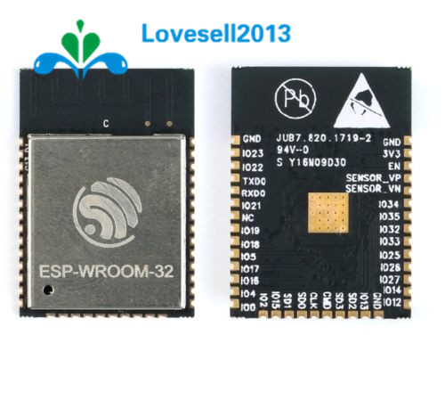

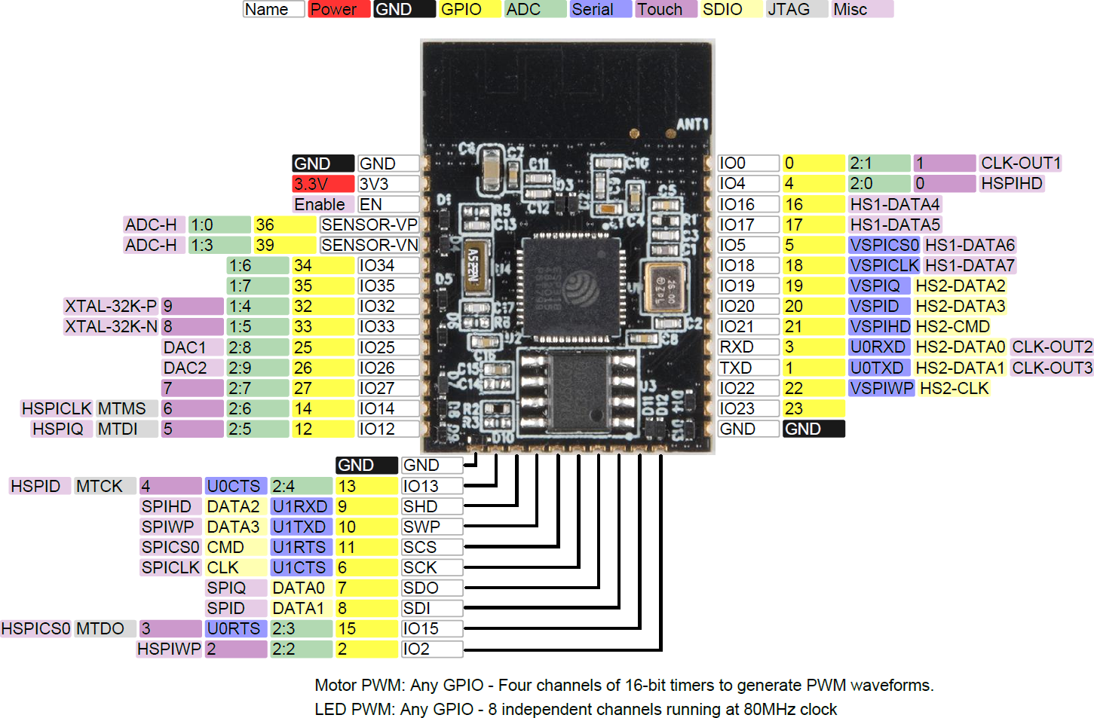

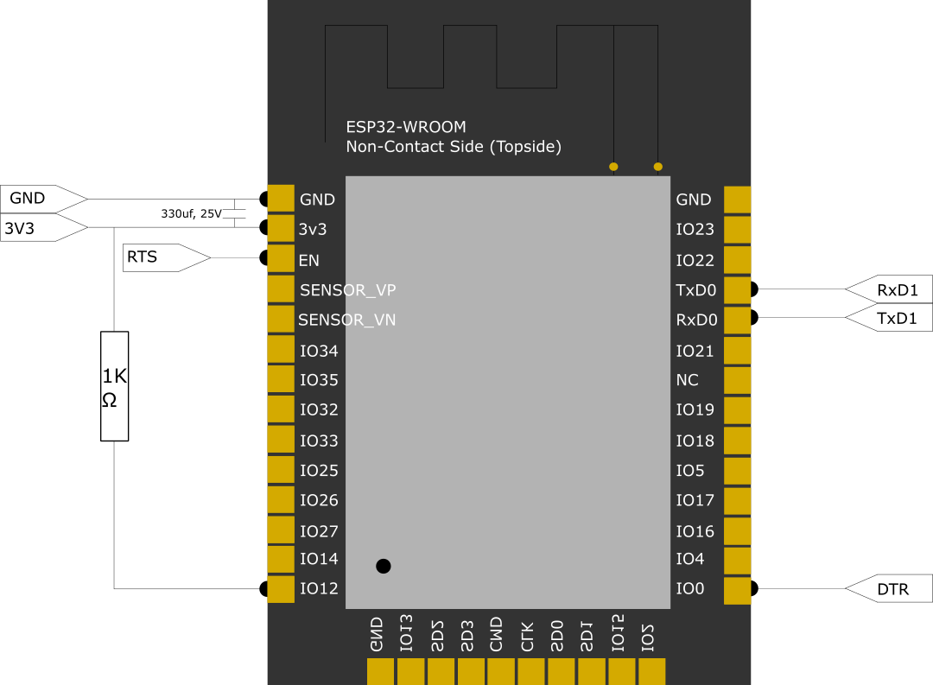

 |  |  |  |  |  | ESP32S WROOM Data Sheet

nRF52832-E73-B
nRF52832 / E73-2G4M04S1B |  |  |  | 44 Pins (Pinout from EBYTE)
https://de.aliexpress.com/item/nRF52832-2-4GHz-Wireless-rf-Module-CDSENET-E73-2G4M04S-SPI-SMD-rf-Receiver-transmitter-Bluetooth-Module/32819293925.html?spm=a2g0x.search0104.0.0.6b565230fJHGes

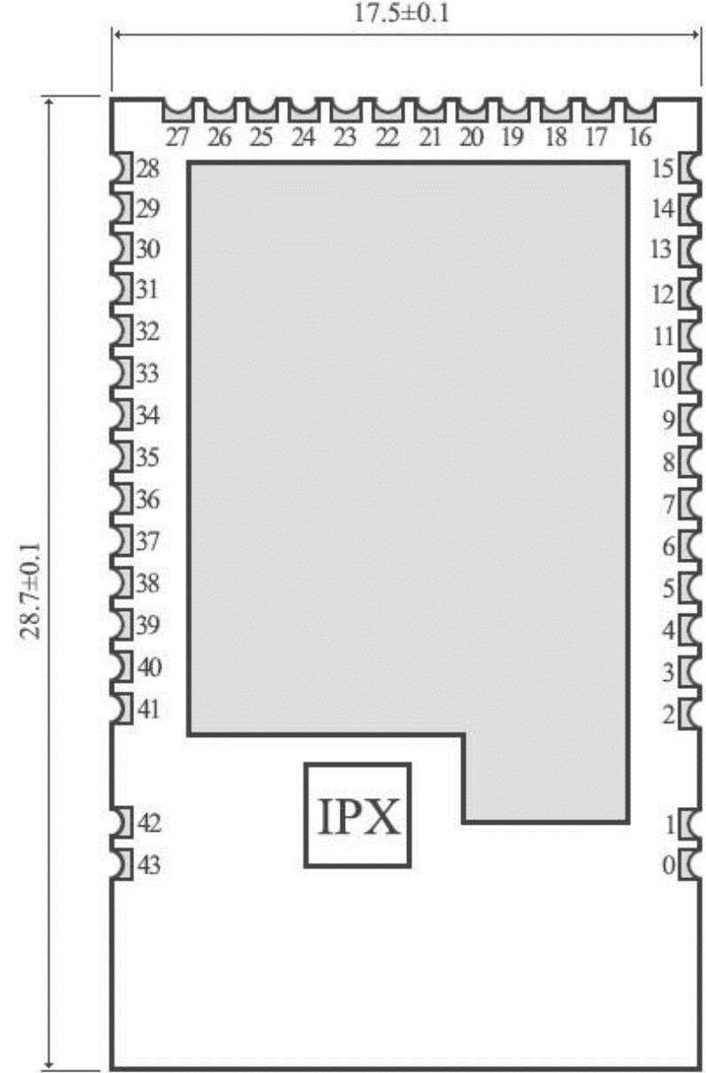
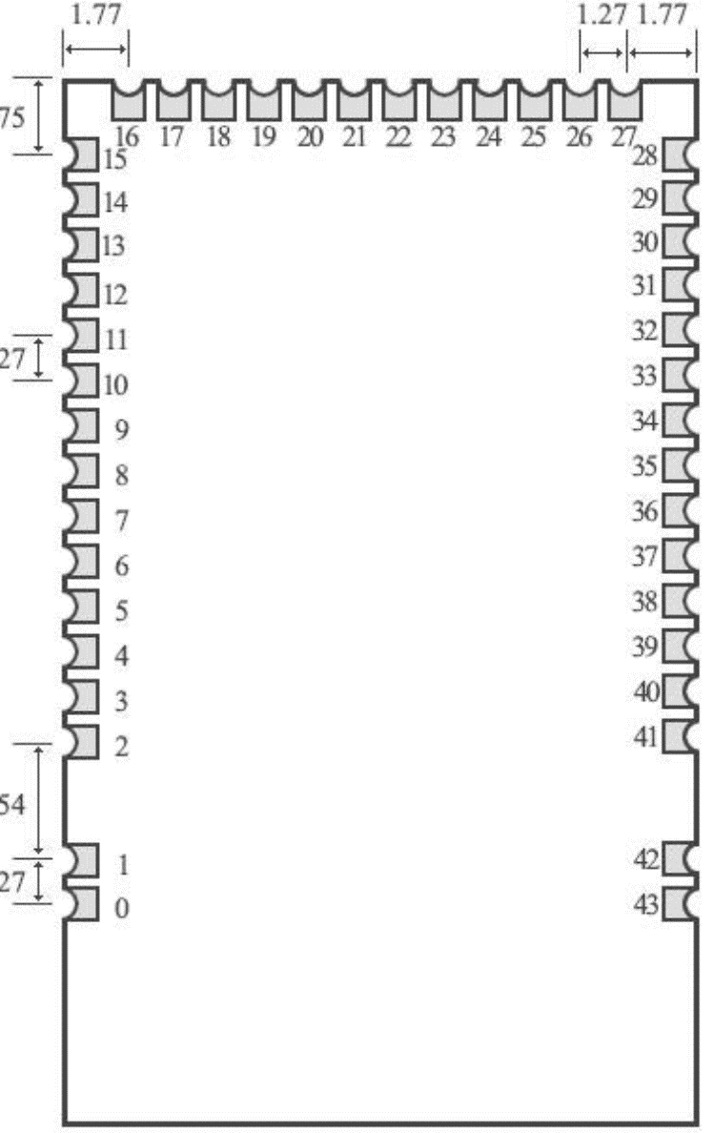
 |  |  |  |  | top | bottom
Pin Nr | Pin Name | Direction | Usage (project) | Usage (vendor)
0 | GND | Input | GND | Ground electrode, connect to reference ground of power
1 | GND | Input | GND | Ground electrode, connect to reference ground of power
2 | GND | Input | GND | Ground electrode, connect to reference ground of power
3 | DEC2 |  |  | 1.3 V Digital power supply decoupling controller
4 | DEC3 |  |  | Power supply decoupling
5 | P0.25 | Input/Output | SDA | MCU GPIO
6 | P0.26 | Input/Output | SCL | MCU GPIO
7 | P0.27 | Input/Output |  | MCU GPIO
8 | P0.28 | Input/Output | SPI2.CS, AIN4 | MCU GPIO, AIN4
9 | P0.29 | Input/Output | SPI2.MISO, AIN5 | MCU GPIO, AIN5
10 | P0.30 | Input/Output | SPI2.MOSI, AIN6 | MCU GPIO, AIN6
11 | P0.31 | Input/Output | SPI2.CLK, AIN7 | MCU GPIO, AIN7
12 | DEC4 |  |  | 1.3 V Digital power supply decoupling controller, Input from DC/DC regulator Output from1.3 V LDO
13 | DCC |  |  | DC/DC DC regulator output
14 | DEC1 |  |  | 0.9 V Digital power supply decoupling controller
15 | GND | Input | GND | Ground electrode, connect to reference ground of power
16 | VCC | Input | VCC / 3.3V | Power supply 1.8 ~ 3.6V DC
17 | P0.02 | Input/Output | AIN0, V.Measure | MCU GPIO, AIN0
18 | P0.03 | Input/Output | AIN1 | MCU GPIO, AIN1
19 | P0.04 | Input/Output | AIN2 | MCU GPIO, AIN2
20 | P0.05 | Input/Output | SPI1.CLK, AIN3 | MCU GPIO, AIN3
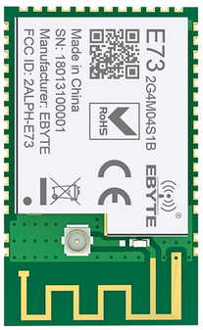
21 | P0.06 | Input/Output | SPI1.MOSI | MCU GPIO
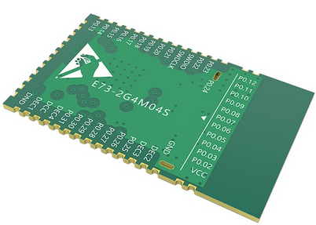
22 | P0.07 | Input/Output | SPI1.MISO | MCU GPIO
23 | P0.08 | Input/Output | SPI1.CS | MCU GPIO
24 | P0.09 | Input/Output | NFC1 | MCU GPIO
25 | P0.10 | Input/Output | NFC2 | MCU GPIO
26 | P0.11 | Input/Output | DIO | MCU GPIO
27 | P0.12 | Input/Output | DIO | MCU GPIO
28 | P0.13 | Input/Output | DIO | MCU GPIO
29 | P0.14 | Input/Output | SPI0.CLK | MCU GPIO
30 | P0.15 | Input/Output | SPI0.MISO | MCU GPIO
31 | P0.16 | Input/Output | SPI0.MOSI | MCU GPIO
32 | P0.17 | Input/Output | SPI0.CS | MCU GPIO
33 | P0.18 | Input/Output | SPI0.DATA0 | MCU GPIO
34 | P0.19 | Input/Output | SPI0.DATA2 | MCU GPIO
35 | P0.20 | Input/Output | ID | MCU GPIO
36 | P0.21 | Input/Output | RESET | MCU GPIO + Reset
37 | SWDCLK | Input | SWDCLK | Serial Line Debugging / Clock Input Debugging and Programming
38 | SWDIO | Input | SWDIO | Serial line debugging and programming debugging
39 | P0.22 | Input/Output | DIO | MCU GPIO
40 | P0.23 | Input/Output | DIO | MCU GPIO
41 | P0.24 | Input/Output | DIO | MCU GPIO
42 | GND | Input | GND | Ground electrode, connect to power reference ground
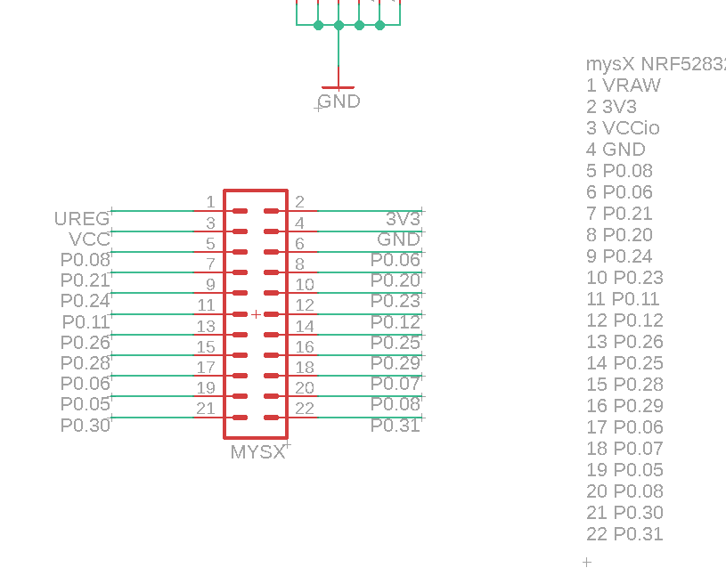
43 | GND | Input | GND | Ground electrode, connect to power reference ground

nrf52840-RF-Star
http://en.szrfstar.com/news/1/150.html |  |  |  | RF-BM-ND05 NRF52840 Bluetooth 5.0/4.2 module Small size long distance BLE

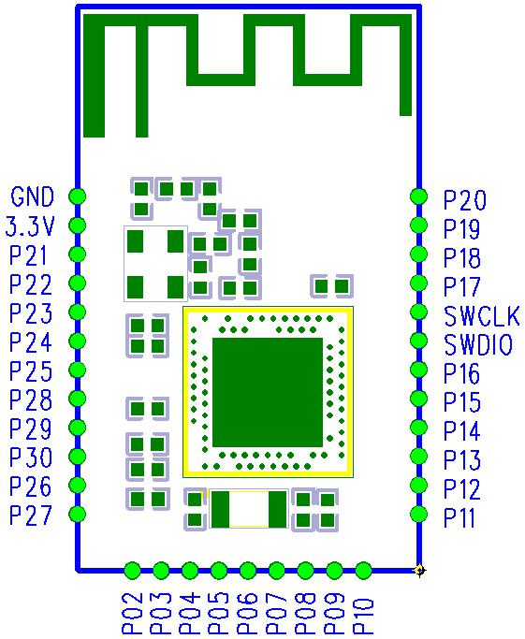
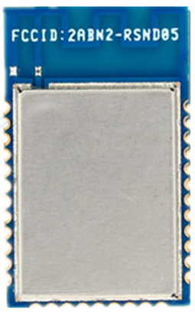
 |  |  |  |  | top
Pin Nr | Pin Name | Direction | Usage (project) | Usage (vendor)
1 | GND | Input | GND | Ground electrode, connect to reference ground of power
2 | VCC | Input | PS 3.3V | can be from 1,7 to 5,5V
3 | P0.21 | I/O | SPI1.MISO | QSPI
4 | P0.22 | I/O | SPI1.MOSI | QSPI
5 | P0.23 | I/O | SPI1.DATA0 | MCU GPIO
6 | P0.24 | I/O | DIO | MCU GPIO (high freq)
7 | P0.25 | I/O | DIO | MCU GPIO (high freq)
8 | P0.28 | I/O | AN4 | MCU GPIO, AIN4
9 | P0.29 | I/O | AN5 | MCU GPIO, AIN5
10 | P0.30 | I/O | AIN6, V.Measure | MCU GPIO, AIN6
11 | P0.26 | I/O | GPIO | MCU GPIO (high freq)
12 | P0.27 | I/O | GPIO | MCU GPIO (high freq)
13 | P0.02 | I/O | SPI0.MISO | MCU GPIO, AIN0
14 | P0.03 | I/O | SPI0.MOSI | MCU GPIO, AIN1
15 | P0.04 | I/O | SPI0.CLK | MCU GPIO, AIN2
16 | P0.05 | I/O | SPI0.CS | MCU GPIO, AIN3
17 | P0.06 | I/O | SPI0.DATA0 | MCU GPIO (high freq)
18 | P0.07 | I/O | DIO | MCU GPIO (low freq)
19 | P0.08 | I/O | DIO | MCU GPIO (high freq)
20 | P0.09 | I/O | NFC1 | NFC1
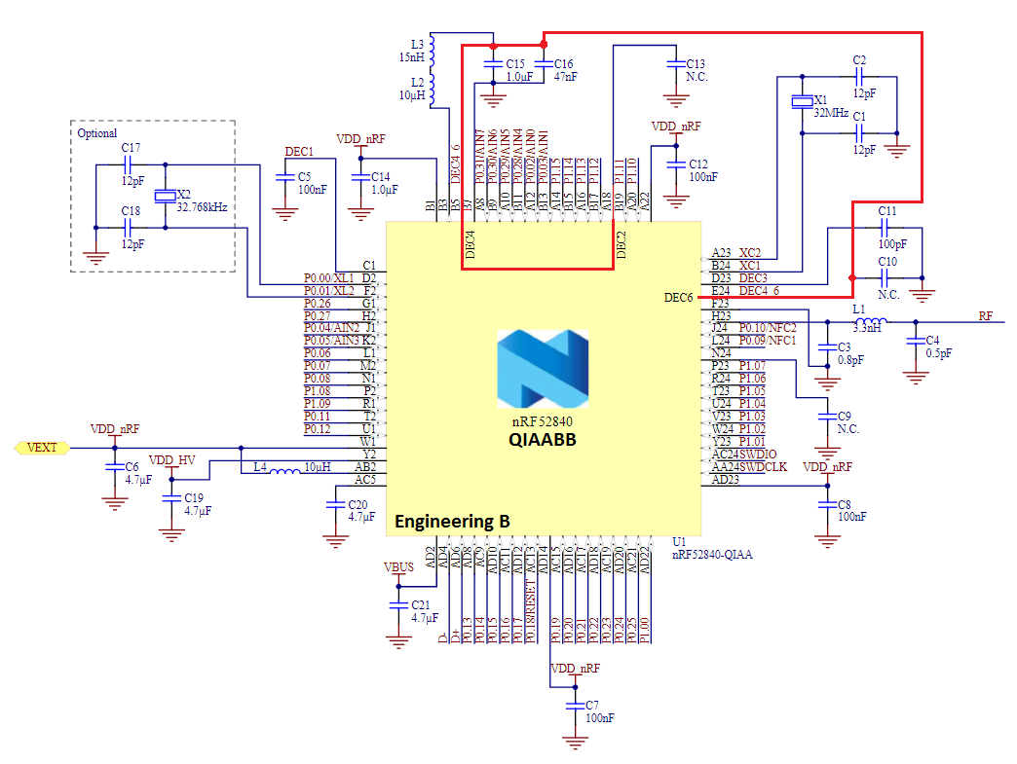
21 | P0.10 | I/O | NFC2 | NFC2
22 | P0.11 | I/O | SERIAL TX | MCU GPIO
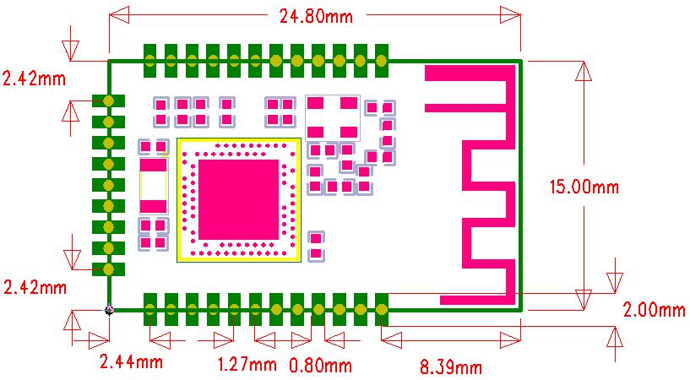
23 | P0.12 | I/O | SERIAL RX | MCU GPIO
24 | P0.13 | I/O | SDA | MCU GPIO
25 | P0.14 | I/O | SCL | MCU GPIO
26 | P0.15 | I/O | DIO, SDA1 | MCU GPIO
27 | P0.16 | I/O | DIO, SCL1 | MCU GPIO
28 | SWDIO | － | SWDIO | Serial line debugging and programming debugging
29 | SWCLK | － | SWCLK | Serial Line Debugging / Clock Input Debugging and Programming
30 | P0.17 | I/O | DIO | MCU GPIO (high freq)
31 | P0.18 | RESET | RESET | QSPI/CSN (configurable as Reset)
32 | P0.19 | I/O | SPI1.CLK | QSPI/CLK
33 | P0.20 | I/O | SPI1.CS | MCU GPIO (high freq)

 |  |  |  | MyBoardNRF5
 |  |  |  | #define PIN_LED1 (8)
 |  |  |  | #define PIN_SERIAL_RX (12)
 |  |  |  | #define PIN_SERIAL_TX (11)

 |  |  |  | #define PIN_WIRE_SDA (13u)
 |  |  |  | #define PIN_WIRE_SCL (14u)
 |  |  |  | #define PIN_WIRE_SDA1 (15u)
 |  |  |  | #define PIN_WIRE_SCL1 (16u)

 |  |  |  | #define SPI_INTERFACES_COUNT 2

 |  |  |  | #define PIN_SPI_MISO (2)
 |  |  |  | #define PIN_SPI_MOSI (3)
 |  |  |  | #define PIN_SPI_SCK (4)
 |  |  |  | #define PIN_SPI_SS (5)

