Sheet1
Configuration

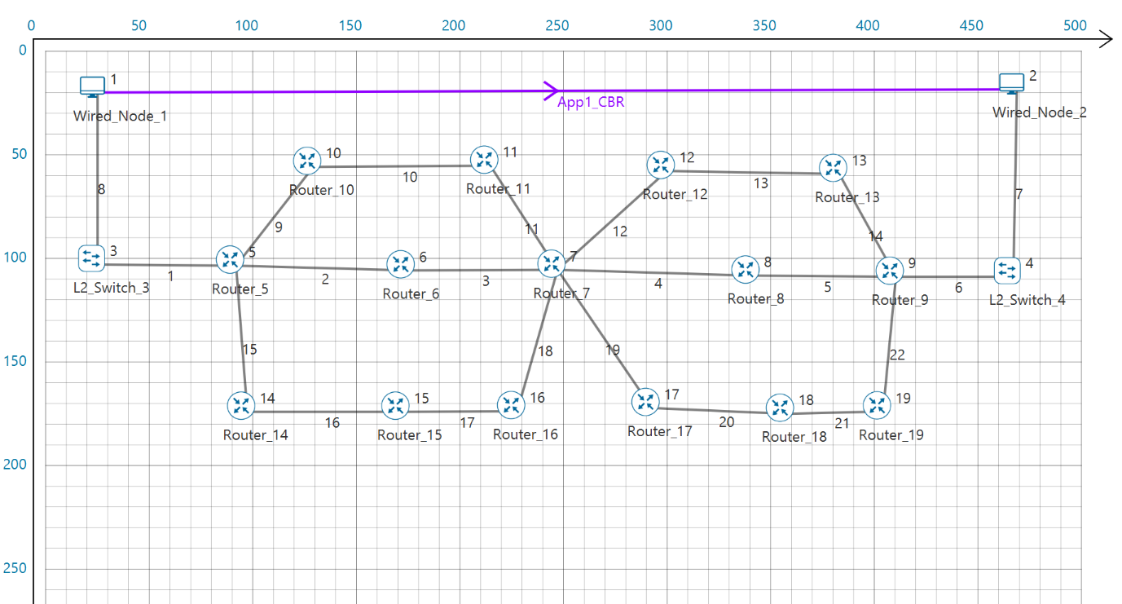

OSPF

IP_Metrics

Device Id | Packet sent | Packet forwarded | Packet received | Packet discarded | TTL expired | Firewall blocked
1 | 2577 | 0 | 2537 | 0 | 0 | 0
2 | 2543 | 0 | 2544 | 0 | 0 | 0
5 | 5186 | 5111 | 75 | 1 | 0 | 0
6 | 5155 | 5107 | 50 | 0 | 0 | 0
7 | 5224 | 5107 | 118 | 0 | 0 | 0
8 | 925 | 905 | 19 | 0 | 0 | 0
9 | 5542 | 5476 | 68 | 0 | 3 | 0
10 | 53 | 0 | 50 | 0 | 0 | 0
11 | 50 | 0 | 50 | 0 | 0 | 0
12 | 4624 | 4578 | 48 | 0 | 0 | 0
13 | 4624 | 4576 | 48 | 0 | 0 | 0
14 | 46 | 0 | 45 | 0 | 0 | 0
15 | 48 | 0 | 46 | 0 | 0 | 0
16 | 47 | 0 | 49 | 0 | 0 | 0
17 | 44 | 0 | 43 | 0 | 0 | 0
18 | 45 | 0 | 48 | 0 | 0 | 0
19 | 50 | 0 | 50 | 0 | 0 | 0

Application_Metrics

Application Id | Throughput Plot | Application Name | Source Id | Destination Id | Packet generated | Packet received | Payload generated (bytes) | Payload received (bytes) | Throughput (Mbps) | Delay(microsec) | Jitter(microsec)
1 | Application_Throughput_plot | App1_CBR | 1 | 2 | 2500 | 2457 | 3650000 | 3587220 | 0.573955 | 953527.80539 | 18580.763921

Link Fail -> | Link4

Path followed before link faliure

Router:- 5->6->7->8->9

Path followed after link faliure

Router:- 5->6->7->12->13->9

Link_Metrics

Link_id | Link_throughput_plot | Packet_transmitted | Packet_transmitted | Packet_errored | Packet_errored | Packet_collided | Packet_collided | Bytes_transmitted(bytes) | Payload_transmitted(bytes) | Overhead_transmitted(bytes)
 |  | Data | Control | Data | Control | Data | Control
All | NA | 22799 | 24185 | 31 | 3 | 0 | 0 | 35768704 | 33241280 | 2527424
1 | Link_throughput | 2571 | 2541 | 1 | 1 | 0 | 0 | 4091064 | 3752200 | 338864
2 | Link_throughput | 2570 | 2593 | 3 | 0 | 0 | 0 | 3963224 | 3747820 | 215404
3 | Link_throughput | 2567 | 2587 | 2 | 2 | 0 | 0 | 3957980 | 3744900 | 213080
4 | Link_throughput | 263 | 265 | 2 | 0 | 0 | 0 | 405156 | 381060 | 24096
5 | Link_throughput | 261 | 1062 | 0 | 0 | 0 | 0 | 437576 | 381060 | 56516
6 | Link_throughput | 2550 | 2545 | 4 | 0 | 0 | 0 | 4059278 | 3717160 | 342118
7 | Link_throughput | 2546 | 2545 | 4 | 0 | 0 | 0 | 4053174 | 3711320 | 341854
8 | Link_throughput | 2574 | 2540 | 3 | 0 | 0 | 0 | 4095576 | 3753660 | 341916
9 | Link_throughput | 0 | 53 | 0 | 0 | 0 | 0 | 6924 | 0 | 6924
10 | Link_throughput | 0 | 50 | 0 | 0 | 0 | 0 | 6116 | 0 | 6116
11 | Link_throughput | 0 | 50 | 0 | 0 | 0 | 0 | 6424 | 0 | 6424
12 | Link_throughput | 2301 | 2326 | 2 | 0 | 0 | 0 | 3548892 | 3356540 | 192352
13 | Link_throughput | 2299 | 2326 | 2 | 0 | 0 | 0 | 3545628 | 3353620 | 192008
14 | Link_throughput | 2297 | 2328 | 8 | 0 | 0 | 0 | 3542628 | 3341940 | 200688
15 | Link_throughput | 0 | 45 | 0 | 0 | 0 | 0 | 6104 | 0 | 6104
16 | Link_throughput | 0 | 46 | 0 | 0 | 0 | 0 | 5960 | 0 | 5960
17 | Link_throughput | 0 | 48 | 0 | 0 | 0 | 0 | 6596 | 0 | 6596
18 | Link_throughput | 0 | 48 | 0 | 0 | 0 | 0 | 6208 | 0 | 6208
19 | Link_throughput | 0 | 43 | 0 | 0 | 0 | 0 | 5768 | 0 | 5768
20 | Link_throughput | 0 | 44 | 0 | 0 | 0 | 0 | 5692 | 0 | 5692
21 | Link_throughput | 0 | 49 | 0 | 0 | 0 | 0 | 6712 | 0 | 6712
22 | Link_throughput | 0 | 51 | 0 | 0 | 0 | 0 | 6024 | 0 | 6024

RIP

Link_Metrics

Link_id | Link_throughput_plot | Packet_transmitted | Packet_transmitted | Packet_errored | Packet_errored | Packet_collided | Packet_collided | Bytes_transmitted(bytes) | Payload_transmitted(bytes) | Overhead_transmitted(bytes)
 |  | Data | Control | Data | Control | Data | Control
All | NA | 2025 | 2700 | 2 | 1 | 0 | 0 | 3539144 | 3302252 | 236892
1 | Link_throughput | 257 | 253 | 0 | 0 | 0 | 0 | 408892 | 375220 | 33672
2 | Link_throughput | 257 | 290 | 1 | 0 | 0 | 0 | 416108 | 393216 | 22892
3 | Link_throughput | 256 | 288 | 0 | 0 | 0 | 0 | 413528 | 392192 | 21336
4 | Link_throughput | 250 | 286 | 0 | 0 | 0 | 0 | 403448 | 382408 | 21040
5 | Link_throughput | 250 | 290 | 1 | 0 | 0 | 0 | 405608 | 382996 | 22612
6 | Link_throughput | 249 | 252 | 0 | 0 | 0 | 0 | 396614 | 363540 | 33074
7 | Link_throughput | 249 | 252 | 0 | 0 | 0 | 0 | 396614 | 363540 | 33074
8 | Link_throughput | 257 | 253 | 0 | 0 | 0 | 0 | 408892 | 375220 | 33672
9 | Link_throughput | 0 | 38 | 0 | 0 | 0 | 0 | 20520 | 19456 | 1064
10 | Link_throughput | 0 | 40 | 0 | 0 | 0 | 0 | 21600 | 20480 | 1120
11 | Link_throughput | 0 | 36 | 0 | 0 | 0 | 0 | 19440 | 18432 | 1008
12 | Link_throughput | 0 | 36 | 0 | 1 | 0 | 0 | 19440 | 17920 | 1520
13 | Link_throughput | 0 | 40 | 0 | 0 | 0 | 0 | 21600 | 20480 | 1120
14 | Link_throughput | 0 | 38 | 0 | 0 | 0 | 0 | 20520 | 19456 | 1064
15 | Link_throughput | 0 | 38 | 0 | 0 | 0 | 0 | 20520 | 19456 | 1064
16 | Link_throughput | 0 | 40 | 0 | 0 | 0 | 0 | 21600 | 20480 | 1120
17 | Link_throughput | 0 | 40 | 0 | 0 | 0 | 0 | 21600 | 20480 | 1120
18 | Link_throughput | 0 | 36 | 0 | 0 | 0 | 0 | 19440 | 18432 | 1008
19 | Link_throughput | 0 | 36 | 0 | 0 | 0 | 0 | 19440 | 18432 | 1008
20 | Link_throughput | 0 | 40 | 0 | 0 | 0 | 0 | 21600 | 20480 | 1120
21 | Link_throughput | 0 | 40 | 0 | 0 | 0 | 0 | 21600 | 20480 | 1120
22 | Link_throughput | 0 | 38 | 0 | 0 | 0 | 0 | 20520 | 19456 | 1064

IP_Metrics

Device Id | Packet sent | Packet forwarded | Packet received | Packet discarded | TTL expired | Firewall blocked
1 | 260 | 0 | 250 | 0 | 0 | 0
2 | 250 | 0 | 251 | 0 | 0 | 0
5 | 563 | 510 | 60 | 1 | 0 | 0
6 | 548 | 508 | 34 | 0 | 0 | 0
7 | 604 | 508 | 118 | 0 | 0 | 0
8 | 542 | 502 | 33 | 0 | 0 | 0
9 | 555 | 501 | 60 | 0 | 0 | 0
10 | 40 | 0 | 38 | 0 | 0 | 0
11 | 40 | 0 | 36 | 0 | 0 | 0
12 | 40 | 0 | 36 | 0 | 0 | 0
13 | 40 | 0 | 38 | 0 | 0 | 0
14 | 40 | 0 | 38 | 0 | 0 | 0
15 | 40 | 0 | 40 | 0 | 0 | 0
16 | 40 | 0 | 36 | 0 | 0 | 0
17 | 40 | 0 | 36 | 0 | 0 | 0
18 | 40 | 0 | 40 | 0 | 0 | 0
19 | 40 | 0 | 38 | 0 | 0 | 0

Application_Metrics

Application Id | Throughput Plot | Application Name | Source Id | Destination Id | Packet generated | Packet received | Payload generated (bytes) | Payload received (bytes) | Throughput (Mbps) | Delay(microsec) | Jitter(microsec)
1 | Application_Throughput_plot | App1_CBR | 1 | 2 | 2500 | 249 | 3650000 | 363540 | 0.058166 | 104310.75277 | 4032.9

Link Fail -> link 4

Path followed before link faliure

Router:- 5->6->7->8->9

Path followed after link faliure

Transmission stopped

