Sheet1
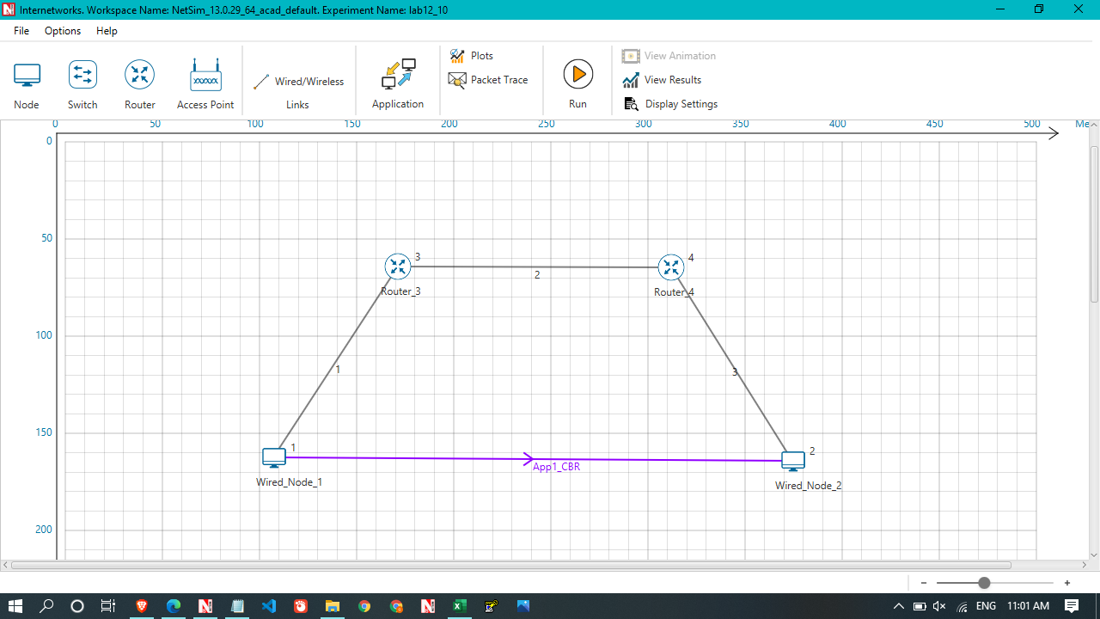

 |  |  |  |  |  |  |  |  |  |  | Throughput without sliding Bps

 |  |  |  |  |  |  |  |  |  |  | 2822591.36
 |  |  |  |  |  |  |  |  |  |  | 952312.68
 |  |  |  |  |  |  |  |  |  |  | 920143.56
 |  |  |  |  |  |  |  |  |  |  | 950135.12

without scaling

Application Id | Throughput Plot | Application Name | Source Id | Destination Id |  |  |  |  | Throughput (Mbps)
1 | Application_Throughput_plot | App1_CBR | 1 | 2 |  |  |  |  | 5.000442

Application Id | Throughput Plot | Application Name | Source Id | Destination Id |  |  |  |  | Throughput (Mbps)
1 | Application_Throughput_plot | App1_CBR | 1 | 2 |  |  |  |  | 9.429965
 |  |  |  |  |  |  |  |  |  |  | Throughput with sliding window (Bps)

 |  |  |  |  |  |  |  |  |  |  | 1938608.12
Link_Metrics |  |  |  |  |  |  |  |  |  |  | 654212.58
 |  |  |  |  |  |  |  |  |  |  | 631933.24
Link_id | Link_throughput_plot | Packet_transmitted | Packet_transmitted | Packet_errored | Packet_errored | Packet_collided | Packet_collided | Bytes_transmitted(bytes) | Payload_transmitted(bytes) | Overhead_transmitted(bytes) | 652462.3
 |  | Data | Control | Data | Control | Data | Control
All | NA | 179265 | 178846 | 222 | 10 | 0 | 0 | 282259136 | 261402780 | 20856356
1 | Link_throughput | 59828 | 59602 | 76 | 3 | 0 | 0 | 95231268 | 87237920 | 7993348
2 | Link_throughput | 59752 | 59635 | 67 | 0 | 0 | 0 | 92014356 | 87140100 | 4874256
3 | Link_throughput | 59685 | 59609 | 79 | 7 | 0 | 0 | 95013512 | 87024760 | 7988752

Link_id | Link_throughput_plot | Packet_transmitted | Packet_transmitted | Packet_errored | Packet_errored | Packet_collided | Packet_collided | Bytes_transmitted(bytes) | Payload_transmitted(bytes) | Overhead_transmitted(bytes)
 |  | Data | Control | Data | Control | Data | Control
All | NA | 123123 | 122818 | 171 | 9 | 0 | 0 | 193860812 | 179509920 | 14350892
1 | Link_throughput | 41101 | 40926 | 65 | 2 | 0 | 0 | 65421258 | 59912560 | 5508698
2 | Link_throughput | 41036 | 40959 | 50 | 0 | 0 | 0 | 63193324 | 59839560 | 3353764
3 | Link_throughput | 40986 | 40933 | 56 | 7 | 0 | 0 | 65246230 | 59757800 | 5488430

window scaling = false

Application_Metrics

Application Id | Application Name | Source Id | Destination Id | Packet generated | Packet received | Payload generated (bytes) | Payload received (bytes) | Throughput (Mbps) | Delay(microsec) | Jitter(microsec)
1 | App1_CBR | 1 | 2 | 42809 | 21406 | 62501140 | 31252760 | 5.000442 | 12713670.624 | 1160.740597

window scaling = True

Application_Metrics

Application Id | Application Name | Source Id | Destination Id | Packet generated | Packet received | Payload generated (bytes) | Payload received (bytes) | Throughput (Mbps) | Delay(microsec) | Jitter(microsec)
1 | App1_CBR | 1 | 2 | 42809 | 40368 | 62501140 | 58937280 | 9.429965 | 2183414.137 | 66.845302

