Sheet1
 |  |  |  |  |  |  | Lab 12_10

window scaling = false

Application_Metrics

Application Id | Application Name | Source Id | Destination Id | Packet generated | Packet received | Payload generated (bytes) | Payload received (bytes) | Throughput (Mbps) | Delay(microsec) | Jitter(microsec)
1 | App1_CBR | 1 | 2 | 42809 | 21406 | 62501140 | 31252760 | 5.000442 | 12713670.624 | 1160.740597

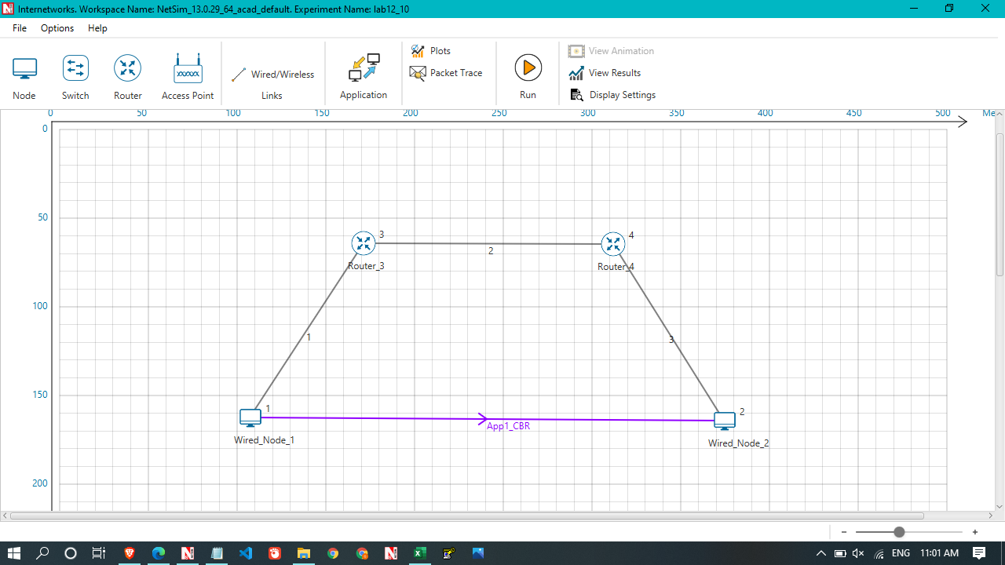

window scaling = True

Application_Metrics

Application Id | Application Name | Source Id | Destination Id | Packet generated | Packet received | Payload generated (bytes) | Payload received (bytes) | Throughput (Mbps) | Delay(microsec) | Jitter(microsec)
1 | App1_CBR | 1 | 2 | 42809 | 40368 | 62501140 | 58937280 | 9.429965 | 2183414.137 | 66.845302

