Sheet1
Que No. 1 & 2

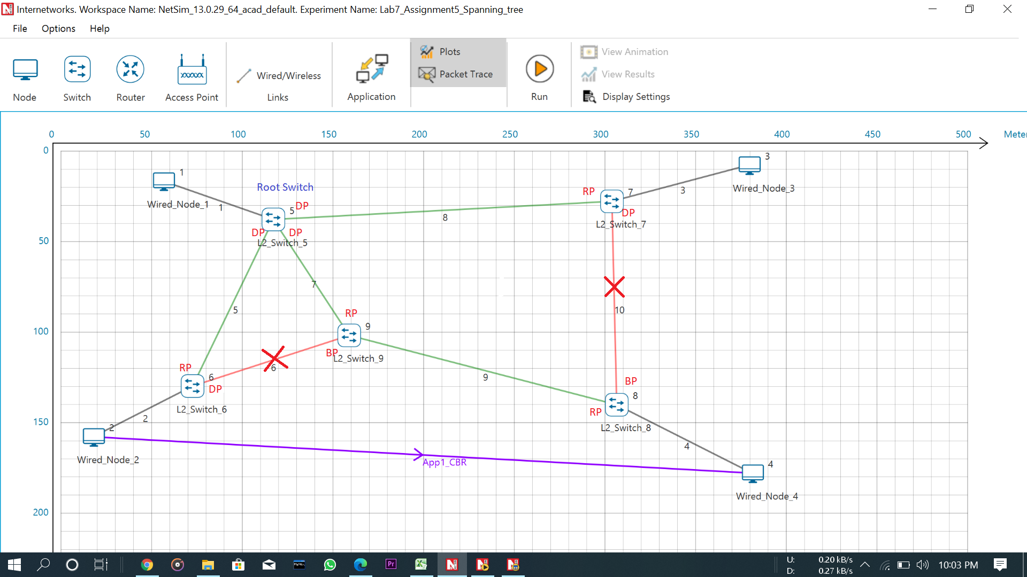

Que. No. 3

 | L2_SWITCH_5 |  |  |  | L2_SWITCH_6 |  |  | L2_SWITCH_7

 | Mac Address | Type | OutPort |  | Mac Address | Type | OutPort | Mac Address | Type | OutPort
 | AF1D00000101 | Dynamic | 1 |  | AF1D00000201 | Dynamic | 1 | AF1D00000301 | Dynamic | 1
 | AF1D00000602 | Dynamic | 2 |  | AF1D00000502 | Dynamic | 2 | AF1D00000504 | Dynamic | 2
 | AF1D00000902 | Dynamic | 3 |  | AF1D00000901 | Dynamic | 3 | AF1D00000803 | Dynamic | 3
 | AF1D00000702 | Dynamic | 4 |  | AF1D00000401 | Dynamic | 2 | AF1D00000201 | Dynamic | 2
 | AF1D00000201 | Dynamic | 2
 | AF1D00000401 | Dynamic | 3

 | L2_SWITCH_8 |  |  |  | L2_SWITCH_9

 | Mac Address | Type | OutPort |  | Mac Address | Type | OutPort
 | AF1D00000401 | Dynamic | 1 |  | AF1D00000603 | Dynamic | 1
 | AF1D00000903 | Dynamic | 2 |  | AF1D00000503 | Dynamic | 2
 | AF1D00000703 | Dynamic | 3 |  | AF1D00000802 | Dynamic | 3
 | AF1D00000201 | Dynamic | 2 |  | AF1D00000201 | Dynamic | 2
 |  |  |  |  | AF1D00000401 | Dynamic | 3

Que. 2(a)

 | Device Id | Packet sent | Packet forwarded | Packet received
 | 1 | 500 | 0 | 0
 | 2 | 0 | 0 | 496
 | 3 | 0 | 0 | 0
 | 4 | 0 | 0 | 0

Que. 2(b)
 | Device Id | Packet sent | Packet forwarded | Packet received
 | 1 | 502 | 0 | 503
 | 2 | 505 | 0 | 501
 | 3 | 0 | 0 | 0
 | 4 | 0 | 0 | 0

Que. 2(c)

 | Device Id | Packet sent | Packet forwarded | Packet received
 | 1 | 0 | 0 | 0
 | 2 | 4 | 0 | 0
 | 3 | 0 | 0 | 0
 | 4 | 0 | 0 | 0

