Sheet1
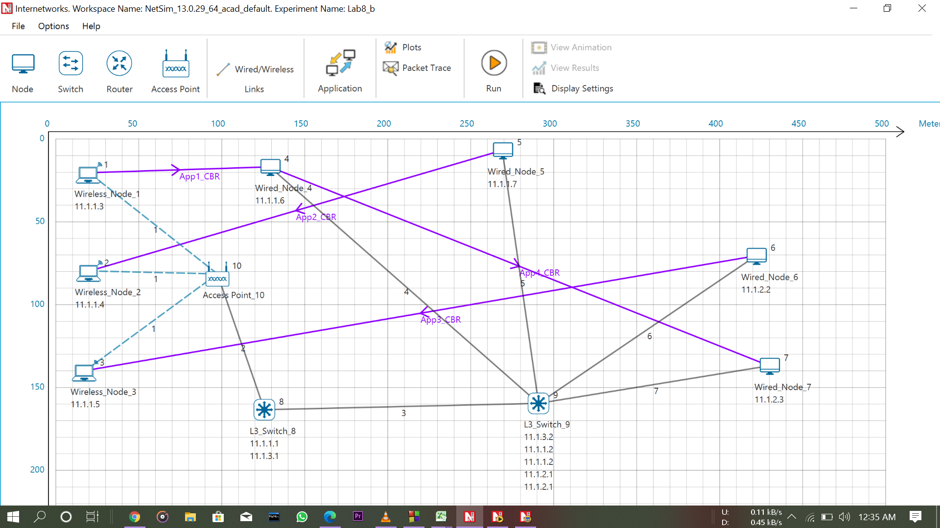
Question 1.

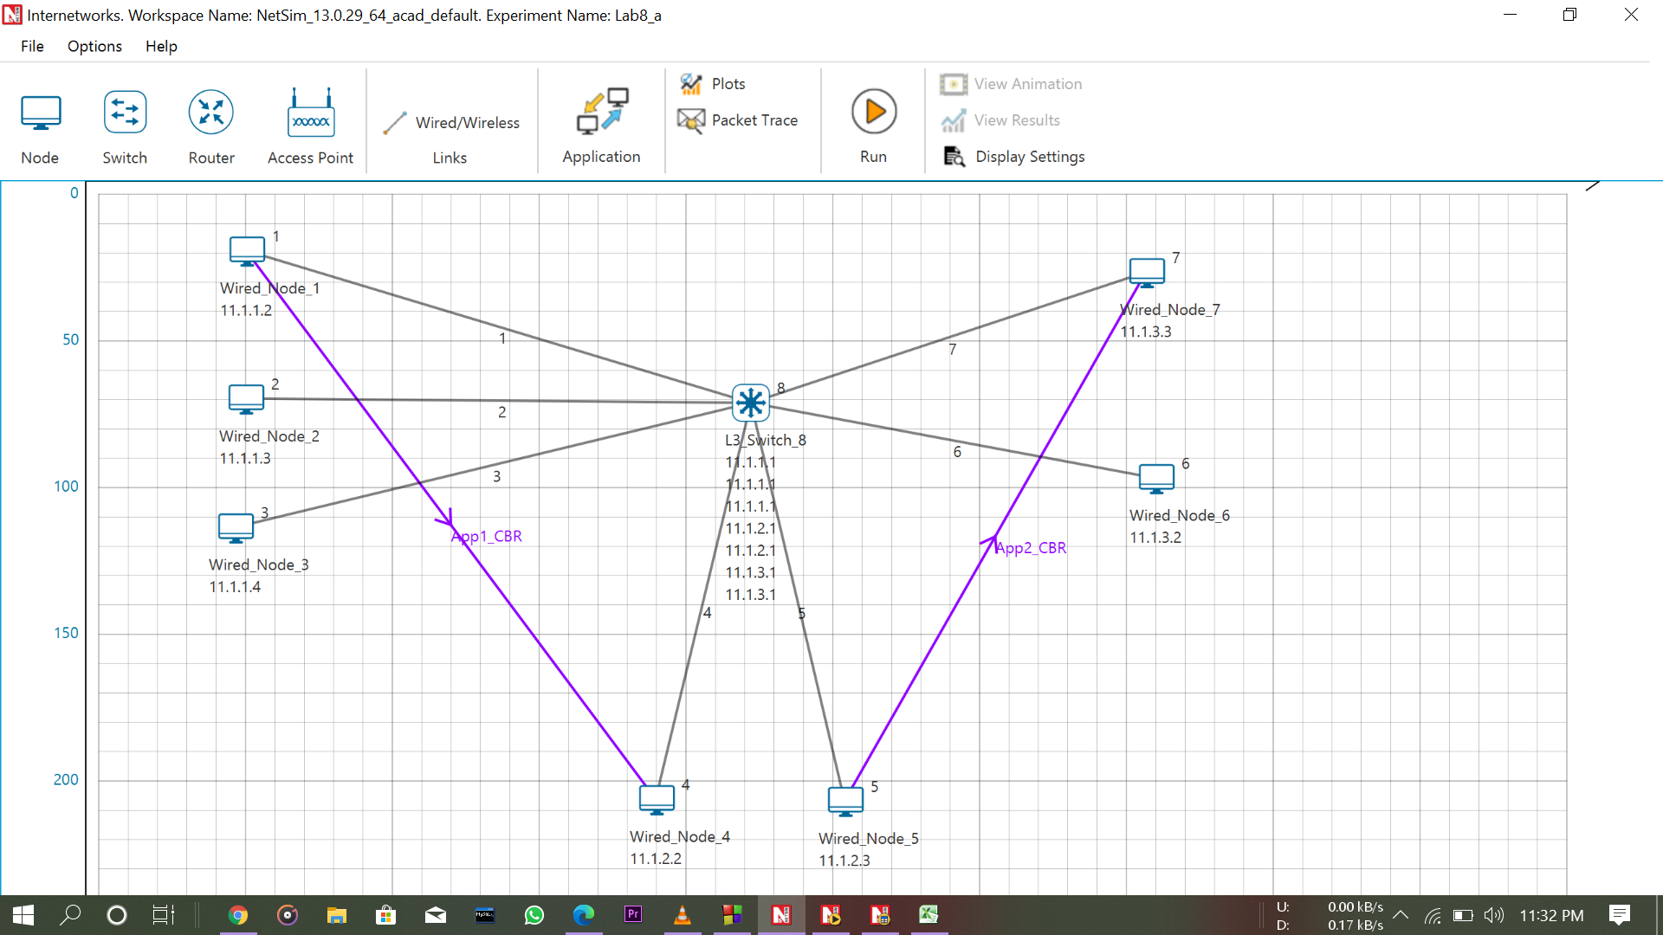

Link_Metrics

Link_id | Link_throughput_plot | Packet_transmitted | Packet_transmitted | Packet_errored | Packet_errored | Packet_collided | Packet_collided | Bytes_transmitted(bytes) | Payload_transmitted(bytes) | Overhead_transmitted(bytes)
 |  | Data | Control | Data | Control | Data | Control
All | NA | 2007 | 2013 | 3 | 1 | 0 | 0 | 3195572 | 2925840 | 269732
1 | NA | 500 | 503 | 0 | 0 | 0 | 0 | 796206 | 730000 | 66206
2 | NA | 0 | 0 | 0 | 0 | 0 | 0 | 0 | 0 | 0
3 | NA | 0 | 0 | 0 | 0 | 0 | 0 | 0 | 0 | 0
4 | NA | 500 | 503 | 0 | 0 | 0 | 0 | 796206 | 730000 | 66206
5 | NA | 504 | 503 | 1 | 0 | 0 | 0 | 802310 | 734380 | 67930
6 | NA | 0 | 0 | 0 | 0 | 0 | 0 | 0 | 0 | 0
7 | NA | 503 | 504 | 2 | 1 | 0 | 0 | 800850 | 731460 | 69390

Application_Metrics

Application Id | Application Name | Source Id | Destination Id | Packet generated | Packet received | Payload generated (bytes) | Payload received (bytes) | Throughput (Mbps) | Delay(microsec) | Jitter(microsec)
1 | App1_CBR | 1 | 4 | 500 | 500 | 730000 | 730000 | 0.584 | 254.2592 | 0.099399
2 | App2_CBR | 5 | 7 | 500 | 500 | 730000 | 730000 | 0.584 | 38665.862755 | 5936.445721

Question No. 2

 |  | a) Switching tables :

 |  |  | L3_SWITCH_8

 |  |  | Network Destination | Netmask/Prefix len | Gateway | Interface | Metrics | Type
 |  |  | 11.1.3.0 | 255.255.255.0 | on-link | 11.1.3.1 | 300 | LOCAL
 |  |  | 11.1.2.0 | 255.255.255.0 | on-link | 11.1.2.1 | 300 | LOCAL
 |  |  | 11.1.1.0 | 255.255.255.0 | on-link | 11.1.1.1 | 300 | LOCAL
 |  |  | 224.0.0.1 | 255.255.255.255 | on-link | 11.1.1.1 11.1.2.1 11.1.3.1 | 306 | MULTICAST
 |  |  | 224.0.0.0 | 240.0.0.0 | on-link | 11.1.1.1 11.1.2.1 11.1.3.1 | 306 | MULTICAST
 |  |  | 255.255.255.255 | 255.255.255.255 | on-link | 11.1.3.1 | 999 | BROADCAST
 |  |  | 255.255.255.255 | 255.255.255.255 | on-link | 11.1.2.1 | 999 | BROADCAST
 |  |  | 255.255.255.255 | 255.255.255.255 | on-link | 11.1.1.1 | 999 | BROADCAST

 |  |  | L3_SWITCH_8

 |  |  | Mac Address | Type | OutPort
 |  |  | AF1D00000101 | Dynamic | 1
 |  |  | AF1D00000201 | Dynamic | 2
 |  |  | AF1D00000301 | Dynamic | 3

 |  | b) Application Matrix :

 |  |  | Application_Metrics

 |  |  | Application Id | Application Name | Source Id | Destination Id | Packet generated | Packet received | Payload generated (bytes) | Payload received (bytes) | Throughput (Mbps) | Delay(microsec) | Jitter(microsec)
 |  |  | 1 | App1_CBR | 1 | 4 | 500 | 500 | 730000 | 730000 | 0.584 | 254.2592 | 0.099399
 |  |  | 2 | App2_CBR | 5 | 7 | 500 | 500 | 730000 | 730000 | 0.584 | 38665.862755 | 5936.445721

 |  | c) Link Layer Matrix :

 |  |  | Link_Metrics

 |  |  | Link_id | Link_throughput_plot | Packet_transmitted | Packet_transmitted | Packet_errored | Packet_errored | Packet_collided | Packet_collided | Bytes_transmitted(bytes) | Payload_transmitted(bytes) | Overhead_transmitted(bytes)
 |  |  |  |  | Data | Control | Data | Control | Data | Control
 |  |  | All | NA | 2007 | 2013 | 3 | 1 | 0 | 0 | 3195572 | 2925840 | 269732
 |  |  | 1 | NA | 500 | 503 | 0 | 0 | 0 | 0 | 796206 | 730000 | 66206
 |  |  | 2 | NA | 0 | 0 | 0 | 0 | 0 | 0 | 0 | 0 | 0
 |  |  | 3 | NA | 0 | 0 | 0 | 0 | 0 | 0 | 0 | 0 | 0
 |  |  | 4 | NA | 500 | 503 | 0 | 0 | 0 | 0 | 796206 | 730000 | 66206
 |  |  | 5 | NA | 504 | 503 | 1 | 0 | 0 | 0 | 802310 | 734380 | 67930
 |  |  | 6 | NA | 0 | 0 | 0 | 0 | 0 | 0 | 0 | 0 | 0
 |  |  | 7 | NA | 503 | 504 | 2 | 1 | 0 | 0 | 800850 | 731460 | 69390

