Sheet1
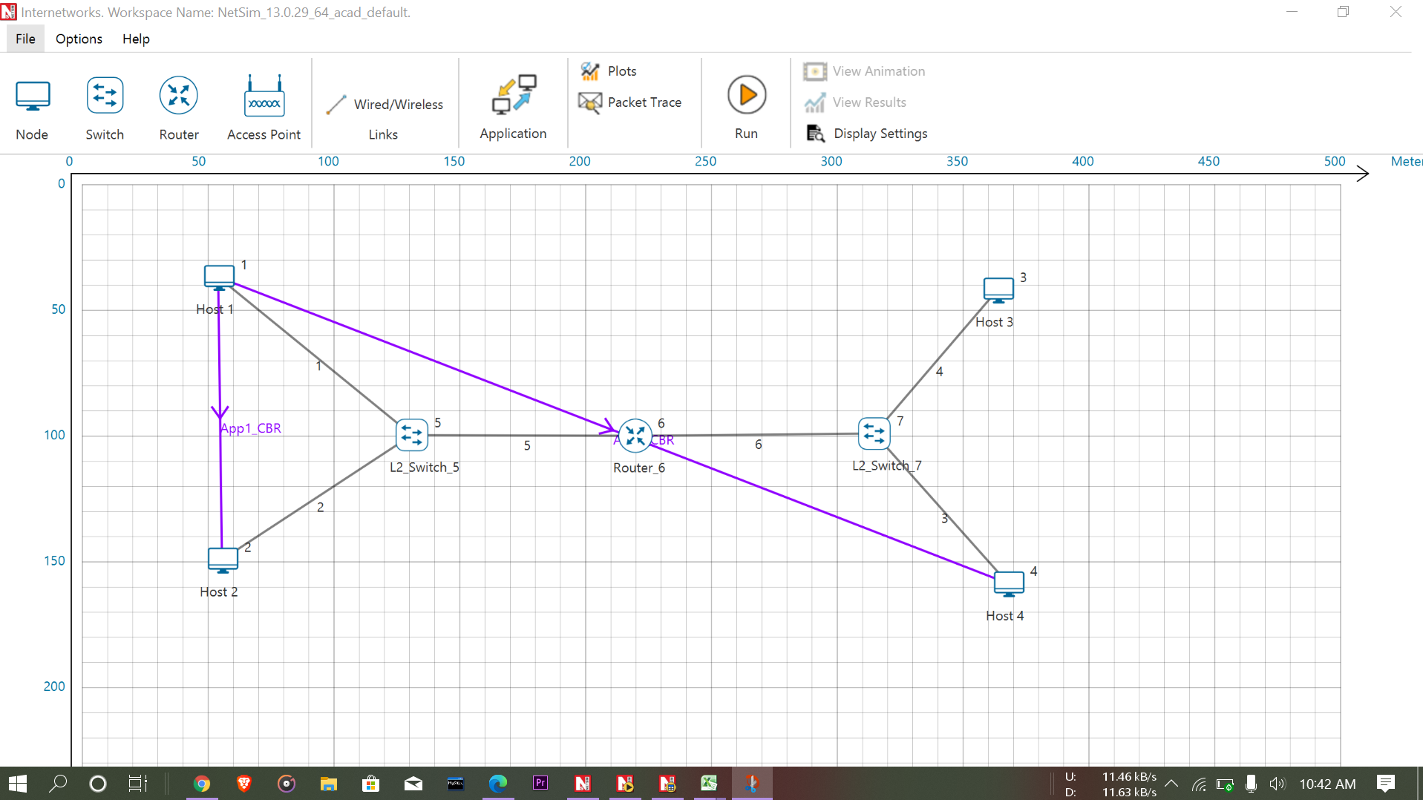

ARP Table

DEVICE_ID=1,2,3,4,6,
NUMBER_OF_ENTRIES=6
192.32.65.60 | AF1D00000101 |  | 192.32.65.60 | AF1D00000101
192.32.65.5 | AF1D00000201 |  | 192.32.65.5 | AF1D00000201
192.32.63.3 | AF1D00000301 |  | 192.32.63.3 | AF1D00000301
192.32.63.8 | AF1D00000401 |  | 192.32.63.8 | AF1D00000401
192.32.65.1 | AF1D00000601 |  | 192.32.65.1 | AF1D00000601
192.32.63.1 | AF1D00000602 |  | 192.32.63.1 | AF1D00000602

IP Forwarding Tables

 | IP Forwerding table of Router Table

ROUTER_6

Network Destination | Netmask/Prefix len | Gateway | Interface | Metrics | Type
192.32.63.0 | 255.255.63.0 | on-link | 192.32.63.1 | 300 | LOCAL
192.32.65.0 | 255.255.255.0 | on-link | 192.32.65.1 | 300 | LOCAL
224.0.0.1 | 255.255.255.255 | on-link | 192.32.65.1 192.32.63.1 | 306 | MULTICAST
224.0.0.0 | 240.0.0.0 | on-link | 192.32.65.1 192.32.63.1 | 306 | MULTICAST
255.255.255.255 | 255.255.255.255 | on-link | 192.32.63.1 | 999 | BROADCAST
255.255.255.255 | 255.255.255.255 | on-link | 192.32.65.1 | 999 | BROADCAST

