Drone Aircraft
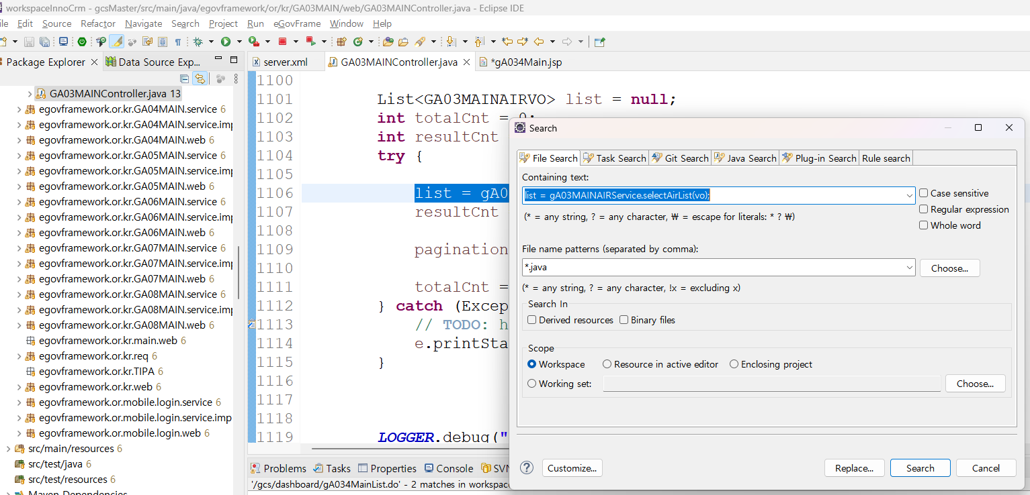
* LIST page
url | /gcs/dashboard/gA034Main.do |  | page | list
div | path | fileName | line | etc
Controller | /or/kr/GA03MAIN/web/ | GA03MAINController.java | 531 |  | search >> file
jsp | /jsp/main/GCSMAIN3/ | gA034Main.jsp | 183 | initList(); /gcs/dashboard/gA034MainList.do | CTRL+SHIFT+R
/gcs/dashboard/gA034MainList.do
Controller | /or/kr/GA03MAIN/web/ | GA03MAINController.java | 1070 | list = gA03MAINAIRService.selectAirList(vo); | CTRL+ MOUSE LEFT CLICK
Service | /or/kr/GA03MAIN/service/ | GA03MAINAIRService.java | 23 | public List<GA03MAINAIRVO> selectAirList(GA03MAINAIRVO vo) throws Exception; | CTRL + MOUSE LEFT CLICK
Impl | /or/kr/GA03MAIN/service/impl/ | GA03MAINAIRServiceImpl.java | 38 | return gA03MAINAIRDAO.selectAirList(vo); | CTRL + MOUSE LEFT CLICK
DAO | /or/kr/GA03MAIN/service/impl/ | GA03MAINAIRDAO.java | 14 | GA03MAINAIR.selectAirList
XML | /sqlmap/sepi/gcs/g03/ | GA03MAINAIR_SQL.xml | 22 | DB CALL

* Write Page
url | /gcs/dashboard/gA034MainWrite.do |  | page | wrtie
div | path | fileName | line | etc
Controller | /or/kr/GA03MAIN/web/ | GA03MAINController.java | 553 | return "main/GCSMAIN3/gA034MainWrite"; ==> jsp | gA034MainWrite ==> Ctrl + R
jsp | /jsp/main/GCSMAIN3/ | gA034MainWrite.jsp | 142 | /gcs/dashboard/gA034MainWriteData.do
/gcs/dashboard/gA034MainWriteData.do
Controller | /or/kr/GA03MAIN/web/ | GA03MAINController.java | 574 | resultMap = gA034MainService.GA034MainDetail(paramMap); | CTRL+ MOUSE LEFT CLICK
Service | /or/kr/GA03MAIN/service/ | GA034MainService.java | 27 | public HashMap<String, Object> GA034MainDetail(HashMap<String, Object> paramMap) | CTRL+ MOUSE LEFT CLICK
Impl | /or/kr/GA03MAIN/service/impl/ | GA034MainImpl.java | 59 | return gA034MAINDAO.GA034MainDetail(paramMap); | CTRL+ MOUSE LEFT CLICK
DAO | /or/kr/GA03MAIN/service/impl/ | GA034MAINDAO.java | 31 | select("GA034MAIN.GA034MainDetail", paramMap)
XML | /sqlmap/sepi/gcs/g03/ | GA034MAIN_SQL.xml | 106 | DB CALL

* Save Event
url | /gcs/dashboard/gA034MainWrite.do |  | page | wrtie
div | path | fileName | line | etc
Controller | /or/kr/GA03MAIN/web/ | GA03MAINController.java | 553 | return "main/GCSMAIN3/gA034MainWrite"; ==> jsp
jsp | /jsp/main/GCSMAIN3/ | gA034MainWrite.jsp | 142 | <span id="dataInsert" class="dataInsert">Registration<span>▷</span></span>
id="dataInsert" |  | save event
/gcs/dashboard/gA034MainWriteInsert.do
Controller | or/kr/GA03MAIN/web/ | GA03MAINController.java | 609 | result = gA034MainService.GA034MainUpdate(paramMap); | CTRL+ MOUSE LEFT CLICK
Service | /or/kr/GA03MAIN/service/ | GA034MainService.java | 25 | public int GA034MainUpdate(HashMap<String, Object> paramMap) throws Exception; | CTRL+ MOUSE LEFT CLICK
Impl | /or/kr/GA03MAIN/service/impl/ | GA034MainImpl.java | 47 | return gA034MAINDAO.GA034MainUpdate(paramMap); | CTRL+ MOUSE LEFT CLICK
DAO | /or/kr/GA03MAIN/service/impl/ | GA034MAINDAO.java | 19 | return (int) update("GA034MAIN.GA034MainUpdate", paramMap); | CTRL + C
XML | /sqlmap/sepi/gcs/g03/ | GA034MAIN_SQL.xml | 43 | DB CALL

