Drone Aircraft
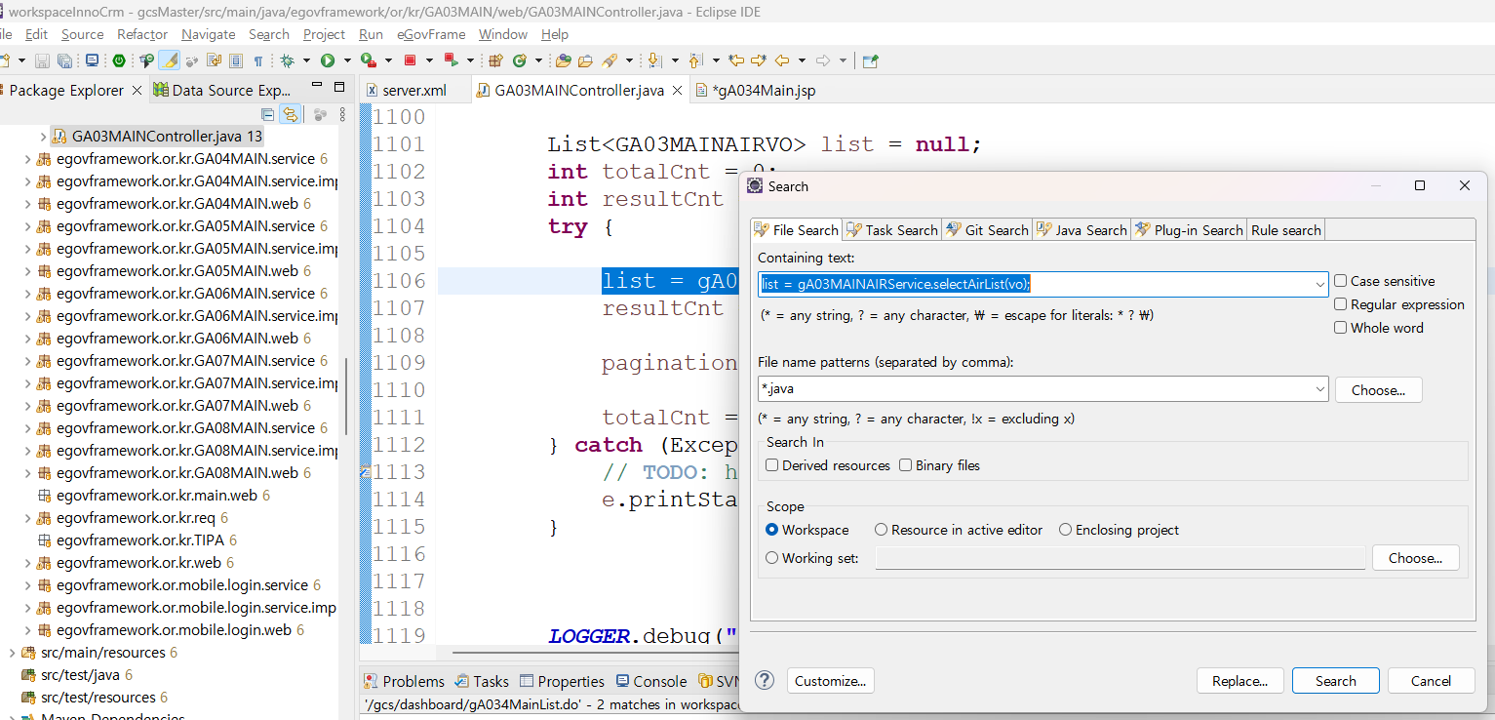
* LIST page
url | /gcs/dashboard/gA034Main.do |  | page | list
div | path | fileName | line | etc
Controller | /or/kr/GA03MAIN/web/ | GA03MAINController.java | 531 |  | search >> file
jsp | /jsp/main/GCSMAIN3/ | gA034Main.jsp | 183 | initList(); /gcs/dashboard/gA034MainList.do | CTRL+SHIFT+R
/gcs/dashboard/gA034MainList.do
Controller | /or/kr/GA03MAIN/web/ | GA03MAINController.java | 1070 | list = gA03MAINAIRService.selectAirList(vo); | CTRL+ MOUSE LEFT CLICK
Service | /or/kr/GA03MAIN/service/ | GA03MAINAIRService.java | 23 | public List<GA03MAINAIRVO> selectAirList(GA03MAINAIRVO vo) throws Exception; | CTRL + MOUSE LEFT CLICK
Impl | /or/kr/GA03MAIN/service/impl/ | GA03MAINAIRServiceImpl.java | 38 | return gA03MAINAIRDAO.selectAirList(vo); | CTRL + MOUSE LEFT CLICK
DAO | /or/kr/GA03MAIN/service/impl/ | GA03MAINAIRDAO.java | 14 | GA03MAINAIR.selectAirList
XML | /sqlmap/sepi/gcs/g03/ | GA03MAINAIR_SQL.xml | 22 | DB CALL

* Write Page
url | /gcs/dashboard/gA034MainWrite.do |  | page | wrtie
div | path | fileName | line | etc
Controller | /or/kr/GA03MAIN/web/ | GA03MAINController.java | 553 | return "main/GCSMAIN3/gA034MainWrite"; ==> jsp | gA034MainWrite ==> Ctrl + R
jsp | /jsp/main/GCSMAIN3/ | gA034MainWrite.jsp | 142 | /gcs/dashboard/gA034MainWriteData.do
/gcs/dashboard/gA034MainWriteData.do
Controller | /or/kr/GA03MAIN/web/ | GA03MAINController.java | 574 | resultMap = gA034MainService.GA034MainDetail(paramMap); | CTRL+ MOUSE LEFT CLICK
Service | /or/kr/GA03MAIN/service/ | GA034MainService.java | 27 | public HashMap<String, Object> GA034MainDetail(HashMap<String, Object> paramMap) | CTRL+ MOUSE LEFT CLICK
Impl | /or/kr/GA03MAIN/service/impl/ | GA034MainImpl.java | 59 | return gA034MAINDAO.GA034MainDetail(paramMap); | CTRL+ MOUSE LEFT CLICK
DAO | /or/kr/GA03MAIN/service/impl/ | GA034MAINDAO.java | 31 | select("GA034MAIN.GA034MainDetail", paramMap)
XML | /sqlmap/sepi/gcs/g03/ | GA034MAIN_SQL.xml | 106 | DB CALL

* Save Event
url | /gcs/dashboard/gA034MainWrite.do |  | page | wrtie
div | path | fileName | line | etc
Controller | /or/kr/GA03MAIN/web/ | GA03MAINController.java | 553 | return "main/GCSMAIN3/gA034MainWrite"; ==> jsp
jsp | /jsp/main/GCSMAIN3/ | gA034MainWrite.jsp | 142 | <span id="dataInsert" class="dataInsert">Registration<span>▷</span></span>
id="dataInsert" |  | save event
/gcs/dashboard/gA034MainWriteInsert.do
Controller | or/kr/GA03MAIN/web/ | GA03MAINController.java | 609 | result = gA034MainService.GA034MainUpdate(paramMap); | CTRL+ MOUSE LEFT CLICK
Service | /or/kr/GA03MAIN/service/ | GA034MainService.java | 25 | public int GA034MainUpdate(HashMap<String, Object> paramMap) throws Exception; | CTRL+ MOUSE LEFT CLICK
Impl | /or/kr/GA03MAIN/service/impl/ | GA034MainImpl.java | 47 | return gA034MAINDAO.GA034MainUpdate(paramMap); | CTRL+ MOUSE LEFT CLICK
DAO | /or/kr/GA03MAIN/service/impl/ | GA034MAINDAO.java | 19 | return (int) update("GA034MAIN.GA034MainUpdate", paramMap); | CTRL + C
XML | /sqlmap/sepi/gcs/g03/ | GA034MAIN_SQL.xml | 43 | DB CALL

Weekly Work
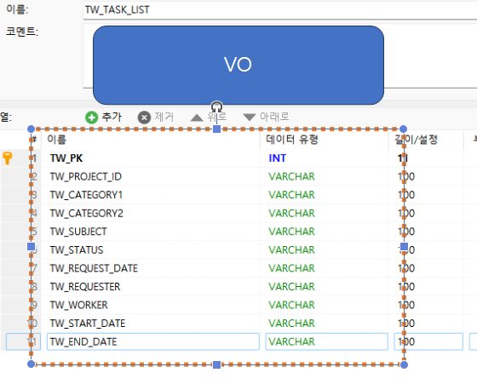
1. VO | TodayWork100VO
* VO | table name | TW_TASK_LIST
이름 | DADATASE | privat / public | type | VO
Number | TW_PK | private | int | twPk
 | TW_PROJECT_ID | private | String | twProjectId
Category 1 | TW_CATEGORY1 | private | String | twCategory1
Category 2 | TW_CATEGORY2 | private | String | twCategory2
Task Content | TW_SUBJECT | private | String | twSubject
 | TW_CONTENT | private | String | twContent
Progress Status | TW_STATUS | private | String | twStatus
Request Date | TW_REQUEST_DATE | private | String | twRequestDate
Requester | TW_REQUESTER | private | String | twRequester
Worker | TW_WORKER | private | String | twWorker
Start Date | TW_START_DATE | private | String | twStartDate
End Date | TW_END_DATE | private | String | twEndDate

2. Service | TodayWork100Service
Group id | Controller | Service Code | Description
TD0001 | TodayWork100Controller | TodayWork901List | data list

3. 구조
url | /gcs/TD0001/TodayWork90/gcs/TD0001/TodayWork901.do1.do
div | path | fileName | line | etc
Controller | /java/egovframework/or/kr/TD0001/web/ | TodayWork100Controller.java | 154
JSP | /jsp/main/TD0001/ | TodayWork901.jsp | 168 | /js/gcs/TodayWork901.js var searchList = function() {
/gcs/TD0001/TodayWork901List.do |  |  |  | ajax call
Controller | /java/egovframework/or/kr/TD0001/web/ | TodayWork100Controller.java | 177
Service | /java/egovframework/or/kr/TD0001/service/ | TodayWork100Service.java | 44 | selectTodayWork901List
Impl | /java/egovframework/or/kr/TD0001/service/impl/ | TodayWork100ServiceImpl.java | 80 | todayWork100DAO.selectTodayWork901List(vo)
DAO | /java/egovframework/or/kr/TD0001/service/impl/ | TodayWork100DAO.java | 30 | TD0001.selectTodayWork901List
XML | /sqlmap/sepi/gcs/TD0001/ | TodayWork100_SQL.xml | 79
VO | /or/kr/TD0001/service/ | TodayWork100VO.java | 22

4. Front
분류 | AS | TO BE | 진행결과
URL | /gcs/TD0001/TodayWork901.do | /gcs/TD0001/TodayWork902.do | OK
html | /jsp/main/TD0001/TodayWork901.jsp | /jsp/main/TD0001/TodayWork902.jsp | OK
css - 공통 사용 | /css/gcs/TodayWorkCommon.css
css - 개별 | /css/gcs/TodayWork901.css | /css/gcs/TodayWork902.css | OK
js - 공통 사용 | /js/gcs/TodayCommon.js
js - 개별 | /js/gcs/TodayWork901.js | /js/gcs/TodayWork902.js | OK

