weather
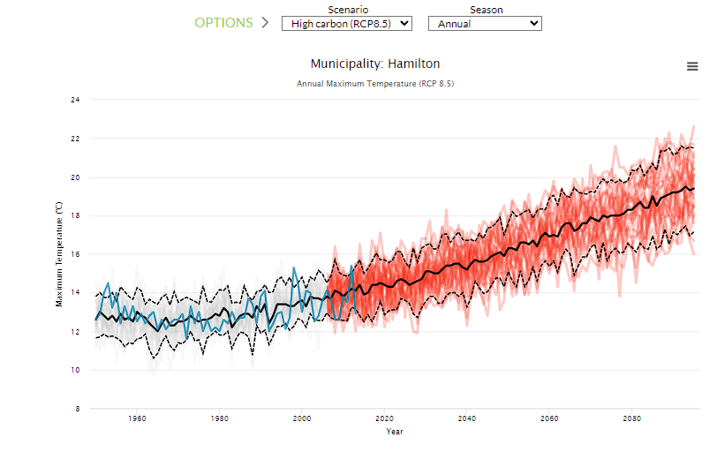
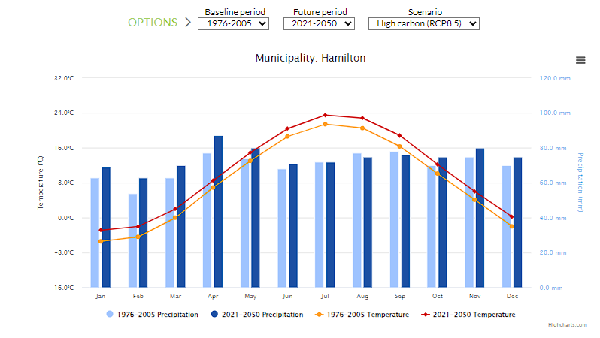
Annual Maximum Temp in Hamilton: |  | Annual Maximum Temp in Hamilton:
Source | https://climateatlas.ca/data/city/451/annual_maxtemp_null_85/line | Precipitation and Temperature | https://climateatlas.ca/data/city/451/plus30_2030_85/climo

