Descripción Datos
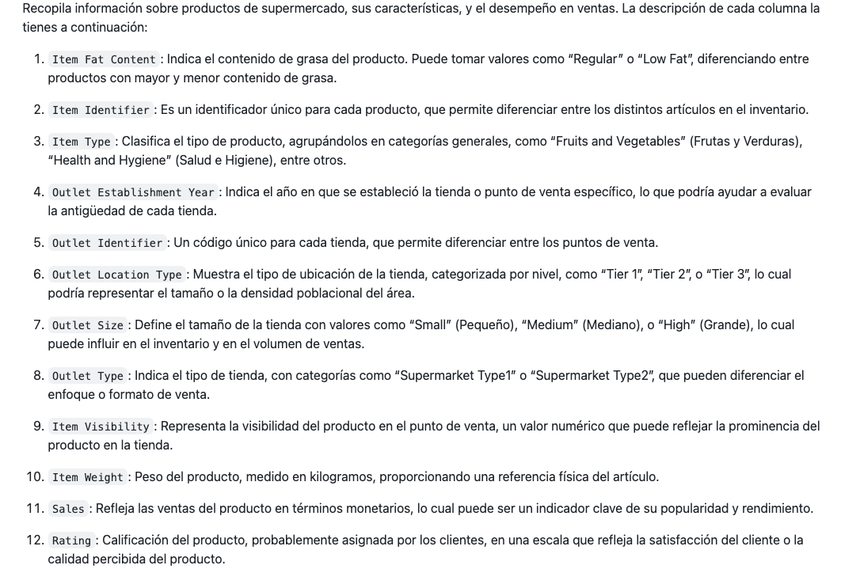

 | todo en general | bueno mayoritariamente y regular, hay poco de muy bueno y poco de malo y muy malo
 |  | en general no esta mal
 | no se ven diferencias ni por las variables por separado, ni por las variables en conjunto (por un lado las que identifican a los productos y por otro lado las que identifican a las tiendas)
 | solo hay como un producto que sique esta al 100% valorado como muy bien

 | mercadona sanagus |  | pueblo grande | grande
1 | manzana | poca grasa | 100 gr | mucha visibilidad | 5
2 | cremas | mucha grasa | 1 kg | poco | 2

 | dia santo domingo |  | pueblo pequeño | mediano
1 | manzana | poca grasa | 100 gr | medio | 3
2 | cremas | mucha grasa | 1 kg | mucha | 4

 | la idea es, se pretende abrir un establecimiento nuevo porque estos parece que estan yendo bien pero se pretende abrir algo mas concreto, es decir vendiendo menos tipos de productos y garantizando con estos datos que los productos que pongan a la venta se van a vender bien ya que son los mejores valorados y ademas que se vaya a abrir en una zona y con un establecimiento con caracteristicas que tambien sea bien valorado. un poco a partir de la experiencia fijarnos en que es lo que mejor se vende y donde y abrir uno mas concreto y estudiado para que salga bien e intentar superar a estos
 | se va a intentar buscar a traves de los datos las mejores combinaciones posibles

mismos productos en diferentes tiendas, va a variar como esten los productos colocados y como sea y donde este la tienda
la puntuacion que se le da al producto obviamente dependera del estado del producto etc (puede depender del tamaño de la tienda, la ubicación etc etc)

como no hay productos especificos o tiendas con caracteristicas especificas que esten super bien valoradas frente a otras que menos, es decir como todo tanto de productos como de locales esta mas o menos igual no hay mucha distincion lo que vamos a hacer es recopilar aquellas categorias de productos cuyas ventas tanto en cantidad como en monetario estan siendo mayores (es decir sabemos que se venden bien) y dentro de ellas lo que vamos a hacer es tratar de buscar aquellas caracteristicas dentro de cada tipo de producto especifica que es la que mejor valorada esta para tratar de llegar a la mejor situacion posible con los mejores productos especificos posibles. junto a esto, vamos a tratar de analizar que caracteristicas en cuanto a tiendas tienen asociadas esas mejores valoraciones ya que nos interesa tambien que el tipo de establecimiento que abramos sea el mejor posible.
en este analisis ya no vamos a trabajar con la variable de outlet establishment year pero esta nos ha servido para cerciorarnos de que las tiendas mas recientes tambien tienen buenas valoraciones y si que es buena idea abrir una nueva

