Descripción Datos
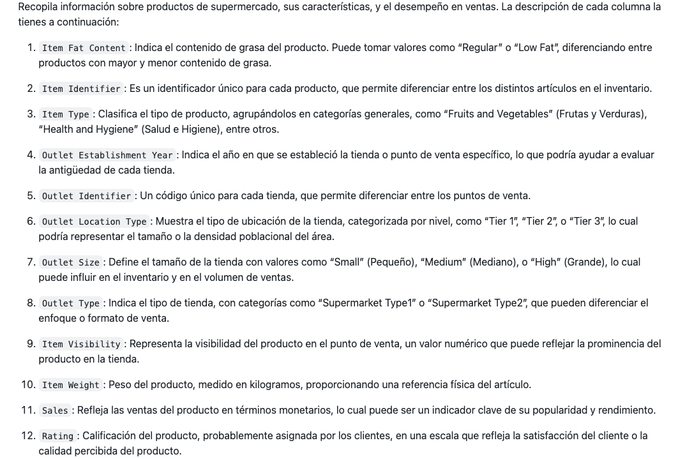
 | tambien, comentar que realmente las ventas no se en que periodo han sido pero he considerado el ultimo de cada tienda y tambien que estaria muy bien conocer los costes y precios de los productos

 | la idea es, se pretende abrir un establecimiento nuevo porque estos parece que estan yendo bien pero se pretende abrir algo mas concreto, es decir vendiendo menos tipos de productos y garantizando con estos datos que los productos que pongan a la venta se van a vender bien ya que son los mejores valorados y ademas que se vaya a abrir en una zona y con un establecimiento con caracteristicas que tambien sea bien valorado. un poco a partir de la experiencia fijarnos en que es lo que mejor se vende y donde y abrir uno mas concreto y estudiado para que salga bien e intentar superar a estos
 | se va a intentar buscar a traves de los datos las mejores combinaciones posibles

mismos productos en diferentes tiendas, va a variar como esten los productos colocados y como sea y donde este la tienda
la puntuacion que se le da al producto obviamente dependera del estado del producto etc (puede depender del tamaño de la tienda, la ubicación etc etc)

como no hay productos especificos o tiendas con caracteristicas especificas que esten super bien valoradas frente a otras que menos, es decir como todo tanto de productos como de locales esta mas o menos igual no hay mucha distincion lo que vamos a hacer es recopilar aquellas categorias de productos cuyas ventas tanto en cantidad como en monetario estan siendo mayores (es decir sabemos que se venden bien) y dentro de ellas lo que vamos a hacer es tratar de buscar aquellas caracteristicas dentro de cada tipo de producto especifica que es la que mejor valorada esta para tratar de llegar a la mejor situacion posible con los mejores productos especificos posibles. junto a esto, vamos a tratar de analizar que caracteristicas en cuanto a tiendas tienen asociadas esas mejores valoraciones ya que nos interesa tambien que el tipo de establecimiento que abramos sea el mejor posible.
en este analisis ya no vamos a trabajar con la variable de outlet establishment year pero esta nos ha servido para cerciorarnos de que las tiendas mas recientes tambien tienen buenas valoraciones y si que es buena idea abrir una nueva

Resultados
Para comenzar, cabe mencionar que la idea de abrir una tienda nueva parece una buena opción ya que estudiando por años de apertura, el % de valoración es igual de bueno para las antiguas como para las nuevas lo que indica que los clientes no hacen mucha distinción entre si las tiendas son más antiguas o no. Aceptan igual de bien ambas. No parece que los clientes queden fidelizados a las más antiguas y no vayan a las nuevas, por lo tanto, parece que abrir una tienda nueva va a tener buen impacto igualmente. Además, para asegurar esta idea lo que voy a observar es si las ventas en términos monetarios que han tenido en el último periodo las tiendas más antiguas y las tiendas más recientes es similar o no. Parece que con excepción a las tienda con apertura en el 2011 (podría ocurrir esto por diversas razones, por ejemplo que esa tienda que es la más antigua se haya quedado algo obsoleta en el formato de la tienda), el resto mantienen un nivel de ventas super similar a las que han abierto más recientemente, por lo que se confirma que abrir una tienda nueva es una buena opción. Las tiendas cuyo año de apertura es de 2018 parece que tienen ventas mayores pero porque es del único año del que disonemos de dos tiendas con lo que se obtiene el porcentaje de ambas, que por separado una obtiene el 6,14 % (algo bajas, esto puede ser coincidencia de que a esta tienda concreta el último periodo no le haya ido tan bien) y la otra el 10,88% que sigue más el transcurso del resto.

Etiquetas de fila | Suma de Sales |  | Etiquetas de fila | Suma de Sales
2011 | 6.50% |  | OUT010 | 6.50%
2012 | 10.86% |  | OUT013 | 10.97%
2014 | 10.97% |  | OUT017 | 10.74%
2015 | 10.90% |  | OUT018 | 10.94%
2016 | 10.99% |  | OUT019 | 6.14%
2017 | 11.08% |  | OUT027 | 10.88%
2018 | 17.02% |  | OUT035 | 11.08%
2020 | 10.74% |  | OUT045 | 10.90%
2022 | 10.94% |  | OUT046 | 10.99%
Total general | 100.00% |  | OUT049 | 10.86%
 |  |  | Total general | 100.00%
Como en un principio se observa que en relación con todas las variables todo está valorado bastante bien, rondando el 70% de valoraciones buenas, lo primero que hago es identificar que tipo de productos son los que más se venden en general en todas las tiendas, es decir, con cuales se recauda más y a continuación, sobre ellos buscar su mejor versión. La nueva tienda va a centrar sus esfuerzos en los 7 tipos de productos que más impacto tienen en la recaudación general (Fruits and Vegetables, Snack Foods, Household, Frozen Foods, Dairy, Baking Goods y Canned en último lugar). De esta forma también se cosnigue reducir costes pues se están dejando de vender aquellos productos cuya recaudación es bastante más pequeña y que por tanto quizás generen más costes por igualmente tener que mantenerlos, que beneficios.

Etiquetas de fila | Suma de Sales
Baking Goods | 6.81%
Breads | 2.94%
Breakfast | 1.30%
Canned | 7.55%
Dairy | 8.43%
Frozen Foods | 9.87%
Fruits and Vegetables | 14.82%
Hard Drinks | 2.44%
Health and Hygiene | 5.66%
Household | 11.32%
Meat | 4.95%
Others | 1.87%
Seafood | 0.76%
Snack Foods | 14.60%
Soft Drinks | 4.87%
Starchy Foods | 1.82%
Total general | 100.00%

Lo primero que hago es para cada tipo de producto observar con qué combinaciones de características (contenido de grasa, peso del producto y visibilidad) se logra la mayor valoración posible. De esta forma, se observa que las valoraciones concretas a las que se puede alcanzar con la combinación ideal de las características de los productos es bastante superior a la que se observaba de forma más general.

Cuenta de Item Identifier | Etiquetas de columna
Etiquetas de fila | Bueno | Excelente | Malo | Muy Malo | Regular | Total general
Baking Goods | 71.91% | 4.78% | 2.93% | 1.54% | 18.83% | 100.00%
Canned | 71.80% | 6.01% | 2.77% | 1.39% | 18.03% | 100.00%
Dairy | 73.46% | 3.37% | 3.52% | 0.73% | 18.91% | 100.00%
Frozen Foods | 72.90% | 5.72% | 3.39% | 1.75% | 16.24% | 100.00%
Fruits and Vegetables | 70.94% | 4.71% | 3.33% | 1.79% | 19.24% | 100.00%
Household | 70.88% | 6.15% | 2.64% | 1.32% | 19.01% | 100.00%
Snack Foods | 70.33% | 4.50% | 3.25% | 1.92% | 20.00% | 100.00%
Total general | 71.56% | 5.02% | 3.14% | 1.55% | 18.73% | 100.00%

Type of Product | Fat Content | Weight | Visibility | Max. Rating
BAKING GOODS | low fat | peso alto | mayor visibilidad | bueno 100%
CANNED | low fat | peso alto | poca visibilidad | bueno 100%
DAIRY | regular | poco peso | visibilidad media | bueno 87,10%
FROZEN FOODS | regular | poco peso | mayor visibilidad | bueno 100%
FRUITS AND VEGETABLES | regular | poco peso | poca visibilidad | bueno 85,71%
HOUSEHOLD | low fat | peso alto | visibilidad media | bueno 74,58%
SNACK FOODS | regular | peso alto | mayor visibilidad | bueno 83,33%

Una vez ya dispongo de los productos concretos que debería tener en mi tienda y con que visibilidad para a la hora de posicionarlos hacerlo ya estratégicamente, lo siguiente es encontrar la combinación de características (el tipo de tienda, la localización y el tamaño) de las tiendas con la que se logra de nuevo la mayor valoración posible. Aparte de conocer los prductos concretos mejor valorados, es importante también conocer en qué establecimiento concreto las valoraciones de los productos son más positivas.

Cuenta de Item Identifier | Etiquetas de columna
Etiquetas de fila | Bueno | Excelente | Malo | Muy Malo | Regular | Total general
Tier 1 | 73.86% | 4.36% | 3.22% | 0.95% | 17.61% | 100.00%
Tier 3 | 80.70% | 1.75% | 1.75% | 1.75% | 14.04% | 100.00%
Total general | 74.53% | 4.10% | 3.08% | 1.03% | 17.26% | 100.00%

El resultado de la tienda ideal sería: Aquella con un tamaño pequeño, de tipo 4 y la ubicación de la tienda de tipo "Tier 3". Se logra una valoración "Bueno" del 80,70%

