Session 1 - todos
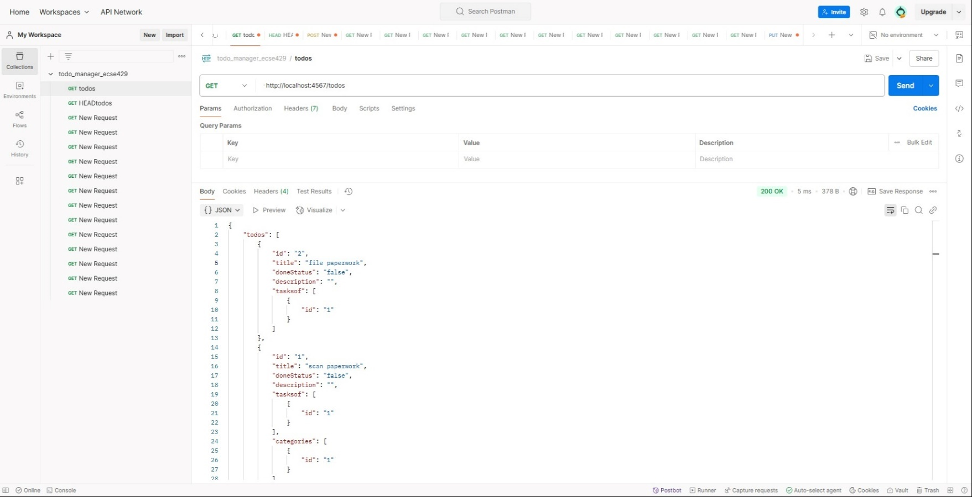
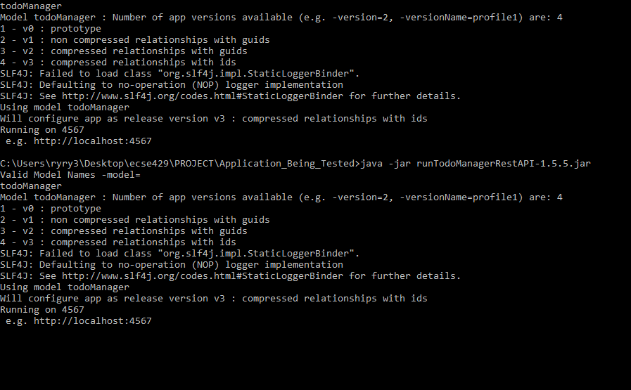
Test Charter |  | Identify capabilities and areas of potential instability of the “rest api todo list manager”. Identify documented and undocumented “rest api todo list manager” capabilities. For each capability create a script or small program to demonstrate the capability. Exercise each capability identified with data typical to the intended use of the application.
Date |  | February 16th, 2025 | postman sc: |  |  |  |  |  | localhost sc:
Time Alloted |  | 45 Minutes
Objective |  | Explore core capabilites and CRUD features of todoListManager
Environment |  | Windows 10 Home Version 22H2 Google Chrome - Version 131.0.6778.267 Postman - 11.32.5-250213-2335 Pycharm IDE - Python 3.11
Scope |  | Features to be tested: GET, HEAD, POST, PUT, and DELETE for all API's in the todos section.

Tester |  | Ryan McGregor - 260868511 - ryan.mcgregor@mail.mcgill.ca
Start Time |  | 14:02:00
End Time |  | 2:47:00

 |  |  |  | Time Stamp | Method | Method Type | Is Documented? | Input data |  | Expected Behaviour | Actual Behaviour | Notes
 | Summary: - Successfully launched REST API : see localhost screenshot - All tested methods functioned correctly excpet for OPTIONS, which was allowed as a method without proper documenation - The GET, HEAD, POST, PUT, and DELETE methods were tested successfully on the todos API. - API calls were executed using Postman. See postman screen shot for example execution. - The API supports both JSON and XML output formats, but I only explored this session with json in mind. Will make sure to include XML tests in test suite. - PUT and POST behave similarly when updating an existing todo item, though further testing is needed to determine differences. Documentation could use some more info about their differences. |  |  | 2:02:00 | /todos | GET | YES |  |  | return all the instances of todo | Expected Behaviour: returned { "todos": [ { "id": "2", "title": "file paperwork", "doneStatus": "false", "description": "", "tasksof": [ { "id": "1" } ] }, { "id": "1", "title": "scan paperwork", "doneStatus": "false", "description": "", "tasksof": [ { "id": "1" } ], "categories": [ { "id": "1" } ] } ] } | status-code = 200

 | List of Concerns: - |  |  | 2:04:00 | /todos | HEAD | YES |  |  | return all headers for all the instances of todo | Expected Behaviour | Status code =200 // API Documentation is not super clear on what is the header for each todo element, after running this test we see it is the ID #
 | Deleting tasks, categories, or projects lacks confirmation, leading to possible duplicate requests.
 | POST and PUT for /todos/:id have the same description but function differently. |  |  | 2:06:00 | /todos | POST | YES | {"title": "test full payload", "doneStatus": False, "description": "test description" } |  | we should be able to create todo without a ID using the field values in the body of the message | Expected Behaviour: returned { "id": "6", "title": "test full payload", "doneStatus": "false", "description": "test description" } | status-code = 201
 | The todo list data is not retained after sessions, making it impractical for long-term task management.
 | IDs are not restricted to numerical values, which may introduce inconsistencies. Ex: NULL

 | New Testing Ideas:
 | Handling multiple inputs in a single request (e.g., batch updates) |  |  | 2:08:00 | /todos | POST | NO | {"description": "test desc"} |  | Missing mandatory title field, should not work | Expected Behaviour: returned { "errorMessages": [ "title : field is mandatory" ] } | status-code = 400. informative error message
 | Testing incorrect input types (e.g., providing a string instead of a boolean for doneStatus)
 | Checking input length constraints for title and description.
 | Perform tests using XML and not JSON (to be done in test suite using pytest)

 | Decisions Made: During this timeboxed session, I focused on testing every single documented API in the /todo section. I even tested some of the undocumented methods. This was done instead of focusing my time on specific API methods and testing them intensly with edge cases and different input formats. This could be done in another session.
 |  |  |  | 2:10:00 | /todos | GET | YES |  |  | return all the instances of todo including the ones created previously | Expected behavious: returned { "todos": [ { "id": "2", "title": "file paperwork", "doneStatus": "false", "description": "", "tasksof": [ { "id": "1" } ] }, { "id": "5", "title": "test full payload", "doneStatus": "false", "description": "test description4" }, { "id": "6", "title": "test full payload", "doneStatus": "false", "description": "test description" }, { "id": "1", "title": "scan paperwork", "doneStatus": "false", "description": "", "tasksof": [ { "id": "1" } ], "categories": [ { "id": "1" } ] } ] } | status-code = 200, new todo added.
 |  |  |  | 2:12:00 | /todos | PUT/DELETE/PATCH | NO |  |  | should not be allowed | Expected: method not allowed | status-code = 405

 |  |  |  | 2:14:00 | /todos | OPTIONS | NO |  |  | SHOULD not be allowed | NOT EXPECTED: was allowed | status-code = 200

 |  |  |  | 2:16:00 | /todos/id | DELETE | YES | id = 1 |  | Delete the instance with id = 1 | Expected Behaviour: todo id =1 was deleted | status-code = 200

 |  |  |  | 2:18:00 | /todos/id | GET | YES | id = 1 |  | return instance of todo with id 1 | Expected Behaviour: returned { "todos": [ { "id": "1", "title": "scan paperwork", "doneStatus": "false", "description": "", "tasksof": [ { "id": "1" } ], "categories": [ { "id": "1" } ] } ] } | status-code = 200

 |  |  |  | 2:20:00 | /todos/id | PUT | YES | id =1, { "title": "new title test 12", "doneStatus": False, "description": "new desc 12" } |  | amend a specific instances of todo using a id with a body containing the fields to amend | Expected Behaviour: returned { "id": "1", "title": "new title test 12", "doneStatus": "false", "description": "new desc 12" } | status-code = 200

 |  |  |  | 2:22:00 | /todos/id | POST | YES | id =1, { "title": "new title test 12", "doneStatus": True, "description": "new desc 12" } |  | amend a specific instances of todo using a id with a body containing the fields to amend | Expected Behaviour: returned { "id": "1", "title": "new title test 12", "doneStatus": "false", "description": "new desc 12" } | status-code = 200 // put and post behave identically with this test case

 |  |  |  | 2:24:00 | /todos/:id | POST | YES | id = 9999, { "title": "new title test 12", "doneStatus": True, "description": "new desc 12" } |  | should return an error as ID does not exist | Expected: returned { "errorMessages": [ "No such todo entity instance with GUID or ID 9999 found" ] } | status-code = 404, nice error message

 |  |  |  | 2:26:00 | /todos/:id | HEAD | YES | id = 1 |  | headers for a specific instances of todo using a id | expected | status-code =200

 |  |  |  | 2:28:00 | /todos/:id | PATCH | NO | id = 1 |  | should not be allowed | expected | status-code = 405: method not allowed

 |  |  |  | 2:30:00 | /todos/:id | OPTIONS | YES | id=1 |  | should not be allowed | NOT EXPECTED: was allowed | status code = 200

 |  |  |  | 2:32:00 | /todos/:id/tasksof | GET | YES | id =1 |  | return all the project items related to todo, with given id, by the relationship named tasksof | expected: returned { "projects": [ { "id": "1", "title": "Office Work", "completed": "false", "active": "false", "description": "", "tasks": [ { "id": "2" }, { "id": "1" } ] } ] } | status-code = 200

 |  |  |  | 2:33:00 | /todos/:id/tasksof | HEAD | YES | id =1 |  | headers for the project items related to todo, with given id, by the relationship named tasksof | expected | status-code = 200

 |  |  |  | 2:34:00 | /todos/:id/tasksof | POST | YES | id = 1 |  | create an instance of a relationship named tasksof between todo instance :id and the project instance represented by the id in the body of the message | expected: returned { "id": "2", "title": "Class Work", "completed": "false", "active": "false", "description": "", "tasks": [ { "id": "1" } ] } | status-code = 201

 |  |  |  | 2:35:00 | /todos/:id/tasksof/:id | DELETE | YES | id = 1-1 |  | delete the instance of the relationship named tasksof between todo and project using the :id | expected | status-code =200

 |  |  |  | 2:37:00 | /todos/:id/tasksof/:id | GET | NO | id = 1 -1 |  | should not be allowed | expected | status-code = 404: not found, wrong error?

 |  |  |  | 2:39:00 | /todos/:id/categories | GET | YES | id = 1 |  | return all the category items related to todo, with given id, by the relationship named categories | expected: returned { "categories": [ { "id": "1", "title": "Office", "description": "" } ] } | status-code = 200

 |  |  |  | 2:41:00 | /todos/:id/categories | HEAD | YES | id= 1 |  | headers for the category items related to todo, with given id, by the relationship named categories | expected | status-code = 200

 |  |  |  | 2:43:00 | /todos/:id/categories | POST | YES | id =1, { 'title':'Work' } |  | create an instance of a relationship named categories between todo instance :id and the category instance represented by the id in the body of the message | expected: returned { "id": "3", "title": "Work", "description": "" } | status-code = 201

 |  |  |  | 2:45:00 | /todos/:id/categories/:id | DELETE | YES | id =3 |  | delete the instance of the relationship named categories between todo and category using the :id | expected | status-code = 200

 |  |  |  | 2:47:00 | /todos/:id/categories/:id | HEAD | NO | id =1 |  | no supported | expected | status-code = 404, not found

Session 2 - projects
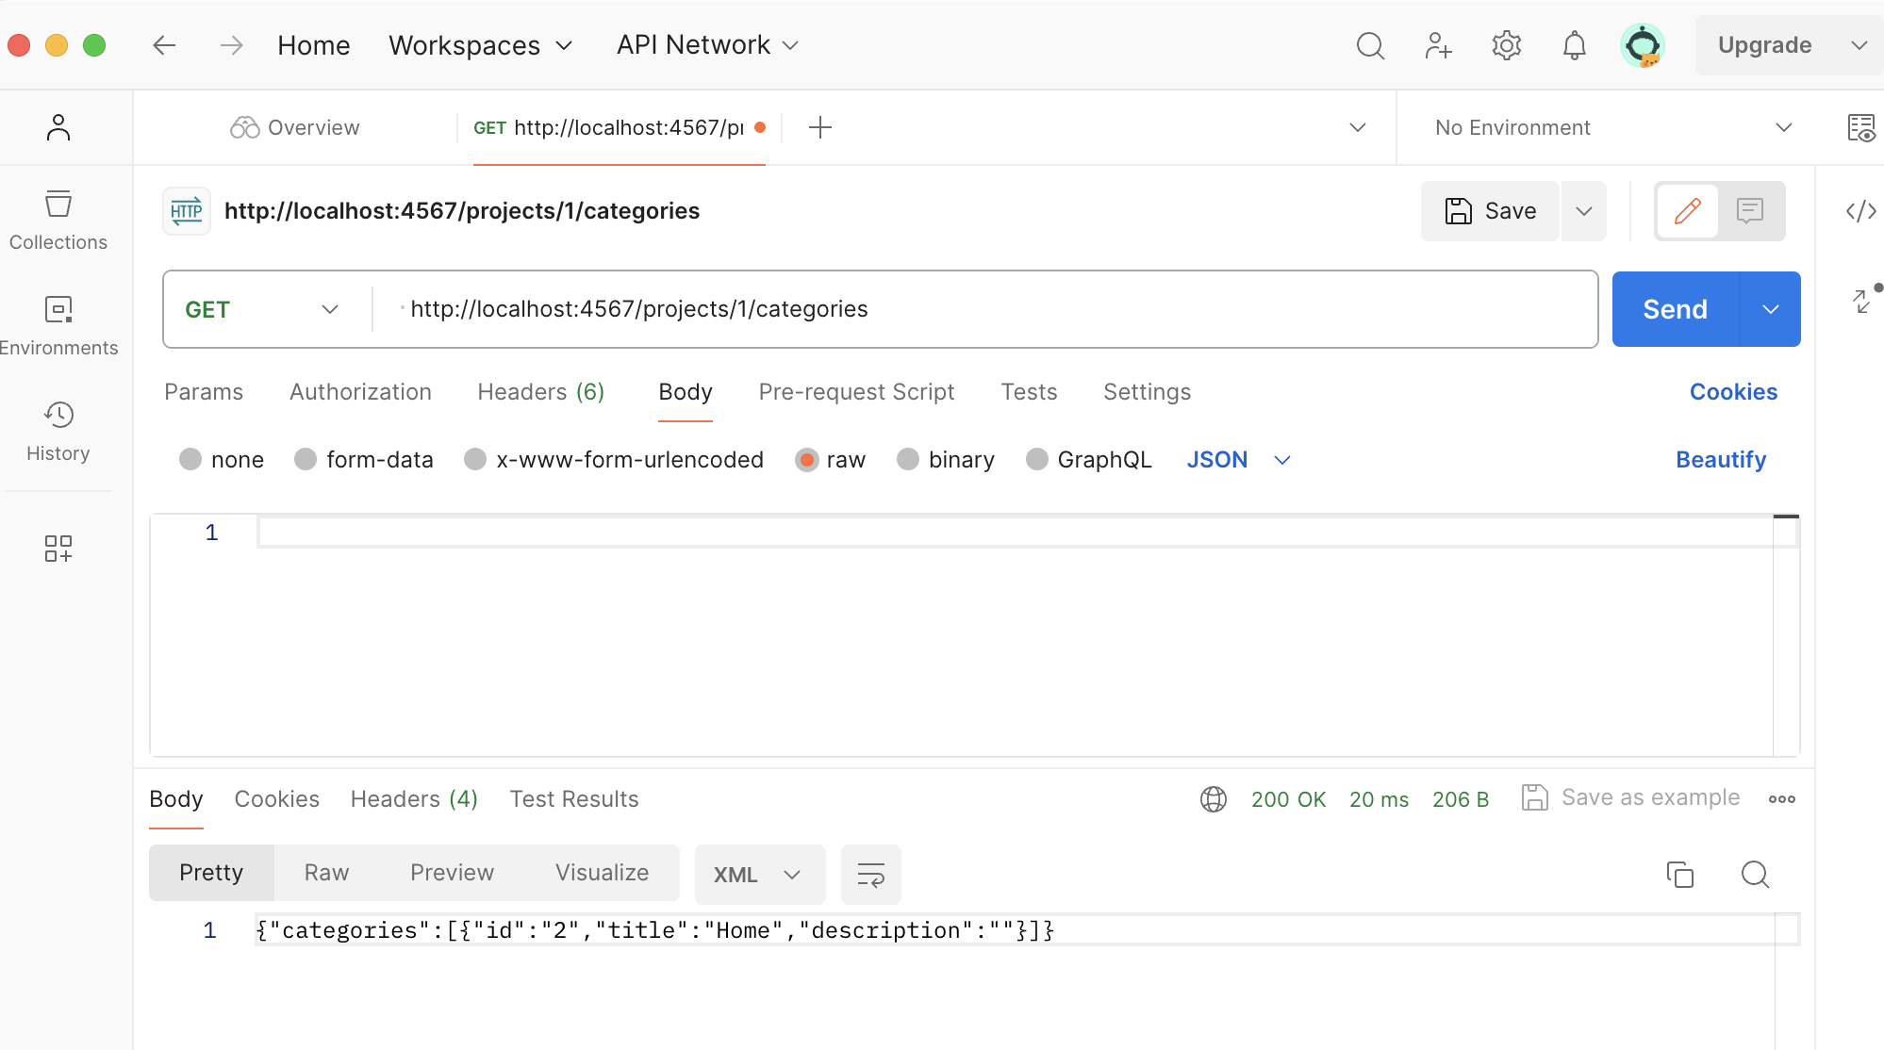
Test Charter |  | Identify capabilities and areas of potential instability of the “rest api todo list manager”. Identify documented and undocumented “rest api todo list manager” capabilities. For each capability create a script or small program to demonstrate the capability. Exercise each capability identified with data typical to the intended use of the application.
Date |  | February 18th, 2025
Time Alloted |  | 45 Minutes
Objective |  | Explore core capabilites and CRUD features of todoListManager
Environment |  | OS: macOs Sonata 14.6.1 Device: MacBook Air M2
Scope |  | Features to be tested: GET, HEAD, POST, PUT, and DELETE for all API's in the projects section using JSON.

Tester |  | Emmy Song - 261049871 - emmy.song@mail.mcgill.ca
Start Time |  | 12:15:00
End Time |  | 13:00 PM

 |  |  | Time Stamp | Method | Method Type | Is Documented? | Input data | Expected Behaviour | Actual Behaviour | Notes
 | Summary of session findings: - Successfully launched REST API : see localhost screenshot - The GET, HEAD, POST, PUT, and DELETE methods were tested successfully on the projects API. - API calls were executed using Postman. See postman screen shot for example execution. - The API supports both JSON and XML output formats (see screenshots), but only JSON was explored this session - PUT and POST behave similarly when updating an existing projects item, though further testing is needed to determine differences. Documentation could use some more info about their differences. |  | 12:15:00 | /projects | GET | yes | none | return all instances of project | { "projects": [ { "id": "1", "title": "Office Work", "completed": "false", "active": "false", "description": "", "tasks": [ { "id": "2" }, { "id": "1" } ] } ] } | status code: 200 OK

 | Summary of Concerns: - Deleting tasks, categories, or projects lacks confirmation, leading to possible duplicate requests. - POST and PUT for /projects/:id have the same description but function differently. - The todo list data is not retained after sessions, making it impractical for long-term task management. |  | 12:20:00 | /projects | HEAD | yes | none | return headers for all the instances of project | expected | status code: 200 OK

 |  |  | 12:22:00 | /projects | POST | yes | { "title": "Test Project", "completed": False, "active": True, "description": "This is a test project" } | create project without an ID using the field values in the body of the message | { "id": "2", "title": "Test Project", "completed": "false", "active": "true", "description": "This is a test project" } | status code: 201 Created

 | New Testing Ideas: - Perform tests using XML - Test more undocumented API methods - Testing incorrect input types
 |  |  | 12:25:00 | /projects/:id | GET | yes | project id=1 | return a specific instances of project using a id | { "projects": [ { "id": "1", "title": "Office Work", "completed": "false", "active": "false", "description": "", "tasks": [ { "id": "2" }, { "id": "1" } ] } | status code: 200 OK

 | Decisions Made: All requests sent used JSON. I focused on the documented API methods for projects
 |  |  | 12:27:00 | /projects/:id | HEAD | yes | project id=1 | return headers for a specific instances of project using a id | expected | status code: 200 OK

 |  |  | 12:30:00 | /projects/:id | POST | yes | for project id=1 { "title": "Updated Project Title" } | amend a specific instances of project using a id with a body containing the fields to amend | { "id": "1", "title": "Updated Project Title", "completed": "false", "active": "false", "description": "", "tasks": [ { "id": "2" }, { "id": "1" } ] } | status code: 200 OK

 |  |  | 12:32:00 | /projects/:id | PUT | yes | for project id=1 { "title": "Updated Project", "completed": true, "active": false, "description": "Updated details" } | amend a specific instances of project using a id with a body containing the fields to amend | { "id": "1", "title": "Updated Project", "completed": "true", "active": "false", "description": "Updated details" } | status code: 200 OK
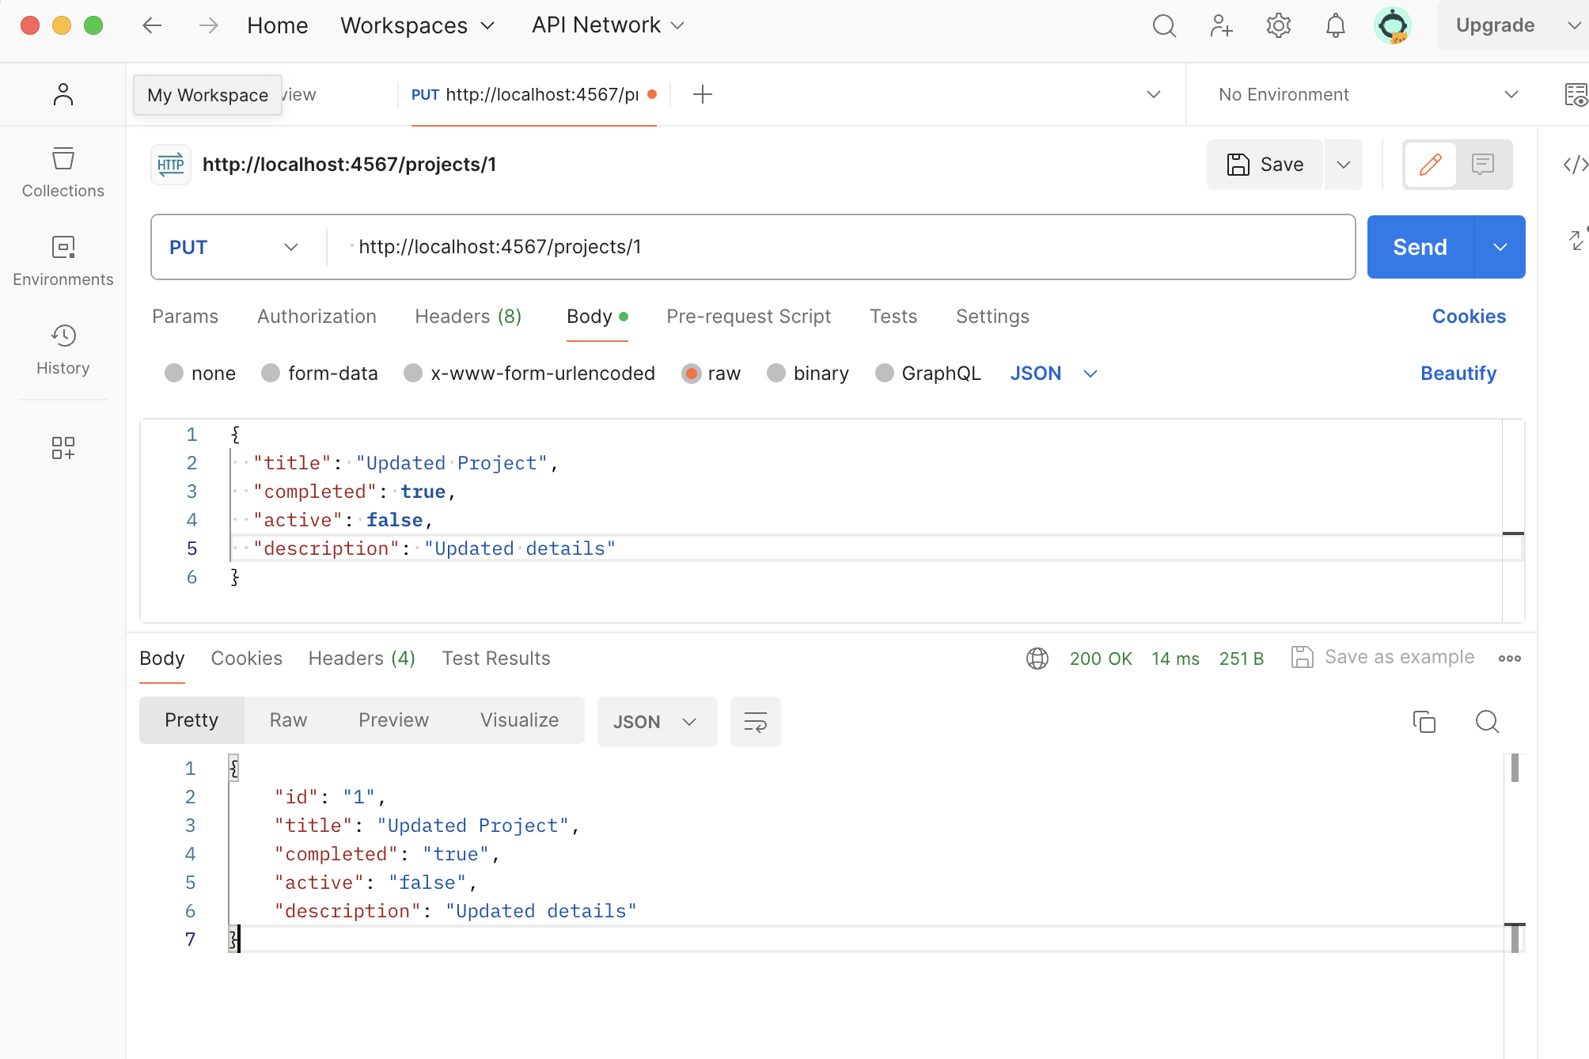
 |  |  | 12:35:00 | /projects/:id | DELETE | yes | project id=2 | delete a specific instances of project using a id | expected | status code: 200 OK

 |  |  | 12:38:00 | /projects/:id | GET | no | non existent project id=101 | error: could not find a specific project | { "errorMessages": [ "Could not find an instance with projects/101" ] } | status code: 404 Not Found

 |  |  | 12:40:00 | /projects/:id/tasks | GET | yes | project id=1 | return all the todo items related to project, with given id, by the relationship named tasks | { "todos": [] } | status code: 200 OK

 |  |  | 12:42:00 | /projects/:id/tasks | HEAD | yes | project id=1 | headers for the todo items related to project, with given id, by the relationship named tasks | expected | status code: 200 OK

 |  |  | 12:44:00 | /projects/:id/tasks | POST | yes | { "id": "1" } | create an instance of a relationship named tasks between project instance :id and the todo instance represented by the id in the body of the message | expected | status code: 201 Created

 |  |  | 12:47:00 | /projectss/:id/tasks | GET | yes | project id=1 | return all todo items related to project id=1, after creating an instance of a relationship to todo id=1 | { "todos": [ { "id": "1", "title": "scan paperwork", "doneStatus": "false", "description": "", "tasksof": [ { "id": "1" } ], "categories": [ { "id": "1" } ] } ] } | status code: 200 OK
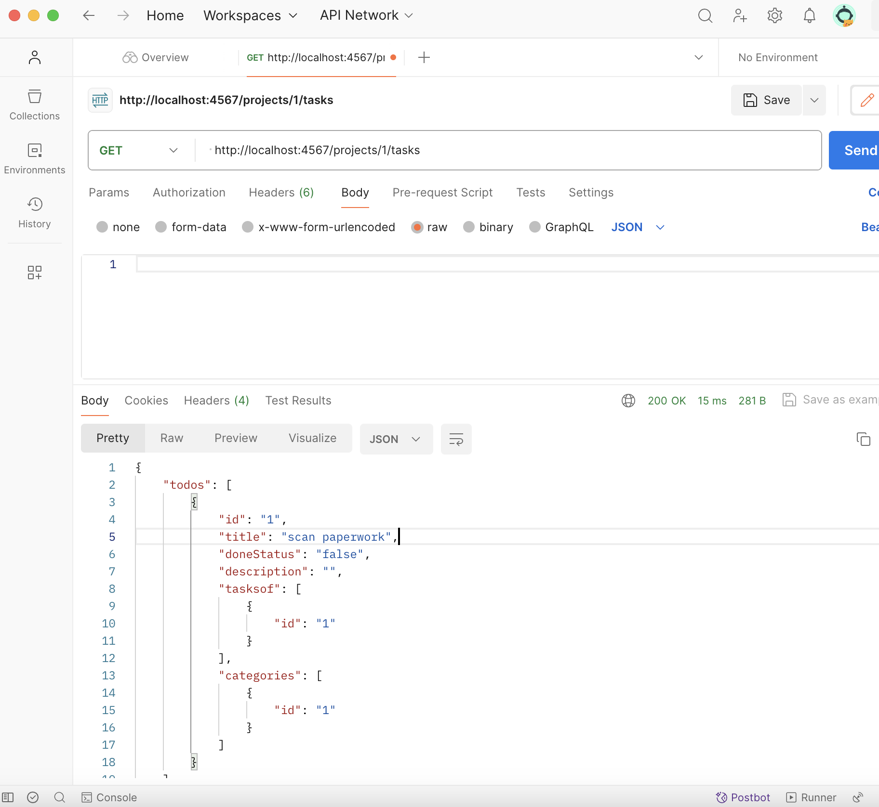
 |  |  | 12:49:00 | /projects/:id/tasks | PUT | no | none | error method not allowed | expected | status code: 405 Method Not Allowed

 |  |  | 12:50:00 | /projectss/:id/tasks/:id | DELETE | yes | todo id=1 | delete the instance of the relationship named tasks between project and todo using the :id | expected | status code: 200 OK

 |  |  | 12:52:00 | /projects/:id/categories | GET | yes | project id=1 | return all the instances of category | { "categories": [] } | status code: 200 OK

 |  |  | 12:55:00 | /projects/:id/categories | HEAD | yes | project id=1 | return headers for all the instances of category | expected | status code: 200 OK

 |  |  | 12:57:00 | /projects/:id/categories | POST | yes | { "id": "2" } | create category without a ID using the field values in the body of the message | expected | status code: 201 Created

 |  |  | 12:59:00 | /projects/:id/categories | GET | yes | project id=1 | return all the instances of category related to project id=1, after creating an instance of a relationship to categories id=2 | { "categories": [ { "id": "2", "title": "Home", "description": "" } ] } | status code: 200 OK

 |  |  | 13:00:00 | /projects/:id/categories/:id | DELETE | yes | category id=2 | delete the instance of the relationship named categories between project and category using the :id | expected | status code: 200 OK

