202207_energy_prices
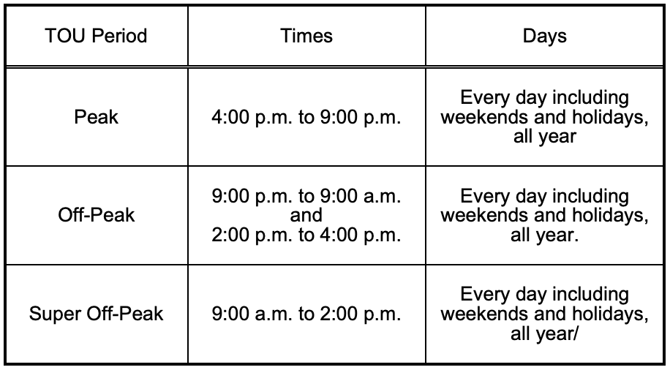
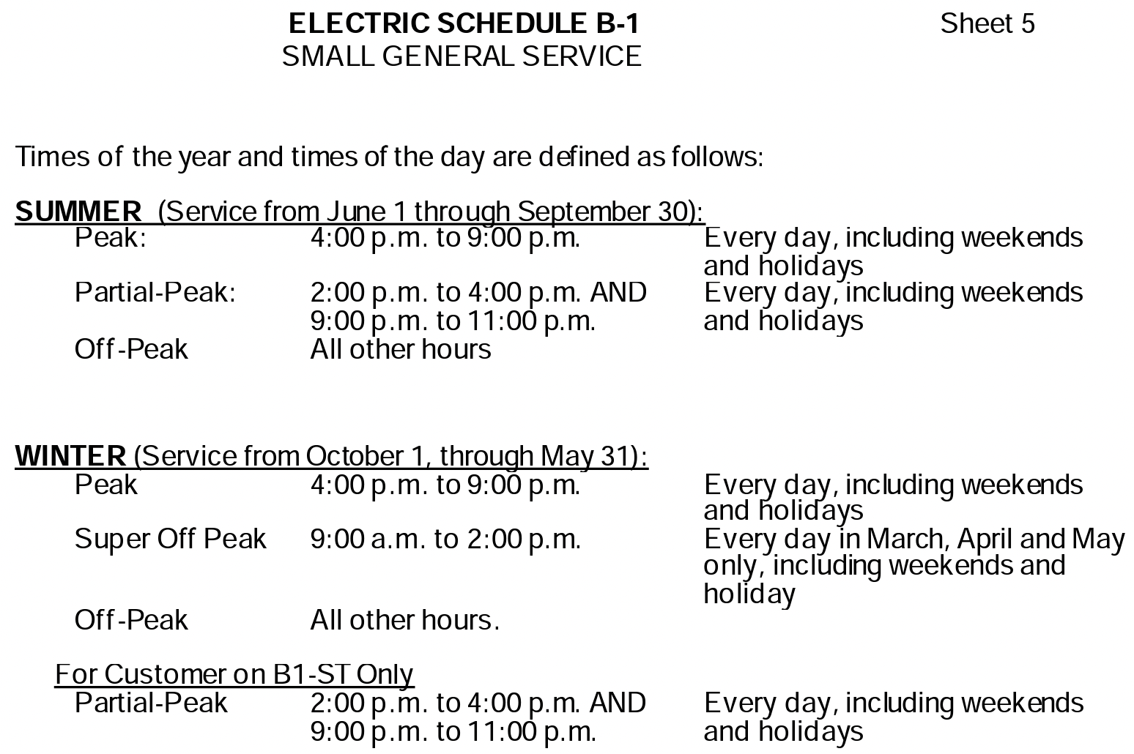
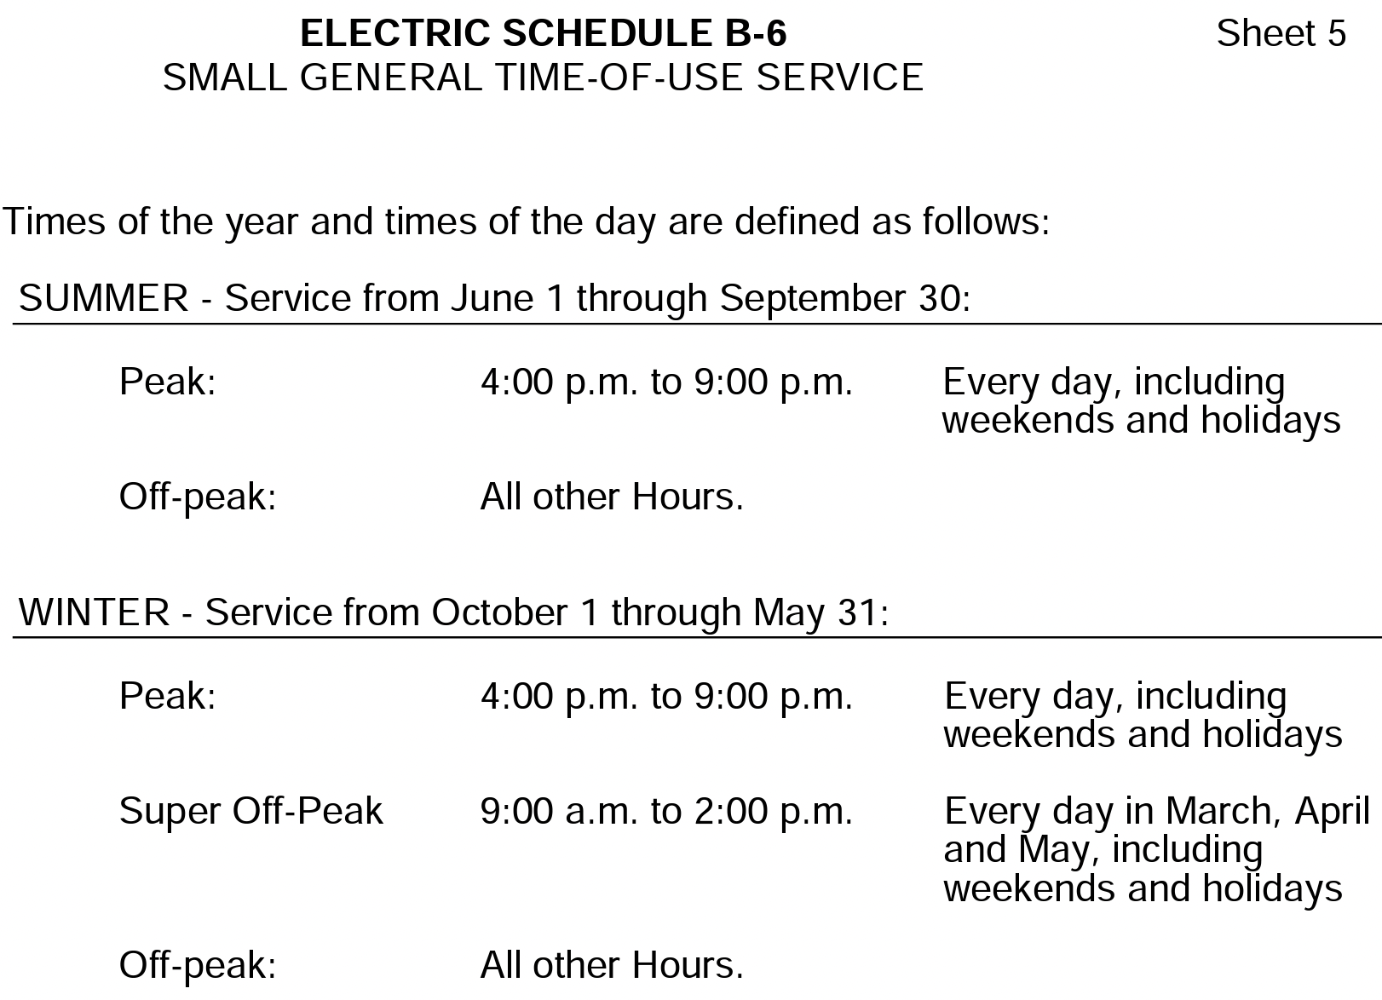
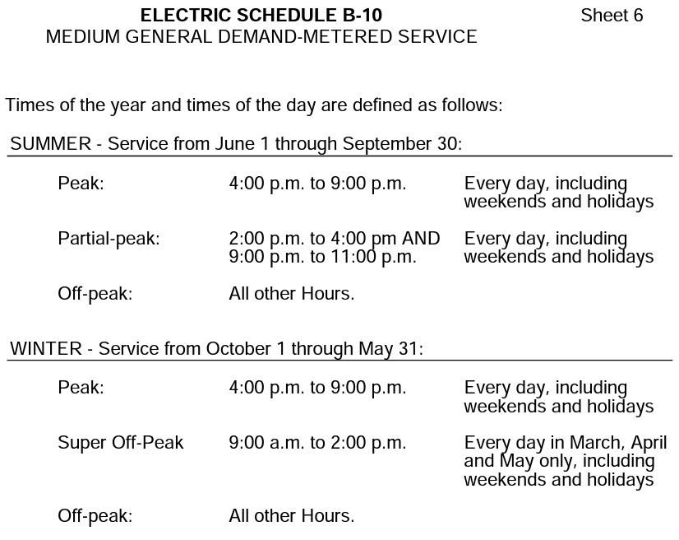
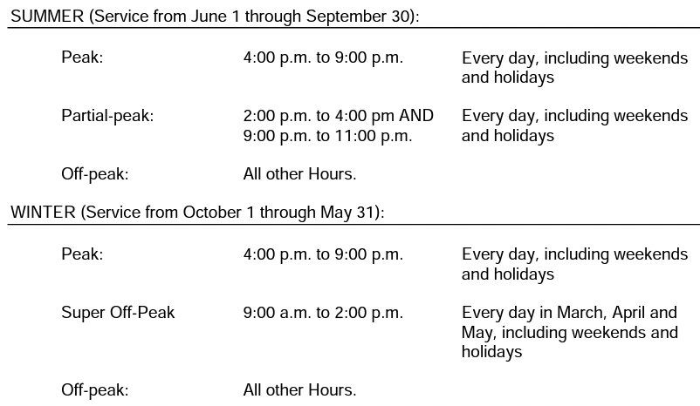
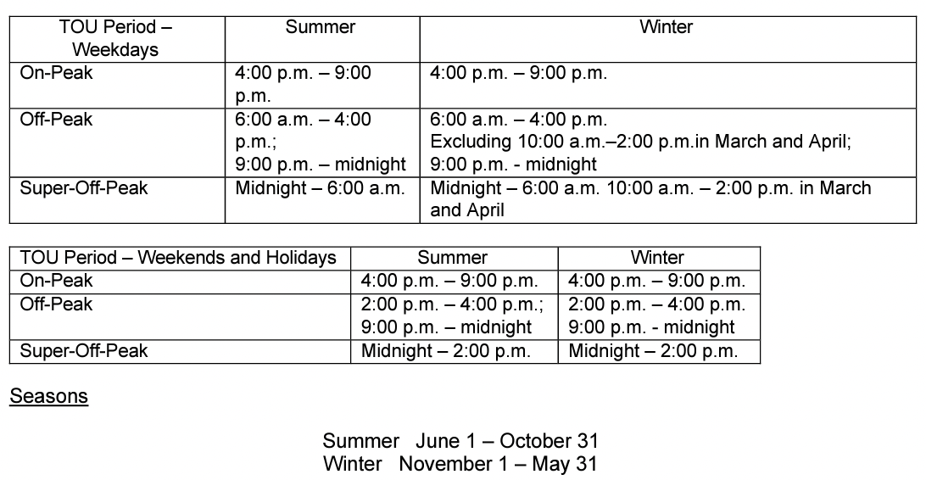
Timestep Size (hrs) | 0.25 |  | Utility | Southern California Edison |  |  |  |  |  |  |  |  |  |  | The summer season shall commence at 12:00 a.m. on June 1 and continue until 12:00 a.m. on October 1 of each year. |  |  |  |  |  |  |  |  |  |  |  |  |  |  |  |  |  |  |  |  |  |  |  |  |  |  |  |  |  |  |  |  |  |  |  |  |  |  |  |  |  |  |  |  |  |  |  |  |  |  |  |  |  |  |  |  |  |  |  |  |  |  |  |  |  |  |  |  |  |  | Utility | Pacific Gas & Electric |  |  |  |  |  |  |  |  |  |  |  |  |  |  |  |  |  |  |  |  |  |  |  |  |  |  |  |  |  |  |  |  |  |  |  |  | Utility | San Diego Gas & Electric
Time Horizon (T) | 96 |  | Tariff Library | https://edisonintl.sharepoint.com/teams/Public/TM2/Shared%20Documents/Forms/AllItems.aspx?id=%2Fteams%2FPublic%2FTM2%2FShared%20Documents%2FPublic%2FRegulatory%2FTariff%2DSCE%20Tariff%20Books%2FElectric%2FSchedules%2FGeneral%20Service%20%26%20Industrial%20Rates&p=true&ga=1 |  |  |  |  |  |  |  |  |  |  | The winter season shall commence at 12:00 a.m. on October 1 and continue until 12:00 a.m. on June 1. |  |  |  |  |  |  |  |  |  |  |  |  |  |  |  |  |  |  |  |  |  |  |  |  |  |  |  |  |  |  |  |  |  |  |  |  |  |  |  |  |  |  |  |  |  |  |  |  |  |  |  |  |  |  |  |  |  |  |  |  |  |  |  |  |  |  |  |  |  |  | Tariff Library | https://www.pge.com/tariffs/index.page |  |  |  |  |  |  |  |  |  |  |  |  |  |  |  |  |  |  |  |  |  |  |  |  |  |  |  |  |  |  |  |  |  |  |  |  | Tariff Library | https://www.sdge.com/rates-and-regulations/current-and-effective-tariffs
Time Horizons per Months | 30.5 |  | Closed to new customers: | EV-3, EV-4, EV-6 |  |  |  |  |  |  |  |  |  |  | EV Rates: For the first five years, commencing March 1, 2019, no Demand Charge shall apply to Customers receiving service under this Schedule. After the five-year introductory period, and commencing on March 1, 2024, Demand Charge shall be phased-in unless otherwise authorized by the Commission. |  |  |  |  |  |  |  |  |  |  |  |  |  |  |  |  |  |  |  |  |  |  |  |  |  |  |  |  |  |  |  |  |  |  |  |  |  |  |  |  |  |  |  |  |  |  |  |  |  |  |  |  |  |  |  |  |  |  |  |  |  |  |  |  |  |  |  |  |  |  | Closed to new customers: | A-1, A-6, A-10, E-19 and E-20 |  |  |  |  |  |  |  |  |  |  |  |  |  |  |  |  |  |  |  |  |  |  |  |  |  |  |  |  |  |  |  |  |  |  |  |  | EECC | https://tariff.sdge.com/tm2/ssi/inc_elec_rates_commodity.html
 |  |  | Ignores CPP charges |  |  |  |  |  |  |  |  |  |  |  |  |  |  |  |  |  |  |  |  |  |  |  |  |  |  |  |  |  |  |  |  |  |  |  |  |  |  |  |  |  |  |  |  |  |  |  |  |  |  |  |  |  |  |  |  |  |  |  |  |  |  |  |  |  |  |  |  |  |  |  |  |  |  |  |  |  |  |  |  |  |  | Ignores PDP charges

 |  |  |  |  |  |  |  |  |  |  |  |  |  |  |  |  |  |  |  |  |  |  |  |  |  |  |  |  |  |  |  |  |  |  |  |  |  |  |  |  |  |  |  |  |  |  |  |  |  |  |  |  |  |  |  |  |  |  |  |  |  |  |  |  |  |  |  |  |  |  |  |  |  |  |  |  |  | EV Rates | *EV-7 D/E same until 5-years from 2019 when demand charges may be added
Time-of-Use (TOU) Energy Price |  |  |  |  |  |  |  |  |  |  |  |  |  |  |  |  |  |  |  |  |  |  |  |  |  |  |  |  |  |  |  |  |  |  |  |  |  |  |  |  |  |  |  |  |  |  |  |  |  |  |  |  |  |  |  |  |  |  |  |  |  |  |  |  |  |  |  |  |  |  |  |  |  |  |  |  |  | TOU-EV-7 Option D: Time-of-Use General Service Electric Vehicle Charging
Schedule | TOU-GS-1 Option E: Time-of-Use General Service |  |  | Schedule | TOU-GS-1 Option D: Time-of-Use General Service |  |  | Schedule | TOU-GS-1-RTP: General Service, Small, Real-Time Pricing |  |  |  |  |  |  |  |  |  | Schedule | TOU-GS-2 Option E: Time-of-Use General Service Demand Metered |  |  | Schedule | TOU-GS-2 Option D: Time-of-Use General Service Demand Metered |  |  | Schedule | TOU-GS-2-RTP: General Service, Medium, Real-Time Pricing |  |  |  |  |  |  |  |  |  | Schedule | TOU-GS-3 Option E: Time-of-Use General Service Demand Metered |  |  | Schedule | TOU-GS-3 Option D: Time-of-Use General Service Demand Metered |  |  | Schedule | TOU-GS-3-RTP: General Service, Medium, Real-Time Pricing |  |  |  |  |  |  |  |  |  | Schedule | TOU-8 Option D: Time-of-Use General Service Large |  |  | Schedule | TOU-8 Option E: Time-of-Use General Service Large |  |  | Schedule | TOU-8-RTP: General Service, Large, Real-Time Pricing |  |  |  |  |  |  |  |  |  |  | Schedule | TOU-EV-7 Option E: Time-of-Use General Service Electric Vehicle Charging |  | Schedule | TOU-EV-8: GENERAL SERVICE TIME-OF-USE ELECTRIC VEHICLE CHARGING - DEMAND METERED |  | Schedule | TOU-EV-9: GENERAL SERVICE TIME-OF-USE, ELECTRIC VEHICLE CHARGING, LARGE DEMAND METERED |  | Schedule | BEV-1: Business Electric Vehicles |  |  | Schedule | BEV-2: Business Electric Vehicles |  |  | Schedule | B-1: Small General Service |  | Schedule | B1-ST: Small General Service, Storage (15,000 customers) |  |  | Schedule | B-6: Small General Time-of-Use Service |  | Schedule | B-10: Medium General Demand-Metered Service |  |  | Schedule | B-19: Medium General Demand-Metered TOU Service |  |  | Schedule | B-19 Option S (Storage): Medium General Demand-Metered TOU Service |  |  | Schedule | B-20: Service to Customers with Maximum Demands of 1000 KiloWatts or More |  |  | Schedule | B-20 Option S (Storage): Service to Customers with Maximum Demands of 1000 KiloWatts or More |  |  | Schedule | EV-HP | Fleet Charging |  | Schedule | AL-TOU |  |  | Schedule | AL-TOU2 |  |  | Schedule | TOU-M
Effective | 2022-06-01 |  |  | Effective | 2022-06-01 |  |  | Effective | 2022-06-01 |  |  |  |  |  |  |  |  |  | Effective | 2022-06-01 |  |  | Effective | 2022-06-01 |  |  | Effective | 2022-06-01 |  |  |  |  |  |  |  |  |  | Effective | 2022-06-01 |  |  | Effective | 2022-06-01 |  |  | Effective | 2022-06-01 |  |  |  |  |  |  |  |  |  | Effective | 2022-06-01 |  |  | Effective | 2022-06-01 |  |  | Effective | 2022-06-01 |  |  |  |  |  |  |  |  |  |  | Effective | 2022-06-01 |  | Effective | 2022-06-01 |  | Effective | 2022-06-01 |  | Effective | 2022-06-01 |  |  | Effective | 2022-06-01 |  |  | Effective | 2022-06-01 |  | Effective | 2022-06-01 |  |  | Effective | 2022-06-01 |  | Effective | 2022-06-01 |  |  | Effective | 2022-06-01 |  |  | Effective | 2022-06-01 |  |  | Effective | 2022-06-01 |  |  | Effective | 2022-06-01 |  |  | Effective | 2022-06-01 |  |  | Effective | 2022-06-01 |  |  | Effective | 2022-06-01 |  |  | Effective | 2022-06-01
Service Voltage | <2kV |  |  | Service Voltage | <2kV |  |  | Service Voltage | <2kV |  |  |  |  |  |  |  |  |  | Service Voltage | <2kV |  |  | Service Voltage | <2kV |  |  | Service Voltage | <2kV |  |  |  |  |  |  |  |  |  | Service Voltage | <2kV |  |  | Service Voltage | <2kV |  |  | Service Voltage | <2kV |  |  |  |  |  |  |  |  |  | Service Voltage | <2kV |  |  | Service Voltage | <2kV |  |  | Service Voltage | <2kV |  |  |  |  |  |  |  |  |  |  | Service Voltage | <2kV |  | Service Voltage | <2kV |  | Service Voltage | <2kV |  | Service Voltage | <2kV |  |  | Service Voltage | <2kV |  |  | Service Voltage | <2kV |  | Service Voltage | <2kV |  |  | Service Voltage | <2kV |  | Service Voltage | <2kV |  |  | Service Voltage | <2kV |  |  | Service Voltage | <2kV |  |  | Service Voltage | <2kV |  |  | Service Voltage | <2kV |  |  | Service Voltage | <2kV |  |  | Service Voltage | <2kV |  |  | Service Voltage | <2kV |  |  | Service Voltage | <2kV
Size | <20kW |  |  | Size | <20kW |  |  | Size | <20kW |  |  |  |  |  |  |  |  |  | Size | 20-200kW |  |  | Size | 20-200kW |  |  | Size | 20-200kW |  |  |  |  |  |  |  |  |  | Size | 200-500kW |  |  | Size | 200-500kW |  |  | Size | 200-500kW |  |  |  |  |  |  |  |  |  | Size | >500kW |  |  | Size | >500kW |  |  | Size | >500kW |  |  |  |  |  |  |  |  |  |  | Size | <20kW |  | Size | 20kW-500kW |  | Size | >500kW |  | Size | <100kW |  |  | Size | >100kW |  |  | Size | >75kW |  | Size | >75kW |  |  | Size | >75kW |  | Size | 75-499kW |  |  | Size | 500-999kW |  |  | Size | 500-999kW |  |  | Size | >1000kW |  |  | Size | >1000kW |  |  | Size | ≥20kW |  |  | Size | ≥20kW |  |  | Size | ≥20kW |  |  | Size | <40kW
 |  |  |  |  |  |  |  |  |  | Add T&D to URG rate based on temperature |  |  |  |  |  |  |  |  |  |  |  |  |  |  |  |  |  |  | Add T&D to URG rate based on temperature |  |  |  |  |  |  |  |  |  |  |  |  |  |  |  |  |  |  | Add T&D to URG rate based on temperature |  |  |  |  |  |  |  |  |  |  |  |  |  |  |  |  |  |  | Add T&D to URG rate based on temperature
Time | Timestep | Weekday Summer Rate ($/kWh) |  | Time | Timestep | Weekday Summer Rate ($/kWh) |  | Time | Timestep | Summer T&D+ | Winter T&D+ | Hot Summer (>=91) Weekday Rate ($/kWh) | Moderate Summer Weekday (81-90) ($/kWh) | Mild Summer Weekday (<=80) | High Cost Winter Weekday (>90) | Low Cost Winter Weekday (<=90) | High Cost Weekend (>=78) | Low Cost Weekend (<78) | Time | Timestep | Weekday Summer Rate ($/kWh) |  | Time | Timestep | Weekday Summer Rate ($/kWh) |  | Time | Timestep | Summer T&D+ | Winter T&D+ | Hot Summer (>=91) Weekday Rate ($/kWh) | Moderate Summer Weekday (81-90) ($/kWh) | Mild Summer Weekday (<=80) | High Cost Winter Weekday (>90) | Low Cost Winter Weekday (<=90) | High Cost Weekend (>=78) | Low Cost Weekend (<78) | Time | Timestep | Weekday Summer Rate ($/kWh) |  | Time | Timestep | Weekday Summer Rate ($/kWh) |  | Time | Timestep | Summer T&D+ | Winter T&D+ | Hot Summer (>=91) Weekday Rate ($/kWh) | Moderate Summer Weekday (81-90) ($/kWh) | Mild Summer Weekday (<=80) | High Cost Winter Weekday (>90) | Low Cost Winter Weekday (<=90) | High Cost Weekend (>=78) | Low Cost Weekend (<78) | Time | Timestep | Weekday Summer Rate ($/kWh) |  | Time | Timestep | Weekday Summer Rate ($/kWh) |  | Time | Timestep | Summer T&D+ | Winter T&D+ | Hot Summer (>=91) Weekday Rate ($/kWh) | Moderate Summer Weekday (81-90) ($/kWh) | Mild Summer Weekday (<=80) | High Cost Winter Weekday (>90) | Low Cost Winter Weekday (<=90) | High Cost Weekend (>=78) | Low Cost Weekend (<78) |  | Time | Timestep | Weekday Summer Rate ($/kWh) | Time | Timestep | Weekday Summer Rate ($/kWh) | Time | Timestep | Weekday Summer Rate ($/kWh) | Time | Timestep | Rate ($/kWh) |  | Time | Timestep | Rate ($/kWh) |  | Time | Timestep | Summer Rate ($/kWh) | Time | Timestep | Summer Rate ($/kWh) |  | Time | Timestep | Summer Rate ($/kWh) | Time | Timestep | Summer Rate ($/kWh) |  | Time | Timestep | Summer Rate ($/kWh) |  | Time | Timestep | Summer Rate ($/kWh) |  | Time | Timestep | Summer Rate ($/kWh) |  | Time | Timestep | Summer Rate ($/kWh) |  | Time | Timestep | Weekday Summer Rate ($/kWh) |  | Time | Timestep | Weekday Summer Rate ($/kWh) |  | Time | Timestep | Weekday Summer Rate ($/kWh) |  | Time | Timestep | Weekday Summer Rate ($/kWh)
0 | 0 | 0.21475 |  | 0 | 0 | 0.11339 |  | 0 | 0 | 0.04699 | 0.04699 | 0.08245 | 0.08341 | 0.07943 | 0.08469 | 0.08029 | 0.08132 | 0.08139 | 0 | 0 | 0.17158 |  | 0 | 0 | 0.1113 |  | 0 | 0 | 0.04605 | 0.04605 | 0.07814 | 0.07906 | 0.07528 | 0.08027 | 0.07609 | 0.07707 | 0.07714 | 0 | 0 | 0.15794 |  | 0 | 0 | 0.10397 |  | 0 | 0 | 0.04277 | 0.04277 | 0.0729 | 0.07376 | 0.07024 | 0.07489 | 0.07099 | 0.07191 | 0.07197 | 0 | 0 | 0.09541 |  | 0 | 0 | 0.14325 |  | 0 | 0 | 0.04025 | 0.04025 | 0.06762 | 0.06841 | 0.06515 | 0.06946 | 0.06585 | 0.0667 | 0.06675 | 0.1061 | 0 | 0 | 0.20038 | 0 | 0 | 0.17588 | 0 | 0 | 0.14641 | 0 | 0 | 0.17518 |  | 0 | 0 | 0.16824 |  | 0 | 0 | 0.31824 | 0 | 0 | 0.26021 |  | 0 | 0 | 0.29967 | 0 | 0 | 0.21985 |  | 0 | 0 | 0.13246 |  | 0 | 0 | 0.16512 |  | 0 | 0 | 0.12693 |  | 0 | 0 | 0.14482 |  | 0 | 0 | 0.10635 |  | 0 | 0 | 0.11038 |  | 0 | 0 | 0.10097 |  | 0 | 0 | 0.19273
16 | 64 | 0.55722 |  | 16 | 64 | 0.19496 |  | 1 | 4 | 0.04699 | 0.04699 | 0.07996 | 0.08044 | 0.07747 | 0.08405 | 0.0789 | 0.07992 | 0.07992 | 16 | 64 | 0.67436 |  | 16 | 64 | 0.15765 |  | 1 | 4 | 0.04605 | 0.04605 | 0.07578 | 0.07624 | 0.07342 | 0.07966 | 0.07478 | 0.07574 | 0.07574 | 16 | 64 | 0.60865 |  | 16 | 64 | 0.1463 |  | 1 | 4 | 0.04277 | 0.04277 | 0.0707 | 0.07113 | 0.0685 | 0.07432 | 0.06977 | 0.07066 | 0.07066 | 16 | 64 | 0.13666 |  | 16 | 64 | 0.59888 |  | 1 | 4 | 0.04025 | 0.04025 | 0.06558 | 0.06598 | 0.06354 | 0.06894 | 0.06471 | 0.06554 | 0.06554 | 0.10496 | 16 | 64 | 0.56753 | 16 | 64 | 0.67409 | 16 | 64 | 0.59131 | 9 | 36 | 0.14852 |  | 9 | 36 | 0.14497 |  | 14 | 56 | 0.33904 | 14 | 56 | 0.30754 |  | 16 | 64 | 0.4176 | 14 | 56 | 0.25242 |  | 14 | 56 | 0.15878 |  | 14 | 56 | 0.22559 |  | 14 | 56 | 0.15333 |  | 14 | 56 | 0.20385 |  | 6 | 24 | 0.11207 |  | 6 | 24 | 0.11501 |  | 6 | 24 | 0.10442 |  | 6 | 24 | 0.24385
21 | 84 | 0.21475 |  | 21 | 84 | 0.11339 |  | 2 | 8 | 0.04699 | 0.04699 | 0.08009 | 0.08027 | 0.07752 | 0.08311 | 0.07915 | 0.08055 | 0.08038 | 21 | 84 | 0.17158 |  | 21 | 84 | 0.1113 |  | 2 | 8 | 0.04605 | 0.04605 | 0.07591 | 0.07607 | 0.07347 | 0.07876 | 0.07501 | 0.07634 | 0.07618 | 21 | 84 | 0.15794 |  | 21 | 84 | 0.10397 |  | 2 | 8 | 0.04277 | 0.04277 | 0.07082 | 0.07098 | 0.06854 | 0.07349 | 0.06998 | 0.07123 | 0.07107 | 21 | 84 | 0.09541 |  | 21 | 84 | 0.14325 |  | 2 | 8 | 0.04025 | 0.04025 | 0.06569 | 0.06583 | 0.06358 | 0.06816 | 0.06491 | 0.06607 | 0.06592 | 0.10516 | 21 | 84 | 0.20038 | 21 | 84 | 0.17588 | 21 | 84 | 0.14641 | 14 | 56 | 0.17518 |  | 14 | 56 | 0.16824 |  | 16 | 64 | 0.38827 | 16 | 64 | 0.44884 |  | 21 | 84 | 0.29967 | 16 | 64 | 0.31411 |  | 16 | 64 | 0.19598 |  | 16 | 64 | 0.40943 |  | 16 | 64 | 0.18675 |  | 16 | 64 | 0.38668 |  | 16 | 64 | 0.22945 |  | 16 | 64 | 0.18946 |  | 16 | 64 | 0.17178 |  | 16 | 64 | 0.46893
 |  |  |  | Demand Charge ($/kW) | Facilities+On-Peak | 37.06 | 1.2150819672 | 3 | 12 | 0.04699 | 0.04699 | 0.08018 | 0.08073 | 0.07831 | 0.08403 | 0.07998 | 0.08084 | 0.08071 | Demand Charge ($/kW) | Facilities+On-Peak | 17.26 | 0.56590163934 | Demand Charge ($/kW) | Facilities+On-Peak | 56.63 | 1.8567213115 | 3 | 12 | 0.04605 | 0.04605 | 0.07599 | 0.07651 | 0.07422 | 0.07964 | 0.0758 | 0.07661 | 0.07649 | Demand Charge ($/kW) | Facilities+On-Peak | 17.79 | 0.58327868852 | Demand Charge ($/kW) | Facilities+On-Peak | 57.44 | 1.8832786885 | 3 | 12 | 0.04277 | 0.04277 | 0.0709 | 0.07138 | 0.06924 | 0.0743 | 0.07072 | 0.07148 | 0.07136 | Demand Charge ($/kW) | Facilities+On-Peak | 62.08 | 2.0354098361 | Demand Charge ($/kW) | Facilities | 13.42 | 0.44 | 3 | 12 | 0.04025 | 0.04025 | 0.06576 | 0.06621 | 0.06423 | 0.06892 | 0.0656 | 0.0663 | 0.06619 | 0.10585 |  |  |  |  |  |  |  |  |  | 16 | 64 | 0.36719 |  | 16 | 64 | 0.38147 |  | 21 | 84 | 0.33904 | 21 | 84 | 0.30754 |  |  |  |  | 21 | 84 | 0.25242 |  | 21 | 84 | 0.15878 |  | 21 | 84 | 0.22559 |  | 21 | 84 | 0.15333 |  | 21 | 84 | 0.20385 |  | 21 | 84 | 0.11207 |  | 21 | 84 | 0.11501 |  | 21 | 84 | 0.10442 | 0.61081967213 | 21 | 84 | 0.24385
Time | Timestep | Weekend Summer Rate ($/kWh) |  | Time | Timestep | Weekend Summer Rate ($/kWh) |  | 4 | 16 | 0.04699 | 0.04699 | 0.08231 | 0.08295 | 0.07998 | 0.08568 | 0.08161 | 0.08192 | 0.08154 | Time | Timestep | Weekend Summer Rate ($/kWh) |  | Time | Timestep | Weekend Summer Rate ($/kWh) |  | 4 | 16 | 0.04605 | 0.04605 | 0.07801 | 0.07862 | 0.0758 | 0.0812 | 0.07734 | 0.07764 | 0.07728 | Time | Timestep | Weekend Summer Rate ($/kWh) |  | Time | Timestep | Weekend Summer Rate ($/kWh) |  | 4 | 16 | 0.04277 | 0.04277 | 0.07279 | 0.07335 | 0.07072 | 0.07576 | 0.07216 | 0.07244 | 0.0721 | Time | Timestep | Weekend Summer Rate ($/kWh) |  | Time | Timestep | Weekend Summer Rate ($/kWh) |  | 4 | 16 | 0.04025 | 0.04025 | 0.06751 | 0.06803 | 0.0656 | 0.07027 | 0.06693 | 0.06719 | 0.06688 | 0.10718 | Time | Timestep | Weekend Summer Rate ($/kWh) | Time | Timestep | Weekend Summer Rate ($/kWh) | Time | Timestep | Weekend Summer Rate ($/kWh) | 21 | 84 | 0.17518 |  | 21 | 84 | 0.16824 |  | 23 | 92 | 0.31824 | 23 | 92 | 0.26021 |  | Time | Timestep | Oct-Feb Winter Rate ($/kWh) | 23 | 92 | 0.21985 |  | 23 | 92 | 0.13246 |  | 23 | 92 | 0.16512 |  | 23 | 92 | 0.12693 |  | 23 | 92 | 0.14482 | 0.42229508197 | Demand Charges | Subscription+Max On-Peak | 9.058 | 0.29698360656 | Demand Charges | Non-coincident+Max On-Peak | 71.3 | 2.337704918 | Demand Charges | Non-coincident+Max On-Peak+TOU Demand | 79.64 | 2.611147541 | Deman Charge | Non-Coincident | 4.57 | 0.14983606557
0 | 0 | 0.21475 |  | 0 | 0 | 0.11339 |  | 5 | 20 | 0.04699 | 0.04699 | 0.08746 | 0.0883 | 0.08449 | 0.09184 | 0.08634 | 0.08381 | 0.08315 | 0 | 0 | 0.17158 |  | 0 | 0 | 0.1113 |  | 5 | 20 | 0.04605 | 0.04605 | 0.08289 | 0.08369 | 0.08008 | 0.08704 | 0.08183 | 0.07943 | 0.0788 | 0 | 0 | 0.15794 |  | 0 | 0 | 0.10397 |  | 5 | 20 | 0.04277 | 0.04277 | 0.07734 | 0.07808 | 0.07471 | 0.08121 | 0.07635 | 0.07411 | 0.07352 | 0 | 0 | 0.09541 |  | 0 | 0 | 0.14325 |  | 5 | 20 | 0.04025 | 0.04025 | 0.07173 | 0.07242 | 0.0693 | 0.07533 | 0.07081 | 0.06874 | 0.0682 | 0.11106 | 0 | 0 | 0.20038 | 0 | 0 | 0.17588 | 0 | 0 | 0.14641 | Demand Charge ($/kW) | Estimated Subscription Charge ($/kW | 2.481 | 0.081344262295 | Demand Charge ($/kW) | Estimated Subscription Charge ($/kW) | 3.8212 | 0.12737333333 |  |  |  | Demand Charge | On-Peak (2pm-11pm) | 4.75 | 0.15573770492 | 0 | 0 | 0.29025 | Demand Charge | Total | 17.47 | 0.57278688525 | Demand Charge | Max+Peak | 58.97 | 1.933442623 | Demand Charge | Max+Peak Per Days | 14.1 | 1.082295082 | Demand Charge | Max+Peak | 58.1 | 1.9049180328 | Demand Charge | Max+Peak Per Days | 15.96 | 1.1632786885
16 | 64 | 0.33171 |  | 16 | 64 | 0.18438 |  | 6 | 24 | 0.04699 | 0.04699 | 0.0949 | 0.09363 | 0.08445 | 0.10355 | 0.0968 | 0.08564 | 0.08386 | 16 | 64 | 0.24734 |  | 16 | 64 | 0.14643 |  | 6 | 24 | 0.04605 | 0.04605 | 0.08994 | 0.08873 | 0.08004 | 0.09814 | 0.09174 | 0.08116 | 0.07947 | 16 | 64 | 0.2398 |  | 16 | 64 | 0.13586 |  | 6 | 24 | 0.04277 | 0.04277 | 0.08392 | 0.08279 | 0.07467 | 0.09157 | 0.08559 | 0.07572 | 0.07415 | 16 | 64 | 0.12695 |  | 16 | 64 | 0.22735 |  | 6 | 24 | 0.04025 | 0.04025 | 0.07784 | 0.07679 | 0.06926 | 0.08493 | 0.07939 | 0.07024 | 0.06877 | 0.11964 | 16 | 64 | 0.43584 | 16 | 64 | 0.39336 | 16 | 64 | 0.33438 |  | Block Size (kW) | 10 |  |  | Block Size (kW) | 50 |  | Time | Timestep | Oct-Feb Winter Rate ($/kWh) | Time | Timestep | Oct-Feb Winter Rate ($/kWh) |  | 16 | 64 | 0.30999 | Time | Timestep | Oct-Feb Winter Rate ($/kWh) |  | Time | Timestep | Oct-Feb Winter Rate ($/kWh) |  | Time | Timestep | Oct-Feb Winter Rate ($/kWh) |  | Time | Timestep | Oct-Feb Winter Rate ($/kWh) |  | Time | Timestep | Oct-Feb Winter Rate ($/kWh) |  | Time | Timestep | Weekend Summer Rate ($/kWh) |  | Time | Timestep | Weekend Summer Rate ($/kWh) |  | Time | Timestep | Weekend Summer Rate ($/kWh) |  | Time | Timestep | Weekend Summer Rate ($/kWh)
21 | 84 | 0.21475 |  | 21 | 84 | 0.11339 |  | 7 | 28 | 0.04699 | 0.04699 | 0.08201 | 0.08161 | 0.07633 | 0.10078 | 0.08907 | 0.07809 | 0.07532 | 21 | 84 | 0.17158 |  | 21 | 84 | 0.1113 |  | 7 | 28 | 0.04605 | 0.04605 | 0.07772 | 0.07734 | 0.07234 | 0.09551 | 0.08442 | 0.07401 | 0.07138 | 21 | 84 | 0.15794 |  | 21 | 84 | 0.10397 |  | 7 | 28 | 0.04277 | 0.04277 | 0.07251 | 0.07216 | 0.06749 | 0.08911 | 0.07876 | 0.06905 | 0.0666 | 21 | 84 | 0.09541 |  | 21 | 84 | 0.14325 |  | 7 | 28 | 0.04025 | 0.04025 | 0.06726 | 0.06693 | 0.0626 | 0.08265 | 0.07305 | 0.06404 | 0.06177 | 0.1133 | 21 | 84 | 0.20038 | 21 | 84 | 0.17588 | 21 | 84 | 0.14641 |  | Subscription Charge (per block) | 12.41 |  |  | Subscription Charge (per block) | 95.56 |  | 0 | 0 | 0.29674 | 0 | 0 | 0.23234 |  | 21 | 84 | 0.29025 | 0 | 0 | 0.20236 |  | 0 | 0 | 0.13236 |  | 0 | 0 | 0.1473 |  | 0 | 0 | 0.12672 |  | 0 | 0 | 0.13627 |  | 0 | 0 | 0.10635 |  | 0 | 0 | 0.11038 |  | 0 | 0 | 0.10097 |  | 0 | 0 | 0.19273
 |  |  |  | Demand Charge ($/kW) |  | 14.85 | 0.4868852459 | 8 | 32 | 0.04699 | 0.04189 | 0.07591 | 0.07637 | 0.06988 | 0.08454 | 0.07769 | 0.06435 | 0.05835 | Demand Charge ($/kW) | Facilities | 12.14 | 0.39803278689 | Demand Charge ($/kW) |  | 17.57 | 0.57606557377 | 8 | 32 | 0.04605 | 0.04605 | 0.07194 | 0.07238 | 0.06623 | 0.08012 | 0.07363 | 0.06099 | 0.0553 | Demand Charge ($/kW) | Facilities | 12.93 | 0.42393442623 | Demand Charge ($/kW) | Facilities | 18.94 | 0.62098360656 | 8 | 32 | 0.04277 | 0.04277 | 0.06712 | 0.06753 | 0.06179 | 0.07475 | 0.0687 | 0.0569 | 0.05159 | Demand Charge ($/kW) | Facilities | 19.54 | 0.6406557377 | Demand Charge ($/kW) | Facilities | 13.42 | 0.44 | 8 | 32 | 0.04025 | 0.04025 | 0.06226 | 0.06264 | 0.05731 | 0.06933 | 0.06372 | 0.05278 | 0.04785 | 0.10397 |  |  |  |  |  |  |  |  |  |  | Subscription Charge ($/kW) | 1.24 |  |  | Subscription Charge ($/kW) | 1.91 |  | 16 | 64 | 0.31285 | 9 | 36 | 0.21592 |  |  |  |  | 16 | 64 | 0.23784 |  | 16 | 64 | 0.17235 |  | 16 | 64 | 0.18962 |  | 16 | 64 | 0.16684 |  | 16 | 64 | 0.18 |  | 14 | 56 | 0.11207 |  | 14 | 56 | 0.11501 |  | 14 | 56 | 0.10442 |  | 14 | 56 | 0.24385
 |  |  |  |  |  |  |  | 9 | 36 | 0.04699 | 0.04189 | 0.07193 | 0.07305 | 0.0648 | 0.07972 | 0.06981 | 0.03882 | 0.03929 |  |  |  |  |  |  |  |  | 9 | 36 | 0.04605 | 0.04605 | 0.06817 | 0.06923 | 0.06141 | 0.07555 | 0.06616 | 0.0368 | 0.03723 |  |  |  |  |  |  |  |  | 9 | 36 | 0.04277 | 0.04277 | 0.0636 | 0.06459 | 0.05729 | 0.07049 | 0.06173 | 0.03433 | 0.03474 |  |  |  |  |  |  |  |  | 9 | 36 | 0.04025 | 0.04025 | 0.05899 | 0.05991 | 0.05314 | 0.06538 | 0.05726 | 0.3184 | 0.03222 | 0.09751 |  |  |  |  |  |  |  |  |  |  | Overage Fee ($/kW) | 2.48 |  |  | Overage Fee ($/kW) | 3.82 |  | 21 | 84 | 0.29674 | 14 | 56 | 0.23234 |  | Time | Timestep | Mar-May Winter Rate ($/kWh) | 21 | 84 | 0.20236 |  | 21 | 84 | 0.13236 |  | 21 | 84 | 0.1473 |  | 21 | 84 | 0.12672 |  | 21 | 84 | 0.13627 | 0.42229508197 | 16 | 64 | 0.22945 |  | 16 | 64 | 0.18946 |  | 16 | 64 | 0.17178 |  | 16 | 64 | 0.46893
Time | Timestep | Winter Rate ($/kWh) |  | Time | Timestep | Weekdays Winter Rate ($/kWh) |  | 10 | 40 | 0.04699 | 0.04189 | 0.06948 | 0.07243 | 0.06352 | 0.07705 | 0.06147 | 0.0269 | 0.02597 | Time | Timestep | Weekday Winter Rate ($/kWh) |  | Time | Timestep | Weekdays Winter Rate ($/kWh) |  | 10 | 40 | 0.04605 | 0.04605 | 0.06585 | 0.06865 | 0.0602 | 0.07303 | 0.05826 | 0.02549 | 0.02461 | Time | Timestep | Weekday Winter Rate ($/kWh) |  | Time | Timestep | Weekday Winter Rate ($/kWh) |  | 10 | 40 | 0.04277 | 0.04277 | 0.06144 | 0.06405 | 0.05617 | 0.06813 | 0.05436 | 0.02378 | 0.02296 | Time | Timestep | Weekday Winter Rate ($/kWh) |  | Time | Timestep | Winter Rate ($/kWh) |  | 10 | 40 | 0.04025 | 0.04025 | 0.05699 | 0.05941 | 0.05209 | 0.0632 | 0.05042 | 0.02206 | 0.0213 | 0.09067 | Time | Timestep | Winter Rate ($/kWh) | Time | Timestep | Winter Rate ($/kWh) | Time | Timestep | Winter Rate ($/kWh) |  |  |  |  |  |  |  |  |  |  |  | 16 | 64 | 0.35089 |  | 0 | 0 | 0.29025 | Demand Charge | Total | 17.47 | 0.57278688525 | Demand Charge | Max+Peak | 28.29 | 0.92754098361 | Demand Charge | Max+Peak Per Days | 14.1 | 1.002295082 | Demand Charge | Max+Peak | 30.28 | 0.99278688525 | Demand Charge | Max+Peak Per Days | 15.96 | 1.0832786885 | 21 | 84 | 0.11207 |  | 21 | 84 | 0.11501 |  | 21 | 84 | 0.10442 |  | 21 | 84 | 0.24385
0 | 0 | 0.20304 |  | 0 | 0 | 0.12299 |  | 11 | 44 | 0.04699 | 0.04189 | 0.06981 | 0.07371 | 0.06532 | 0.07404 | 0.05527 | 0.02122 | 0.02106 | 0 | 0 | 0.12441 |  | 0 | 0 | 0.11801 |  | 11 | 44 | 0.04605 | 0.04605 | 0.06616 | 0.06986 | 0.06191 | 0.07017 | 0.05238 | 0.02011 | 0.01996 | 0 | 0 | 0.11552 |  | 0 | 0 | 0.11024 |  | 11 | 44 | 0.04277 | 0.04277 | 0.06173 | 0.06518 | 0.05776 | 0.06547 | 0.04887 | 0.01876 | 0.01862 | 0 | 0 | 0.10108 |  | 0 | 0 | 0.10526 |  | 11 | 44 | 0.04025 | 0.04025 | 0.05726 | 0.06045 | 0.05358 | 0.06072 | 0.04533 | 0.0174 | 0.01727 | 0.08558 | 0 | 0 | 0.19093 | 0 | 0 | 0.18744 | 0 | 0 | 0.15318 |  |  |  |  |  |  |  |  | Time | Timestep | Mar-May Winter Rate ($/kWh) | 21 | 84 | 0.23234 |  | 9 | 36 | 0.27383 | Time | Timestep | Mar-May Winter Rate ($/kWh) |  | Time | Timestep | Mar-May Winter Rate ($/kWh) |  | Time | Timestep | Mar-May Winter Rate ($/kWh) |  | Time | Timestep | Mar-May Winter Rate ($/kWh) |  | Time | Timestep | Mar-May Winter Rate ($/kWh) |  | Demand Charges | Subscription+Max On-Peak | 9.058 | 0.29698360656 | Demand Charges | Non-coincident+Max On-Peak | 71.3 | 2.337704918 | Demand Charges | Non-coincident+Max On-Peak+TOU Demand | 79.64 | 2.611147541 | Deman Charge | Non-Coincident | 4.57 | 0.14983606557
8 | 32 | 0.16384 |  | 8 | 32 | 0.0991 |  | 12 | 48 | 0.04699 | 0.04189 | 0.07105 | 0.07532 | 0.06559 | 0.07256 | 0.04996 | 0.02148 | 0.02289 | 8 | 32 | 0.11408 |  | 8 | 32 | 0.09215 |  | 12 | 48 | 0.04605 | 0.04605 | 0.06733 | 0.07138 | 0.06216 | 0.06877 | 0.04735 | 0.02036 | 0.02169 | 8 | 32 | 0.10562 |  | 8 | 32 | 0.08606 |  | 12 | 48 | 0.04277 | 0.04277 | 0.06282 | 0.0666 | 0.05799 | 0.06416 | 0.04418 | 0.01899 | 0.02024 | 8 | 32 | 0.07924 |  | 8 | 32 | 0.09756 |  | 12 | 48 | 0.04025 | 0.04025 | 0.05827 | 0.06177 | 0.05379 | 0.05951 | 0.04098 | 0.01762 | 0.01877 | 0.08123 | 8 | 32 | 0.11628 | 8 | 32 | 0.10791 | 8 | 32 | 0.09424 |  |  |  |  |  |  |  |  | 0 | 0 | 0.29674 | Demand Charge | On-Peak (2pm-11pm) | 4.75 | 0.15573770492 | 14 | 56 | 0.29025 | 0 | 0 | 0.20236 |  | 0 | 0 | 0.13236 |  | 0 | 0 | 0.1473 |  | 0 | 0 | 0.12672 |  | 0 | 0 | 0.13627
16 | 64 | 0.35524 |  | 16 | 64 | 0.18855 |  | 13 | 52 | 0.04699 | 0.04189 | 0.07525 | 0.07862 | 0.06988 | 0.07283 | 0.05397 | 0.02839 | 0.03414 | 16 | 64 | 0.21816 |  | 16 | 64 | 0.13177 |  | 13 | 52 | 0.04605 | 0.04605 | 0.07132 | 0.07451 | 0.06623 | 0.06902 | 0.05115 | 0.2691 | 0.03235 | 16 | 64 | 0.19461 |  | 16 | 64 | 0.12315 |  | 13 | 52 | 0.04277 | 0.04277 | 0.06654 | 0.06952 | 0.06179 | 0.0644 | 0.04772 | 0.02511 | 0.03018 | 16 | 64 | 0.11271 |  | 16 | 64 | 0.1864 |  | 13 | 52 | 0.04025 | 0.04025 | 0.06172 | 0.06448 | 0.05731 | 0.05973 | 0.04426 | 0.02329 | 0.028 | 0.08451 | 16 | 64 | 0.45937 | 16 | 64 | 0.44173 | 16 | 64 | 0.37597 |  |  |  |  |  |  |  |  | 9 | 36 | 0.28032 | Time | Timestep | Mar-May Winter Rate ($/kWh) |  | 16 | 64 | 0.30999 | 9 | 36 | 0.16602 |  | 9 | 36 | 0.07872 |  | 9 | 36 | 0.11148 |  | 9 | 36 | 0.07297 |  | 9 | 36 | 0.10052 |  | Time | Timestep | Nov-Feb, May Weekday Winter Rate ($/kWh) |  | Time | Timestep | Nov-Feb, May Weekday Winter Rate ($/kWh) |  | Time | Timestep | Nov-Feb, May Weekday Winter Rate ($/kWh) |  | Time | Timestep | Nov-Feb, May Weekday Winter Rate ($/kWh)
21 | 84 | 0.20304 |  | 21 | 84 | 0.12299 |  | 14 | 56 | 0.04699 | 0.04189 | 0.07833 | 0.09884 | 0.07741 | 0.07386 | 0.06193 | 0.0421 | 0.05538 | 21 | 84 | 0.12441 |  | 21 | 84 | 0.11801 |  | 14 | 56 | 0.04605 | 0.04605 | 0.07424 | 0.09368 | 0.07336 | 0.07 | 0.0587 | 0.0399 | 0.05248 | 21 | 84 | 0.11552 |  | 21 | 84 | 0.11024 |  | 14 | 56 | 0.04277 | 0.04277 | 0.06926 | 0.0874 | 0.06845 | 0.06531 | 0.05476 | 0.03723 | 0.04896 | 21 | 84 | 0.10108 |  | 21 | 84 | 0.10526 |  | 14 | 56 | 0.04025 | 0.04025 | 0.06424 | 0.08107 | 0.06348 | 0.06058 | 0.0508 | 0.03453 | 0.04542 | 0.09105 | 21 | 84 | 0.19093 | 21 | 84 | 0.18744 | 21 | 84 | 0.15318 |  |  |  |  |  |  |  |  | 14 | 56 | 0.29674 | 0 | 0 | 0.23234 |  | 21 | 84 | 0.29025 | 14 | 56 | 0.20236 |  | 14 | 56 | 0.13236 |  | 14 | 56 | 0.1473 |  | 14 | 56 | 0.12672 |  | 14 | 56 | 0.13627 |  | 0 | 0 | 0.10218 |  | 0 | 0 | 0.10136 |  | 0 | 0 | 0.0928 |  | 0 | 0 | 0.18632
 |  |  |  | Demand Charge ($/kW) | Facilities+Mid-Peak | 18.91 | 0.62 | 15 | 60 | 0.04699 | 0.04189 | 0.08242 | 0.08584 | 0.07721 | 0.08106 | 0.07316 | 0.06057 | 0.07151 | Demand Charge ($/kW) | Facilities+Mid-Peak | 13.13 | 0.43049180328 | Demand Charge ($/kW) | Facilities+Mid-Peak | 27.91 | 0.91508196721 | 15 | 60 | 0.04605 | 0.04605 | 0.07812 | 0.08135 | 0.07317 | 0.07682 | 0.06934 | 0.0574 | 0.06777 | Demand Charge ($/kW) | Facilities+Mid-Peak | 13.77 | 0.45147540984 | Demand Charge ($/kW) | Facilities+Mid-Peak | 28.47 | 0.93344262295 | 15 | 60 | 0.04277 | 0.04277 | 0.07288 | 0.0759 | 0.06827 | 0.07168 | 0.06469 | 0.05356 | 0.06323 | Demand Charge ($/kW) | Facilities+Mid-Peak | 30.09 | 0.98655737705 | Demand Charge ($/kW) | Facilities | 13.42 | 0.44 | 15 | 60 | 0.04025 | 0.04025 | 0.0676 | 0.0704 | 0.06332 | 0.06648 | 0.06 | 0.04968 | 0.05865 | 0.10025 |  |  |  |  |  |  |  |  |  |  |  |  |  |  |  |  |  | 16 | 64 | 0.31285 | 9 | 36 | 0.21592 |  |  |  |  | 16 | 64 | 0.23784 |  | 16 | 64 | 0.17235 |  | 16 | 64 | 0.18962 |  | 16 | 64 | 0.16684 |  | 16 | 64 | 0.18 |  | 6 | 24 | 0.11449 |  | 6 | 24 | 0.12801 |  | 6 | 24 | 0.11693 |  | 6 | 24 | 0.20369
 |  |  |  |  |  |  |  | 16 | 64 | 0.08218 | 0.08218 | 0.08716 | 0.09055 | 0.07934 | 0.0992 | 0.08335 | 0.07904 | 0.08223 |  |  |  |  |  |  |  |  | 16 | 64 | 0.04605 | 0.04605 | 0.0826 | 0.08581 | 0.0752 | 0.09401 | 0.07899 | 0.0749 | 0.07793 |  |  |  |  |  |  |  |  | 16 | 64 | 0.04277 | 0.04277 | 0.07707 | 0.08006 | 0.07016 | 0.08771 | 0.0737 | 0.06989 | 0.07271 |  |  |  |  |  |  |  |  | 16 | 64 | 0.04025 | 0.04025 | 0.07148 | 0.07426 | 0.06507 | 0.08136 | 0.06836 | 0.06482 | 0.06744 | 0.10861 |  |  |  |  |  |  |  |  |  |  |  |  |  |  |  |  |  | 21 | 84 | 0.29674 | 14 | 56 | 0.32139 |  |  |  |  | 21 | 84 | 0.20236 |  | 21 | 84 | 0.13236 |  | 21 | 84 | 0.1473 |  | 21 | 84 | 0.12672 |  | 21 | 84 | 0.13627 |  | 16 | 64 | 0.23961 |  | 16 | 64 | 0.21993 |  | 16 | 64 | 0.20017 |  | 16 | 64 | 0.2631
 |  |  |  | Time | Timestep | Weekend Winter Rate ($/kWh) |  | 17 | 68 | 0.08218 | 0.08218 | 0.14064 | 0.09699 | 0.08463 | 0.12994 | 0.10225 | 0.53718 | 0.09539 | Time | Timestep | Weekend Winter Rate ($/kWh) |  | Time | Timestep | Weekend Winter Rate ($/kWh) |  | 17 | 68 | 0.04605 | 0.04605 | 0.13329 | 0.09193 | 0.0802 | 0.12315 | 0.09691 | 0.5091 | 0.0904 | Time | Timestep | Weekend Winter Rate ($/kWh) |  | Time | Timestep | Weekend Winter Rate ($/kWh) |  | 17 | 68 | 0.04277 | 0.04277 | 0.12436 | 0.08577 | 0.07483 | 0.1149 | 0.09042 | 0.47499 | 0.08435 | Time | Timestep | Weekend Winter Rate ($/kWh) |  |  |  |  |  | 17 | 68 | 0.04025 | 0.04025 | 0.11535 | 0.07955 | 0.06941 | 0.10657 | 0.08386 | 0.44057 | 0.07823 | 0.12411 |  |  |  |  |  |  |  |  |  |  |  |  |  |  |  |  |  |  |  |  | 16 | 64 | 0.35089 |  |  |  |  | Demand Charge | Total | 17.47 | 0.57278688525 | Demand Charge | Max+Peak | 28.29 | 0.92754098361 | Demand Charge | Max+Peak Per Days | 14.1 | 1.002295082 | Demand Charge | Max+Peak | 30.28 | 0.99278688525 | Demand Charge | Max+Peak Per Days | 15.96 | 1.0832786885 | 21 | 84 | 0.11449 |  | 21 | 84 | 0.12801 |  | 21 | 84 | 0.11693 | 0.61081967213 | 21 | 84 | 0.20369
 |  |  |  | 0 | 0 | 0.12299 |  | 18 | 72 | 0.08218 | 0.08218 | 5.18025 | 0.15939 | 0.09724 | 0.13285 | 0.11295 | 0.97987 | 0.10327 | 0 | 0 | 0.12441 |  | 0 | 0 | 0.11801 |  | 18 | 72 | 0.04605 | 0.04605 | 4.9095 | 0.15106 | 0.09215 | 0.1259 | 0.10705 | 0.92866 | 0.09787 | 0 | 0 | 0.11552 |  | 0 | 0 | 0.04277 |  | 18 | 72 | 0.04277 | 0.04277 | 4.58056 | 0.14094 | 0.08598 | 0.11747 | 0.09988 | 0.86644 | 0.09131 | 0 | 0 | 0.10108 |  |  |  |  |  | 18 | 72 | 0.04025 | 0.04025 | 4.24858 | 0.13072 | 0.07975 | 0.10896 | 0.09264 | 0.80364 | 0.08469 | 0.13289 |  |  |  |  |  |  |  |  |  |  |  |  |  |  |  |  |  |  |  |  | 21 | 84 | 0.32139 |  |  |  |  |  |  |  |  |  |  |  |  |  |  |  |  |  |  |  |  |  |  |  |  | Demand Charges | Subscription+Max On-Peak | 3.068 | 0.10059016393 | Demand Charges | Non-coincident+Max On-Peak | 60.06 | 1.9691803279 | Demand Charges | Non-coincident+Max On-Peak+TOU Demand | 53.95 | 1.768852459 | Deman Charge | Non-Coincident | 4.57 | 0.14983606557
 |  |  |  | 8 | 32 | 0.0991 |  | 19 | 76 | 0.08218 | 0.08218 | 4.98976 | 0.28029 | 0.12312 | 0.12281 | 0.11491 | 0.88552 | 0.10868 | 8 | 32 | 0.11408 |  | 8 | 32 | 0.09215 |  | 19 | 76 | 0.04605 | 0.04605 | 4.72896 | 0.26564 | 0.11668 | 0.11639 | 0.1089 | 0.83924 | 0.103 | 8 | 32 | 0.10562 |  | 8 | 32 | 0.04277 |  | 19 | 76 | 0.04277 | 0.04277 | 4.41212 | 0.24784 | 0.10887 | 0.10859 | 0.10161 | 0.78301 | 0.0961 | 8 | 32 | 0.07924 |  |  |  |  |  | 19 | 76 | 0.04025 | 0.04025 | 4.09235 | 0.22988 | 0.10098 | 0.10072 | 0.09424 | 0.72626 | 0.08914 | 0.13449 |  |  |  |  |  |  |  |  |  |  |  |  |  |  |  |  |  |  |  |  | 23 | 92 | 0.23234
 |  |  |  | 16 | 64 | 0.18855 |  | 20 | 80 | 0.04699 | 0.04699 | 1.24957 | 0.20297 | 0.12277 | 0.10597 | 0.10527 | 0.12602 | 0.1045 | 16 | 64 | 0.21816 |  | 16 | 64 | 0.13177 |  | 20 | 80 | 0.04605 | 0.04605 | 1.18426 | 0.19236 | 0.11635 | 0.10044 | 0.09977 | 0.11944 | 0.09904 | 16 | 64 | 0.19461 |  | 16 | 64 | 0.04277 |  | 20 | 80 | 0.04277 | 0.04277 | 1.10492 | 0.17947 | 0.10856 | 0.09371 | 0.09308 | 0.11144 | 0.0924 | 16 | 64 | 0.11271 |  |  |  |  |  | 20 | 80 | 0.04025 | 0.04025 | 1.02484 | 0.16647 | 0.10069 | 0.08691 | 0.08634 | 0.10336 | 0.08571 | 0.12659 |  |  |  |  |  |  |  |  |  |  |  |  |  |  |  |  |  |  |  |  | Demand Charge | On-Peak (2pm-11pm) | 4.75 | 0.15573770492 |  |  |  |  |  |  |  |  |  |  |  |  |  |  |  |  |  |  |  |  |  |  |  | Time | Timestep | Nov-Feb, May Weekend Summer Rate ($/kWh) |  | Time | Timestep | Weekend Winter Rate ($/kWh) |  | Time | Timestep | Weekend Winter Rate ($/kWh) |  | Time | Timestep | Weekend Winter Rate ($/kWh)
 |  |  |  | 21 | 84 | 0.12299 |  | 21 | 84 | 0.04699 | 0.04699 | 0.12974 | 0.11064 | 0.10985 | 0.10362 | 0.09944 | 0.09851 | 0.09719 | 21 | 84 | 0.12441 |  | 21 | 84 | 0.11801 |  | 21 | 84 | 0.04605 | 0.04605 | 0.12296 | 0.10486 | 0.10411 | 0.0982 | 0.09424 | 0.09336 | 0.09211 | 21 | 84 | 0.11552 |  | 21 | 84 | 0.04277 |  | 21 | 84 | 0.04277 | 0.04277 | 0.11472 | 0.09783 | 0.09713 | 0.09162 | 0.08793 | 0.08711 | 0.08594 | 21 | 84 | 0.10108 |  |  |  |  |  | 21 | 84 | 0.04025 | 0.04025 | 0.10641 | 0.09074 | 0.09009 | 0.08498 | 0.08155 | 0.0808 | 0.07971 | 0.1218 |  |  |  |  |  |  |  |  |  |  |  |  |  |  |  |  |  |  |  |  |  |  |  |  |  |  |  |  |  |  |  |  |  |  |  |  |  |  |  |  |  |  |  |  |  |  |  | 0 | 0 | 0.10218 |  | 0 | 0 | 0.10136 |  | 0 | 0 | 0.0928 |  | 0 | 0 | 0.18632
 |  |  |  | Demand Charge ($/kW) | Facilities | 14.85 | 0.4868852459 | 22 | 88 | 0.04699 | 0.04699 | 0.09812 | 0.10199 | 0.1017 | 0.10049 | 0.09638 | 0.09552 | 0.09427 | Demand Charge ($/kW) | Facilities | 12.14 | 0.39803278689 | Demand Charge ($/kW) | Facilities | 17.57 | 0.57606557377 | 22 | 88 | 0.04605 | 0.04605 | 0.09299 | 0.09666 | 0.09639 | 0.09524 | 0.09134 | 0.09053 | 0.08934 | Demand Charge ($/kW) | Facilities | 12.93 | 0.42393442623 | Demand Charge ($/kW) | Facilities | 18.94 | 0.62098360656 | 22 | 88 | 0.04277 | 0.04277 | 0.08676 | 0.09018 | 0.08993 | 0.08886 | 0.08522 | 0.08446 | 0.08335 | Demand Charge ($/kW) | Facilities | 19.54 | 0.6406557377 |  |  |  |  | 22 | 88 | 0.04025 | 0.04025 | 0.08047 | 0.08365 | 0.08341 | 0.08242 | 0.07904 | 0.07834 | 0.07731 | 0.11929 |  |  |  |  |  |  |  |  |  |  |  |  |  |  |  |  |  |  |  |  |  |  |  |  |  |  |  |  |  |  |  |  |  |  |  |  |  |  |  |  |  |  |  |  |  |  |  | 14 | 56 | 0.11449 |  | 14 | 56 | 0.12801 |  | 14 | 56 | 0.11693 |  | 14 | 56 | 0.20369
 |  |  |  |  |  |  |  | 23 | 92 | 0.04699 | 0.04699 | 0.08559 | 0.08751 | 0.08434 | 0.08936 | 0.08412 | 0.08328 | 0.08251 |  |  |  |  |  |  |  |  | 23 | 92 | 0.04605 | 0.04605 | 0.08112 | 0.08294 | 0.07993 | 0.08469 | 0.07972 | 0.07893 | 0.0782 |  |  |  |  |  |  |  |  | 23 | 92 | 0.04277 | 0.04277 | 0.07569 | 0.07738 | 0.07458 | 0.07901 | 0.07438 | 0.07364 | 0.07296 |  |  |  |  |  |  |  |  | 23 | 92 | 0.04025 | 0.04025 | 0.0702 | 0.07177 | 0.06917 | 0.07329 | 0.06899 | 0.0683 | 0.06767 | 0.10924 |  |  |  |  |  |  |  |  |  |  |  |  |  |  |  |  |  |  |  |  |  |  |  |  |  |  |  |  |  |  |  |  |  |  |  |  |  |  |  |  |  |  |  |  |  |  |  | 16 | 64 | 0.23961 |  | 16 | 64 | 0.21993 |  | 16 | 64 | 0.20017 |  | 16 | 64 | 0.2631
 |  |  |  |  |  |  |  | Demand Charge ($/kW) | Summer Weekday | Facilities+On-Peak | 19.58 | 0.64196721311 |  |  |  |  |  |  |  |  |  |  |  |  |  |  | Demand Charge ($/kW) | Summer Weekday | Facilities+On-Peak | 33.07 | 1.0842622951 |  |  |  |  |  |  |  |  |  |  |  |  |  |  | Demand Charge ($/kW) | Summer Weekday | Facilities+On-Peak | 35.08 | 1.1501639344 |  |  |  |  |  |  |  |  |  |  |  |  |  |  | Demand Charge ($/kW) | Summer Weekday | Facilities+On-Peak | 35.38 | 1.16 |  |  |  |  |  |  |  |  |  |  |  |  |  |  |  |  |  |  |  |  |  |  |  |  |  |  |  |  |  |  |  |  |  |  |  |  |  |  |  |  |  |  |  |  |  |  |  |  |  |  |  |  |  |  | 21 | 84 | 0.11449 |  | 21 | 84 | 0.12801 |  | 21 | 84 | 0.11693 |  | 21 | 84 | 0.20369
 |  |  |  |  |  |  |  |  | Summer Weekend/Winter | Facilities | 14.85 | 0.4868852459 |  |  |  |  |  |  |  |  |  |  |  |  |  |  |  | Summer Weekend | Facilities | 17.57 | 0.57606557377 |  |  |  |  |  |  |  |  |  |  |  |  |  |  |  | Summer Weekend | Facilities | 18.94 | 0.62098360656 |  |  |  |  |  |  |  |  |  |  |  |  |  |  |  | Summer Weekend | Facilities | 19.54 | 0.6406557377 |  |  |  |  |  |  |  |  |  |  |  |  |  |  |  |  |  |  |  |  |  |  |  |  |  |  |  |  |  |  |  |  |  |  |  |  |  |  |  |  |  |  |  |  |  |  |  |  |  |  |  |  |  |  | Demand Charges | Subscription+Max On-Peak | 3.068 | 0.10059016393 | Demand Charges | Non-coincident+Max On-Peak | 60.06 | 1.9691803279 | Demand Charges | Non-coincident+Max On-Peak+TOU Demand | 53.95 | 1.768852459 | Deman Charge | Non-Coincident | 4.57 | 0.14983606557
 |  |  |  |  |  |  |  |  |  |  |  |  |  |  |  |  |  |  |  |  |  |  |  |  |  |  |  | Winter Weekday | Facilities+Mid-Peak | 23.13 | 0.75836065574 |  |  |  |  |  |  |  |  |  |  |  |  |  |  |  | Winter Weekday | Facilities+Mid-Peak | 24.41 | 0.80032786885 |  |  |  |  |  |  |  |  |  |  |  |  |  |  |  | Winter Weekday | Facilities+Mid-Peak | 24.87 | 0.81540983607
 |  |  |  |  |  |  |  |  |  |  |  |  |  |  |  |  |  |  |  |  |  |  |  |  |  |  |  | Winter Weekend | Facilities | 17.57 | 0.57606557377 |  |  |  |  |  |  |  |  |  |  |  |  |  |  |  | Winter Weekend | Facilities | 18.94 | 0.62098360656 |  |  |  |  |  |  |  |  |  |  |  |  |  |  |  | Winter Weekend | Facilities | 19.54 | 0.6406557377 |  |  |  |  |  |  |  |  |  |  |  |  |  |  |  |  |  |  |  |  |  |  |  |  |  |  |  |  |  |  |  |  |  |  |  |  |  |  |  |  |  |  |  |  |  |  |  |  |  |  |  |  |  |  | Time | Timestep | March, April Weekday Winter Rate ($/kWh) |  | Time | Timestep | March, April Weekday Winter Rate ($/kWh) |  | Time | Timestep | March, April Weekday Winter Rate ($/kWh) |  | Time | Timestep | March, April Weekday Winter Rate ($/kWh)
 |  |  |  |  |  |  |  |  |  |  |  |  |  |  |  |  |  |  |  |  |  |  |  |  |  |  |  |  |  |  |  |  |  |  |  |  |  |  |  |  |  |  |  |  |  |  |  |  |  |  |  |  |  |  |  |  |  |  |  |  |  |  |  |  |  |  |  |  |  |  |  |  |  |  |  |  |  |  |  |  |  |  |  |  |  |  |  |  |  |  |  |  |  |  |  |  |  |  |  |  |  |  |  |  |  |  |  |  |  |  |  |  |  |  |  |  |  |  |  |  |  |  |  | 0 | 0 | 0.10218 |  | 0 | 0 | 0.10136 |  | 0 | 0 | 0.0928 |  | 0 | 0 | 0.18632
 |  |  |  |  |  |  |  |  |  |  |  |  |  |  |  |  |  |  |  |  |  |  |  |  |  |  |  |  |  |  |  |  |  |  |  |  |  |  |  |  |  |  |  |  |  |  |  |  |  |  |  |  |  |  |  |  |  |  |  |  |  |  |  |  |  |  |  |  |  |  |  |  |  |  |  |  |  |  |  |  |  |  |  |  |  |  |  |  |  |  |  |  |  |  |  |  |  |  |  |  |  |  |  |  |  |  |  |  |  |  |  |  |  |  |  |  |  |  |  |  |  |  |  | 6 | 24 | 0.11449 |  | 6 | 24 | 0.12801 |  | 6 | 24 | 0.11693 |  | 6 | 24 | 0.20369
 |  |  |  |  |  |  |  |  |  |  |  |  |  |  |  |  |  |  |  |  |  |  |  |  |  |  |  |  |  |  |  |  |  |  |  |  |  |  |  |  |  |  |  |  |  |  |  |  |  |  |  |  |  |  |  |  |  |  |  |  |  |  |  |  |  |  |  |  |  |  |  |  |  |  |  |  |  |  |  |  |  |  |  |  |  |  |  |  |  |  |  |  |  |  |  |  |  |  |  |  |  |  |  |  |  |  |  |  |  |  |  |  |  |  |  |  |  |  |  |  |  |  |  | 10 | 40 | 0.10218 |  | 10 | 40 | 0.10136 |  | 10 | 40 | 0.0928 |  | 10 | 40 | 0.18632
 |  |  |  |  |  |  |  |  |  |  |  |  |  |  |  |  |  |  |  |  |  |  |  |  |  |  |  |  |  |  |  |  |  |  |  |  |  |  |  |  |  |  |  |  |  |  |  |  |  |  |  |  |  |  |  |  |  |  |  |  |  |  |  |  |  |  |  |  |  |  |  |  |  |  |  |  |  |  |  |  |  |  |  |  |  |  |  |  |  |  |  |  |  |  |  |  |  |  |  |  |  |  |  |  |  |  |  |  |  |  |  |  |  |  |  |  |  |  |  |  |  |  |  | 14 | 56 | 0.11449 |  | 14 | 56 | 0.12801 |  | 14 | 56 | 0.11693 |  | 14 | 56 | 0.20369
 |  |  |  |  |  |  |  |  |  |  |  |  |  |  |  |  |  |  |  |  |  |  |  |  |  |  |  |  |  |  |  |  |  |  |  |  |  |  |  |  |  |  |  |  |  |  |  |  |  |  |  |  |  |  |  |  |  |  |  |  |  |  |  |  |  |  |  |  |  |  |  |  |  |  |  |  |  |  |  |  |  |  |  |  |  |  |  |  |  |  |  |  |  |  |  |  |  |  |  |  |  |  |  |  |  |  |  |  |  |  |  |  |  |  |  |  |  |  |  |  |  |  |  | 16 | 64 | 0.23961 |  | 16 | 64 | 0.21993 |  | 16 | 64 | 0.20017 |  | 16 | 64 | 0.2631
 |  |  |  |  |  |  |  |  |  |  |  |  |  |  |  |  |  |  |  |  |  |  |  |  |  |  |  |  |  |  |  |  |  |  |  |  |  |  |  |  |  |  |  |  |  |  |  |  |  |  |  |  |  |  |  |  |  |  |  |  |  |  |  |  |  |  |  |  |  |  |  |  |  |  |  |  |  |  |  |  |  |  |  |  |  |  |  |  |  |  |  |  |  |  |  |  |  |  |  |  |  |  |  |  |  |  |  |  |  |  |  |  |  |  |  |  |  |  |  |  |  |  |  | 21 | 84 | 0.11449 |  | 21 | 84 | 0.12801 |  | 21 | 84 | 0.11693 |  | 21 | 84 | 0.20369
 |  |  |  |  |  |  |  |  |  |  |  |  |  |  |  |  |  |  |  |  |  |  |  |  |  |  |  |  |  |  |  |  |  |  |  |  |  |  |  |  |  |  |  |  |  |  |  |  |  |  |  |  |  |  |  |  |  |  |  |  |  |  |  |  |  |  |  |  |  |  |  |  |  |  |  |  |  |  |  |  |  |  |  |  |  |  |  |  |  |  |  |  |  |  |  |  |  |  |  |  |  |  |  |  |  |  |  |  |  |  |  |  |  |  |  |  |  |  |  |  |  |  |  | Demand Charges | Subscription+Max On-Peak | 3.068 | 0.10059016393 | Demand Charges | Non-coincident+Max On-Peak | 60.06 | 1.9691803279 | Demand Charges | Non-coincident+Max On-Peak+TOU Demand | 53.95 | 1.768852459 | Deman Charge | Non-Coincident | 4.57 | 0.14983606557

