energy_prices
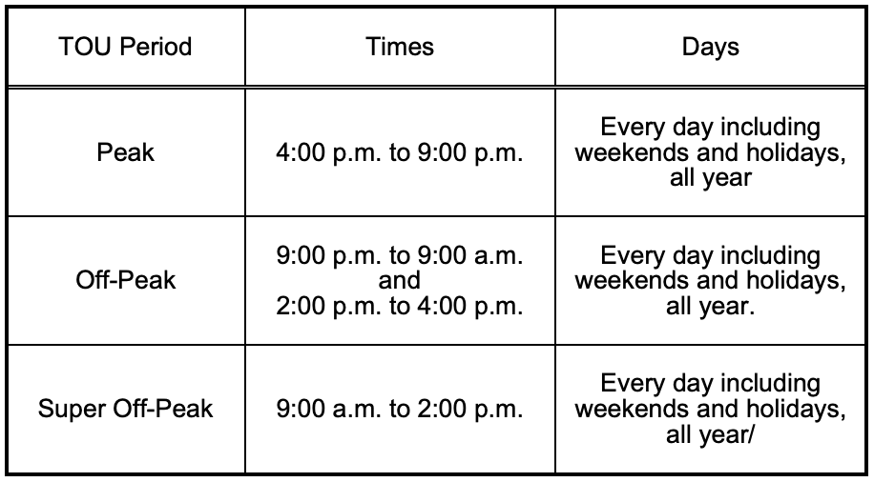
Timestep Size (hrs) | 0.25
Time Horizon (T) | 96

Utility | Southern California Edison |  |  |  |  |  |  |  |  |  |  |  |  |  |  |  |  |  |  |  |  |  | Utility | Pacific Gas & Electric |  |  |  |  |  |  | Utility | San Diego Gas & Electric
Tariff Library | https://library.sce.com/?10000_group.propertyvalues.property=jcr%3Acontent%2Fmetadata%2Fcq%3Atags&10000_group.propertyvalues.operation=equals&10000_group.propertyvalues.0_values=sce-document-library%3Aregulatory%2Fsce-tariff-books%2Felectric%2Fschedules%2Fgeneral-service-%26-industrial-rates |  |  |  |  |  |  |  |  |  |  |  |  |  |  |  |  |  |  |  |  |  | Tariff Library | https://www.pge.com/tariffs/index.page |  |  |  |  |  |  | Tariff Library | https://www.sdge.com/rates-and-regulations/current-and-effective-tariffs

Fixed Energy Price |  |  | Time-of-Use (TOU) Energy Price
Schedule | GS-1: General Service, Non-Demand |  | Schedule | TOU-GS-1 Option E: Time-of-Use General Service |  | Schedule | TOU-GS-1 Option D: Time-of-Use General Service |  |  | Schedule | TOU-GS-1-RTP Option D: General Service, Small, Real-Time Pricing |  | Schedule | TOU-EV-7 Option E: Time-of-Use General Service Electric Vehicle Charging |  | Schedule | TOU-EV-7 Option D: Time-of-Use General Service Electric Vehicle Charging |  |  | Schedule | TOU-EV-8: GENERAL SERVICE TIME-OF-USE ELECTRIC VEHICLE CHARGING - DEMAND METERED |  | Schedule | BEV-1: Business Electric Vehicles |  |  | Schedule | BEV-2: Business Electric Vehicles |  |  | Schedule | TOU-M: Bundled EV Interim
Effective | 2020-10-01 |  | Effective | 2020-10-01 |  | Effective | 2020-10-01 |  |  | Effective | 2020-10-01 |  | Effective | 2020-10-01 |  | Effective | 2020-10-01 |  |  | Effective | 2019-03-01 |  | Effective | 2021-03-01 |  |  | Effective | 2021-03-01 |  |  | Effective | 2021-03-01
Service Voltage | <2kV |  | Service Voltage | <2kV |  | Service Voltage | <2kV |  |  | Service Voltage | <2kV |  | Service Voltage | <2kV |  | Service Voltage | <2kV |  |  | Service Voltage | <2kV |  | Service Voltage | <2kV |  |  | Service Voltage | <2kV |  |  | Service Voltage | <2kV
Size | <20kW |  | Size | <20kW |  | Size | <20kW |  |  | Size | <20kW |  | Size | <20kW |  | Size | <20kW |  |  | Size | 20kW-500kW |  | Size | <100kW |  |  | Size | >100kW |  |  | Size | <500kW

Time | Timestep | Summer Rate ($/kWh) | Time | Timestep | Weekday Summer Rate ($/kWh) | Time | Timestep | Weekday Summer Rate ($/kWh) |  | Time | Timestep | Hot Summer (>=91) Weekday Rate ($/kWh) | Time | Timestep | Weekday Summer Rate ($/kWh) | Time | Timestep | Weekday Summer Rate ($/kWh) |  | Time | Timestep | Weekday Summer Rate ($/kWh) | Time | Timestep | Rate ($/kWh) |  | Time | Timestep | Rate ($/kWh) |  | Time | Timestep | Weekday Summer Rate ($/kWh)
0 | 0 | 0.22255 | 0 | 0 | 0.16835 | 0 | 0 | 0.09541 |  | 0 | 0 | 0.10671 | 0 | 0 | 0.1609 | 0 | 0 | 0.09541 |  | 0 | 0 | 0.14805 | 0 | 0 | 0.13254 |  | 0 | 0 | 0.12651 |  | 0 | 0 | 0.11
 |  |  | 16 | 64 | 0.44944 | 16 | 64 | 0.15852 |  | 1 | 4 | 0.10682 | 16 | 64 | 0.43872 | 16 | 64 | 0.15852 |  | 16 | 64 | 0.55168 | 9 | 36 | 0.10588 |  | 9 | 36 | 0.10324 |  | 6 | 24 | 0.19
Time | Timestep | Winter Rate ($/kWh) | 21 | 84 | 0.16835 | 21 | 84 | 0.09541 |  | 2 | 8 | 0.1069 | 21 | 84 | 0.1609 | 21 | 84 | 0.09541 |  | 21 | 84 | 0.14805 | 14 | 56 | 0.13254 |  | 14 | 56 | 0.12651 |  | 16 | 64 | 0.39
0 | 0 | 0.17457 |  |  |  | Demand Charge ($/kW) | Facilities+On-Peak | 27.97 | 0.9323333333 | 3 | 12 | 0.10872 |  |  |  | Demand Charge ($/kW) | Facilities+On-Peak | 27.97 | 0.9323333333 |  |  |  | 16 | 64 | 0.32455 |  | 16 | 64 | 0.33974 |  | 21 | 84 | 0.19
 |  |  | Time | Timestep | Weekday Winter Rate ($/kWh) |  |  |  |  | 4 | 16 | 0.11311 | Time | Timestep | Weekday Winter Rate ($/kWh) |  |  |  |  | Time | Timestep | Weekday Winter Rate ($/kWh) | 21 | 84 | 0.13254 |  | 21 | 84 | 0.12651
 |  |  | 0 | 0 | 0.15834 | Time | Timestep | Weekday Winter Rate ($/kWh) |  | 5 | 20 | 0.11945 | 0 | 0 | 0.15282 | Time | Timestep | Weekday Winter Rate ($/kWh) |  | 0 | 0 | 0.15774 | Demand Charge ($/kW) | Subscription Charge | 1.24 | 0.041333333333 | Demand Charge ($/kW) | Subscription Charge | 1.91 | 0.063666666667
 |  |  | 8 | 32 | 0.12657 | 0 | 0 | 0.10362 |  | 6 | 24 | 0.10845 | 8 | 32 | 0.09493 | 0 | 0 | 0.10362 |  | 8 | 32 | 0.0935
 |  |  | 16 | 64 | 0.27677 | 8 | 32 | 0.08417 |  | 7 | 28 | 0.10326 | 16 | 64 | 0.34627 | 8 | 32 | 0.08417 |  | 16 | 64 | 0.35668
 |  |  | 21 | 84 | 0.15834 | 16 | 64 | 0.15304 |  | 8 | 32 | 0.09986 | 21 | 84 | 0.15282 | 16 | 64 | 0.15304 |  | 21 | 84 | 0.15774
 |  |  |  |  |  | 21 | 84 | 0.10362 |  | 9 | 36 | 0.09778 |  |  |  | 21 | 84 | 0.10362
 |  |  |  |  |  | Demand Charge ($/kW) | Facilities+Mid-Peak | 13.35 | 0.445 | 10 | 40 | 0.09806 |  |  |  | Demand Charge ($/kW) | Facilities+Mid-Peak | 13.35 | 0.445
 |  |  |  |  |  |  |  |  |  | 11 | 44 | 0.09911
 |  |  |  |  |  |  |  |  |  | 12 | 48 | 0.10269
 |  |  |  |  |  |  |  |  |  | 13 | 52 | 0.11342
 |  |  |  |  |  |  |  |  |  | 14 | 56 | 0.11541
 |  |  |  |  |  |  |  |  |  | 15 | 60 | 0.11863
 |  |  |  |  |  |  |  |  |  | 16 | 64 | 0.18189
 |  |  |  |  |  |  |  |  |  | 17 | 68 | 4.47709
 |  |  |  |  |  |  |  |  |  | 18 | 72 | 4.31473
 |  |  |  |  |  |  |  |  |  | 19 | 76 | 1.12702
 |  |  |  |  |  |  |  |  |  | 20 | 80 | 0.1726
 |  |  |  |  |  |  |  |  |  | 21 | 84 | 0.12218
 |  |  |  |  |  |  |  |  |  | 22 | 88 | 0.11151
 |  |  |  |  |  |  |  |  |  | 23 | 92 | 0.10883
 |  |  |  |  |  |  |  |  |  | Demand Charge ($/kW) | Facilities+On-Peak | 13.03

