Sheet1
Topology | Schematic | Description | Typical Waveforms | Output Current [A] | Power Density [W/cm3] | Peak Efficiency [%] | Full Load Efficiency [%] | Current Density [A/mm2] | Switching Frequency [kHz] | Control | Comment | Reference
DAB | 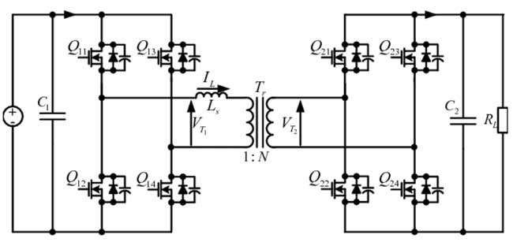 | Isolated bidirectional DC/DC | Square V, triangular I | 20–100 | 10–80 | 94–98 | 93–97 | High | 50–200 | Phase shift | Robust, good regulation | IEEE
LLC and LLC DCX | 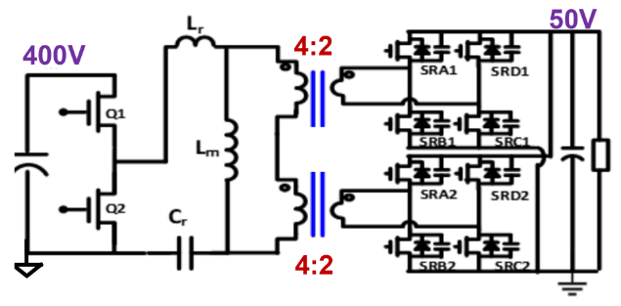 | Resonant soft switching | Sinusoidal | 10–70 | 50–120 | 95 | 95 | High | 100–500 | Frequency | Simple, High density Regulation Challenge, Resonant isolated converter; LLC DCX optimized for fixed ratio and high efficiency conversion | Industry/IEEE
ISOP LLC | 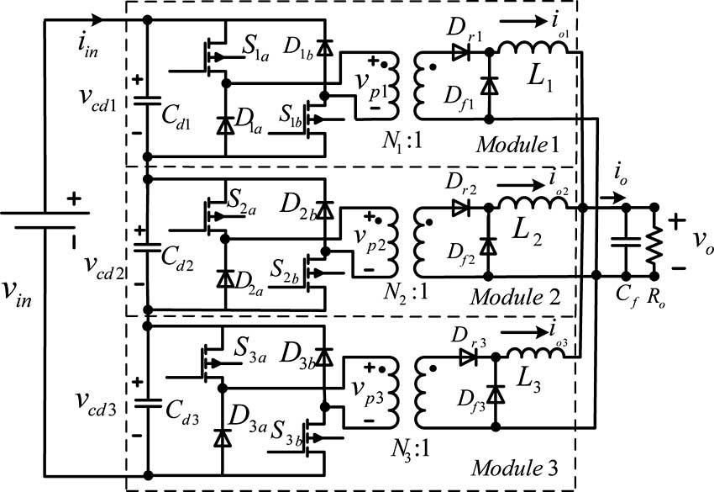 | Modular LLC | Same as LLC | 20–100 | 80–150 | 97 | 97 | Very High | 200–600 | Distributed | High Current capability, input-voltage balancing required | Industry
PSFB | 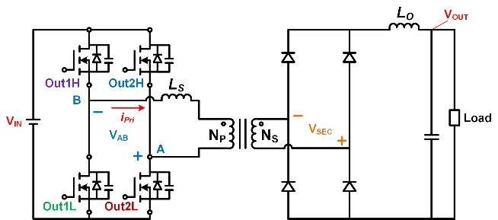 | Full bridge | Square V | 5–30 | 20–60 | 90–94 | 91 | Medium | 50–100 | Phase shift | Low Cost, Mature topology | Legacy
Stacked Active Bridge | 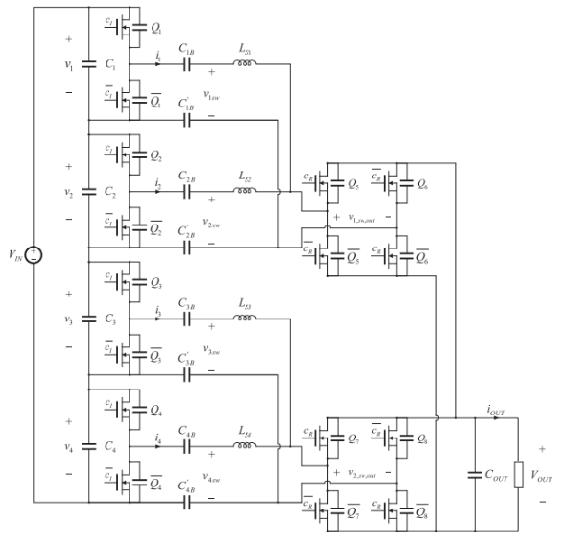 | Inverter modules are stacked in series on the 400V side and connected in parallel on the 48V side | Square V | 5–20 | 30–90 | 91–95 | 94 | Very High | 100–500 | PWM | Non-isolated Modular architecture | IEEE
DAB+LLC | 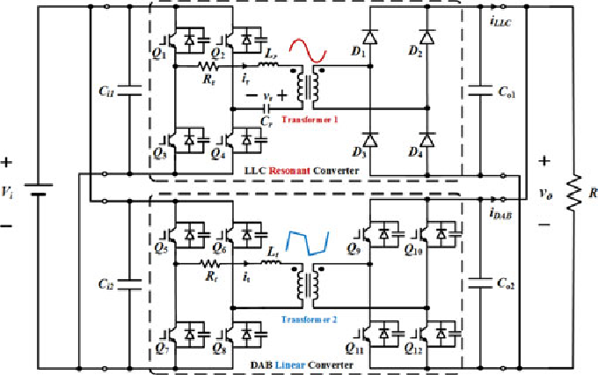 | Hybrid | Mixed (Square V,Sinusoidal ) | 10–80 | 60–120 | 95 | 94 | High | 100–400 | Hybrid | Mix of High efficiency and good regulation | IEEE
SST+DAB |  | SST | Square V, triangular I | 5–10 | 10–40 | 90–94 | 93 | Medium | 10–100 | Phase shift | Minimum Magnetic components. SST for data centers is still relatively experimental. Readiness should be considered low | IEEE
Direct Conversion | 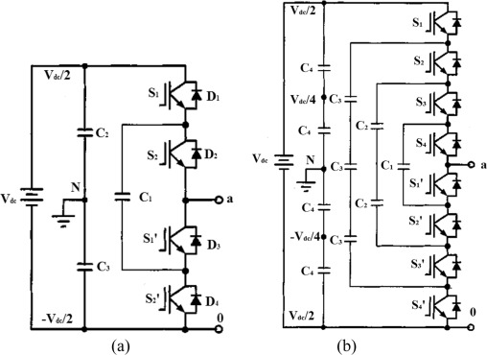 | Multi-level | Complex | 10–80 | 80–140 | 90–94 | 93 | High | 200–400 | Complex | Low switch stress Low current stress. This is one of the hottest research areas right now. transient handling, fault protection, startup sequencing, insulation | Research
IBC | 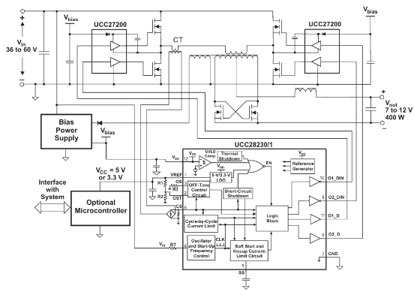 | Intermediate bus | Mixed (Square V,Sinusoidal ) | 5–50 | 10–90 | 90–95 | 93 | High | 100–400 | Simple | Under development | IEEE/ Industry
Planar LLC | 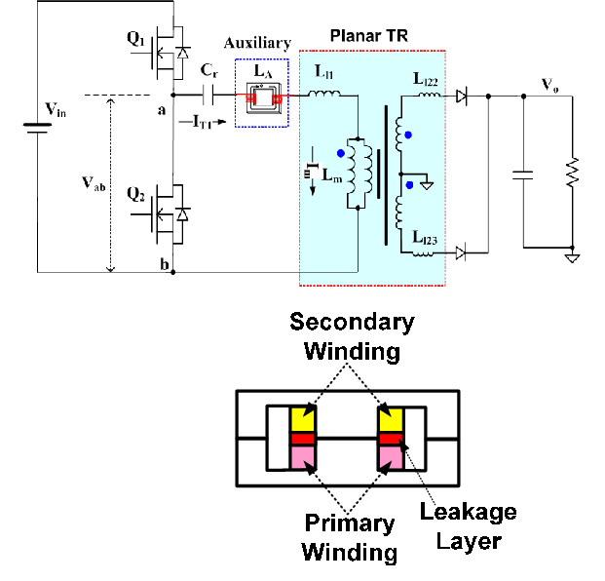 | LLC planar | Same as LLC | 5–80 | 100–180 | 95 | 95 | High | 200–500 | Frequency | High density, thermal integration | Industry

