High level design
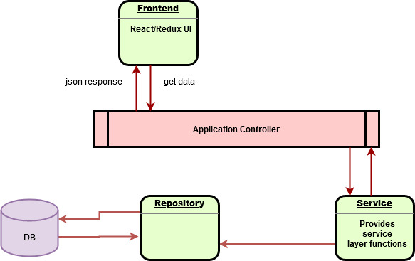

Note: Thi is Just basic design

Below can be implemented For real app
Load balance
a clustered DB
Cache
Exception Handeling

