High level design
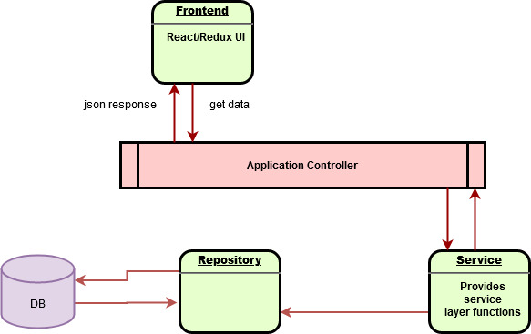

Note: Thi is Just basic design

For actual we need to have Application server
Load balance
a clustered DB
Cache
Exception Handeling

