Sheet1
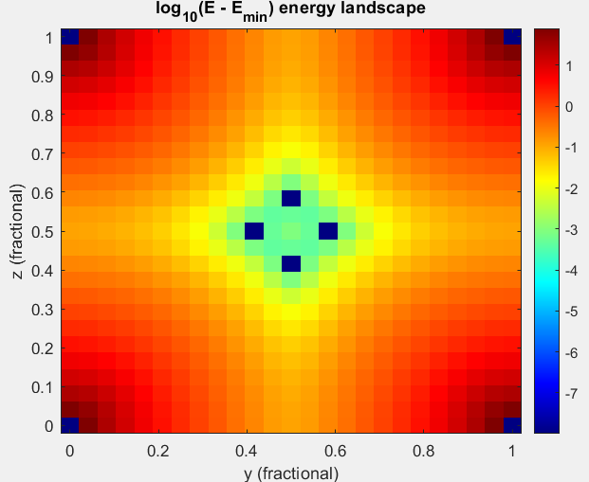
Rostislaw | Material: | Initial H position | Final H position | Volume (a.u.^3) | Volume change (%) | Total energy (Ry) | Formation energy (Ry) per H | Capacity (wt%) | # H
 | TiFe | / | / | 173.9675 |  | -448.58686914
 | H | (0, 0, 0) | (0, 0, 0) | 20.31028 |  | -1.0725787

 | TiFeH (3c) | (½, ½, 0) | (½, ½, 0) | 191.3641 | 9.999913777 | -449.75319983 | -0.09375199 | 0.93693082642 | 1
 | TiFeH (3d) | (½, 0, 0) | (½, 0, 0) | 188.96531 | 8.6210412864 | -449.71673678 | -0.05728894 | 0.93693082642 | 1
 | TiFeH (8g) | (¼, ¼, ¼) | (0.2359737265, 0.2442064295, 0.2978151277) | 194.87518 | 12.018152816 | -449.70183076 | -0.04238292 | 0.93693082642 | 1
 | TiFeH (6f) | (½, ½, ¼) | (0.4999999988, 0.5000000038, 0.0833385404) | 191.3628 | 9.999166511 | -449.75319983 | -0.09375199 | 0.93693082642 | 1
 | TiFeH (12j) | (½, ¼, ¼) | (0.5000000016, 0.1578866936, 0.1578824006) | 191.59933 | 10.135128688 | -449.72437517 | -0.06492733 | 0.93693082642 | 1
 | TiFeH (24l) | (½, 0.12, 0.24) | (0.5000000059, 0.0399984931, 0.4133476880) | 191.35813 | 9.9964821015 | -449.75319976 | -0.09375192 | 0.93693082642 | 1
 | TiFeH (24m) | (0.12, 0.12, 0.24) | (0.1145364726, 0.1145364684, 0.4133773422) | 191.60181 | 10.136554241 | -449.72437463 | -0.06492679 | 0.93693082642 | 1
 | TiFeH (48n) | (0.12, 0.24, 0.36) | (0.0400084584, 0.4133463972, 0.4532682078) | 191.3603 | 9.997729461 | -449.75319976 | -0.09375192 | 0.93693082642 | 1
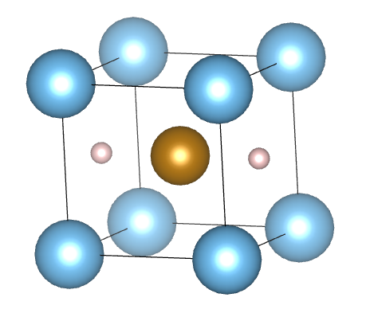
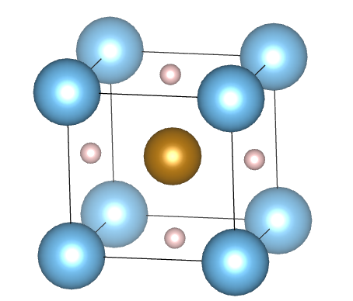
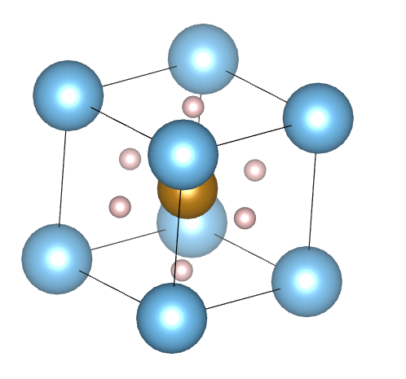
Bjorn | TiFeH (3c) x | (0, ½, ½) | no change | 191.34687 | 9.9900096282 | -449.75333073 | -0.09388289 |  | 1
 | TiFeH (3c) y | (½, 0, ½) | " | 191.34048 | 9.9863365284 | -449.75333066 | -0.09388282 |  | 1
 | TiFeH (3c) z | (½, ½, 0) | " | 191.34046 | 9.986325032 | -449.75333069 | -0.09388285 |  | 1
 | TiFeH2 (3c) xy | (½, ½, 0) x2 | " | 207.91506 | 19.513736761 | -450.92252313 | -0.631537645 |  | 2
 | TiFeH2 (3c) xz | (½, ½, 0) x2 | " | 207.91433 | 19.513317143 | -450.92252314 | -0.63153765 |  | 2
 | TiFeH2 (3c) yz | (½, ½, 0) x2 | " | 207.9151 | 19.513759754 | -450.92252314 | -0.63153765 |  | 2
 | TiFeH3 (3c) xyz | (½, ½, 0) x3 | " | 230.71727 | 32.62090333 | -452.07589859 | -0.80548358333 |  | 3
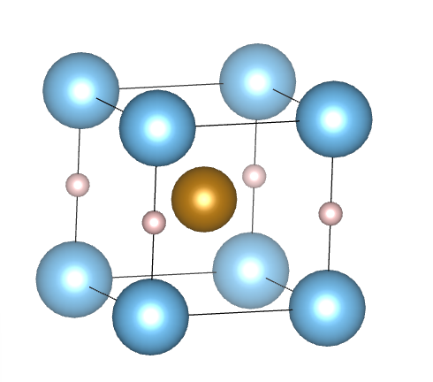
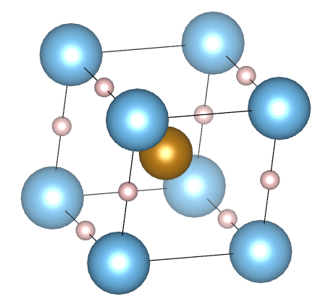
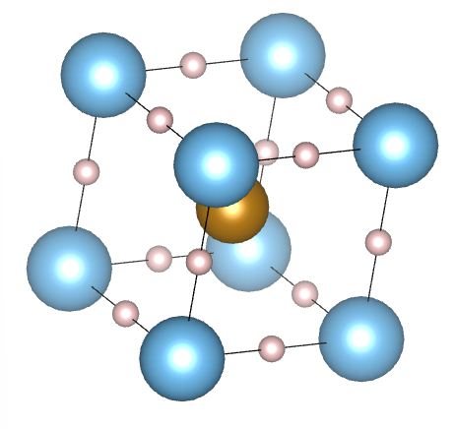
 | TiFeH (3d) x | (½, 0, 0) | no change | 188.93908 | 8.6059637576 | -449.71685496 | -0.05740712 |  | 1
 | TiFeH (3d) y | (0, ½, 0) | " | 188.93906 | 8.6059522612 | -449.71685495 | -0.05740711 |  | 1
 | TiFeH (3d) z | (0, 0, ½) | " | 188.939 | 8.605917772 | -449.71685495 | -0.05740711 |  | 1
 | TiFeH2 (3d) xy | (½, 0, 0) x2 | " | 217.15542 | 24.825280584 | -450.78207401 | -0.561313085 |  | 2
 | TiFeH2 (3d) xz | (½, 0, 0) x2 | " | 217.15625 | 24.825757685 | -450.78207403 | -0.561313095 |  | 2
 | TiFeH2 (3d) yz | (½, 0, 0) x2 | " | 217.15538 | 24.825257591 | -450.78207401 | -0.561313085 |  | 2
 | TiFeH3 (3d) xyz | (½, 0, 0) x3 | " | 260.73626 | 49.876419446 | -451.87501896 | -0.73852370667 |  | 3

convergence test verification |  |  |  |  |  |  | energy difference (compared to lower k calculations)
k=18 | TiFeH (3c) x | (0, ½, ½) |  | 191.38165 | 10.010001868 | -449.75321283 | 0.00011790000002
k=21 | TiFeH (3c) x | (0, ½, ½) |  | 191.38408 | 10.011398681 | -449.7531854 | 0.00014533000001
k=21, wfc=150, rho=2000 | TiFeH (3c) x | (0, ½, ½) |  | 191.46233 | 10.056378347 | -449.75339688 | -6.6150000009E-05

Fixed volume "relax"
 | TiFeH (3c) x | (0, ½, ½) | no change | / |  | -449.71189327 | -0.05244543 |  | 1
 | TiFeH2 (3c) xy | (½, ½, 0) x2 | " | / |  | -450.83064646 | -0.58559931 |  | 2
 | TiFeH3 (3c) xyz | (½, ½, 0) x3 | " | / |  | -451.94499369 | -0.76184861667 |  | 3
 | TiFeH (3d) x | (½, 0, 0) | " | / |  | -449.59796686 | 0.06148098 |  | 1
 | TiFeH2 (3d) xy | (½, 0, 0) x2 | " | / |  | -450.61407946 | -0.47731581 |  | 2
 | TiFeH3 (3d) xyz | (½, 0, 0) x3 | " | / |  | -451.64308443 | -0.66121219667 |  | 3

