Sheet1
Material | Initial H position | Final H position | Volume (a.u.^3) | Volume unit-cell (a.u.^3) | Volume change (%) | Total energy (Ry) | Energy unit-cell (Ry) | Insertion energy (Ry) per cell | Insertion energy (Ry) per H | Formation energy E_f (Ry) | Formation energy E_f (eV) | Formation energy E_f (Ry/H atom) | Capacity (wt%) | #H | #cells
TiFe | / |  | 173.9675 | 173.9675 | 0 | -448.58686914 | -448.58686914 | 0 | #DIV/0! |  |  |  | 0.94579224552 | 0 | 1
H | (0, 0, 0) | (0,0,0) | 20.31028 | 20.31028 |  | -1.01676156 | -1.01676156 |  |  |  |  |  |  | 1 | 1
H2 |  |  |  |  |  | -2.2711062988 | -2.2711062988 |  | -1.1355531494 |  |  |  |  | 2 | 1

Octahedral I (0.5, 0.5, 0) x3
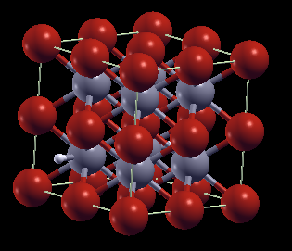
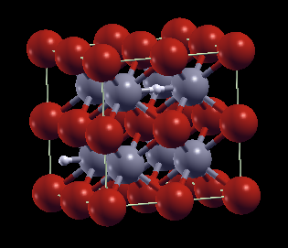
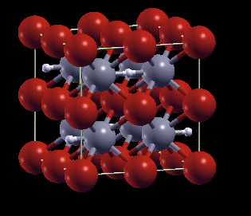

TiFeH0.125 (1) | (0.25,0.25,0) | = | 1414.9606 | 176.870075 | 1.668458189 | -3589.7741542 | -448.72176927 | -0.0078049375001 | -0.0624395 | 0.007044011175 | 0.09579855198 | 0.0563520894 | 0.94467541218 | 1 | 8
TiFeH0.25 (1) | (0.25,0.25,0), (0.75,0.75,0.5) | = | 1434.61905 | 179.32738125 | 3.080966991 | -3590.8889835 | -448.86112294 | -0.02006341 | -0.08025364 | 0.00963448735 | 0.13102902796 | 0.0385379494 | 0.94356121333 | 2 | 8
TiFeH0.5 (1) | (0.75,0.25,0),(0.75,0.75,0.5),… | = | 1467.92302 | 183.4903775 | 5.4739405349 | -3593.1203309 | -449.14004137 | -0.044791445 | -0.08958289 | 0.0146043497 | 0.19861915592 | 0.0292086994 | 0.94134068194 | 4 | 8
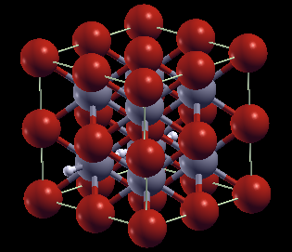
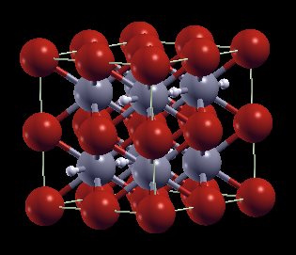
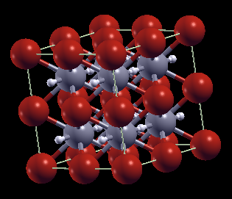
TiFeH (1) | (0.5, 0.5, 0) | = | 191.34049 | 191.34049 | 9.9863422766 | -449.75333069 | -449.75333069 | -0.14969999 | -0.14969999 | -0.0309084006 | -0.42035424816 | -0.0309084006 | 0.93693082642 | 1 | 1
TiFeH0.25 (2) | (0.25,0.25,0),(0.25,0.25,0.5) | = | 1445.07985 | 180.63498125 | 3.8326016354 | -3590.8001961 | -448.85002451 | -0.00896497875 | -0.035859915 | 0.0207329186 | 0.28196769296 | 0.0829316744 | 0.94356121333 | 2 | 8
TiFeH0.5 (2) | (0.25,0.25,0),(0.25,0.25,0.5),… | = | 1477.84322 | 184.7304025 | 6.1867317171 | -3593.0297137 | -449.12871421 | -0.0334642875 | -0.066928575 | 0.0259315072 | 0.35266849792 | 0.0518630144 | 0.94134068194 | 4 | 8
TiFeH (2) | (0.25,0.25,0),(0.25,0.25,0.5),… | = | 1510.6917 | 188.8364625 | 8.5469771653 | -3597.7349985 | -449.71687481 | -0.113244115 | -0.113244115 | 0.0055474744 | 0.07544565184 | 0.0055474744 | 0.93693082642 | 8 | 8
TiFeH2 (2) | (0.5,0.5,0),(0.5,0,0.5) | = | 207.91506 | 207.91506 | 19.513736761 | -450.92252313 | -450.92252313 | -0.30213087 | -0.151065435 | -0.0645476912 | -0.87784860032 | -0.0322738456 | 0.92823391672 | 2 | 1
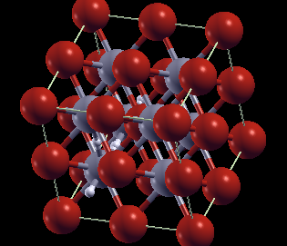
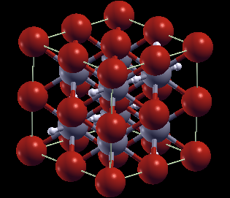
TiFeH0.375 (3) | (0.25,0.25,0),(0.25,0.25,0.5) |  |  |  |  |  |  |  |  |  |  |  |  | 3 | 8
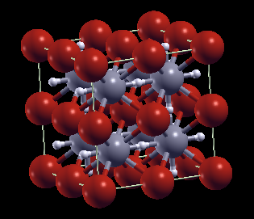
TiFeH0.75 (3) | (0.25,0.25,0),(0.25,0.25,0.5) |  |  |  |  |  |  |  |  |  |  |  |  | 6 | 8
TiFeH1.5 (3) | (0.25,0.25,0),(0.25,0.25,0.5) |  |  |  |  |  |  |  |  |  |  |  |  | 12 | 8
TiFeH3 (3) | (0.25,0.25,0),(0.25,0.25,0.5) |  | 230.71727 | 230.71727 | 32.62090333 | -452.07589859 | -452.07589859 | -0.43874477 | -0.14624825667 | -0.0823700018 | -1.1202320245 | -0.027456667267 | 0.91969697744 | 3 | 1

Octahedral II (0.5, 0, 0) x3
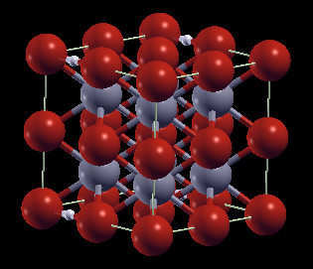
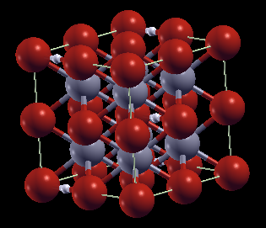
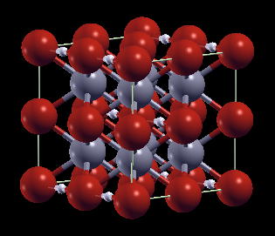

TiFeH0.125 (1) | (0.25,0,0) | = | 1410.82538 | 176.3531725 | 1.3713322891 | -3589.8494967 | -448.73118708 | -0.01722274625 | -0.13778197 | -0.002373797575 | -0.032283647021 | -0.0189903806 | 0.94467541218 | 1 | 8
TiFeH0.25 (1) | (0.25,0,0),(0.75,0.5,0.5) | = | 1429.35252 | 178.669065 | 2.7025536379 | -3591.0125097 | -448.87656371 | -0.03550417875 | -0.142016715 | -0.0058062814 | -0.07896542704 | -0.0232251256 | 0.94356121333 | 2 | 8
TiFeH0.5 (1) | (0.25,0,0),(0.75,0.5,0.5) | = | 1473.52343 | 184.19042875 | 5.876344001 | -3593.3015859 | -449.16269824 | -0.0674483225 | -0.134896645 | -0.0080525278 | -0.10951437808 | -0.0161050556 | 0.94134068194 | 4 | 8
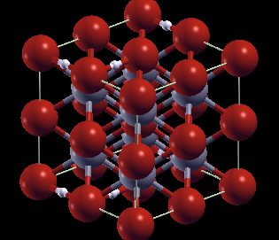
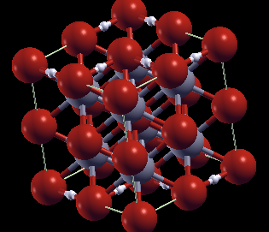
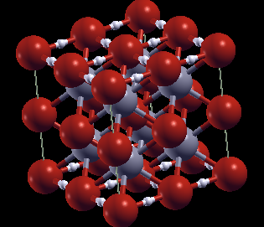
TiFeH (1) | (0.5,0,0) | = | 188.93908 | 188.93908 | 8.6059637576 | -449.71685496 | -449.71685496 | -0.11322426 | -0.11322426 | 0.0055673294 | 0.07571567984 | 0.0055673294 | 0.93693082642 | 1 | 1
TiFeH0.25 (2) | (0.25,0,0),(0.5,0,0.75) | (0.253,0,0.006),(0.51,0,0.753) | 1430.30289 | 178.78786125 | 2.7708400994 | -3591.0058222 | -448.87572777 | -0.0346682425 | -0.13867297 | -0.00497034515 | -0.06759669404 | -0.0198813806 | 0.94356121333 | 2 | 8
TiFeH0.5 (2) | (0.25,0,0),(0,0.25,0),… | = | 1465.98332 | 183.247915 | 5.3345682383 | -3593.3383598 | -449.16729497 | -0.07204505375 | -0.1440901075 | -0.01264925905 | -0.17202992308 | -0.0252985181 | 0.94134068194 | 4 | 8
TiFeH (2) | (0.25,0,0),(0,0.25,0),… | = | 1558.3466 | 194.793325 | 11.971100924 | -3597.9074936 | -449.7384367 | -0.134805995 | -0.134805995 | -0.0160144056 | -0.21779591616 | -0.0160144056 | 0.93693082642 | 8 | 8
TiFeH2 (2) | (0.5,0,0),(0,0.5,0) | = | 217.15541 | 217.15541 | 24.825274836 | -450.78207401 | -450.78207401 | -0.16168175 | -0.080840875 | 0.0759014288 | 1.0322594317 | 0.0379507144 | 0.92823391672 | 2 | 1

Octahedral I+II
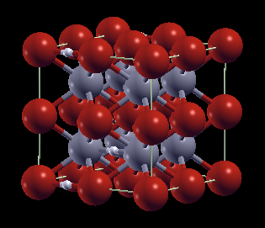
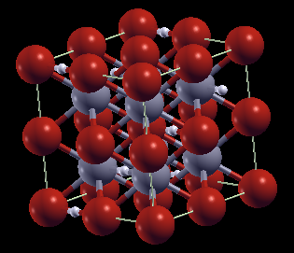
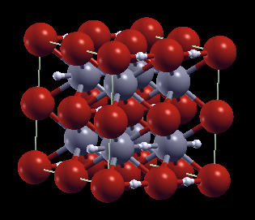

TiFeH0.25 (2) | (0.25,0,0),(0.5,0.25,0.75) | Did not converge in 100 it | 1433.38719 | 179.17339875 | 2.9924547689 | -3590.9630763 | -448.87038453 | -0.02932500125 | -0.117300005 | 0.00037289609998 | 0.0050713869597 |  | 0.94356121333 | 2 | 8
TiFeH0.5 (2) | (0.75,0.5,0.5),(0,0.75,0.25), … | Did not converge in 100 it | 1464.72676 | 183.090845 | 5.2442812594 | -3593.2535433 | -449.15669292 | -0.06144299625 | -0.1228859925 | -0.00204720155 | -0.02784194108 |  | 0.94134068194 | 4 | 8
TiFeH (2) | (0.25,0,0),(0.5,0.25,0.75) | = | 1527.20861 | 190.90107625 | 9.7337584606 | -3597.818026 | -449.72725326 | -0.12362255625 | -0.12362255625 | -0.00483096685 | -0.06570114916 | -0.00483096685 | 0.93693082642 | 8 | 8
TiFeH2 (2) | (0.5,0.5,0),(0,0,0.5) | = | 199.40957 | 199.40957 | 14.624610919 | -450.9202442 | -450.9202442 | -0.29985194 | -0.14992597 | -0.0622687612 | -0.84685515232 | -0.0311343806 | 0.92823391672 | 2 | 1

