Sheet1
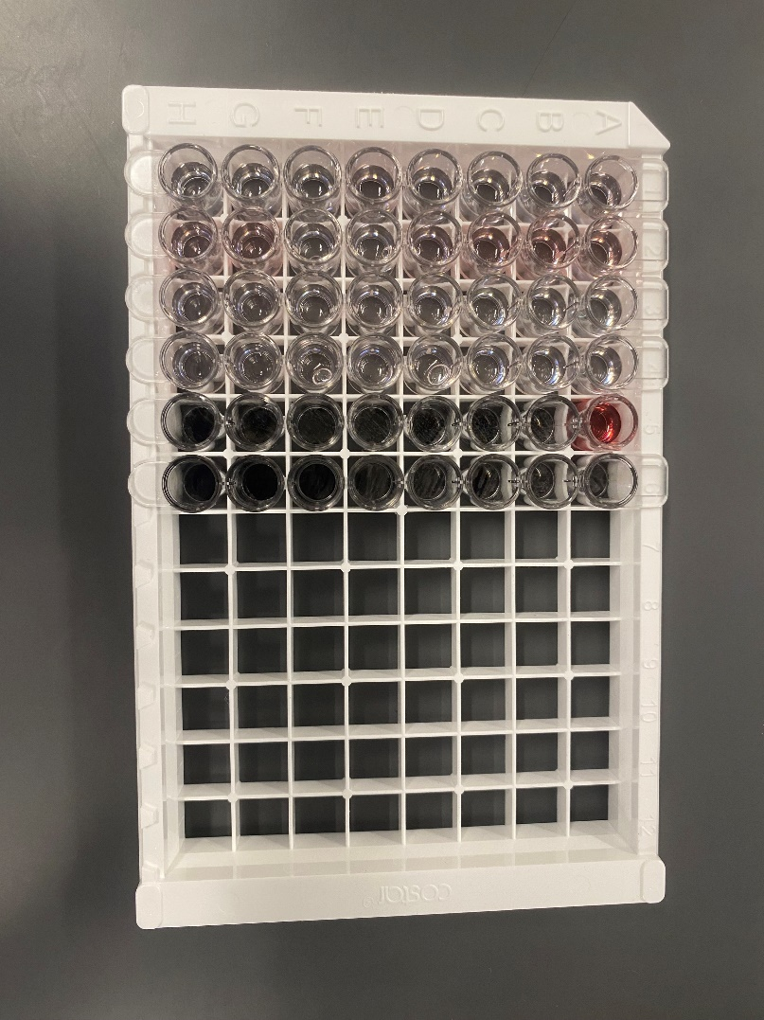
 |  |  | Calculated OD | Legend:
Sample | Well | Sample ID | Average OD - Negative OD | OD values (calculated)
1 | A1 | Negative | 0.00 | < 0.05 | Negative
31 | G4 | HP01 | -0.01 | 0.05 - 0.10 | Inconclusive
32 | H4 | HP02 | -0.01 | > 0.10 | Positive
33 | A5 | Postive | 0.70
 |  |  |  | Note:
 |  |  |  | Calculated OD value for Positive control should be ≥ 1.5.
 |  |  |  | Calculated OD value for Negative control should be 0.0.

 |  |  |  | Date of test: | 2025-02-19
 |  |  |  | Operator: | RM

