Summary
Cash Flow Summary: Sociolite

 |  | Jan-23 | Feb-23 | Mar-23 | Apr-23 | May-23 | Jun-23 | Jul-23 | Aug-23 | Sep-23 | Oct-23 | Nov-23 | Dec-23 | Total
Year 1 | Income | 155,000 | 55,000 | 55,000 | 55,000 | 55,000 | 55,000 | 55,000 | 55,000 | 55,000 | 55,000 | 55,000 | 55,000 | 760,000
 | Expenditure | 67,671 | 43,073 | 43,073 | 43,163 | 43,163 | 45,913 | 45,973 | 45,973 | 48,723 | 48,723 | 48,723 | 37,506 | 561,680
 | Accumulated NPV | 87,329 | 99,256 | 111,182 | 123,019 | 134,856 | 143,943 | 152,969 | 161,996 | 168,273 | 174,550 | 180,826 | 198,320 | 198,320
CALC ROW - Exp as Negative | Expenditure | -67,671 | -43,073 | -43,073 | -43,163 | -43,163 | -45,913 | -45,973 | -45,973 | -48,723 | -48,723 | -48,723 | -37,506
CALC ROW - Net CF | Net Cashflow | 87,329 | 11,927 | 11,927 | 11,837 | 11,837 | 9,087 | 9,027 | 9,027 | 6,277 | 6,277 | 6,277 | 17,494

Year 2 |  | Jan-24 | Feb-24 | Mar-24 | Apr-24 | May-24 | Jun-24 | Jul-24 | Aug-24 | Sep-24 | Oct-24 | Nov-24 | Dec-24 | Total
 | Income | 0 | 0 | 96,216 | 48,108 | 0 | 144,324 | 48,108 | 48,108 | 144,324 | 48,108 | 48,108 | 144,324 | 769,728
 | Expenditure | 63,399 | 56,905 | 63,482 | 70,158 | 113,258 | 70,058 | 70,058 | 75,586 | 75,586 | 98,566 | 75,586 | 78,391 | 911,035
 | Accumulated NPV | 124,546 | 67,641 | 100,375 | 78,325 | -34,933 | 39,333 | 17,382 | -10,096 | 58,642 | 8,183 | -19,295 | 46,638 | 46,638
CALC ROW - Exp as Negative | Expenditure | -63,399 | -56,905 | -63,482 | -70,158 | -113,258 | -70,058 | -70,058 | -75,586 | -75,586 | -98,566 | -75,586 | -78,391
CALC ROW - Net CF | Net Cashflow | -63,399 | -56,905 | 32,734 | -22,050 | -113,258 | 74,266 | -21,950 | -27,478 | 68,738 | -50,458 | -27,478 | 65,933

Year 1
Year 2

Profit per customer
Small Customer | 68,578.00 kr.
Medium Customer | 138,604.12 kr.
Large Customer | 278,656.24 kr.

Inputs
Industry Name | Number of Firms | Beta | Cost of Equity | E/(D+E) | Std Dev in Stock | Cost of Debt | Tax Rate | After-tax Cost of Debt | D/(D+E) | Cost of Capital | https://pages.stern.nyu.edu/~adamodar/New_Home_Page/datafile/wacc.htm |  | Azure Database SQL
Software (Internet) | 36 | 1.00 | 5.77% | 92.87% | 38.09% | 3.16% | 1.29% | 2.31% | 7.13% | 5.52% |  |  | vCORE | Memory (GB) | Pay as you go | 1-års reserveret kapacitet | 3-års reserveret kapacitet
 |  |  |  |  |  |  |  |  |  | 0.0552 |  |  | 2 | 10.2 | 2773.02 | 2,182.50 | 1,845.14
 |  |  |  |  |  |  |  |  |  |  |  |  | 4 | 20.4 | 5,546.03 | 4,364.99 | 3,690.28
Product variable costs |  |  |  |  |  |  |  |  |  |  |  |  | 6 | 30.6 | 8,319.04 | 6,547.49 | 5,535.42
 |  |  |  |  |  |  |  |  |  |  |  |  | 8 | 40.8 | 11,092.05 | 8,729.98 | 7,380.56
Hosting | 45 kr. | Year 1/2 | https://www.one.com/admin/hotelchangeprepare.do?prepare=Upgrade&newSize=ppslarge |  |  |  |  |  |  |  |  |  | 10 | 51 | 13,865.06 | 10,912.48 | 9,225.70
 | 129 kr. | Year 1/2 forward |  |  |  |  |  |  |  |  |  |  | 12 | 61.2 | 16,638.07 | 13,094.97 | 11,070.84
Total per costumer(no database) | 1,144 kr. | Yearly
 |  |  |  |  |  |  |  |  |  |  |  | https://azure.microsoft.com/da-dk/pricing/details/azure-sql-database/single/
Cost
Computer | 4,888.00 kr. | one-time(2) | https://www.power.dk/computere-og-tablets/computere/baerbar-pc/asus-vivobook-pro-15-oled-k3500pa-l1058t-156-baerbar-pc/p-1211543/store/3812?gclid=Cj0KCQiA4OybBhCzARIsAIcfn9ng4YIxqgGQtDDwqZkyWttLcmiKl0_vX1dXNnJ70f6ANub5w93XTE8aAv8-EALw_wcB&gclsrc=aw.ds
Screens | 2,590 kr. | one-time(2) | https://www.komplett.dk/product/1167954/gaming/spiludstyr/gamingskaerme/samsung-34-odyssey-g5-c34g55t-curved?channable=00a56069640031313637393534f2&utm_source=pricerunner&utm_medium=listing&utm_campaign=Peripherals_Monitor&utm_content=Gaming&utm_term=in_stock
depreciation | 25% | yearly | https://www.contractoruk.com/limited_companies/what_depreciation_period_and_rate_business_laptops_or_computers.html#:~:text=What%20is%20a%20sensible%20depreciation,written%20off%20after%20four%20years.
Office set(chair-table) | 3,299 kr. | one-time(2) | https://www.inventarland.dk/kontormobler/populaere-kontorsaet/hjemmearbejdsplads-saettilbud-basic/
Internet plan + router | 278 kr. | one-time | https://www.power.dk/computere-og-tablets/routere-og-netvaerk/routere/d-link-dir-2150-ac2100-gigabit-router/p-1129522/store/3808?gclid=Cj0KCQiA99ybBhD9ARIsALvZavWY_wMCIS8q7r1XwC98vV1ip8lbfT1I2M6kAqy-TG7iMds8zvTGUfEaAjX8EALw_wcB&gclsrc=aw.ds
plan 1 | 179 kr. | 6 months
plan 2 | 239 kr. | 6 months+
Phone | 1,333 kr. | one-time(2) | https://www.proshop.dk/Mobil/Nokia-X10-5G-64GB6GB-Forest/2963745?utm_source=google&utm_medium=cpc&utm_campaign=searchengine&gclid=Cj0KCQiA4OybBhCzARIsAIcfn9nlo-iETvFLwecJs0p0GVLtMmqLWPKy6elEiM-bR36Y6N8ibNDOHaMaAqxoEALw_wcB
Phone plan 3 months | 44 kr. | 3 months(2) | https://www.oister.dk/mobilabonnement/oister-mobil-fri-tale-35-gb/
 | 89 kr. | 3 months+(2)
Electricity | 2.52 kr. | 12.000 kwh per year |  | https://forsyningstilsynet.dk/tal-fakta/priser/elpriser
Office rent | 8,125.00 kr. | /per month | https://www.ejendomstorvet.dk/ledigelokaler/leje/oestjylland/aarhus/kontor/312342
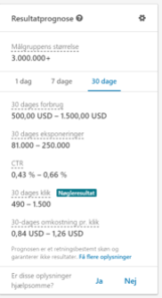
Office365 | 90 kr. | /per month(2) | https://www.microsoft.com/en-ww/microsoft-365/business?market=af#coreui-heading-hiatrep |  |  |  |  |  |  |  |  |  | Facebook |  |  | LinkedIn |  | Hosting One.com | Domain property rights | Hosting azure dB | Phone plan | Phone | Computer |  | Glassdoor salary Systematic
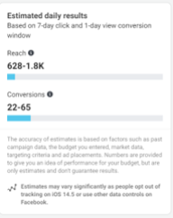
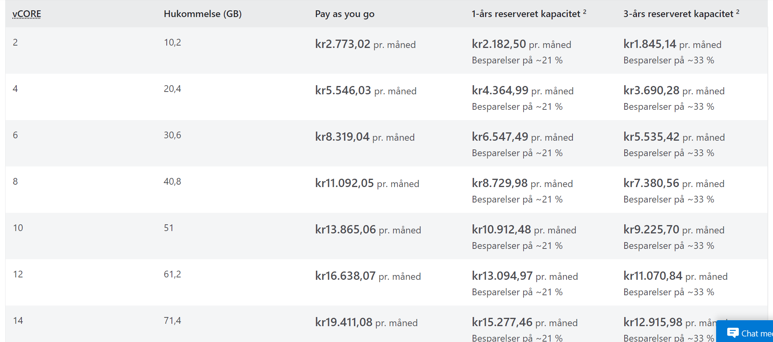
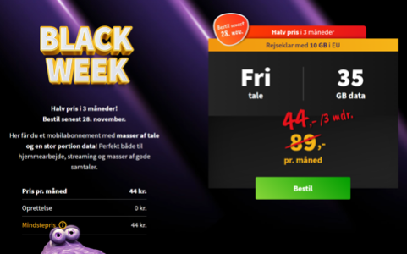
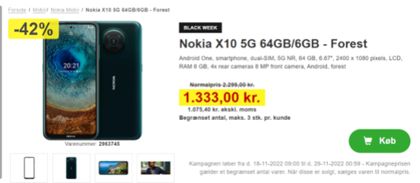
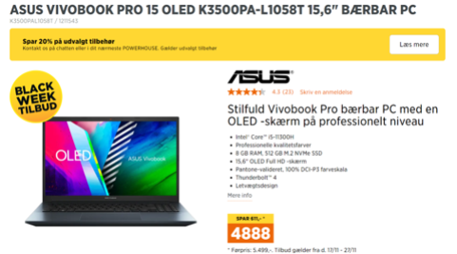
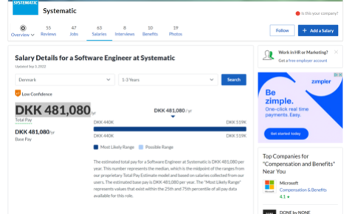
Domain | 100 kr. | 1 domain
Advertisement
Trade fair booth(Hi Tech & Industry) | 22,980.00 kr. | one-time | https://www.hi-industri.dk/bliv-udstiller/reserver-en-stand
Trade fair booth(EOT) | 43,200.00 kr. | one-time | https://www.eot.dk/for-udstillere/priser-og-standbooking
Facebook ads | 4,422.50 kr. | (610 $)/month | 20$/day | https://www.facebook.com/adsmanager/manage/adsets/edit?act=155818820&selected_campaign_ids=6280794527077&selected_adset_ids=6280794527677&selected_ad_ids=6280794528677
LinkedIn ads | 11,056.25 kr. | (1.525 $)/month | 50$/day | https://www.linkedin.com/campaignmanager/accounts/510472998/campaigns/new/details?isNewAdvertiser=true
LinkedIn ads boosted | 5,528.13 kr. | (2.287,5 $)/month | 75$/day | currency:7,25
Revenue
grants and funding
Innovation Fund Denmark |  |  | https://innovationsfonden.dk/en/p/innofounder
-Development grant | 100,000.00 kr. | one-time
-Monthly allowance | 55,000.00 kr. | monthly(12 months)
 |  |  | https://www.glassdoor.com/Salary/Systematic-Software-Engineer-Denmark-Salaries-EJI_IE591642.0,10_KO11,28_IL.29,36_IN63.htm?experienceLevel=ONE_TO_THREE
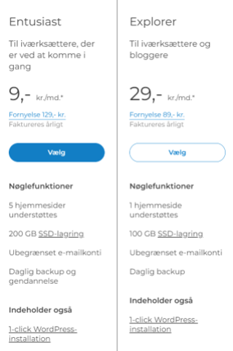
Systematic | Yearly | quarterly | start | receivable
Savings for the company(for 1 employee not quitting) | 384,864.00 kr. | 96,216.00 kr. | Jan-24 | Mar-24
Small Company(100 employees) | 96,216.00 kr. | 24,054.00 kr. | Feb-24 | Apr-24
Small Company(80 employees) | 96,216.00 kr. | 24,054.00 kr. | Feb-24 | Apr-24 |  | Column1 | savings | training |  |  |  |  |  |  |  |  |  |  |  |  |  |  |  | 1 year costs for Systematic if a employee with 1-3 years of experience quits
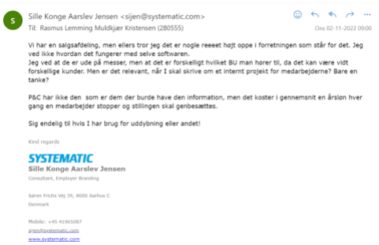
Medium Company(300 employees) | 192,432.00 kr. | 48,108.00 kr. | Apr-24 | Aug-24 |  | Customer | 15% | 5%
Medium Company(250 employees) | 192,432.00 kr. | 48,108.00 kr. | Mar-24 | Jun-24
Total | 721,620.00 kr. | 240,540.00 kr.
2 extra small companies |  |  |  |  | 3 month costs
Small Company(90 employees) | 96,216.00 kr. | 24,054.00 kr. | Jan-24 | Mar-24 | 7,034.50 kr.
Medium company(320 employees) | 192,432.00 kr. | 48,108.00 kr. | Feb-24 | Apr-24 | 13,581.97 kr.

This is assumed that the company is receiving a 3 month payable of a fourth of the yearly savings ffrom each company. The company will not pay right away for the first year, due to the colaboration and fine tuning of the final product.

The calculation for the Systematic price is 80% of the costs that they would have saved, if they can retain 1 employee in their organization.
15% of the price for Systematic is subtracted and helps incentivize Systematic to buy the product and save money.
5 % is subtracted for training within the organization, and resources they might need to learn how the application works.

