Tmin
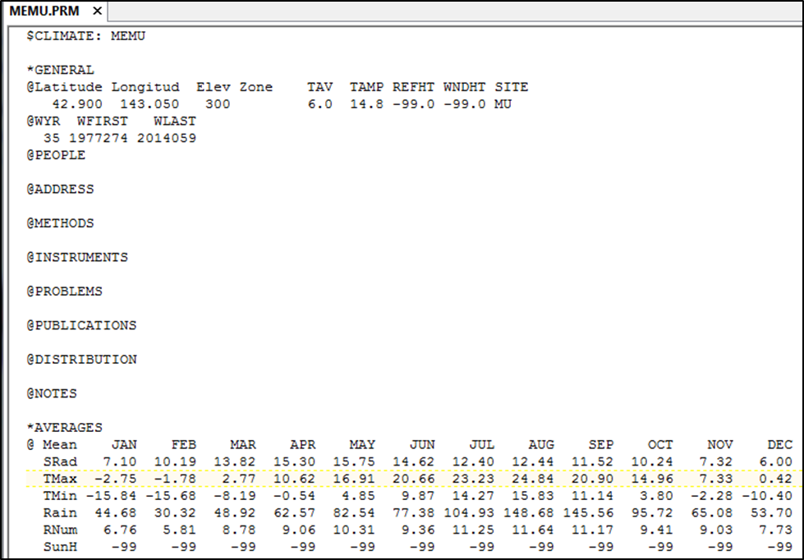
AVG-TMIN | -15.84 |  | -15.68 |  | -8.19 |  | -0.54 |  | 4.85 |  | 9.87 |  | 14.27 |  | 15.83 |  | 11.14 |  | 3.8 |  | -2.28 |  | -10.4
 | J |  | F |  | M |  | A |  | M |  | J |  | J |  | A |  | S |  | O |  | N |  | D
 | 1 | 31 | 32 | 59 | 60 | 90 | 91 | 120 | 121 | 151 | 152 | 181 | 182 | 212 | 213 | 243 | 244 | 273 | 274 | 304 | 305 | 334 | 335 | 365
 |  | 16 | 45 | 46 |  | 75 | 105 | 106 |  | 136 | 166 | 167 |  | 197 |  | 228 | 258 | 259 |  | 289 | 319 | 320 |  | 350
dx | 16 | 30 |  | 30 |  | 31 |  | 31 |  | 31 |  | 31 |  | 32 |  | 31 |  | 31 |  | 31 |  | 31 |  | 16
slope (temp inc/day), tan(θ) |  | 0.005 |  | 0.250 |  | 0.247 |  | 0.174 |  | 0.162 |  | 0.142 |  | 0.049 |  | -0.151 |  | -0.237 |  | -0.196 |  | -0.262 |  | -0.262
equation | =T-(16-day)*tan(θ) | =T+(day-16)*tan(θ) | =T-(45-day)*tan(θ) | =T+(day-46)*tan(θ) | =T-(75-day)*tan(θ) | =T+(day-75)*tan(θ) | =T-(105-day)*tan(θ) | =T+(day-106)*tan(θ) | =T-(136-day)*tan(θ) | =T+(day-136)*tan(θ) | =T-(166-day)*tan(θ) | =T+(day-167)*tan(θ) | =T-(197-day)*tan(θ) | =T+(day-197)*tan(θ) | =T-(228-day)*tan(θ) | =T+(day-228)*tan(θ) | =T-(258-day)*tan(θ) | =T+(day-259)*tan(θ) | =T-(289-day)*tan(θ) | =T+(day-289)*tan(θ) | =T-(319-day)*tan(θ) | =T+(day-320)*tan(θ) | =T-(350-day)*tan(θ) | =T+(day-350)*tan(θ)

