Dungeon Ranking Calc

Variable Scores |  | Fixed Scores

Total Score | 5783049 | Item Usage | 1434000
- Score Buff 15% | 0 | Extra Bonus | 120000 | 135640
 |  | Dungeon Clear | 10000 | 206356
Score without Buff | 5783049 | 1) | 1564000 | 308685

 |  | Battle Score | 877875
Check Result |  | Speed Run Bonus | 352700 | 135640
Total Score | 5309693 | 2) | 1230575 | 206785
15% Score Buff | 0
 | 5309693 | Result 1) + 2) | 2794575

 |  | Multi x 0.9 Boss Takedown Bonus | 2515118

 |  | Total Score without Bonus | 5309693

 |  | 15% Trance Bonus | 0

 |  | Dungeon Score | 5309693

Data Table
Defence Debuff | No Debuff | 0% | Offensiv Buffs | No Buff | 0% |  | Ability Pot. | No Points | 0% | Ele Pot. | No Points | 0%
 | Low | 15% |  | Low | 10% |  |  | Lv. 1 (1 Point) | 3% |  | Lv. 1 (1 Point) | 6%
 | Mid | 25% |  | Mid | 20% |  |  | Lv. 2 (5 Points) | 8% |  | Lv. 2 (5 Points) | 15%
 | High | 35% |  | High | 30% |  |  | Lv. 3 (15 Points) | 15% |  | Lv. 3 (15 Points) | 25%
 | Extra High | 45% |  | Extra High | 40% |  |  | Lv. 4 (25 Points) | 22% |  | Lv. 4 (25 Points) | 40%
 | Extreme High | 55% |  | Extreme High | 50% |  |  | Lv. 5 (35 Points) | 30% |  | Lv. 5 (35 Points) | 55%
 |  |  |  | Extreme High+ | 60% |  |  | Lv. 6 (45 Points) | 35% |  | Lv. 6 (45 Points) | 70%
 |  |  |  | Extreme High++ | 70% |  |  | Lv. 7 (55 Points) | 40% |  | Lv. 7 (55 Points) | 85%
 |  |  |  |  |  |  |  |  |  |  | Lv. 8 (65 Points) | 100%
 |  |  |  |  |  |  |  |  |  |  | Lv. 9 (80 Points) | 110%
 |  |  |  |  |  |  |  |  |  |  | Lv. 10 (100 Points) | 120%

OS Ele Pot | 0% | 0% | Elemental Buff | No Elem. Pot. Buff | 0% |  | Phys&Mag Pot | No Points | 0%
 | 10% | 10% |  | Low | 10% |  |  | Lv. 1 (1 Point) | 5%
 |  |  |  | Mid | 25% |  |  | Lv. 2 (5 Points) | 15%
 |  |  |  | High | 40% |  |  | Lv. 3 (15 Points) | 30%
 |  |  |  | Extra High | 60% |  |  | Lv. 4 (25 Points) | 45%
 |  |  |  | Extreme High | 80% |  |  | Lv. 5 (35 Points) | 60%
 |  |  |  | Extreme High+ | 100% |  |  | Lv. 6 (45 Points) | 70%
 |  |  |  | Extreme High++ | 120% |  |  | Lv. 7 (55 Points) | 80%

OS Lv | No OS | 0% | Elem. Ress Debuff | No Elem. Res. Debuff | 0%
 | OS Attacker Lv 1 | 0% |  | Low | 15%
 | OS Attacker Lv 2 | 5% |  | Mid | 30% |  | Cmd Stance | 50% | 50%
 | OS Attacker Lv 3 | 10% |  | High | 50% |  |  | 65% | 65%
 | OS Attacker Lv 4 | 15% |  | Extra High | 75%
 | OS Attacker Lv 5 | 20% |  | Extreme High | 100%
 | OS Supporter Lv 1 | 0% |  |  |  |  | Elem. Ability (All Allies)
 | OS Supporter Lv 2 | 0% |  |  |  |  |  | No Pot. | 0%
 | OS Supporter Lv 3 | 5% |  |  |  |  |  | Lv. 1 (1 Point) | 5%
 | OS Supporter Lv 4 | 10% |  |  |  |  |  | Lv. 2 (5 Points) | 10%
 | OS Supporter Lv 5 | 10% |  |  |  |  |  | Lv. 3 (15 Points) | 15%

 | mag amp |  |  |  | fire ampp

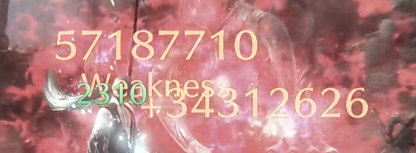
 |  |  |  |  |  |  |  |  |  | 58,297,475.00
 |  |  |  |  |  |  |  |  |  | 34,978,485.00
 |  |  |  |  |  |  |  |  |  | 57,187,710.00
 |  |  |  |  |  |  |  |  |  | 34,312,626.00
 |  |  |  |  |  |  |  |  |  | 184,776,296.00

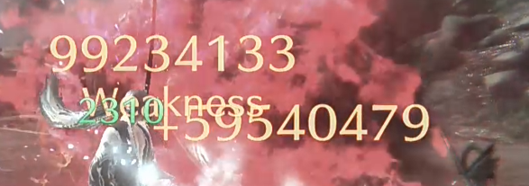
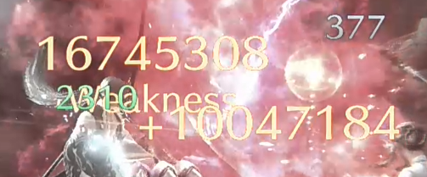
 | mag + fire amp |  |  |  |  | no amp
 |  |  |  |  |  |  |  |  |  | 99234133
 |  |  |  |  |  |  |  |  |  | 59540479
 |  |  |  |  |  |  |  |  |  | 16745308
 |  |  |  |  |  |  |  |  |  | 10047184
 |  |  |  |  |  |  |  |  |  | 185567104

