Requirements Phase Defects
do not print this form |  |  |  | Echipa
Review Form. Requirements Defects |  |  |  |  | Numele si prenumele | Grupa
 |  |  |  | Student 1: | Băciulescu Raul | 236
 | Document Title: | Requirements Document |  | Student 2: | Runcan Maria | 236
 | Author Name: | Băciulescu Raul, Runcan Maria |  | Student 3:
 | Reviewer Name:
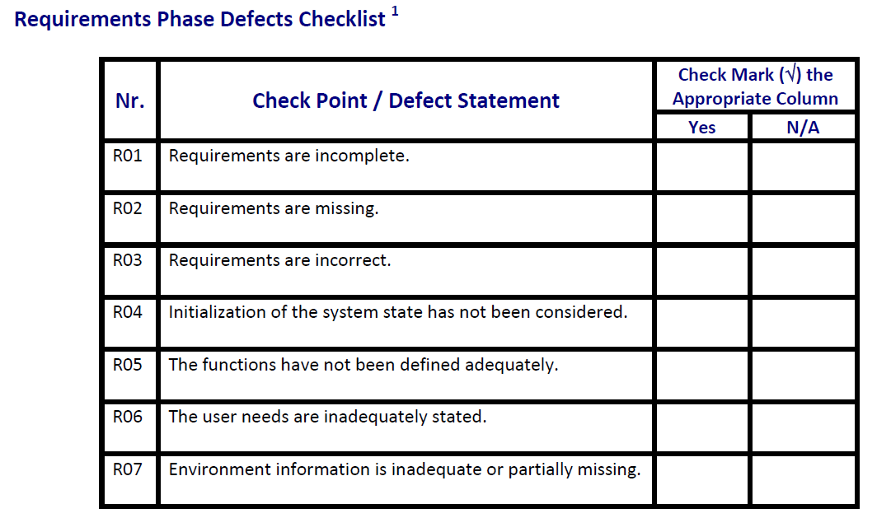
 | Review date:

Crt. No. | Checked Item | Doc. page/line | Comments/ improvements
1 | R02 | 1/. | nu se specifică tipul aplicației(desktop, mobile, web)
2 | R01 | 1 11 | statusul mesei nu este luat în considerare la ocuparea acesteia
3 | R05 | 1 12 | nu exista error handling(daca există clienți și vrem să închidem bucătăria, nu se precizează un mesaj de eroare)
4
5
6
7
8
9
10
11
12
13
14
15
16

 | Effort to review document (hours):

Architect. Design Phase Defects
do not print this form |  |  |  | Echipa
Review Form. Architectural Design Defects |  |  |  |  | Numele si prenumele | Grupa
 |  |  |  | Student 1: | Băciulescu Raul | 236
 | Document Title: | Architectural Design Document |  | Student 2: | Runcan Maria | 236
 | Author Name: | Băciulescu Raul, Runcan Maria |  | Student 3:
 | Reviewer Name:
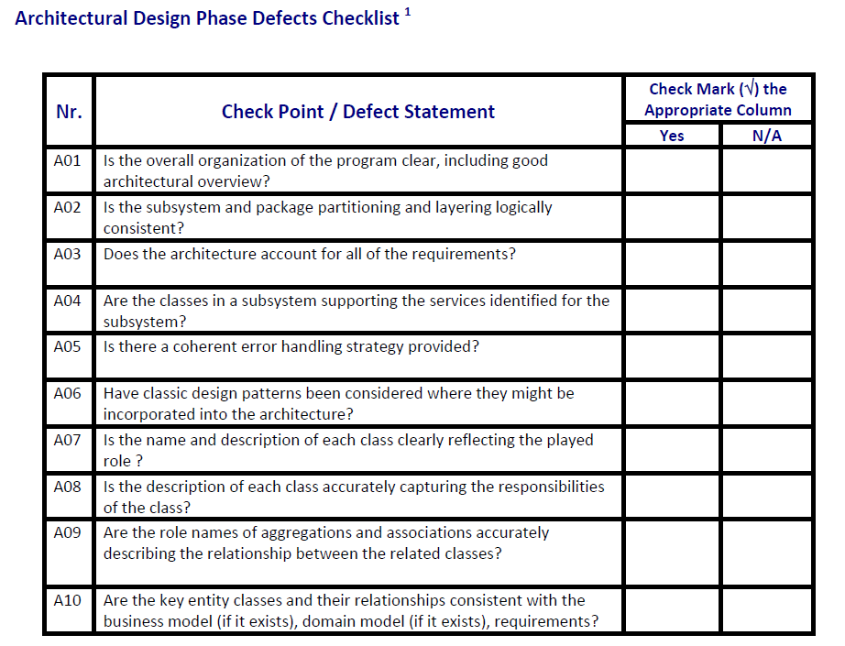
 | Review date:

Crt. No. | Checked Item | Doc. page/line | Comments/ improvements
1 | A01 |  | service-urile ar trebui sa derive din interfete, pentru a respecta principiul Dependency Inversion
2 | A02 |  | PaymentAlert ar trebui sa fie in package-ul gui
3 | A05 |  | nu exista error handling
4 | A09 |  | relatia dintre PizzaService si repository-uri trebuie sa fie de agregare, nu compozitie(sagetile sunt gresite)
5
6
7
8
9
10
11
12
13
14
15
16
17

 | Effort to review document (hours):

Coding Phase Defects
do not print this form |  |  |  | Echipa
Review Form. Coding Defects |  |  |  |  | Numele si prenumele | Grupa
 |  |  |  | Student 1: | Băciulescu Raul | 236
 | Document Title: | Coding Document |  | Student 2: | Runcan Maria | 236
 | Author Name: | Băciulescu Raul, Runcan Maria |  | Student 3:
 | Reviewer Name:
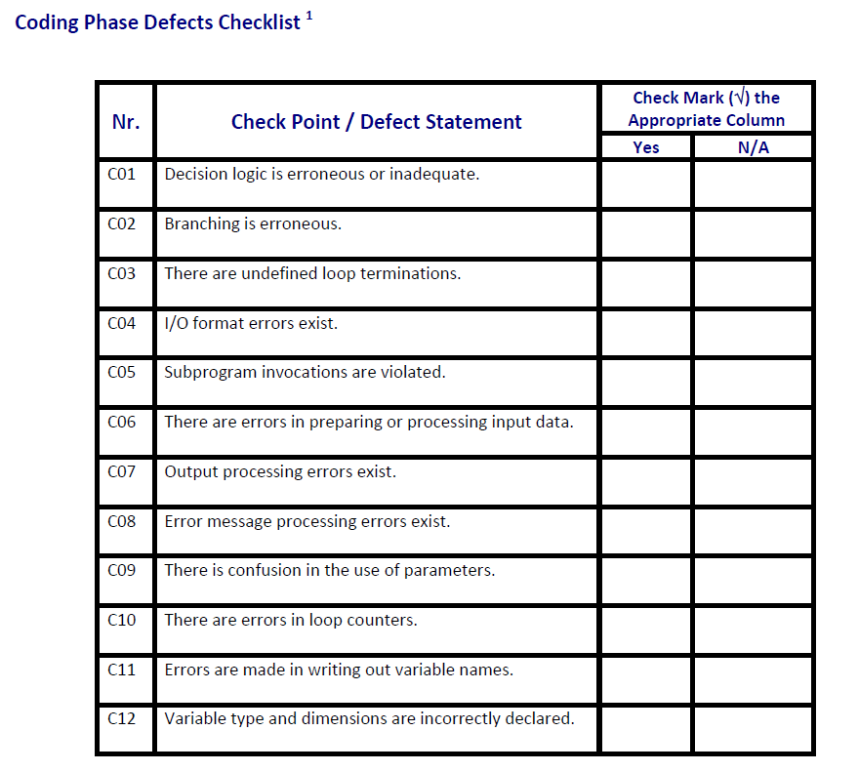
 | Review date:

Crt. No. | Checked Item | Doc. page/line | Comments/ improvements
1 | C11 | PaymentType.java / 4 | numele constantelor trebuie sa fie scrise cu litere mari
2 | C09 | OrdersGUI.java / 17 | OrdersGUI are campul service si nu este folosit
3 | C12 | MenuRepositoryImpl.java / 27 | variabile initializate cu null
4 | C12 | PaymentRepositoryImpl.java / 13 | modificatorul unor field-uri trebuie sa fie final(in PaymentRepository)
5
6
7
8
9
10
11
12
13
14
15
16
17
18
19
20
21

 | Effort to review document (hours):

