Sheet1
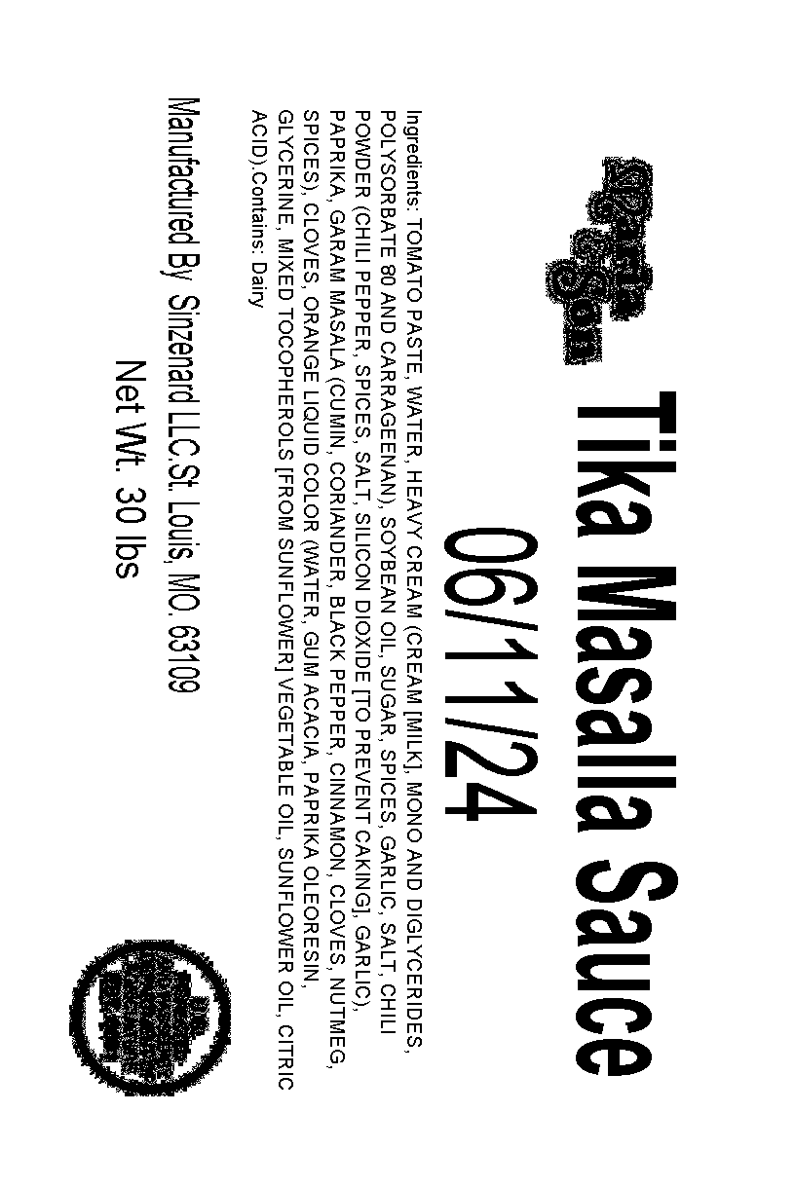
SinZenArd International Foods
Maria & Son

Tika Masala Sauce |  |  | Batches

Ingredients: |  |  | 6

Water | 28 | qt | 639.468 | 106.578 | Water | 0.39473
Oil | 10 | lbs | 60 | 10 | Oil | 0.03704
Ginger | 3.65 | lbs | 21.9 | 3.65 | Ginger | 0.01352
Garlic Puree | 3.65 | lbs | 21.9 | 3.65 | Garlic Puree | 0.01352
Cinnamon Sticks | 0.1 | lbs | 0.6 | 0.1 | Cinnamon Sticks | 0.00037
Anise | 0.15 | lbs | 0.9 | 0.15 | Anise | 0.00056
Cumin, Whole | 0.38 | lbs | 2.28 | 0.38 | Cumin, Whole | 0.00141
Bay Leaves | 8 | Each | 0.012 | 0.002 | Bay Leaves | 0.00001
Fenu Greek Leaves | 0.39 | lbs | 2.34 | 0.39 | Fenu Greek Leaves | 0.00144
Tomato Paste | 83.2 | lbs | 499.2 | 83.2 | Tomato Paste | 0.30815
Sugar | 7 | lbs | 42 | 7 | Sugar | 0.02593
Salt | 2.5 | lbs | 15 | 2.5 | Salt | 0.00926
Cumin, Ground | 0.67 | lbs | 4.02 | 0.67 | Cumin, Ground | 0.00248
Corrrander Powder | 0.67 | lbs | 4.02 | 0.67 | Corrrander Powder | 0.00248
Chili Powder | 1 | lbs | 6 | 1 | Chili Powder | 0.00370
Green Cardamon Powder | 0.07 | lbs | 0.42 | 0.07 | Green Cardamon Powder | 0.00026
Gara Masalla Powder | 0.67 | lbs | 4.02 | 0.67 | Gara Masalla Powder | 0.00248
Paprika | 1 | lbs | 6 | 1 | Paprika | 0.00370
Cloves, Whole | 0.08 | lbs | 0.48 | 0.08 | Cloves, Whole | 0.00030
Heavy Cream | 32 | qt | 288 | 48 | Heavy Cream | 0.17778
Black Pepper Powder | 0.24 | lbs | 1.44 | 0.24 | Black Pepper Powder | 0.00089
 |  |  | 1620 | 270 |  | 1.00000
Process
Check Middle Kettle for Cleaniness, including Spout
If necessary clean Kettle
Add Oil to Kettle
Take Cheesecloth and add Cinnamon Sticks, Anise, Whole Cumin, Bay Leaves, Fenu Leaves, Whole Cloves to cheescloth and tie closed.
When Oil is hot add Ginger/Garlic Puree mix to kettle
Add remaining spices to kettle, stirring occasionally
Hang Cheesecloth bag on inside of the kettle making sure it cannot reach the blades of the stirrer
Add Tomato Paste and water
Start the mixer, pausing it on occasion to use large paddle to pull Paste from sides and bottom, ensuring a good blend
Once Paste is well blended, add coloring
Allow to heat
Add Heavy Cream, and bring back to a boil and let cook for at least 1/2 hour, occasionally using paddle to make sure limited stickage to the sides and well blended
Prepare clean orange buckets with labels
Fill Buckets from spout
Weigh buckets on scale to ensure each is 30 lbs
Place filled buckets on single layer on pallets
Place pallets in freezer to chill
Check in 1/2 hour for cooling, and if cooled put lids on buckets
Restack buckets onto on pallet
Place pallets back in freezer till ready for transfer

A BOL is filled out and sent when batches are transferred

