Sheet1
Model Metrics File
S.no | Model | Performance Metrics | Hyperparameter used | Parameter | Final Model Feature
1 | Logistic Regression | 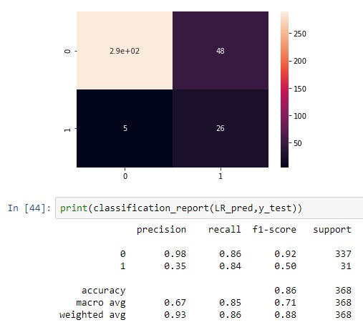 | Nil | Default | 'Age', 'Attrition', 'DailyRate', 'DistanceFromHome', 'Education', 'EnvironmentSatisfaction', 'HourlyRate', 'JobInvolvement', 'JobLevel', 'JobSatisfaction', 'MonthlyIncome', 'MonthlyRate', 'NumCompaniesWorked', 'OverTime', 'PercentSalaryHike', 'PerformanceRating', 'RelationshipSatisfaction', 'StockOptionLevel', 'TotalWorkingYears', 'TrainingTimesLastYear', 'WorkLifeBalance', 'YearsAtCompany', 'YearsInCurrentRole', 'YearsSinceLastPromotion', 'YearsWithCurrManager'
2 | Random Forest Classifier | 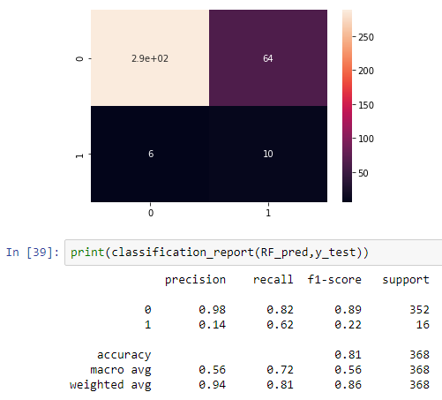 | NIL | Default | Same above
3 | Random Forest Classifier with RandomSearchCV | 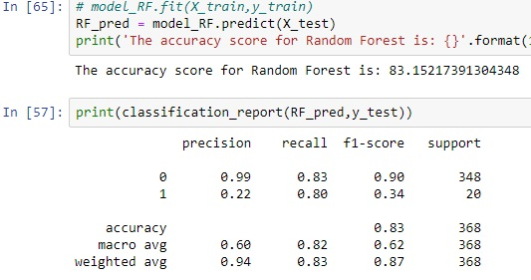 | RandomSearchCV | bootstrap': True,'criterion': 'gini','max_depth': 5,'max_features': 49,'n_estimators': 10 | Same above

