Core Java
Definitions
JDK | JRE + Development Kit (tools like compilers(javac) and debuggers (JDB))
JRE - Java Runtime Environment | JVM + Library classes
Javac | Java Compiler Generates byte code by converting .java file to .class file
JVM | Virtual machine for Java. Generates machine level language (native language) by converting .class(byte code) to machine level language
 | Software module that provides same execution environment for all java applications and takes care of translation to the underlying layers with regrads to execution instructions and resource management
Class | Fully implemented Structure. User defined data type Blue print for creating an object prototype for creating an object. Definition: Fully implemented user defined data-structure which acts as a blue print for creating an object.
Interface | fully unimplemented structure
Instance | Any dynamic memory allocation
object | instance of a class
instance variable | non static members of class
static variable | static members of class
type casting | process of converting the value of one data type to its equivalent value of another data type
implicit type casting | if jvm do the type casting automatically
explicit type casting | if jvm do the type casting with our specification
polymorphism | process of defining multiple functionalities with the same name with in the same class or sub class
static polymorphism | overloading
dynamic polymorphism | overriding
constructor | functionality which gets executed automatically by jvm at the time of creating an object
new operator | allocates memory for non static members of the class loads non static members of the class initializes non static members of the class executes constructor
default constructor | zero argument constructor provided by java compiler at the time of compilation if class does not define any constructor
why java.lang is default package? | it contains classes used by jvm to execute the byte code
StringBuffer | synchronized
StringBuilder | non synchronized
Wrapper class | Converting primitive data types to objects and vice versa
Boxing | Converting primitives to objects
Unboxing | converting objects to primitive data types
Autoboxing | automatic conversion of primitives to objects
autounboxing | automatic conversion of objects to primitives
Inheritance | making the properties of one object available to another object
Encapsulation | binding the data with its related functionalities
Abstraction | Hiding the data. We achieve abstraction through encapsulation. Without binding the data we don’t have class. Without class and declaring variables as private we can’t hide the data. Hence without encapsulation we can not have abstraction
Super | to point the properties of immediate super object of current object
Early binding | Process of binding the functionality to method at compile time
late binding (or)dynamic binding | process of binding the functionality to method at run time
abstract class | partially implemented and partially unimplemented structure
package | group of related classes
Factory method | method which returns an object of a class by executing the private constructor of same class. Example: we use factory method in singleton implementation
IO Operation | any data transfer operation
multi tasking | process of executing multiple functionalities simultaneously
Why multi tasking | to avoid cpu ideal state
process based multi tasking | process of executing multiple applications of different technologies simulatenously
Thread based multi tasking | process of executing multiple functionalities of same application simulatenously
Thread | functionality which can execute simultaneously with other parts of the program
Process | program under execution. (def by concurrent programming in java): A process is an operating-system abstraction that allows one computer system to support many units of execution. Each process typically represents a separate running program; for example, an executing JVM. Like the notion of a "computersystem", a "process" is a logical abstraction, not a physical one. So, for example, bindings from processes to CPUs may vary dynamically.
Thread | 1. Functionality which can execute simultaneously with other parts of the program 2. Part of the program under execution 3. Part of process 4. Light weight process
Scheduling | process of deciding which functionality should execute how much time this functionality has to execute what functionalty has to execute next scheduling will be done by jvm with the help of local OS Def by concurrent programming in Java: Computations and underlying policies that select which eligible thread to run add overhead. These may further interact with other system chores such as processing asynchronous events and garbage collection etc.
IPC - Inter Process Communication | To facilitate the communication between processes operating system support IPC, such as pipes and sockets. IPC also supports communication between processes running in different systems. Processes running in same computer system communicates using pipes. Processes running in different computer systems communicate using sockets.
Thread.start() | to hand over run() method of java.lang.Runnable interface to jvm to run as an independent task
multi threading | process of defining multiple functionalities as threads and executing multiple threads simultaneously
suspending thread | based on time - Thread.sleep(100); based on execution of another thread - t1.join(); suspend unconditionally to release the lock the current thread acquired - wait(),notify(), notifyAll() sleep(), join(), wait() - throws InterruptedException
Thread safe | process of avoiding multiple threads enter common functionality of common object simultaneously we achive thread safe using synchronized key word
wait() | To release the lock that current thread holding and thread goes to wait state wait() can be called from synchronized block only because intrinsic lock can be acquired while entering into synchronized method or synchronized block and released on exit of synchronized method or synchronized block
notify() | To place a request to jvm to reschedule the thread which has gone to wait state by calling wait() method
stream | continuous flow
IO Streams | continuous flow of data
volatile | preventing threads caching variable that is changing(from the same thread or by other thread)
Collection | Container simply an object which groups multiple elements into single unit
Collection sub interfaces | Set, List, Queue, Deque
Map sub interfaces | SortedMap, NavigableMap, ConcurrentMap, ConcurrentNavigableMap
Set | 1. Collection that cannot contain duplicates. 2. Allows insertion of one null value Note: we have to override hashCode(), equals() methods to decide duplicate objects. Whenever we are inserting value to set, JVM will check whether this object is equal to any of the existing objects in set. First hashcode() method will be called on two objects. If they return same hashcode then equals() method will be called for those two objects. if equals returns true then new object will be duplicate to existing object, so new object will not be inserted.
SortedSet | 1. Set which maintains its elements in a sorted ascending order. Ex: Used for natural ordered sets like word list.
List | 1. Order collection 2. allows insertion of null values 3. list can contain duplicates 4. can access elements using index
Queue | 1. Collection used to hold multiple values prior to processing 2. do not allow insetion of null values
Deque | 1. collection used to hold multiple values prior to processing 2. unlike queue in deque we can insert, retrieve, remove elements from both ends
Map | 1. collection which maps keys to values 2. allows one null key 3. do not allow duplicate keys 4. allows duplicate values
SortedMap | 1. Map which maintains elements in sorted key order. Ex: Used for natural ordered pair like dictionary
conversion constructor | constrcutor in collection implementation classes whose argument is java.util.Collection interface
Traversing collection | 1. Aggregate functions 2. foreach 3. Iterator
new aggregate functions | stream() parallelStream()
old aggregate functionals | addAll(), removeAll(), containsAll()
differnce between old and new aggregate functions | old aggregate functions are mutative(changes underlying collection). New aggregate functions are not mutative
Iterator | Object used to traverse the collection and remove elements from collection selectively if required
Set implementations | General implementations: TreeSet, HashSet, LinkedHashSet special purpose implementations: java.util.EnumSet, java.util.concurrent.CopyOnWriteArraySet
SortedSet implementation | TreeSet
List implementations | General implementations: Vector, ArrayList, LinkedList Special purpose implementations: java.util.concurrent.CopyOnWriteArrayList
Queue implementation | PriorityQueue
Deque implementations | ArrayDeque, LinkedList
Map implementations | General implemenatitons: TreeMap, HashTable, HashMap, LinkedHashMap Special implemenatitons: java.util.EnumMap, java.util.WeakHashMap, java.util.IdentityHashMap
SortedMap implementations | TreeMap
mutually comparable | elements which can be compared each other
How to convert array as list? | java.util.Arrays.asList() this list does not support operations like add, remove, set because unlike normal list the size of this list is fixed and size equal the number of elements of array. The changes to elements to list will be reflected in underlying array
how to create synchronized list? | java.util.Collections.synchronizedList() method signature: public static <T> List<T> synchronizedList(List<T> list); Example: List list = Collections.synchronizedList(new ArrayList());
package java.lang; public class Comparable<T>{ public int compareTo(T o); } recieving object - o specified object - on which compareTo is called | recieving object < specified object ==> negative integer recieving object == specified object ==> zero recieving object > specified object ==> positive integer
package java.util; public class Comparator<T>{ public int compare(T o1, T o2); } | o1 < o2 ==> return negative value o1 == o2 ==> return zero o1 > o2 ==> return positive value
Collection new Aggregate functions | Streams, pipelines
Pipelines | Sequence of aggregate operations Ex: roaster.stream().forEach(p -> System.out.println(p.getName()));
pre-defined Reduction operations in java API | min, max, sum, count, average etc
general reduction operations | java.util.stream.Stream.reduce(identity, accumulator); java.util.stream.Stream.collect(supplier, accumulator, combiner);
java.util.concurrent.CopyOnWriteArrayList | A thread-safe variant of ArrayList in which all mutative operations (add, set, and so on) are implemented by making a fresh copy of the underlying array. This is ordinarily too costly, but may be more efficient than alternatives when traversal operations vastly outnumber mutations, and is useful when you cannot or don't want to synchronize traversals, yet need to preclude interference among concurrent threads. The "snapshot" style iterator method uses a reference to the state of the array at the point that the iterator was created. This array never changes during the lifetime of the iterator, so interference is impossible and the iterator is guaranteed not to throw ConcurrentModificationException. The iterator will not reflect additions, removals, or changes to the list since the iterator was created. Element-changing operations on iterators themselves (remove, set, and add) are not supported. These methods throw UnsupportedOperationException. All elements are permitted, including null. Memory consistency effects: As with other concurrent collections, actions in a thread prior to placing an object into a CopyOnWriteArrayList takes care of happen-before actions subsequent to the access or removal of that element from the CopyOnWriteArrayList in another thread.
For explanation about each collection class | refer Outline-of-Collections-Framework.doc in (JavaPrep)
printing all members of collections using stream() | persons.stream().forEach(person -> {System.out.println(person);});
printing female members using pipeline of aggregate operations | persons.stream() .filter(person -> person.getGender() == Person.Sex.FEMALE) .forEach(person -> {System.out.println(person);});
Pipeline contains | 1. source 2. zero or more intermediate operations 3. terminal operation
source | This could be a collection, an array, a generator function, or an I/O channel. In this example, the source is the collection persons.
Zero or more intermediate operations | An intermediate operation, such as filter, produces a new stream. stream is a sequence of elements. Unlike a collection, it is not a data structure that stores elements. Instead, a stream carries values from a source through a pipeline. This example creates a stream from the collection roster by invoking the method stream(). filter operation returns a new stream that contains elements that match its predicate (this operation's parameter). In this example, the predicate is the lambda expression e -> e.getGender() == Person.Sex.MALE. It returns the boolean value true if the gender field of object e has the value Person.Sex.MALE. Consequently, the filter operation in this example returns a stream that contains all male members in the collection roster.
terminal operation | A terminal operation, such as forEach, produces a non-stream result, such as a primitive value (like a double value), a collection, or in the case of forEach, no value at all. In this example, the parameter of the forEach operation is the lambda expression person -> {System.out.println(person.getName());}, which invokes the method getName on the object person. (The Java runtime and compiler infer that the type of the object person is Person.)
average age of all male members contained in the collection roster with a pipeline that consists of the aggregate operations filter, mapToInt, and average: | double average = roster.stream().filter(p -> p.getGender() == Person.Sex.MALE).mapToInt(Person::getAge).average().getAsDouble(); The mapToInt operation returns a new stream of type IntStream (which is a stream that contains only integer values). The operation applies the function specified in its parameter to each element in a particular stream. In this example, the function is Person::getAge, which is a method reference that returns the age of the member. (Alternatively, you could use the lambda expression e -> e.getAge()) Consequently, the mapToInt operation in this example returns a stream that contains the ages of all male members in the collection roster. The average operation calculates the average value of the elements contained in a stream of type IntStream. It returns an object of type OptionalDouble. If the stream contains no elements, then the average operation returns an empty instance of OptionalDouble, and invoking the method getAsDouble throws a NoSuchElementException. The JDK contains many terminal operations such as average that return one value by combining the contents of a stream. These operations are called reduction operations; see the section Reduction for more information
Differences Between Aggregate Operations and Iterators | 1. Aggregate operations use internal iteration 2. Aggregate operations process elements from a stream 3. Aggregate operations support behavior as parameters
Aggregate operations use internal iteration | Aggregate operations do not contain a method like next to instruct them to process the next element of the collection. With internal delegation, your application determines what collection it iterates, but the JDK determines how to iterate the collection. With external iteration, your application determines both what collection it iterates and how to iterate it. However, external iteration can only iterate over the elements of a collection sequentially. Internal iteration does not have this limitation. It can more easily take advantage of parallel computing, which involves dividing a problem into subproblems, solving those problems simultaneously, and then combining the results of the solutions to the subproblems.
Aggregate operations process elements from a stream | Aggregate operations process elements from a stream, not directly from a collection. Consequently, they are also called stream operations.
Aggregate operations support behavior as parameters | You can specify lambda expressions as parameters for most aggregate operations. This enables you to customize the behavior of a particular aggregate operation
Reduction/terminal operations in JDK | min, max, sum, count, average
Reduction/terminal operations return | Return one value by combining the contents of a stream. These operations are called reduction operations. The JDK also contains reduction operations that return a collection instead of a single value. Many reduction operations perform a specific task, such as finding the average of values or grouping elements into categories. However, the JDK provides you with the general-purpose reduction operations reduce and collect
general reduction operations | java.util.stream.Stream.reduce(identity, accumulator); java.util.stream.Stream.collect(supplier, accumulator, combiner);
reduce, collect operations present in | java.util.stream.Stream (Interface)
Stream.reduce method detailed explanation | refer t_collection_stream_reduce.jpg in (JavaPrep\images\1_core_java)
Stream.collect method detailed explanation | refer u_Stream.collect_method.doc in (JavaPrep\images\1_core_java)
Parallelism in Collection framework | Parallel computing involves dividing a problem into subproblems, solving those problems simultaneously (in parallel, with each subproblem running in a separate thread), and then combining the results. Java SE provides the fork/join framework, which enables you to more easily implement parallel computing in your applications. However, with this framework, you must specify how the problems are subdivided (partitioned). With aggregate operations, the Java runtime performs this partitioning and combining of solutions for you.
 | One difficulty in implementing parallelism in applications that use collections is that collections are not thread-safe, which means that multiple threads cannot manipulate a collection without introducing thread interference or memory consistency errors. The Collections Framework provides synchronization wrappers, which add automatic synchronization to an arbitrary collection, making it thread-safe. However, synchronization introduces thread contention. You want to avoid thread contention because it prevents threads from running in parallel. Aggregate operations and parallel streams enable you to implement parallelism with non-thread-safe collections provided that you do not modify the collection while you are operating on it.
parallel grouping based on gender | ConcurrentMap<Person.Sex, List<Person>> genderGrouping = persons.parallelStream() .collect(Collectors.groupingByConcurrent(Person::getGender));
Above is called a concurrent reduction. The Java runtime performs a concurrent reduction if all of the the following are true for a particular pipeline that contains the collect operation: | 1. The stream is parallel. 2. The parameter of the collect operation, the collector, has the characteristic Collector.Characteristics.CONCURRENT. To determine the characteristics of a collector, invoke the Collector.characteristics method. 3. Either the stream is unordered, or the collector has the characteristic Collector.Characteristics.UNORDERED. To ensure that the stream is unordered, invoke the BaseStream.unordered operation.
 | Note: This example returns an instance of ConcurrentMap instead of Map and invokes the groupingByConcurrent operation instead of groupingBy. (See the section Concurrent Collections for more information about ConcurrentMap.) Unlike the operation groupingByConcurrent, the operation groupingBy performs poorly with parallel streams. (This is because it operates by merging two maps by key, which is computationally expensive.) Similarly, the operation Collectors.toConcurrentMap performs better with parallel streams than the operation Collectors.toMap.
Ordering collection elements | refer v_ordering_collection_elements.pdf in (JavaPrep\images\1_core_java)
Side effects and precautions on using collections parallel streams | refer w_side_effects_on_collection_parallel_stream.doc in (JavaPrep\images\1_core_java)
Functional interface | Interface which has only one method
some examples for functional interfaces in java api | java.lang.Runnable { run();} java.lang.Comparable{ compareTo(T o1); } java.lang.AutoCloseable { close(); } java.lang.reflect.InvocationHandler{ invoke(); } (used on dynamic proxies) java.util.Comparator { compare(T o1, T o2); } java.util.function.Function java.util.function.Predicate java.io.Closeable { close(); } javax.naming.Referenceable{ Reference getReference() throws NamingException;} ==> used in JNDI org.springframework.jdbc.core.ResultSetExtractor{ extractData(java.sql.ResultSet) ==> used in Spring JDBC
Exception | Exception is an event, which occurs during the execution of a program, that disrupts normal flow of program's instructions
Resource | an object that must be closed after the program is finished with it
Types of exceptions | 1. CheckedExceptions - exception classes which extends java.lang.Exception class 2. UncheckedExceptions/runtime exceptions - exception classes which extends java.lang.RuntimeException class 3. Error - classes which extends java.lang.Error class. Example: java.lang.NoClassDefFoundError, java.io.IOError
try-with-resource statement | try-with-resource statement ensures the each resource is closed at the end of the statetement regardless of whether the try statement completes normally or abruptly. Any object which implements java.lang.AutoCloseable or java.io.Closeable can be used as resource. interface java.io.Closeable extends java.lang.AutoCloseable{ ----- }
throws | to remind the compiler that the method can throw an exception
throw | creates an exception object and throws it
Advantages of exception | 1. Seperates error handling code from regular code 2. Propogating errors up to the call stack 3. Grouping and differentiating error types
try block | identifies the code in which exception can occur
catch block | identifies block of code known as exception handler
finally | block of code that guarantees to execute
Nested Classes type | 1. Static nested classes 2. non-static nested classes/inner classes
Inner classes | 1. Local Inner classes 2. Anonymous inner classes
Local classes | 1. classes declared with in a method 2. classes declared with in a block
anonymous inner classes | classes declared with in a method without a name. we can declare static final variables in inner classes. we cannot declare static variables/methods in inner classes.
Different Web Services | SOAP - JAX WS REST - JAX RS
SOAP | Simple Object Access Protocol. This will be in XML format
WSDL | Web Service Definition Language Web Service Description Language
UDDI | Universal Description, Discovery and Integration
SEI | Service End-point Interface Note: It translates our web service call to SOAP service call and calls the web service. We will have SEI specific to technology. For example we have .Net web service which is used by Java and C++ applications. So we will have SEI specific to Java at Java application side and SEI specific to C++ at C++ aplication side which will take care of conversion to SOAP messages based on application's technology.
wsimport | Tool used to generate stub for calling web service. This tool will come with jdk. We can see this in jdk/bin folder.
2 approaches in writing web services | 1. Service first (code first) -> first we write service class and then generate WSDL 2. Contract first -> first we write WSDL and then write service class
What an interface can contain? | 1. abstract methods (methods without implementation) 2. constants (public static final variables) 3. default methods - methods declared with default keyword 4. static methods - methods declared with static keyword
default and static methods in interface | public interface InterfaceWithMethod { public void test(); public default void test2(){ System.out.println("Hello World"); } public static void test3(){ System.out.println("test()");}} public class InterfaceWithMethodImpl implements InterfaceWithMethod { @Override public void test() {System.out.println("test().....");} public static void main(String[] args) {InterfaceWithMethodImpl obj = new InterfaceWithMethodImpl(); obj.test(); obj.test2(); InterfaceWithMethod.test3();}}
Annotations | 1. a form of metadata. 2. Provides data about program which is not part of program itself
Annotations uses | 1. Information to the compiler 2. Compile time processing 3. deployment-time processing 4. run-time processing
Repeating Annotation | Def: Same annotation can be applied multiple times on same element. Introduced in Java SE 8 @Author(name="jack") @Author(name="sparrow") public void myBook() {---} --supported from java 8 on wards
Annotations can be applied on | 1. Class declarations 2. Field declarations 3. Method declarations etc
Type Annotations | Annotations can be applied on use types. Introduced from Java 8
Examples of Type Annotations | use of types: 1. Implements clause: class UnmodifiableList<T> implements @Readonly List<@Readonly T>{ --- } 2. Instance creation: new @Interned MyObject() 3. Type casting: String name = (@NonNull String) name2; 4. Thrown exceptions: public void test() throws @Critical TestException{ --- }
Declaring Annotation | public @interface ClassPreamble{ String author(); String date(); String[] reviewers(); } -----------usage--------------- @ClassPreamble(author="john", date="8-Apr-2015" reviewers={"jack","jill"}) public class TestClass{----}
Predefined annotations in java.lang | Only 4 annotations in java.lang: Depricated, Override, SafeVarargs, SuppressWarnings
SuppressWarnings values | @SuppressWarnings("deprecation","unchecked", "unused","rawtypes","serial","null" );
SafeVarargs | When applied on method or constructor, asserts that does not perform any unsafe operations on var args
Meta annotations | Annotation that apply to other annotations. There 5 meta annotations declared in java.lang.annotation package
Meta annotations in java.lang.annotation package | @Documented, @Inherited, @Repeatable, @Retention, @Target
java.lang.annotation.Documented | When applied on specific element, that element should be documented by java doc tool
java.lang.annotation.Inherited | Annotation type can be inherited from super class. When user queries for annotation type and that class don’t have annotation then super class will be queried for annotation type
java.lang.annotation.Repeatable | Same annotation can be applied multiple times on same element. Introduced in Java SE 8
java.lang.annotation.Retention | RetentionPolicy.SOURCE RetentionPolicy.CLASS RetentionPolicy.RUNTIME
java.lang.annotation.Target | Defines the target elements of annotation ElementType -> PACKAGE, CONSTRUCTOR, FIELD, METHOD, PARAMETER, LOCAL_VARIABLE, TYPE, ANNOTATION_TYPE
Declaring Repeatable annotations | Step 1: Declare Repeatable annotation type @Repeatable(Schedules.class) public @interface Schedule{ public String dayOfMonth(); default "Monday"; } Step 2: Declare the containing annotation type public @interface Schedules{ public Schedule[] value(); }
Java reflection | classes, constructors, fields, methods, arrays getters and setters, private fields and methods, annotations, generics dynamic proxies, dynamic class loading and reloading
Reflection | Using reflection we can inspect java classes at run time
Getting the class java.lang.Class object at run time | If we know class name at compile time: Class obj = MyObject.class; If we don’t know class name at compile time and if we are getting class name as String at run time: Class obj = Class.forName("com.reflection.MyObject"); Note: class name should be fully packaged name.
Getting the class name from class object | Fully qualified name: classObj.getName(); Class name without package name: classObj.getSimpleName();
Getting class modifiers like public, private, static etc | int modifiers = classObj.getModifiers(); we can check the modifiers using the methods in java.lang.reflect.Modifier
Different methods available in class object | class.getSuperClass(); classObj.getInterfaces(); classObj.getModifiers() classObj.getConstructors(); classObj.getFields(); classObj.getMethods() classObj.getAnnotations();
reflection - Constructors java.lang.reflect.Constructor | return all public constructors: Constructor[] constructors = classObj.getConstructors(); return specific constructor which takes specific argument: Constructor con = classObj.getConstructor(new Class[]{String.class}); to get constructor parameters: Class[] parameterTypes = con.getParameterTypes(); Instantiating object using constructor object: Constructor con = MyObject.class.getConstructor(String.class); MyObject obj = (MyObject) con.newInstance("hello");
reflection - fields java.lang.reflect.Field | Field[] fields = classObj.getFields(); Field field = classObj.getField("someField); String fieldName = field.getName();
Getting and setting field values | Class classObj = MyObject.class; MyObject obj = new MyObject(); Field field = classObj.getField("someField"); Object value = field.get(obj); field.set(obj,value);
Accessing private Fields using reflection | MyObject.class.getDeclaredField(String name); MyObject.class.getDeclaredFields();
Accessing private methods using reflection | MyObject.class.getDeclaredMethod(String name, Class[] parameterTypes); MyObject.class.getDeclaredMethods();
Reflection - annotations | Class annotations: MyObject.class.getAnnotations(); MyObject.class.getAnnotation(MyAnnotation.class); Field annotations: field.getDeclaredAnnotations(); field.getAnnotation(MyAnnotation.class); Method annotations: method.getDeclaredAnnotations(); method.getAnnotation(MyAnnotation.class); Parameter annotations: method.getParameterAnnotations();
Reflection - generics | Generic method return types Generic method parameter types Generic field types
Creating object using java reflection 1. we know the class at run time as String 2.class has zero argument constructor | class name: com.reflect.MyClass creating object: Class.forName("com.reflect.MyClass").newInstance();
Creating object using java reflection 1. we know the class at run time as String 2. class has argumented constructor (no zero argument constructor) | class MyClass{ public MyClass(String name){ --- }; } ---------creating object--------- Class classObj = Class.forName("com.reflect.MyClass"); java.lang.reflect.Constructor constructor = classObj.getConstructor(String.class); MyClass obj = constructor.newInstance("jackie");
creating array of int[3] using reflection API | int[] intArray = (int[]) java.lang.reflect.Array.newInstance(int.class, 3);
Removing nulls from list | list.removeAll(java.util.Collections.singleton(null));
RMI : Remote Method Invocation | Allows an object running in one java virtual machine to invoke methods on object running in another java virtual machine.
Remote Object | Object whose methods can be invoked across java virtual machines
How an object becomes remote? | An object becomes remote by implementing remote interface. 1. A remote interface extends java.rmi.Remote interface 2. All the methods of remote interfaces must declare java.rmi.RemoteException in it's throws clause, in addition to any application specific exceptions
some Marker interfaces | java.rmi.Remote java.io.Serializable
RMI application contains 2 separate programs | 1. Server 2. Client
Server program | 1. Creates remote object 2. make references to remote objects available over the network 3. waiting for client request to invoke methods on remote objects
Client program | 1. Obtains reference of one or more remote objects from server 2. invokes methods on remote objects
Distributed object applications | RMI provides mechanism for the communication of server and client and exchange information back and forth
Steps of distributed object application | 1. Locate Remote object (Server makes remote object reference available through RMI register) 2. Communicate with remote objects 3. Load class definitions of objects that are passed around
Steps for creating distributed application using RMI | 1. Design the components of distributed application 2. Implementing the component of distributed application 3. Compiling the sources 4. Making classes network accessable 5. Starting the application
Passing object in RMI | 1. Remote objects are passed by reference. Remote object reference is stub, which is a client-side proxy which implements same set of interfaces that remote object implements. 2. Local objects are passed by value using object serialization. All fields are copied except fields that are marked static and transient.
ExecutorService implementation | import java.util.concurrent.ExecutorService; import java.util.concurrent.Executors; import java.util.concurrent.TimeUnit; public class ExecutorServiceDemo { public static void main(String[] args) { ExecutorService executor = Executors.newFixedThreadPool(2); for(int i=0;i<5;i++){ executor.submit(new RunnerG(i)); } executor.shutdown(); System.out.println("All tasks submitted."); try { executor.awaitTermination(1, TimeUnit.DAYS); } catch (InterruptedException e) { e.printStackTrace(); } System.out.println("All tasks completed."); } } class RunnerG implements Runnable { public void run() { --- } }
serializing local and anonymous inner classes. creates synthetic constructs. What is synthetic constructor?
JAXP | Java API for XML Processing
JAXP implementations | 1. Simple API for XML Processing (SAX) 2. Document Object Model (DOM) 3. XSLT (Extensible Stylesheet Language Transformation) 4. StAX (Streams API for XML)
Dynamic Proxies - Dynamic interface implementations | 1. Creating dynamic implementations of interface at run time 2. We achieve this using java.lang.reflect.Proxy class
Dynamic proxy class | class that implements list of interfaces specified, at run time when class is created
proxy interface | Interface that is implemented by proxy class
proxy instance | instance of a proxy class
Threads communicate each other with fields and object reference that fields refer to. Because of this 2 problems can occur.What are they? | 1. Thread interference 2. Memory Consistency Errors
Synchronized methods enables strategy to prevent thread interference and memory consistency problems | if object is visible to more than one thread then all reads and writes to object's variables are done through synchronized keyword.
Intrinsic lock/ monitor lock/monitor/ MUTEX | Every object has an intrinsic lock. When one thread aquires an intrinsic lock of one object another threads has to wait for intrinsic lock to be unlocked Note: None of the synchronization locks held by the caller thread are held by the new thread
How intrinsic lock will be acquired for static methods | since a static method is associated with a class, not an object. The thread acquires the intrinsic lock for the Class object associated with the class. Thus access to class's static fields is controlled by a lock that's distinct from the lock for any instance of the class.
Reentrant Synchronization/ Reentrant locks | Recall that a thread cannot acquire a lock owned by another thread. But a thread can acquire a lock that it already owns. Allowing a thread to acquire the same lock more than once enables reentrant synchronization. This describes a situation where synchronized code, directly or indirectly, invokes a method that also contains synchronized code, and both sets of code use the same lock. Without reentrant synchronization, synchronized code would have to take many additional precautions to avoid having a thread cause itself to block.
Liveness | A concurrent application's ability to execute in timely manner Liveness problems: Deadlock, Starvation,Livelock, Missed Signals, Nested monitor lockouts, Resource exhaustion, Distributed Failure
Deadlock | Situation where two or more threads are blocked forever, waiting for each other
Solution to avoid deadlock | Resource ordering - threads acquiring the locks in one order and releasing locks in the same order
Starvation | Starvation describes a situation where a thread is unable to gain regular access to shared resources and is unable to make progress. This happens when shared resources are made unavailable for long periods by "greedy" threads. For example, suppose an object provides a synchronized method that often takes a long time to return. If one thread invokes this method frequently, other threads that also need frequent synchronized access to the same object will often be blocked
Livelock | A thread often acts in response to the action of another thread. If the other thread's action is also a response to the action of another thread, then livelock may result. As with deadlock, livelocked threads are unable to make further progress. However, the threads are not blocked — they are simply too busy responding to each other to resume work. This is comparable to two people attempting to pass each other in a corridor: Alphonse moves to his left to let Gaston pass, while Gaston moves to his right to let Alphonse pass. Seeing that they are still blocking each other, Alphone moves to his right, while Gaston moves to his left. They're still blocking each other, so..
Gaurded blocks | wait(), notify(), notifyAll()
Immutable objects | object whose state can not be changed once it is constructed
Executor interfaces (all are in java.util.concurrent package) | Executor, ExecutorService, ScheduledExecutorService ExecutorService extends Executor ScheduledExecutorService extends ExecutorService
Creating thread pools | java.util.concurrent.Executors.newFixedThreadPool() java.util.concurrent.Executors.newCachedThreadPool() java.util.concurrent.Executors.newSingleThreadExecutor() -------------- if above are not enough---------- java.util.concurrent.ThreadPoolExecutor java.util.concurrent.ScheduledThreadPoolExecutor
Fork/Join --> ForkJoinPool, ForkJoinTask | Designed for work that can be broken to smaller pieces recursively. Works on work-steal algorithm The first step for using the fork/join framework is to write code that performs a segment of the work. Your code should look similar to the following pseudocode: if (my portion of the work is small enough) do the work directly else split my work into two pieces invoke the two pieces and wait for the results
Collection Interfaces in java.util.concurrent | BlockingQueue ConcurrentMap extends java.util.Map ConcurrentNavigableMap extends ConcurrentMap
BlockingQueue implementation | ArrayBlockingQueue
ConcurrentMap implementation | ConcurrentHashMap (similar to HashMap)
ConcurrentNavigableMap | ConcurrentSkipListMap (similar to TreeMap)
How to generate random numbers in application that use random numbers from multiple threads? | Use java.util.concurrent.ThreadLocalRandom class. Ex: int r = ThreadLocalRandom.current().nextInt(4,77); args: lower and upper bounds
Concurrency constructs in java programming language | 1. Exclusion 2. State dependence 3. creating threads
Exclusion | Maintaining consistant states of objects by preventing unwanted interference among concurrent activities, often using synchronized methods. We achieve Exclusion using Immutable objects, Synchronization, Confinement
State dependence | Triggering, preventing, postponing, recovering from actions depending on whether objects are in states in which these actions could or did succeed, sometimes using monitor methods Object.wait, Object.notify, and Object.notifyAll
Creating threads | Establishing and managing concurrency, using Thread objects
Intrinsic lock/ monitor lock/monitor/MUTEX | Every instance of class Object (or its subclasses) possesses a lock that is obtained on an entry to synchronized method and automatically released upon exit. Lock can be obtained by entering into synchronized method or synchronized code block. The synchronized code block version works in the same way (like synchronized method) except that it takes an argument stating which object to lock. The most common argument is "this" (current object), meaning to lock the object whose method is executing. When a lock is held by one thread, other threads must block waiting for the holding thread to release the lock. Locking has no effect on non-synchronized methods, which can execute even if the lock is being held by another thread. Note: None of the synchronization locks held by the caller thread are held by the new thread
some simple default rules for writing methods that preclude interference problems | 1. Always lock during updates to object fields. 2. Always lock during access of possibly updated object fields. 3. Never lock when invoking methods on other objects.
Thread Group | Represents a set of threads. In addition, a thread group can also include other thread groups. The thread groups form a tree in which every thread group except the initial thread group has a parent. A thread is allowed to access information about its own thread group, but not to access information about its thread group's parent thread group or any other thread groups.
what Daemon status of thread will do? | the setDaemon status asserts that the JVM may exit, abruptly terminating the thread, as long as all other non-daemon threads in the program have terminated. Daemon status can be set only before thread is started.
daemons | continuous processes, that are always present in the system
Thread t1 = new Thread(); t1.start(); t1.start(); | throws InvalidThreadStateException
Priorities | 1. Each Thread has a priority, ranging between Thread.MIN_PRIORITY and Thread.MAX_PRIORITY (defined as 1 and 10 respectively). 2. By default, each new thread has the same priority as the thread that created it. The initial thread associated with a main by default has priority Thread.NORM_PRIORITY (5). 3. The current priority of any thread can be accessed via method getPriority. 4. The priority of any thread can be dynamically changed via method setPriority. The maximum allowed priority for a thread is bounded by its ThreadGroup. Note: To implement the Java virtual machine across diverse hardware platforms and operating systems, the Java programming language makes no promises about scheduling or fairness, and does not even strictly guarantee that threads make forward progress (see § 3.4.1.5). But threads do support priority methods that heuristically influence schedulers.
Priority Inversions | Priority settings tend to be of value only when there may be many more runnable threads than CPUs, and the tasks running in these threads intrinsically have different urgencies or importances. This occurs most commonly in embedded (soft) real-time systems where a single small processor must carry out many tasks that interact with its environment. Reliance on priority settings can complicate notification policies. Even if notifications unblock (and run) threads in highest-priority-first order, systems may still encounter priority inversions. A priority inversion occurs when a high-priority thread becomes blocked waiting for a low-priority thread to complete and then release a lock or change a condition needed by the high-priority thread. In a system using strict priority scheduling, this can cause the high-priority thread to starve if the low-priority thread does not get a chance to run. Detailed explanation refer 3.4.1.6 in Concurrent programming in java.
What thread will have? | 1. String name for tracing and debugging 2.ThreadLocal 3. ThreadGroup 4. Priority 5. Daemon status 6. Interruption status
Some important methods in Thread class | Thread.sleep(100); join(); wait(); notify(); notifyAll(); interrupt(); Thread.interrupted(); t.isInterrupted(); start(); stop(); suspend(); resume(); destroy(); setDaemon(boolean); isDaemon(); Thread.currentThread(); setPriority(); getPriority();
Thread.yield() | Def: Thread.yield is a hint to JVM that if there are any other runnable but non-running threads, the scheduler should run one or more of these threads rather than the current thread. The JVM may interpret this hint in any way it likes. Despite the lack of guarantees, yield can be pragmatically effective on some single-CPU JVM implementations that do not use time-sliced pre-emptive scheduling. In this case, threads are rescheduled only when one blocks (for example on IO, or via sleep). On these systems, threads that perform time-consuming non-blocking computations can tie up a CPU for extended periods, decreasing the responsiveness of an application. As a safeguard, methods performing non-blocking computations that might exceed acceptable response times for event handlers or other reactive threads can insert yields (or perhaps even sleeps) and, when desirable, also run at lower priority settings. To minimize unnecessary impact, you can arrange to invoke yield only occasionally; for example, a loop might contain: if (Math.random() < 0.01) Thread.yield(); On JVM implementations that employ time-sliced pre-emptive scheduling policies, especially those on multiprocessors, it is possible and even desirable that the scheduler will simply ignore this hint provided by yield.
Some example of concurrent processing | Web Services, Number crunching, IO processing, simulation, GUI based applications (MDBs), Embedded systems
Concurrent execution constructs | 1. Computer Systems (like clusters) 2. Processes (refer javaPrep/images/2_concurrent_programming_in_java/1_process_by_concurrent_programming_in_java.jpg) 3. Threads (refere javaPrep/images/2_concurrent_programming_in_java/3_threads.jpg)
Safety | Nothing bad ever happens to an object
Liveness | General Definition: Concurrent program's ability to run in timely manner Def by concurrent programming in java: Something eventually happens within an activity
Safety and liveness discussion | Safety failures lead to unintended behavior at run time — things just start going wrong. Liveness failures lead to no behavior — things just stop running. Sadly enough, some of the easiest things you can do to improve liveness properties can destroy safety properties, and vice versa. Getting them both right can be a challenge.
Liveness failures | 1. Deadlock 2. Starvation. The JVM/OS fails to allocate CPU time to a thread. This may be due to scheduling policies or even hostile denial-of-service attacks on the host computer 3. Livelock. A continuously retried action continuously fails 4. Missed signals: A thread remains dormant because it started waiting after a notification to wake it up was produced 5. Nested monitor lockouts: A waiting thread holds a lock that would be needed by any other thread attempting to wake it up 6. Resource exhaustion: A group of threads together hold all of a finite number of resources. One of them needs additional resources, but no other thread will give one up 7. Distributed failure: A remote machine connected by a socket serving as an InputStream crashes or becomes inaccessible
Scheduling (by concurrent programming in java) | Computations and underlying policies that select which eligible thread to run add overhead. These may further interact with other system chores such as processing asynchronous events and garbage collection etc.
Three before/after design patterns can be used to separate the checks(condition checks) from original method | 1. Adapter classes (refer 1.4.2 in concurrent programming java book) 2. Subclass based design (refer 1.4.3 in concurrent programming in java book) 3. method adapter classes (refer 1.4.4 in concurrent programming in java book)
Exclusion | In a safe system, every object protects itself from integrity violations. This sometimes requires the cooperation of other objects and their methods. Exclusion techniques preserve object invariants and avoid effects that would result from acting upon even momentarily inconsistent state representations. Programming techniques and design patterns achieve exclusion by preventing multiple threads from concurrently modifying or acting upon object representations. All approaches rely on one or more of three basic strategies: Immutability: Eliminating the need for some or all exclusion control by ensuring that methods never modify an object's representation, so that the object cannot enter inconsistent states. Synchronization: Dynamically ensuring that only one thread at a time can access object state, by protecting objects with locks and related constructs. Confinement: Structurally ensuring that only one thread (or only one thread at a time) can ever use a given object, by hiding or restricting access to it.
Approaches to achieve exclusion | Immuntability, Synchronization, Confinement
Immutable objects | Objects whose state cannot be changes once it is constructed. The simplest immutable objects have no internal fields at all. Their methods are intrinsically stateless — they do not rely on any assignable fields of any object. For example, all possible uses of the following StatelessAdder class and its add method are obviously always safe and live: class StatelessAdder { public int add(int a, int b) { return a + b; } } The same safety and liveness properties hold in classes possessing only final fields. Instances of immutable classes cannot experience low-level read-write or write-write conflicts,because values are never written. And as long as their initial values are established in a consistent,legal fashion, these objects cannot experience higher-level invariant (validation) failures. Example in java api for this java.util.concurrent.atomic.AtomicInteger For example: class ImmutableAdder { private final int offset; public ImmutableAdder(int a) { offset = a; } public int addOffset(int b) { return offset + b; } }
Approaches to achieve immutable objects | 1. Abstract data types (ADT) 2. Value containers 3. Shared state representation
Abstract data types | Immutable objects can serve as instances of simple abstract data types representing values. Some common ones are already defined in the java.* packages. These include java.awt.Color, java.lang.Integer, java.math.BigDecimal, java.lang.String, and others. It is easy to define your own ADT classes, for example, Fraction, Interval,ComplexFloat, and so on. Instances of such classes never alter their constructed field values, but may provide methods that create objects representing new values.
Why immutable objects have to override equals() and hashcode() methods | Classes that represent immutable data abstractions have instances that serve only to encapsulate values, so their identities are not important. For example, two java.awt.Color objects that both represent black (via RGB value 0) are typically intended to be treated as equivalent. This is one reason why ADT-style classes should normally override methods Object.equals and Object.hashCode to reflect equality of abstract value, as illustrated in the Fraction class. The default implementations of these methods rely on the identities of objects maintaining these values. Masking identity by overriding equals enables multiple ADT objects to represent the same values and/or perform the same functionality without clients needing to know or care exactly which ADT object is being used at any given time.
Value containers | Immutable objects can be used when it is necessary or convenient to establish some consistent state once and then rely on it forever more. For example, an immutable ProgramConfiguration object may reflect all of the settings to be used during the execution of a given program. Immutable value containers can also be useful whenever creating different variants, versions, or states of an object by creating new ones through partial copying is relatively rare or cheap. In these cases, the expense of copying may be outweighed by the benefits of never needing to synchronize state changes. The analog of a state change for an immutable object is to produce a new immutable object that differs from the original in some specified way.
Sharing | Immutability is a useful technical device when you would like to share objects (instead of creating new object each time) for space efficiency, and still provide efficient access to these objects. One immutable object can be referenced by any number of other objects without concern for synchronization or access restriction. For example, many individual character (or glyph) objects may all share references to the same immutable font object. This is one application of the Flyweight pattern described in the Design Patterns book. Most Flyweights designs are simplest to establish by ensuring the immutability of shared representations.
Tip to immutable objects ==> Construction | To be effective, all design decisions relying on immutability must be enforced via appropriate use of the final keyword. Additionally, some care is required when initializing immutable objects. In particular, it is counterproductive to make an immutable object available to others before it has been fully initialized. As a general rule holding for any kind of class: • Do not allow fields to be accessed until construction is complete.
Why immutable objects also need synchronization? | In some cases, the values of conceptually immutable fields cannot be fully initialized in constructors, for example, when they are incrementally initialized from files, or when there are interdependencies among multiple objects being constructed at the same time. Further care is needed to ensure that these objects are not made available for use by others until values are stable. This almost always requires use of synchronization (see for example § 2.2.4 and § 3.4.2 in Concurrent programming in java).
Synchronized keyword rules | 1. Every instance of class Object and it's subclasses possesses a lock. 2. lock can be acquired by using synchronized keyword 3. scalar types like int, float, long, double etc do not posses locks. 4. we can not declare synchrnozed keyword on scalar types 5. array objects holding scalar elements posses locks but not individual fields 6. Locking on array of objects does not automatically lock all it's elements 7. Fields can be declare volatile which asserts atomicity, visibility, ordering properties around their use 8. we can declare array elements as volatile 9. Class instances are Objects. As described below, the locks associated with Class objects are used in static synchronized methods.
Synchronization concepts | 1. Synchronization mechanics 2. Fully synchronized object (atomic objects) 3. Traversal 4. Statics and singleton 5. Deadlock 6. Resource ordering 7. Java memory model
Synchronization mechanics | 1. Objects and locks 2. Synchronization methods and blocks 3. Acquiring and releasing locks 4. Statics (locks on static members)
Synchronized methods and blocks | 1. There are two syntactic forms based on the synchronized keyword, blocks and methods. Block synchronization takes an argument of which object to lock. This allows any method to lock any object. The most common argument to synchronized blocks is this (current object). synchronized void f() { /* body */ } is equivalent to: void f() { synchronized(this) { /* body */ } } 2. The synchronized keyword is not considered to be part of a method's signature. So the synchronized modifier is not automatically inherited when subclasses override superclass methods, and methods in interfaces cannot be declared as synchronized. Also, constructors cannot be qualified as synchronized (although block synchronization can be used within constructors). 3. Synchronized instance methods in subclasses employ the same lock as those in their superclasses. But synchronization in an inner class method is independent of its outer class. However, a non-static inner class method can lock its containing class, say OuterClass, via code blocks using: synchronized(OuterClass.this) { /* body */ }.
Synchronized mechanics detailed explanation | refer c_synchronized_mechanics.jpg in (JavaPrep\images\2_concurrent_programming_in_java)
Fully synchronized objects / atomic objects | The safest (but not always the best) concurrent OO design strategy based on locking is to restrict attention to fully synchronized objects (also known as atomic objects) in which: • All methods are synchronized. • There are no public fields or other encapsulation violations. • All methods are finite (no infinite loops or unbounded recursion), and so eventually release locks. • All fields are initialized to a consistent state in constructors. • The state of the object is consistent (obeys invariants) at both the beginning and end of each method, even in the presence of exceptions. Ex: java.util.Vector
Traversal | 1. synchronized aggregate operations 2. Indexed traversal and client side locking 3. Versioned iterators 4. Visitors
Traversal detailed explanation | refer d_traversal.doc in (JavaPrep\images\2_concurrent_programming_in_java)
There is a problem in singleton approach in concurrent programming. This problem comes if we do lazy singleton implementation. | Refer 2.2.4 for solution. Refer example programs: a_singleton_issue.jpg, aa_singleton_solution.jpg a_singleton_issue.jpg is lazy singleton implementation so problem occurred.
"Staics and Singleton" detailed explanation | refer e_statics_and_singleton.doc in (JavaPrep\images\2_concurrent_programming_in_java)
Deadlock detailed explanation | refer f_deadlock.jpg in (JavaPrep\images\2_concurrent_programming_in_java)
Resource ordering detailed explanation | refer g_resource_ordering.doc in (JavaPrep\images\2_concurrent_programming_in_java)
Java Memory model follows these techniques | Atomicity, Visibility, Ordering, Volatile
Atomicity | Which instructions must have indivisible effects. These rules need to be stated only for simple reads and writes of memory cells representing fields — instance and static variables, also including array elements, but not including local variables inside methods.
Visibility | Under what conditions the effects of one thread are visible to another. The effects of interest here are writes to fields, as seen via reads of those fields
Ordering | Under what conditions the effects of operations can appear out of order to any given thread.The main ordering issues surround reads and writes associated with sequences of assignment statements. When synchronization is used consistently, each of these properties has a simple characterization: All changes made in one synchronized method or block are atomic and visible with respect to other synchronized methods and blocks employing the same lock, and processing of synchronized methods or blocks within any given thread is in program-specified order. Even though processing of statements within blocks may be out of order, this cannot matter to other threads employing synchronization. When synchronization is not used or is used inconsistently, answers become more complex. The guarantees made by the memory model are weaker than most programmers intuitively expect, and are also weaker than those typically provided on any given JVM implementation. This imposes additional obligations on programmers attempting to ensure the object consistency relations that lie at the heart of exclusion practices: Objects must maintain invariants as seen by all threads that rely on them, not just by the thread performing any given state modification.
...
Garbage Collection
 | Main objective of garbage collector is to destroy objects
 | Garbage collector is best example for Daemon Thread as it is always running in the background.
What is the grabage | Objects which we are not using Useless objects
what is Garbage collector | 1. Garbage collector is responsible for collecting garbage 2. Which is responsible for destroying useless objects
what is Garbage collection | Process of garbage collector collecting garbage is called garbage collection
Java is robust. What this means? | Chances for Java program to fail is very very less
One example to say Java is robust? | One example is garbage collector. Because of GC chances for java program to fail due to OutOfMemoryError is very very less
Note on making an object eligible for garbage collection | Even though programmer is not responsible to destroy useless objects but it is highly recommended to make an object eligible for GC if no longer required. An object said to be eligible GC if it doesn't contain any reference.
Ways to make an object eligible for garbage collection | 1. Nullifying the reference variable 2. re assigning reference variable 3. object created inside method 4. Islant of Isolation
Nullifying reference variable | If an object is no longer required, then assign null value to it's reference variables. Then object is automatically eligible for garbage collection
Example for nullifying reference variable | 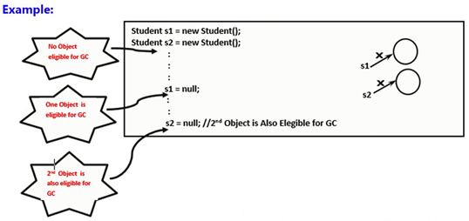

Re assigning reference variable | 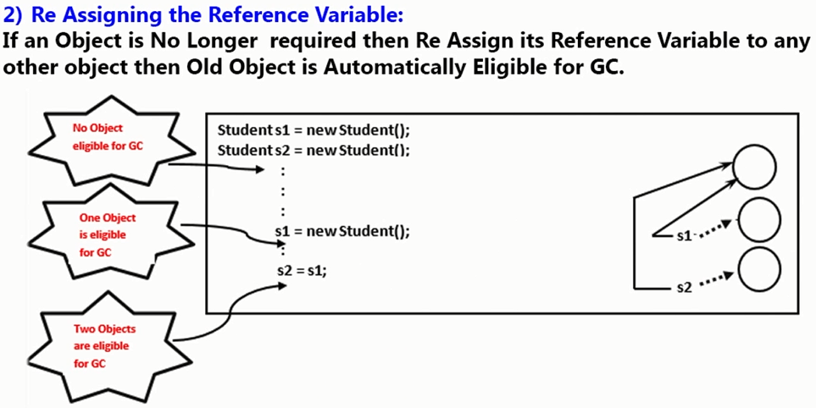
...
Objects created inside method - Example 2 | 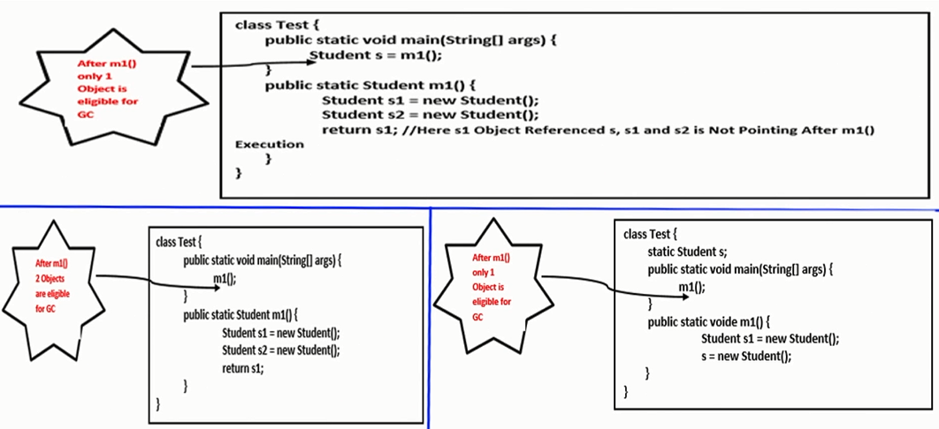
...
Note on Island of Isolation | Even though object having reference variable still sometimes it may be eligible for garbage collection (if all references are internal references)
Ways for requesting JVM to run grabage collector | Once we made an object eligible for GC, it may not be destroyed immediately by the garbage collector. Whenever JVM runs the garbage collector then only objects will be destroyed. But when exactly JVM runs GC, we can't expect it. It depends on JVM and varies JVM to JVM
 | Instead of waiting until JVM runs GC, we can request JVM to run garbage collector. But there is no guarantee whether JVM accepts our request or not. But most of times JVM accepts our request
Ways for requesting JVM to run grabage collector | 1. java.lang.System.gc(); 2. using java.lang.Runtime class
System.gc() | java.lang.System class contains static method gc() for the purpose of garbage collection
java.lang.Runtime class | 1. A java application can communicate with JVM by using Runtime object 2. Runtime class is singlton class 3. We can create Runtime class by using getRuntime() method. Runtime runtime = Runtime.getRuntime();
Once we create Runtime object, we need to call these methods | 1. freeMemory() : returns number of bytes of free memory present in the heap 2. totalMemory() : returns total number of bytes of heap (i.e Heap size) 3. gc() : Requesting JVM to run garbage collector
Example of using Runtime object for garbage collection | 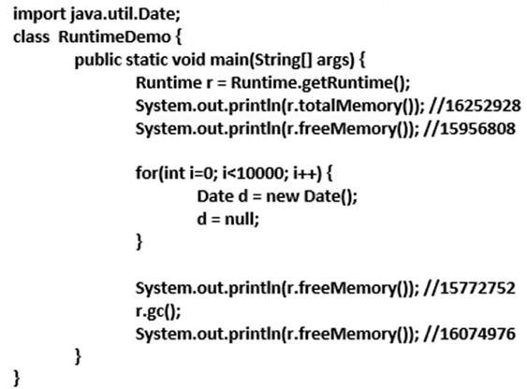

System.gc() vs Runtime.getRuntime.gc() | 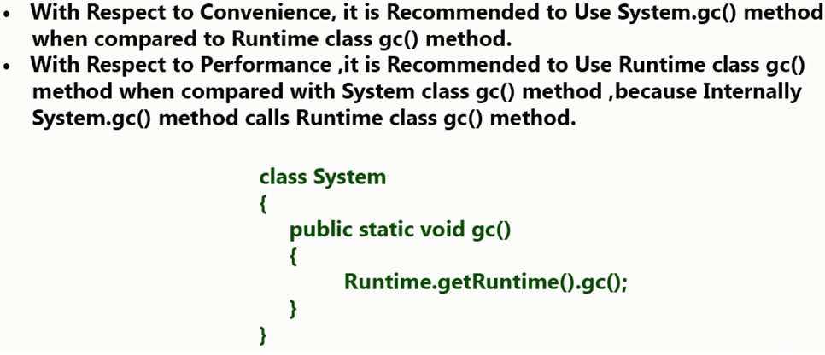

Finalization | Just before destroying an object garbage collector calls finalize() method to perform cleanup activities. Once finalize() completes automatically GC destroys that objet. java.lang.Object.protected void finalize() throws Throwable { }
 | We can override finalize() method in our class to perform clean up activities
Example 1 | 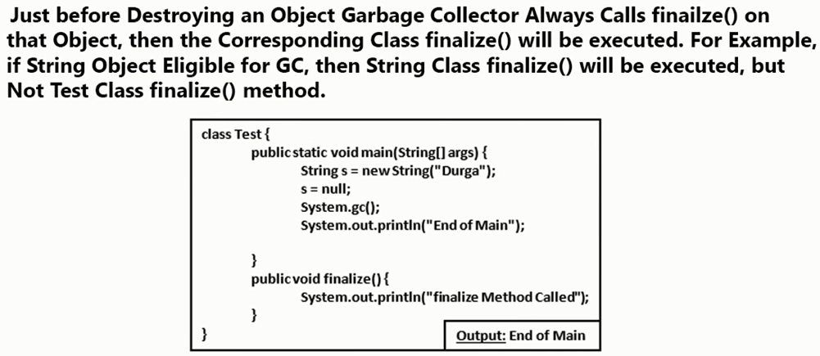

Can we call finalize() method explicitely? Yes | 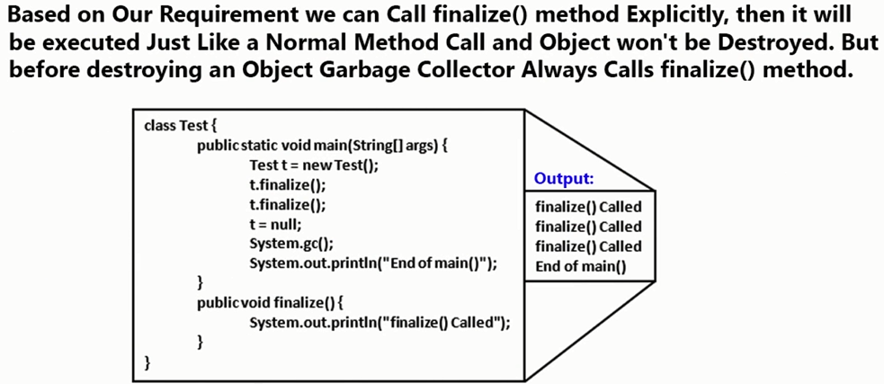
...
What happens if exception occurs while executing finalize method | In programmer calls finalize method explicitely and while executing finaliza() if any exception occurs and which is uncaught then program will be terminated abnormally by raising that exception
 | If garbage collector calls finalize() method and while executing finalize() method, if any exception occurs and which is uncaught then JVM ignores that exception and rest of the program will be executed normally
Example | 


