Urban
 | Introduction Years (0 – 3) | Establishment years (3– 12) | Endemic years (>12)
Annual raccoon deaths | 1937.0 | 1131.0 | 1133.0
Annual rabid raccoon to human exposures | 68.0 | 41.0 | 44.0
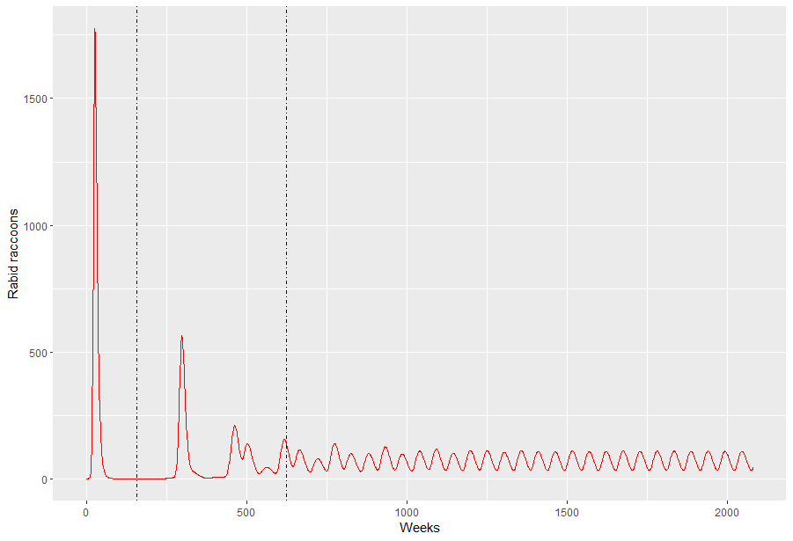
Introduction
Annual PEP demand - Kira Rate** | 40.0 | 12.8 | 22.9
Annual rabid raccoon to human exposure rate (per 100k people) | 38.9 | 23.4 | 25.1
*Annual raccoon to human exposures (rabid raccoon contacts * 3.5) | 238.0 | 143.5 | 154.0
Endemic
Annual Diagnostic expenses | $15,300 | $9,225 | $9,900
Establishment
Annual PEP costs ($8000) | $544,000 | $328,000 | $352,000
Annual PEP costs ($8000) (per 100k people) | $310,857 | $187,429 | $201,143
Annual Deaths (PEP rate 95%) | 0.9 | 0.3 | 0.5

average annula rate of rabis PEP administration
Area | 500
Human Pop Density | 350
Raccoon Pop Density | 40
Model scenario:
- Metro city of size 350 sqkm
- Raccoon density = 40 kmsq, human density = 350 kmsq.
- One RRVV-positive raccoon introduced at t0 resulting in local spread.
- Raccon to raccoon transmission rate = 0.035 (raccoons/km2·week) (Ruan et al)
- Raccon to human transmission rate = 3e-05 (raccoons/km2·week) (Estimated using Cassie's dataset)
- *For every 3.5 raccoon-human contacts, 1 was a rabies esposure (Estimated using Cassie's dataset)

 |  | ASSUMPTION ON PEP
 |  | Introduction | 18.89
 |  | Establishment years (3 – 10) | 7.3
 |  | Endemic | 13.11

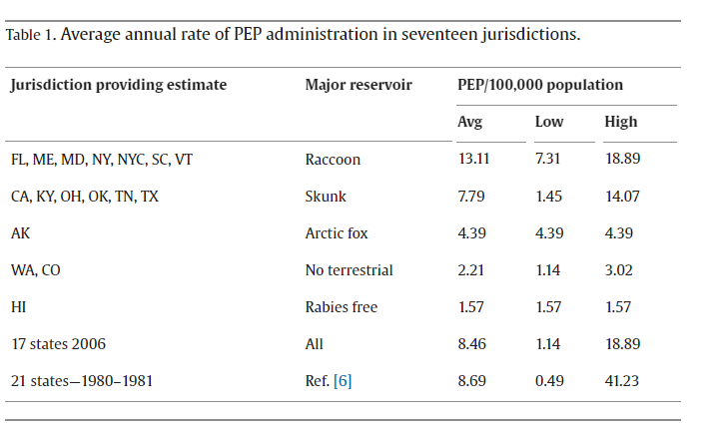 |  | Anyone exposed to a raccoon that is undergoing testing would be recommended to start PEP right away. So if the above RATE assumption is LOWER than the number of samples tested, then use samples tested as a proxy for number of people getting PEP

 |  | **NOTE - Kira PEP demand is for ALL terrestrial exposures (i think), so i would expect this to always be higher than our raccoon-specific exposure rates.

