NHK Web Easy
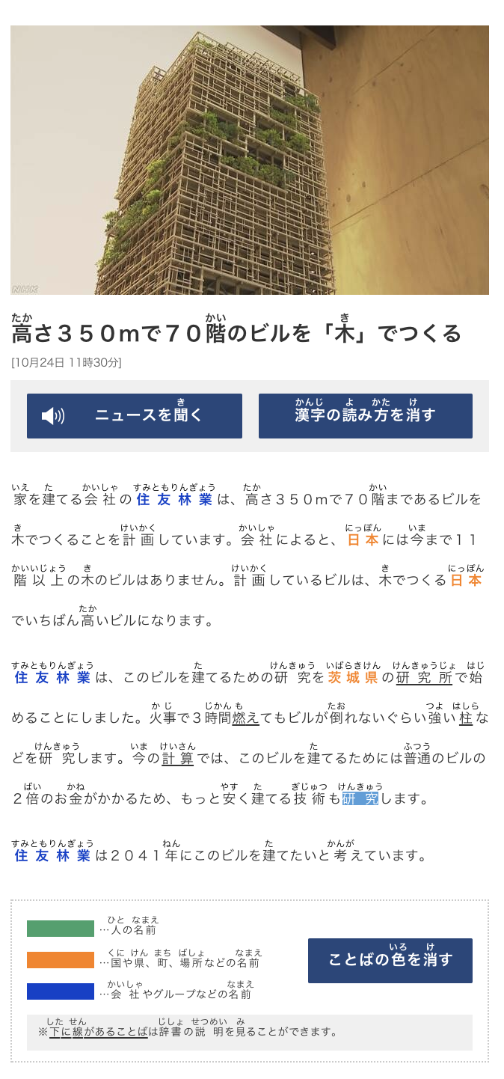
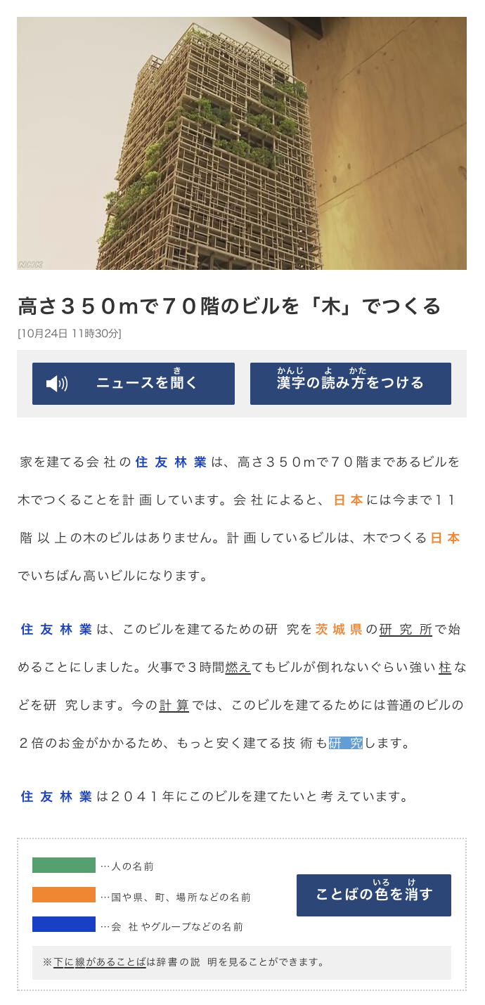
https://www3.nhk.or.jp/news/easy/k10012142931000/k10012142931000.html
Kanji Word | Kana | English
高さ | たかさ | Height
階 | かい | floor
木 | き | tree
家 | いえ | house
建 | た | Build
会社 | かいしゃ | Company
住友林業 | すみともりんぎょう | is a company
計画 | けいかく | Plan
以上 | いじょう | More than
研究 | けんきゅう | Reasearch/ Study
茨城県 | いばらきけん | Ibaraki prefecture
研究所 | けんきゅうじょ | Research institute
始 | はじ | Start
火事 | かじ | Fire
時間 | じかん | time
燃え | もえ | Burn
倒たおれない | たおれないぐらい | doesn't fall, (withstand)
強よい | つよい | Strong
柱 | はしら | Piller
計算 | けいさん | Calculation; count.
普通のビル | ふつうのビル | Regular Buildings
２倍 | 2ばい | Twice
お金 | おかね | Money
安 | やす | Cheap
技術 | ぎじゅつ | Technology; engineering;

https://www3.nhk.or.jp/news/easy/k10012147731000/k10012147731000.html
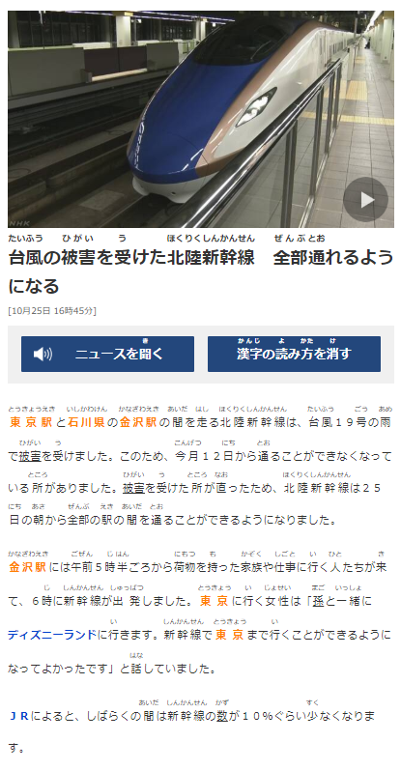
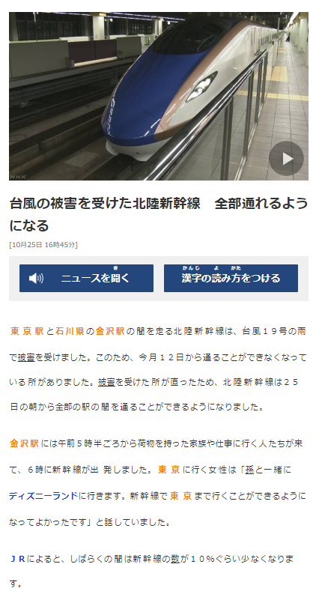

台風 | たいふう | typhoon
被害 | ひがい | (suffering) damage ,harm, injury
受けた | うけた | to suffer (an injury) to sustain (damage) to receive
北陸新幹線 | ほくりくしんかんせん | The train that covers Hokuriku region
全部 | ぜんぶ | all; entire; whole; altogether
通れる | とおれる | to pass (by); to go through; to walk along; to pass exams; to attend (e.g. school)
東京駅 | とうきょうえき | Tokyo Station
石川県 | いしかわけん | Ishikawa Prefecture.
金沢駅 | かなざわえき | Kanazawa Station
間 | あいだ | span (temporal or spatial); stretch; period (while)
走しる | はしる | Run
このため | このため | Because of that
今月 | こんげつ | This month
日 | にち | Day
所 | ところ | Place (after present form of a verb) about to
直ったため | なおったため | as it is repaired
朝 | あさ | Morning
午前 | ごぜん | Before noon
５時半ごろ | ５じはんごろ | About 5:30
荷物 | にもつ | luggage
持った | もった | Hold
家族 | かぞく | Family
仕事 | しごと | Work
行く | いく | to go
人 | ひと | person(s)
来て | きて | come
新幹線 | しんかんせん | Shinkansen
出発 | しゅっぱつ | Depart
女性 | じょせい | Woman
孫 | まご | Grand Child
一緒に | いっしょに | together
話していました | はなしていました | Talk
しばらくの間 | しばらくのあいだ | for the time being
数が | かずが | number, amount
少なくなります | すくなくなります | become less

https://www3.nhk.or.jp/news/easy/k10012146471000/k10012146471000.html
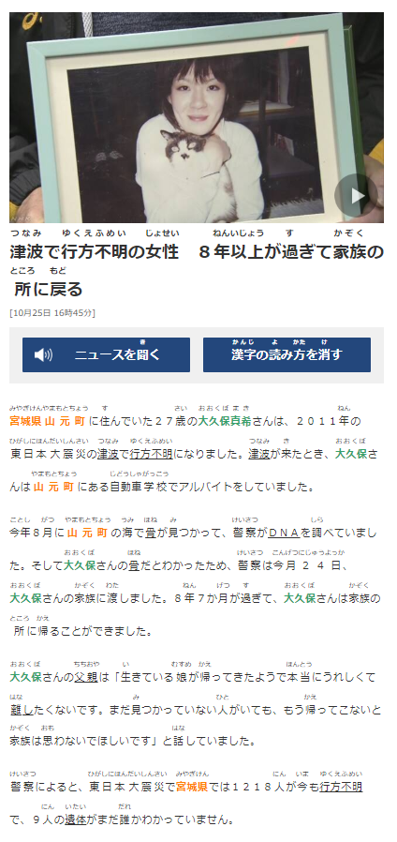
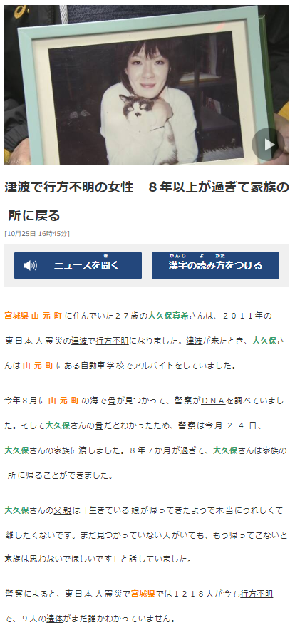
津波 | つなみ | Tsunami
行方不明 | ゆくえふめい | Missing
女性 | じょせい | Woman
８年以上が過ぎて | ８ねんいじょうがすぎて | After more than 8 years
戻る | もどる | Return
宮城県 | みやぎけん | Miyagi Prefecture
山元町 | やまもとちょう | Yamamoto town
住んでいた | すんでいた | Living
２７歳 | ２７さい | 27 years old
大震災 | だいしんさい | great earthquake (disaster)
行方不明になりました | ゆくえふめいになりました | Became missing
自動車学校 | じどうしゃがっこう | Driving School
今年８月に | ことし８がつに | This Year August
骨 | ほね | Bone
見つかって | みつかって | to be found
警察 | けいさつ | Police
今月２４日 | こんげつにじゅうよっか | This month 24
家族 | かぞく | Family
渡しました | わたしました | Handovered
８年７か月が過ぎて | ８ねん７かげつがすぎて | After 8 years 7 moths
家族の所に帰る | かぞくのところにかえる | Return home
離す | はなす | to separate, to part, to divide, to keep apart
生きている娘が帰ってきたようで | いきているむすめがかえってきたようで | As if the living daughter returned
本当にうれしくて | ほんとうにうれしくて | Becoming really happy.
離したくないです | はなしたくないです | Don't want to leave.
まだ見つかっていない人がいても | まだみつかっていないひとがいても | If still missing people are there
もう帰ってこないと | もうかえってこないと | And not already returned
家族は思わないでほしいです | ぞくはおもわないでほしいです | want their families not to forget them.
遺体 | いたい | corpse; remain
誰か | だれか | Whose/ someone

https://www3.nhk.or.jp/news/easy/k10012154351000/k10012154351000.html

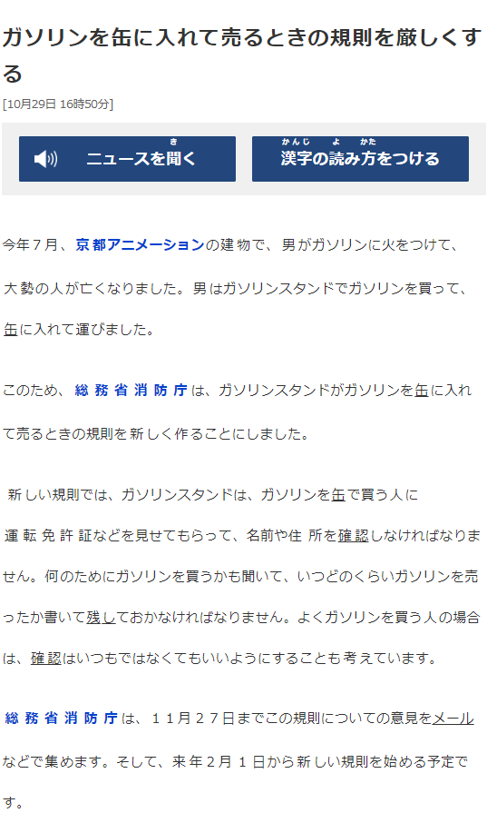
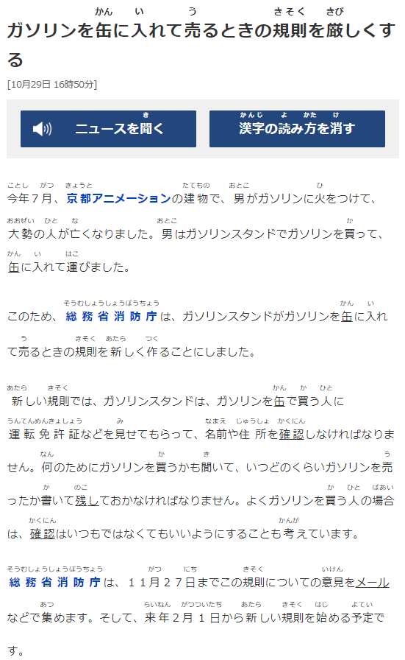
ガソリン | ガソリン | Gasoline
缶 | かん | Can
入れて | いれて | keeping inside.
売る | うる | Sell
規則 | きそく | rule
厳しくする | きびしくする | Make strict
今年 | ことし | This Year
７月 | ７がつ | July
京都アニメーション | きょうとアニメーション | Kyouto Animation
建物 | たてもの | Building
男 | おとこ | Man
火 | ひ | fire
つけて | つけて | Put on
大勢 | おおぜい | Many
運こびました | はこびました | Carried
総務省消防庁 | そうむしょうしょうぼうちょう | Fire and disaster management agency
規則 | きそく | rule
あたらしく | あたらしく | New
作くる | つくる | make
運転免許証 | うんてんめんきょしょう | Driving licence
確認 | かくにん | Check
意見 | いけん | Opinion
集めます | あつめます | Collect
１日 | ついたち | 1st day of month
始める | はじめる | start
予定 | よてい | Plan

https://www3.nhk.or.jp/news/easy/k10012154151000/k10012154151000.html

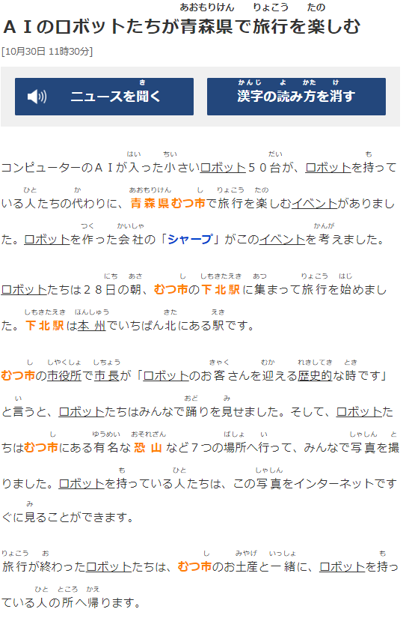
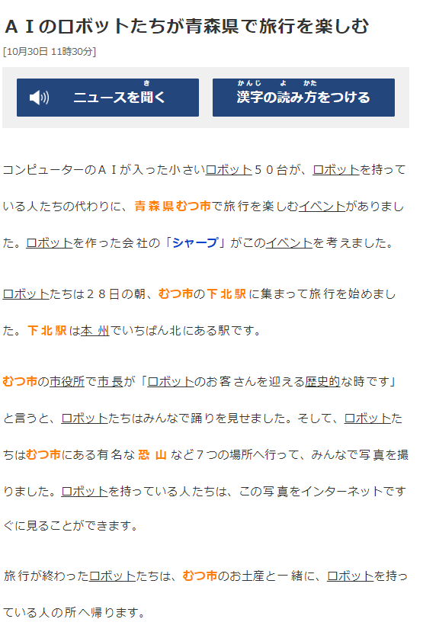
ロボットたち | ロボットたち | Robot
青森県 | あおもりけん | Oomori prefecture
旅行 | りょこう | Trip/travel
楽しむ | たのしむ | Enjoy
小さいロボット５０台 | ちいさいロボット５０台 | 50 small robots
ロボットを持っているひとたちの代わりに | ロボットをもっているひとたちのかわりに | Instead of people having robots
青森県むつ市 | あおもりけんむつし | Awomori prefecture Mutsu city.
旅行 | りょこう | Trip/travel
ロボットを作った会社 | ロボットをつくったかいしゃ | The company that made robots
このイベントを考えました | このイベントをかんがえました | Thought about this event
２８日の朝 | ２８にちのあさ | on 28th Morning
集まって | あつまって | Gathering
始めました | はじめました | Started
本州で | ほんしゅうで | At japan's main island.
北 | きた | North
市役所 | しやくしょ | Muncipal Office/ City hall.
市長 | しちょう | mayor
お客さん | おきゃくさん | Customer
迎える | むかえる | To meet
歴史的 | れきしてき | Historical
時 | とき | When something happens/at that time.
言 | いう | Say.
踊り | おどり | dance
見せました | みせました | has shown
有名な | ゆうめいな | famous
７つの場所 | ７つのばしょ | 7 places
写真 | しゃしん | Photo
お土産 | おみやげ | souvenir
一緒 | いっしょに | together
帰ります | かえります | return

https://www3.nhk.or.jp/news/easy/k10012160001000/k10012160001000.html

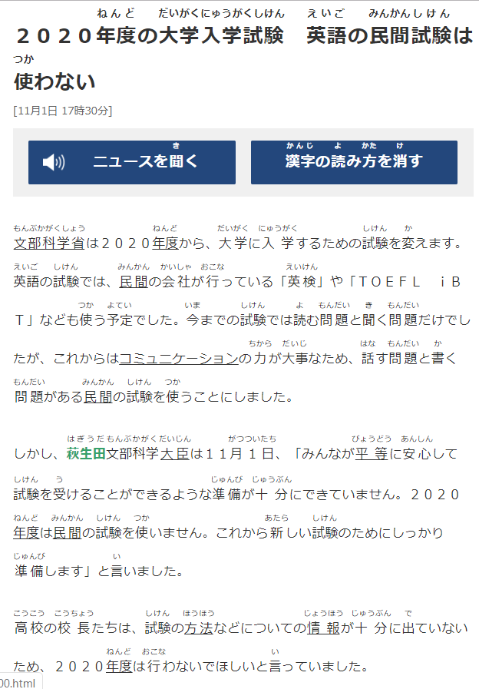
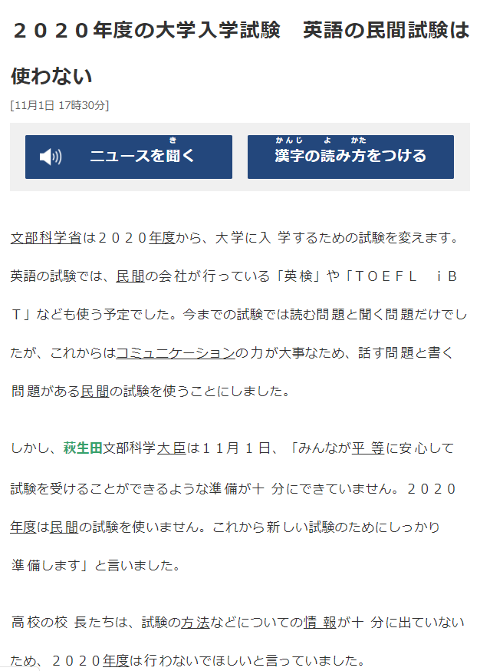
年度 | ねんど | academic year, financial year
大学入学試験 | だいがく にゅうがくしけん | University entrance exam
英語 | えいご | English Language
民間試験 | みんかん しけん | Private Exam
文部科学省 | もんぶかがくしょう | Ministry of Education, Culture, Sports, Science and Technology; MEXT
年度 | ねんど | academic year, financial year
変えます | かえます | Will Change
英検 | えいけん | English proficiency test
予定 | よてい | Plan
読む | よむ | Read
問題 | もんだい | Questions
聞く | きく | Listen
大臣 | だいじん | cabinet minister
平等 | びょうどう | equality, impartiality, evenness
安心 | あんしん | relief, peace of mind
準備 | じゅんび | preparation, arrangements, setup etc.
十分 | じゅうぶん | perfectly, thoroughly, fully
確り | しっかり | reliable, level-headed, tightly, firmly
高校 | こうこう | senior high school
校長 | こうちょう | principal, headmaster
試験の方法 | しけんのほうほう | Exam process/method of study
情報 | じょうほう | information

