Sheet1
Blood glucose levels for obese patients have a mean of 100 with a standard deviation of 15. A researcher thinks that a diet high in raw cornstarch will have a positive effect on blood glucose levels. A sample of 36 patients who have tried the raw cornstarch diet have a mean glucose level of 108. Test the hypothesis that the raw cornstarch had an effect or not.

 |  | Null Hypothesis: | Glucose variable = 100

 | Significance Level set at 5%
 |  | Z Value | 1.645 | Area to the right of plot is area of rejection

 | sample distribution of the mean | Sigma Mean=Sigma/sqrt(N)
 |  | Sigma Mean | 2.5
 |  | Sigma (Std Dev.) | 15
 |  | Sample Size | 36

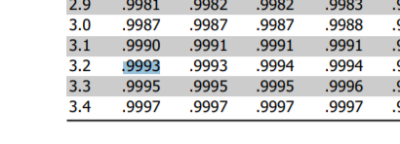
 | Computing Z Value | Z= X-M/Sigma | 3.2
 |  | X | 108
 |  | M | 100
 |  | Sigma Mean | 2.5

 |  | P-Value from above Z value= | 0.9993
 |  | P Value(1-Z) | 0.0007

 |  | Since P Value is below 0.05 | REJECTING THE NULL HYPOTHESIS-There, we do just that and conclude that there is an effect from the raw starch.

