Sheet1
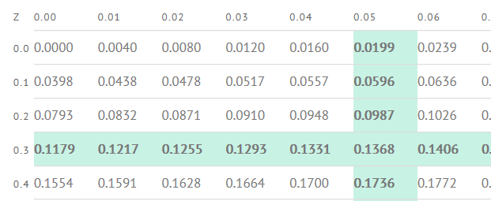
You take the SAT and score 1100. The mean score for the SAT is 1026 and the standard deviation is 209. How well did you score on the test compared to the average test taker?

 | Write your X-value into the z-score equation: Z = 1100-M/Std Dev | 0.35406698565 | This means that your score was .354 std devs above the mean

 | Look up your z-value in the z-table to see what percentage of test-takers scored below you. | 0.6368 | The z-table shown has scores for the RIGHT of the mean. Therefore, we have to add .500 for all of the area LEFT of the mean.
 |  | 63.68%

