Sheet1
LANGUAGE | VERSIONS | FIRST APPEARED | DIRECT ANCESTOR(S) | DIRECT DESCENDANT(S)
Fortran | Fortran I | 1957 | NONE | Fortran II
Fortran | Fortran II | 1958 | Fortran I | Fortran IV, COBOL
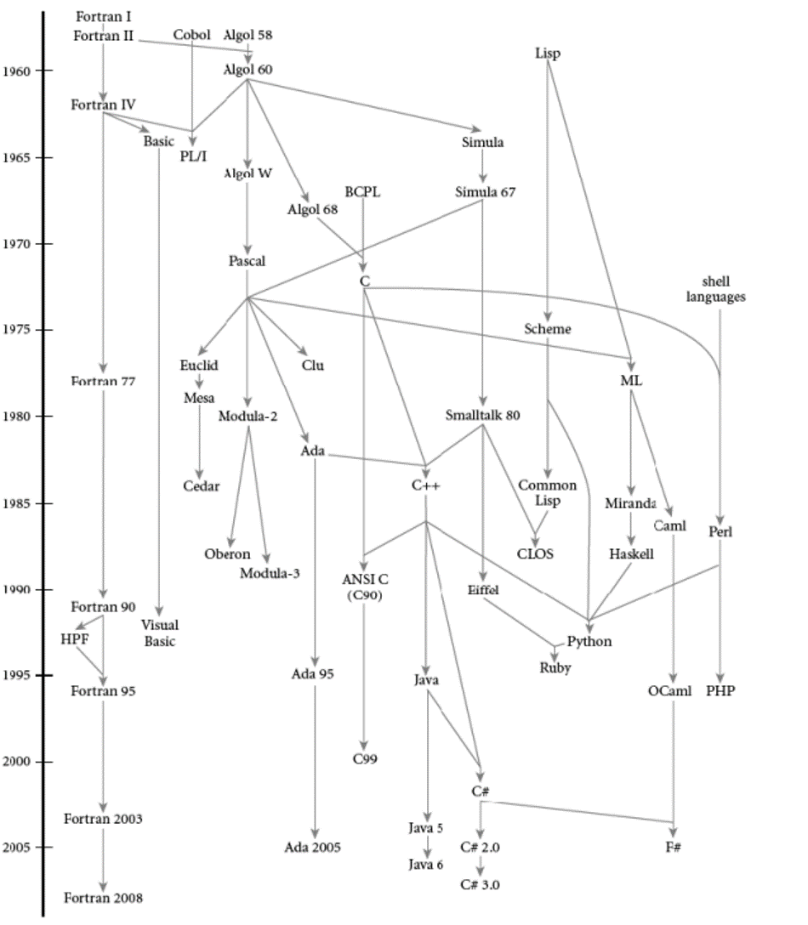
Fortran | Fortran IV | 1962 | Fortran II | Fortran 77, BASIC, PL/I
Fortran | Fortran 77 | 1977 | Fortran IV | Fortran 90
Fortran | Fortran 90 | 1991 | Fortran 77 | Fortran 95
Fortran | Fortran 95 | 1997 | Fortran 90 | Fortran 2003
Fortran | Fortran 2003 | 2004 | Fortran 95 | Fortran 2008
Fortran | Fortran 2008 | 2010 | Fortran 2003 | NONE
BASIC | BASIC | 1964 | Fortran IV | Visual Basic
BASIC | Visual Basic | 1991 | BASIC | NONE
COBOL | COBOL | 1959 | Fortran II | PL/I, ALGOL 58
COBOL | PL/I | 1964 | Fortran IV, COBOL, ALGOL 60 | NONE
ALGOL | ALGOL 58 | 1958 | COBOL | ALGOL 60
ALGOL | ALGOL 60 | 1960 | ALGOL 58 | ALGOL W, PL/I, Simula
ALGOL | ALGOL W | 1966 | ALGOL 60 | Pascal
ALGOL | Pascal | 1970 | ALGOL W | Euclid, Modula-2, Ada, Clu, ML
Modula | Modula-2 | 1978 | Pascal | Oberon, Modula-3
Modula | Modula-3 | 1989 | Modula-2 | NONE
Oberon | Oberon | 1986 | Modula-2 | NONE
Euclid | Euclid | 1977 | Pascal, Simula 67 | Mesa
Euclid | Mesa | 1976 | Euclid | Cedar
Euclid | Cedar | 1984 | Mesa | NONE
Clu | Clu | 1974 | Simula 67, Pascal | NONE
Ada | Ada | 1980 | Simula 67, Pascal | C++, Ada 95, Ada 2005
Ada | Ada 95 | 1995 | Ada | Ada 2005
Ada | Ada 2005 | 2007 | Ada 95 | NONE
ALGOL | Algol 68 | 1973 | ALGOL 60 | C
BCPL | BCPL | 1966 | NONE | C
BCPL | C | 1972 | BCPL, ALGOL 68 | ANSI C (C90), C++, Perl
BCPL | ANSI C (C90) | 1990 | C | C99
BCPL | C99 | 2000 | ANSI C (C90) | NONE
C++ | C++ | 1983 | C, Simula 67 | Java, Python
Java | Java | 1995 | C++ | Java 5
Java | Java 5 | 2004 | Java | Java 6
Java | Java 6 | 2006 | Java 5 | NONE
C# | C# | 2000 | C++, Java | C# 2.0, F#
C# | C# 2.0 | 2005 | C# | C# 3.0
C# | C# 3.0 | 2007 | C# 2.0 | NONE
Simula | Simula | 1965 | ALGOL 60 | Simula 67
Simula | Simula 67 | 1967 | Simula | Euclid, Smalltalk 80
Smalltalk | Smalltalk 80 | 1980 | Simula 67 | C++, Eiffel, CLOS
Eiffel | Eiffel | 1986 | Smalltalk 80 | Ruby
Lisp | Lisp | 1958 | NONE | Scheme, ML
Lisp | Scheme | 1970 | Lisp | Common Lisp, Python
Lisp | Common Lisp | 1984 | Scheme | CLOS
CLOS | CLOS | 1988 | Common Lisp | NONE
ML | ML | 1973 | Lisp | Miranda, Caml
Miranda | Miranda | 1986 | ML | Haskell
Haskell | Haskell | 1990 | Miranda | Python
Python | Python | 1991 | C++, Scheme, Haskell, Perl | NONE
Ruby | Ruby | 1995 | Eiffel, Python | NONE
Caml | Caml | 1985 | ML | Ocaml
Caml | Ocaml | 1996 | ML | F#
F# | F# | 2005 | Ocaml, C# | NONE
shell languages | shell languages | 1974 | NONE | Perl
Perl | Perl | 1987 | shell langauges | PHP
PHP | PHP | 1995 | Perl | NONE

