Dashboard
Beauty Insigths Hub Dashboard
Average Price
$80
Average Rating
3.0
Average Review
5014
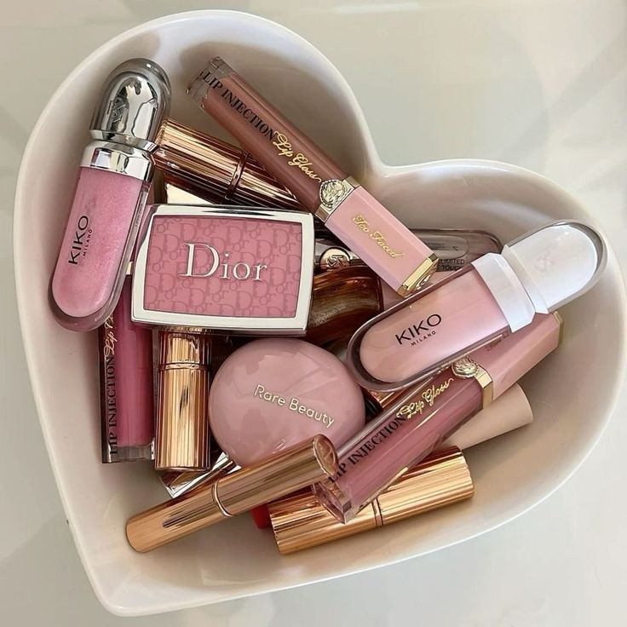

 | Total
Contour | 3.13
Moisturizer | 3.08
CC Cream | 3.07
BB Cream | 3.06
Setting Spray | 3.05
 | Total
Tarte | 83.80
Shiseido | 83.71
Juviaâ€™s Place | 83.16
Kylie Cosmetics | 82.70
Fenty Beauty | 82.69
 | Total
Perfect Powder | 3.28
Divine Cleanser | 3.22
Magic Powder | 3.20
Divine Setting Spray | 3.19
Perfect Highlighter | 3.18

 | Total
Female | 5002
Male | 5017
Unisex | 4981
 | Total
Bottle | 2532
Compact | 2454
Jar | 2567
Spray | 2528
Stick | 2529
Tube | 2390
 | Total
Combination | 3060
Dry | 2965
Normal | 2991
Oily | 3009
Sensitive | 2975

