Dashboard
Indian Road Accident Analysis Dashboard 🚗🔥⚠️
Total Accidents
20,000
Total Casualities
34,529
Avg. Risk Score
0.43%
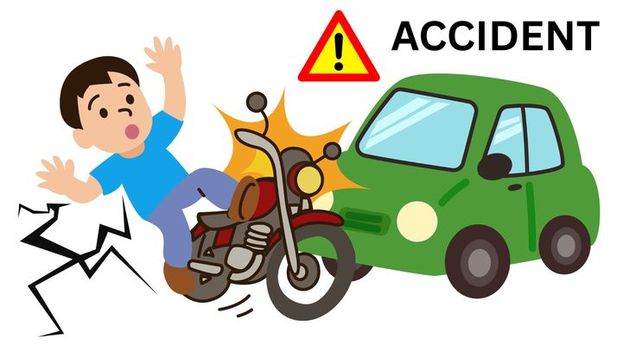

 | Total
Bangalore | 2438
Chandigarh | 2577
Chennai | 2575
Delhi | 2433
Hyderabad | 2409
Kolkata | 2559
Mumbai | 2492
Pune | 2517
 | Total
Delhi | 2433
Karnataka | 2438
Maharashtra | 5009
Punjab | 2577
Tamil Nadu | 2575
Telangana | 2409
West Bengal | 2559
 | Total
Jan | 2044
Feb | 1865
Mar | 2043
Apr | 1763
May | 1593
Jun | 1512
Jul | 1543
Aug | 1588
Sep | 1475
Oct | 1516
Nov | 1533
Dec | 1525
 | Total
fatal | 2987
major | 5988
minor | 11025

 | Total
Sunday | 2856
Monday | 2966
Tuesday | 2871
Wednesday | 2726
Thursday | 2835
Friday | 2879
Saturday | 2867
 | Total
highway | 6616
rural | 6639
urban | 6745
 | Total
high | 7034
low | 7067
medium | 5899
 | Total
distraction | 4026
drunk driving | 3978
overspeeding | 4025
poor road | 3974
weather | 3997

