工作表1
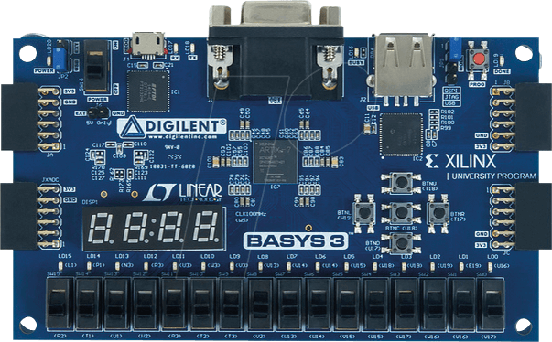

 |  |  |  |  |  |  |  |  |  |  |  |  |  | 16
 | a | b | c | d | e | f | g | .
 | segs[7] | segs[6] | segs[5] | segs[4] | segs[3] | segs[2] | segs[1] | segs[0]
 | W7 | W6 | U8 | V8 | U5 | V5 | U7 | V7 |  |  |  |  |  | T18
 |  |  |  |  |  |  |  |  |  |  |  |  |  | pb_up
 |  |  |  |  |  |  |  |  |  |  |  |  | W19 | U18 | T17
 |  |  |  |  |  |  |  |  |  |  |  |  | pb_left | pb_mid | pb_right
 |  |  |  |  |  |  |  |  |  |  |  |  |  | U17
 |  |  |  |  |  |  |  |  |  |  |  |  |  | pb_down
ssd_ctl[3] | ssd_ctl[2] | ssd_ctl[1] | ssd_ctl[0]
W4 | V4 | U4 | U2

 |  |  |  |  |  |  |  |  |  |  |  |  |  |  |  |  | CLK100MHz

 | leds[15] | leds[14] | leds[13] | leds[12] | leds[11] | leds[10] | leds[9] | leds[8] | leds[7] | leds[6] | leds[5] | leds[4] | leds[3] | leds[2] | leds[1] | leds[0] | clk
 | L1 | P1 | N3 | P3 | U3 | W3 | V3 | V13 | V14 | U14 | U15 | W18 | V19 | U19 | E19 | U16 | W5

 | R2 | T1 | U1 | W2 | R3 | T2 | T3 | V2 | W13 | W14 | V15 | W15 | W17 | W16 | V16 | V17

