工作表1
 | a | b | c | d | e | f | g | .
 | segs[7] | segs[6] | segs[5] | segs[4] | segs[3] | segs[2] | segs[1] | segs[0]
 | W7 | W6 | U8 | V8 | U5 | V5 | U7 | V7 |  |  |  |  |  | T18 |  |  | audio_mclk | A14
 |  |  |  |  |  |  |  |  |  |  |  |  |  | pb_up |  |  | audio_lrck | A16
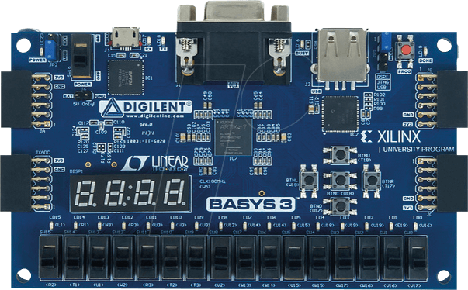
 |  |  |  |  |  |  |  |  |  |  |  |  | W19 | U18 | T17 |  | audio_sck | B15
 |  |  |  |  |  |  |  |  |  |  |  |  | pb_left | pb_mid | pb_right |  | audio_sdin | B16
 |  |  |  |  |  |  |  |  |  |  |  |  |  | U17
 |  |  |  |  |  |  |  |  |  |  |  |  |  | pb_down
ssd_ctl[3] | ssd_ctl[2] | ssd_ctl[1] | ssd_ctl[0]
W4 | V4 | U4 | U2

 |  |  |  |  |  |  |  |  |  |  |  |  |  |  |  |  | CLK100MHz

 |  |  |  |  |  |  |  |  |  |  |  |  |  |  |  |  | clk
 | L1 | P1 | N3 | P3 | U3 | W3 | V3 | V13 | V14 | U14 | U15 | W18 | V19 | U19 | E19 | U16 | W5

 | R2 | T1 | U1 | W2 | R3 | T2 | T3 | V2 | W13 | W14 | V15 | W15 | W17 | W16 | V16 | V17

