QC
REKAP
Tanggal | GOOD | NG Upper Kiri | NG Upper Kanan | NG Lower Kiri | NG Lower Kanan | No | Tanggal | Waktu | Foto | Tinggi Kiri | Tinggi Kanan | Upper Kiri | Lower Kiri | Upper Kanan | Lower Kanan | Hasil
2026-09-17 | 0 | 2 | 1 | 8 | 6 | 2 | 2026-09-16 | 15:05:38 | 2026-09-16/0002.jpg | 67.33 | 75.61 | NG | NG | NG | NG | NG UPPER + LOWER
2026-09-16 | 0 | 1 | 1 | 1 | 1 | 3 | 2026-09-17 | 12:27:31 | 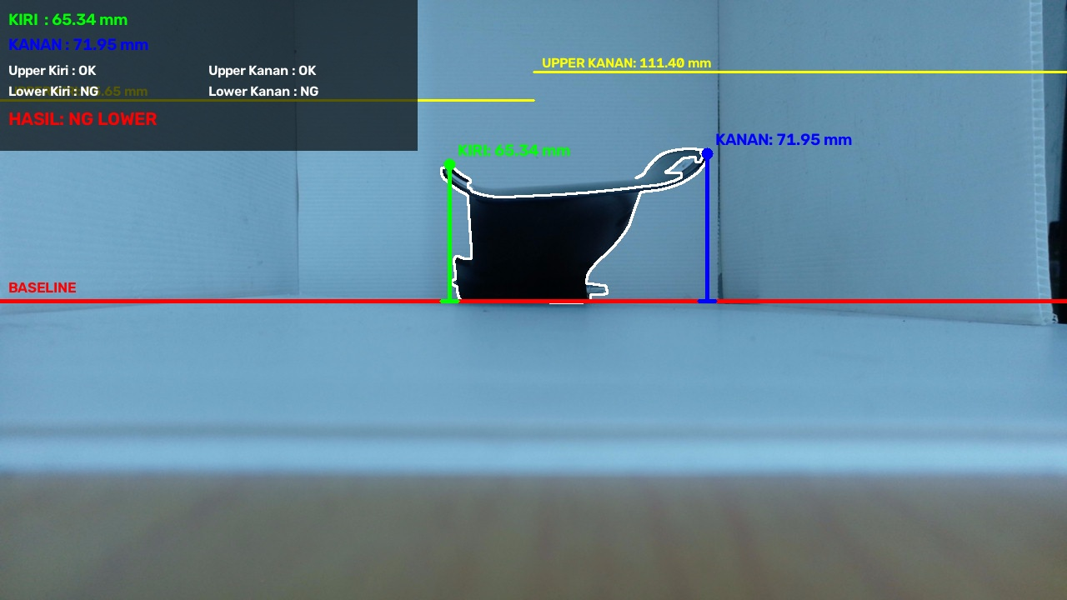 2026-09-17/2026-09-17_12-27-31.jpg | 65.338645418 | 71.951219512 | OK | NG | OK | NG | NG LOWER
 |  |  |  |  |  | 4 | 2026-09-17 | 12:27:38 | 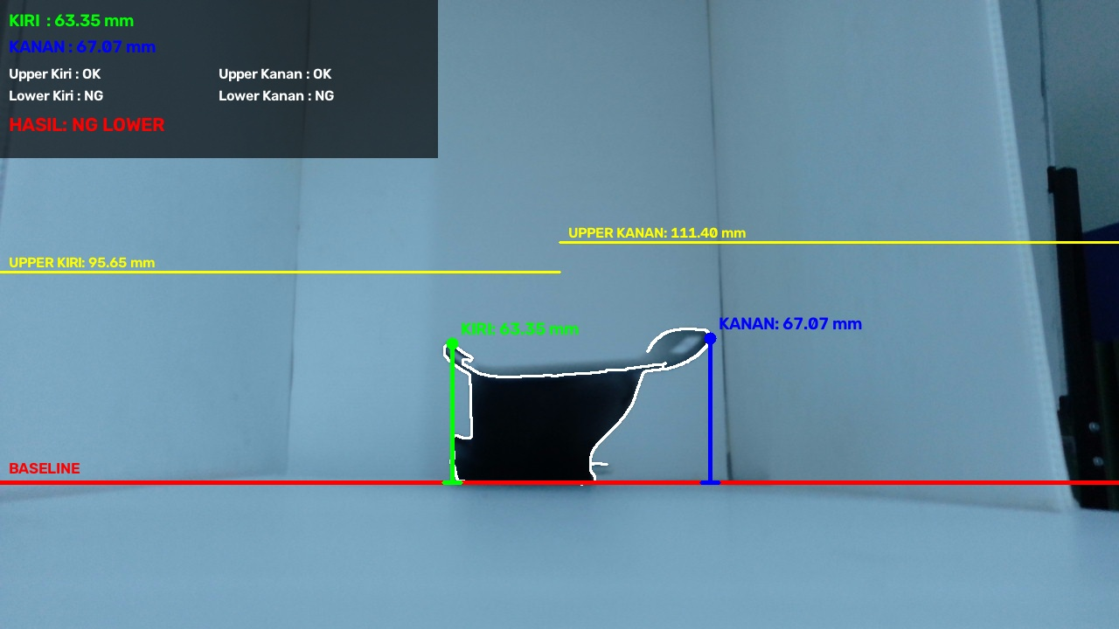 2026-09-17/2026-09-17_12-27-38.jpg | 63.346613546 | 67.073170732 | OK | NG | OK | NG | NG LOWER
 |  |  |  |  |  | 5 | 2026-09-17 | 12:27:46 | 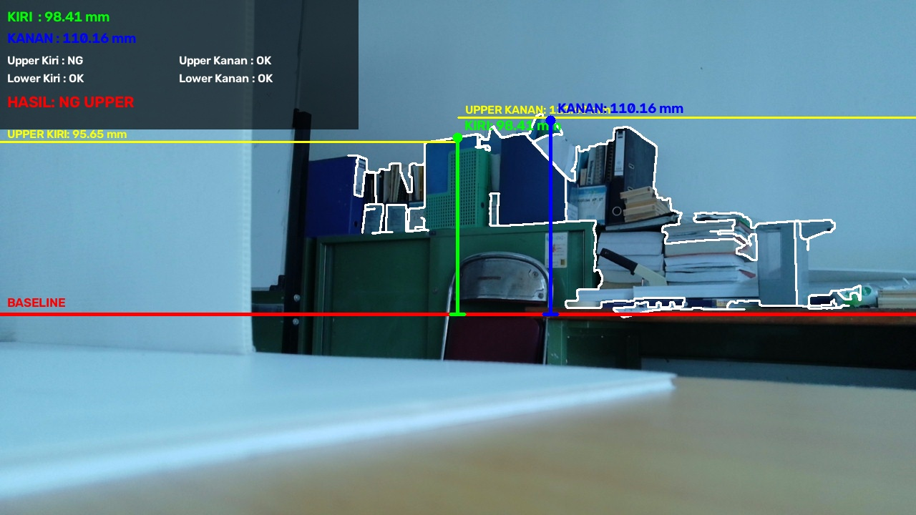 2026-09-17/2026-09-17_12-27-46.jpg | 98.406374502 | 110.16260163 | NG | OK | OK | OK | NG UPPER
 |  |  |  |  |  | 7 | 2026-09-17 | 12:27:57 | 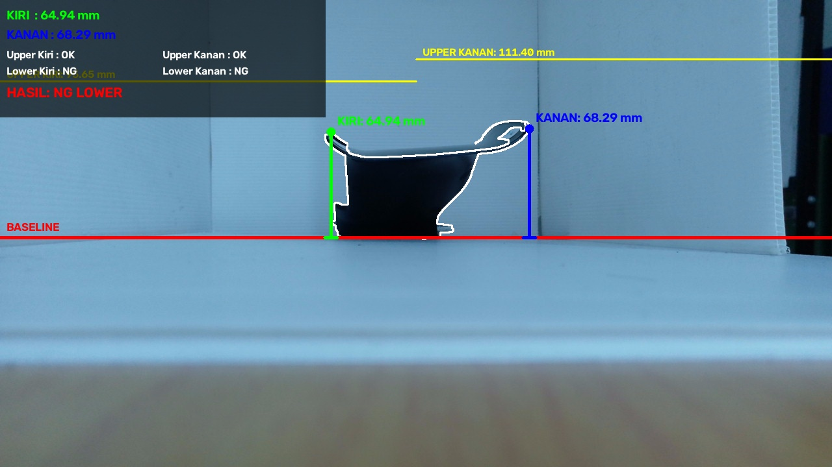 2026-09-17/2026-09-17_12-27-57.jpg | 64.940239044 | 68.292682927 | OK | NG | OK | NG | NG LOWER
 |  |  |  |  |  | 8 | 2026-09-17 | 12:34:53 | 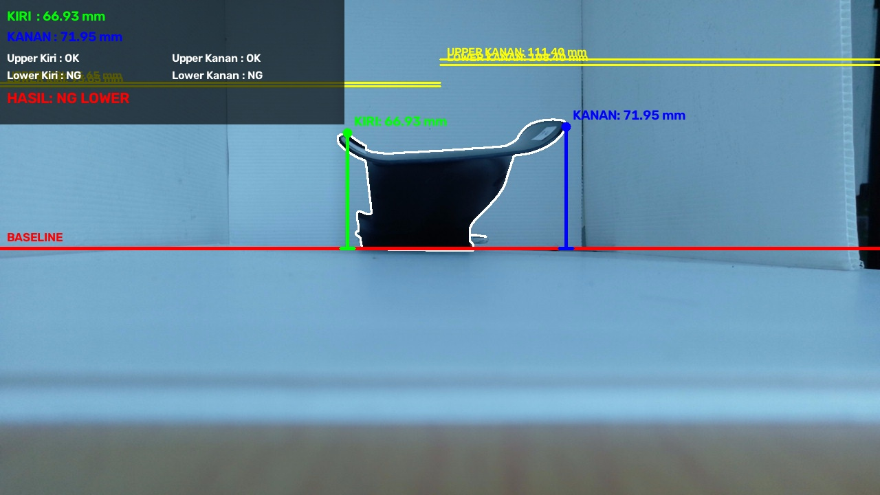 2026-09-17/2026-09-17_12-34-53.jpg | 66.932270916 | 71.951219512 | OK | NG | OK | NG | NG LOWER
 |  |  |  |  |  | 9 | 2026-09-17 | 12:35:00 |  2026-09-17/2026-09-17_12-35-00.jpg | 67.330677291 | 71.951219512 | OK | NG | OK | NG | NG LOWER
 |  |  |  |  |  | 10 | 2026-09-17 | 12:56:02 | 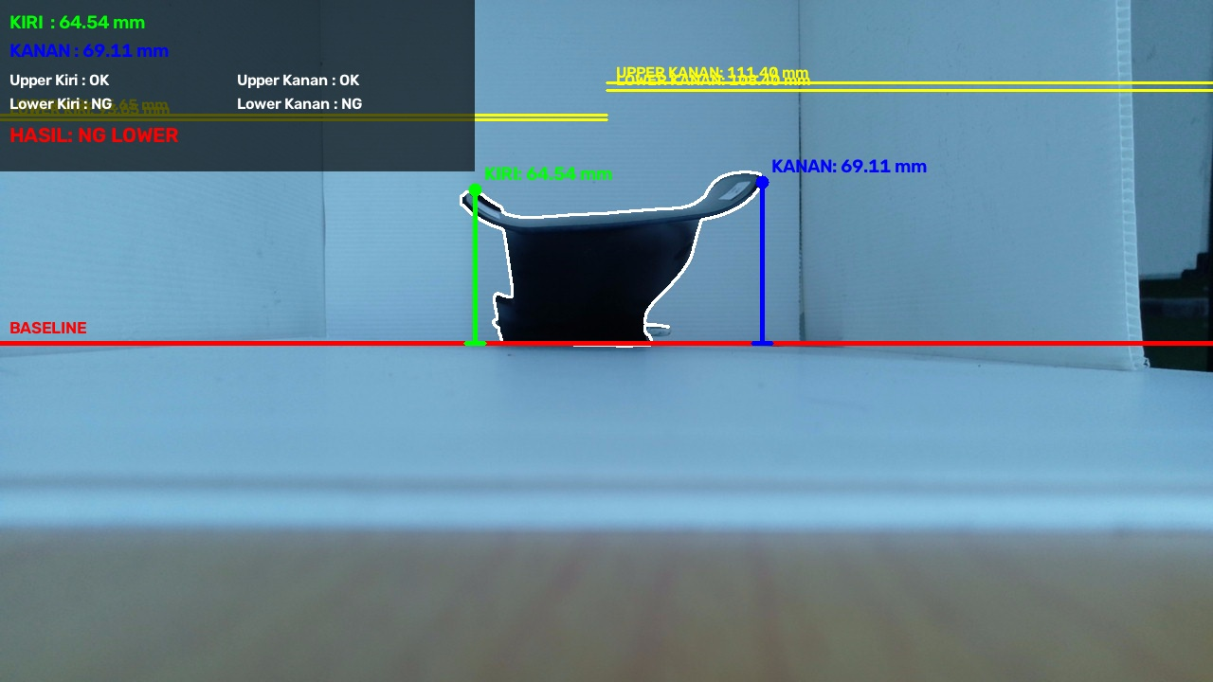 2026-09-17/2026-09-17_12-56-02.jpg | 64.541832669 | 69.105691057 | OK | NG | OK | NG | NG LOWER
 |  |  |  |  |  | 11 | 2026-09-17 | 13:03:17 | 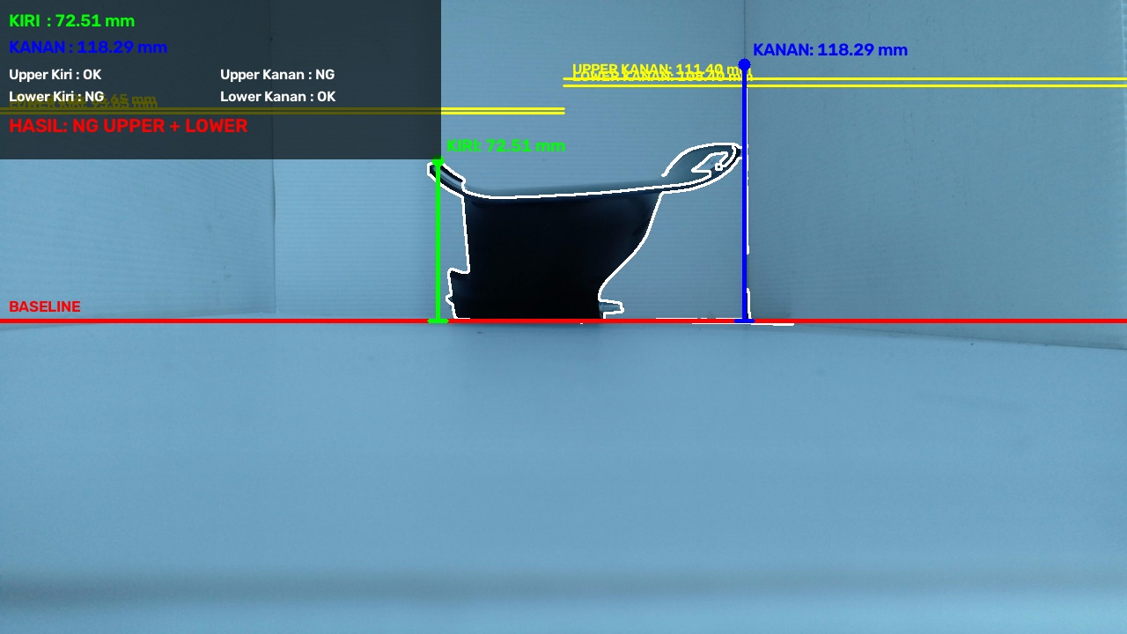 2026-09-17/2026-09-17_13-03-17.jpg | 72.50996015936255 | 118.2926829268293 | NG | NG | NG | OK | NG UPPER + LOWER
 |  |  |  |  |  | 12 | 2026-09-17 | 13:08:09 | 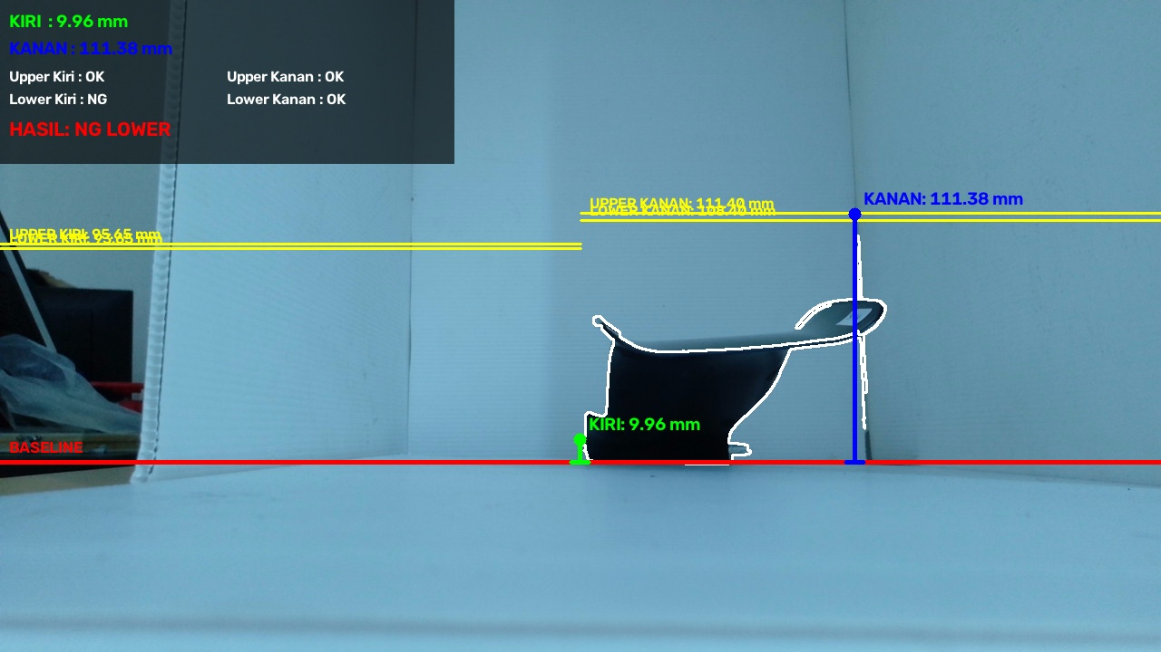 2026-09-17/2026-09-17_13-08-09.jpg | 9.9601593625 | 111.38211382 | OK | NG | OK | OK | NG LOWER

