Sheet1
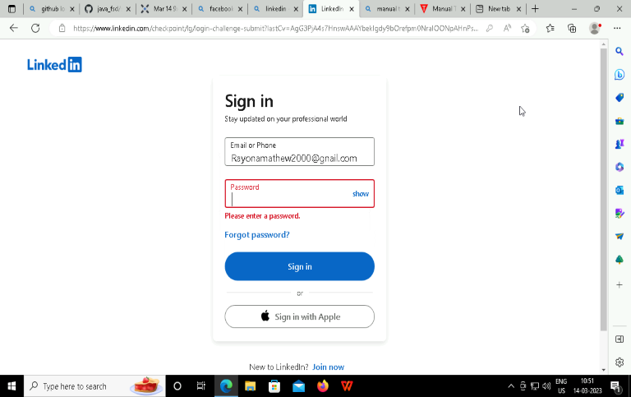



Step | Teststep | Testdata | expected | actual
1 | Login credentials(Invalid entry) | original username, no password | error | error
2 | Login credentials(Invalid entry) | invalid username, original password | error | error
3 | Login credentials(Invalid entry) | invalid username, original password | error | error
4 | Login credentials(valid entry) | original username, original password | login successful | login successful

