Sheet2
Aditif A | 77 | 54 | 67 | 74 | 71
Aditif B | 60 | 41 | 59 | 65 | 62
Aditif C | 49 | 52 | 69 | 47 | 56
 |  |  |  |  |  | y | x
 |  |  |  |  |  | 77 | a
 | Aditif A | Aditif B | Aditif C |  |  | 54 | a
 | 77 | 60 | 49 |  |  | 67 | a
 | 54 | 41 | 52 |  |  | 74 | a
 | 67 | 59 | 69 |  |  | 71 | a
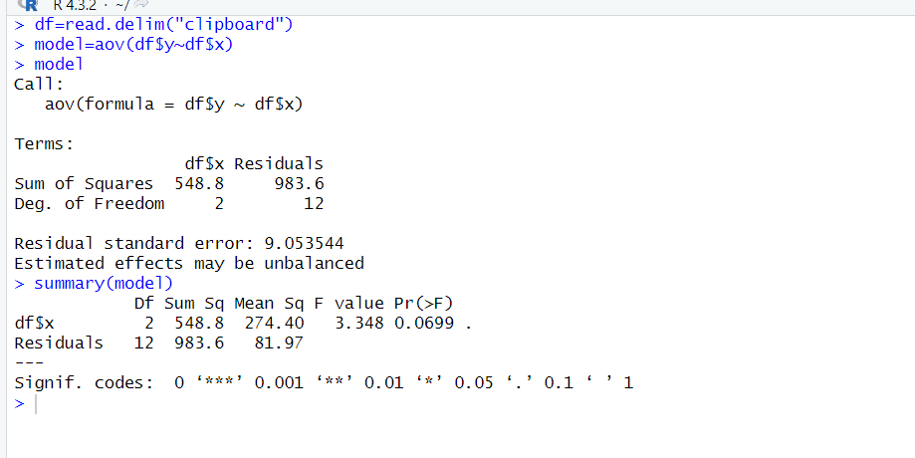
 | 74 | 65 | 47 |  |  | 60 | b
 | 71 | 62 | 56 |  |  | 41 | b
 |  |  |  |  |  | 59 | b
 |  |  |  |  |  | 65 | b
 |  |  |  |  |  | 62 | b
mean | 68.6 | 57.4 | 54.6 | 60.2 |  | 49 | c
variance | 80.3 | 89.3 | 76.3 |  |  | 52 | c
 |  |  |  |  |  | 69 | c
SSTR | 548.8 |  |  |  |  | 47 | c
MSTR | 274.4 |  |  |  |  | 56 | c

SSE | 983.6
MSE | 81.966666667

F | 3.347702318

 |  |  |  | Muhammad Rayyan Naufal
 |  |  |  | 65002300024

