Main Page
DASHBOARD
 | Disease breakdown: 30 July, 2023 Cox's Bazar

Click in the numbers to view the list of patients
 |  |  | 1 | Total number of DM patients
 |  |  | 2 | Total number of HTN patients
 |  |  | 3 | Total Number of ANC/PNC Patients | 30
 |  |  | 4 | Total number of PIH (Pregnancy Induced Hypertension) | 8
 |  |  | 5 | Total number of Gestational DM Patients | 10
 |  |  | 6 | Total number of Referred cases with the name of referral Centre. | 30
 | Disease breakdown: 30 July, 2023 Upazila: Ukhiya |  | 7 | Total patients in all upazilas in CXB : till 27 July 2023
 |  |  | 8 | Total patients in District Hospital : till 27 July 2023
 |  |  | 9 | Total patients in UHC Ukhiya : till 27 July 2023
 |  |  | 10 | Total patients in UHC Moheshkhali:: till 27 July 2023
 |  |  | 11 | Total patients in UHC Pekua : till 27 July 2023
 |  |  | 12 | Total patients in UHC Chokoriya : till 27 July 2023
 |  |  | 13 | Total patients in camp 1W : till 27 July 2023
 |  |  | 14 | Total patients in camp 9 : till 27 July 2023
 |  |  | 15 | Total patients in all upazilas in CXB : on 15 July 2023
 |  |  | 16 | Total patients in District Hospital : on 15 July 2023
 |  |  | 17 | Total patients in UHC Ukhiya : on 15 July 2023
 |  |  | 18 | Total patients in UHC Moheshkhali:: on 15 July 2023
 |  |  | 19 | Total patients in UHC Pekua : on 15 July 2023
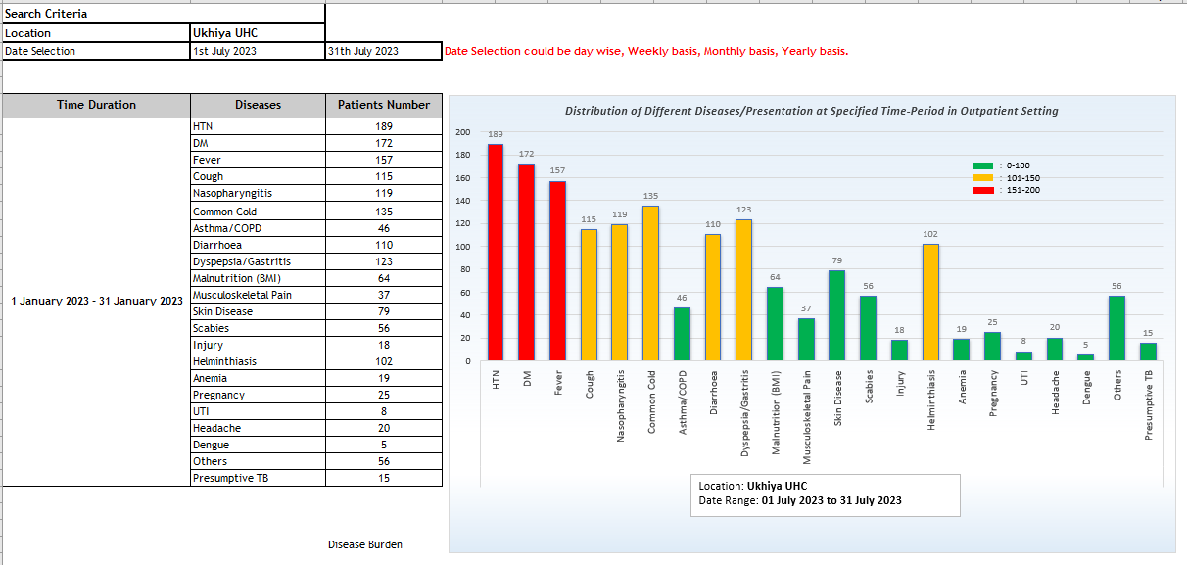
 | Distribution of Different Diseases/Presentation at Specified Time-Period in Outpatient Setting |  | 20 | Total patients in UHC Chokoriya : on 15 July 2023
 |  |  | 21 | Total patients in camp 1W : on 15 July 2023
 |  |  | 22 | Total patients in camp 9 : on 15 July 2023
 |  |  | 23 | Total number of lost to follow up (Categorised)
 |  |  | 24 | Total number of Registration
 |  |  | 25 | Total number of confirmed positive cases.
 |  |  | 27 | Total number of patient received treatment.

 | Number of Patients with Diagnosed HTN

 |  | Do NOT use more than 3 colors ! Use color as defined below - see the notes below.

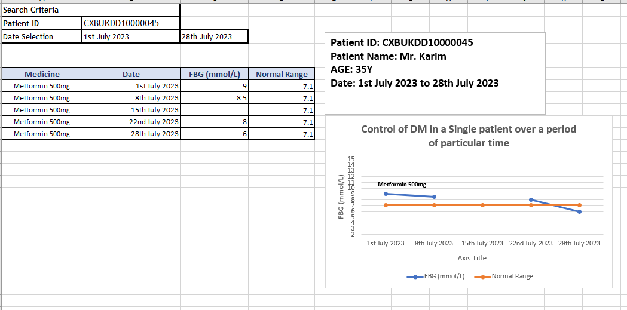
 | Control of DM in a Single patient over a period of particular time |  |  | DEFINE THE COLORS AS FOLLOWS: Green = 0-100 patients
 |  |  |  | Yellow = 101-150
 |  |  |  | Red = > 150

 |  |  |  | Define Location … for example, Teknaf

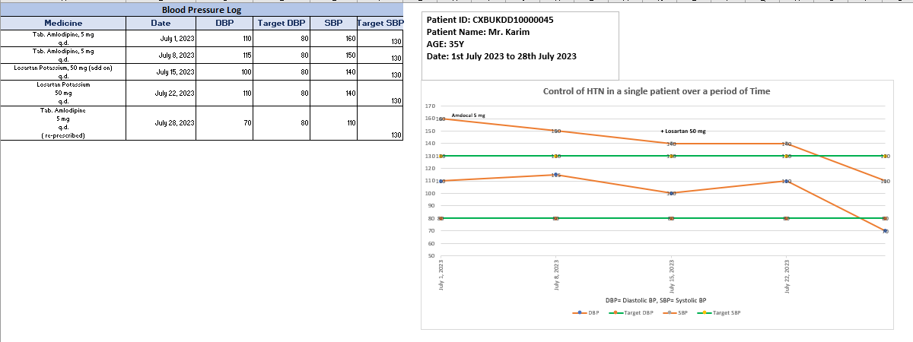
 | Control of HTN in a single patient over a period of Time

BP
Patient ID: CXBUKDD10000045
Patient Name: Mr. Karim
AGE: 35Y
Date: 1st July 2023 to 28th July 2023
Blood Pressure Log
Medicine | Date | DBP | Target DBP | SBP | Target SBP
Tab. Amlodipine, 5 mg q.d. | 2023-07-01 | 110 | 80 | 160 | 130
Tab. Amlodipine, 5 mg q.d. | 2023-07-08 | 115 | 80 | 150 | 130
Losartan Potassium, 50 mg (add on) q.d. | 2023-07-15 | 100 | 80 | 140 | 130
Control of HTN in a single patient over a period of Time
Losartan Potassium 50 mg q.d. | 2023-07-22 | 110 | 80 | 140 | 130
Amdocal 5 mg
+ Losartan 50 mg
Tab. Amlodipine 5 mg q.d. ( re-prescribed) | 2023-07-28 | 70 | 80 | 110 | 130

Sheet1
Search Criteria
Location | Ukhiya UHC
Date Selection | 1st July 2023 | 31th July 2023 | Date Selection could be day wise, Weekly basis, Monthly basis, Yearly basis.

Distribution of Different Diseases/Presentation at Specified Time-Period in Outpatient Setting
 | Patients Number
HTN | 189
DM | 172
Fever | 157
Cough | 115
Nasopharyngitis | 119
Common Cold | 135
Asthma/COPD | 46
Diarrhoea | 110
Dyspepsia/Gastritis | 123
Malnutrition (BMI) | 64
Musculoskeletal Pain | 37
Skin Disease | 79
Scabies | 56
Injury | 18
Helminthiasis | 102
Anemia | 19
Pregnancy | 25
UTI | 8
Headache | 20
Dengue | 5
Others | 56
Presumptive TB | 15
Time Duration | Diseases | Patients Number
1 January 2023 - 31 January 2023 | HTN | 189
 | DM | 172
 | Fever | 157
 | Cough | 115
 | Nasopharyngitis | 119
 | Common Cold | 135
 | Asthma/COPD | 46
 | Diarrhoea | 110
 | Dyspepsia/Gastritis | 123
 | Malnutrition (BMI) | 64
 | Musculoskeletal Pain | 37
 | Skin Disease | 79
 | Scabies | 56
 | Injury | 18
 | Helminthiasis | 102
 | Anemia | 19
 | Pregnancy | 25
 | UTI | 8
 | Headache | 20
 | Dengue | 5
 | Others | 56
 | Presumptive TB | 15

 |  | Disease Burden

Outpataient Setting
Distribution of Different Diseases/Presentation at Specified Time-Period in Outpatient Setting
 | Patients Number
HTN | 189
DM | 172
Fever | 157
Cough | 115
Nasopharyngitis | 119
Common Cold | 135
Asthma/COPD | 46
Diarrhoea | 110
Dyspepsia/Gastritis | 123
Malnutrition (BMI) | 64
Musculoskeletal Pain | 37
Skin Disease | 79
Scabies | 56
Injury | 18
Helminthiasis | 102
Anemia | 19
Pregnancy | 25
UTI | 8
Headache | 20
Dengue | 5
Others | 56
Presumptive TB | 15

Location: Ukhiya UHC
Date Range: 01 January 2023 to 31 January 2023

HTN
Search Criteria
Location | Ukhiya UHC
Date Selection | 1st July 2023 | 09th July 2023 | Date Selection could be day wise, Weekly basis, Monthly basis, Yearly basis.

Number of Patients with Diagnosed HTN
 | Controlled | Un-Controlled
1-Jul-23 | 60 | 140
2-Jul-23 | 100 | 200
3-Jul-23 | 150 | 100
4-Jul-23 | 100 | 50
5-Jul-23 | 80 | 20
6-Jul-23 | 150 | 250
7-Jul-23 | 0 | 0
8-Jul-23 | 150 | 150
9-Jul-23
Name of Deases | Date | Controlled | Un-Controlled | Total
HTN | 1-Jul-23 | 60 | 140
 | 2-Jul-23 | 100 | 200
 | 3-Jul-23 | 150 | 100
 | 4-Jul-23 | 100 | 50
 | 5-Jul-23 | 80 | 20
 | 6-Jul-23 | 150 | 250
 | 7-Jul-23 | 0 | 0
Location: Ukhiya UHC
Date Range: 01 July 2023 to 09 July 2023
 | 8-Jul-23 | 150 | 150
 | 9-Jul-23

FBG
Patient ID: CXBUKDD10000045
Patient Name: Mr. Karim
AGE: 35Y
Date: 1st July 2023 to 28th July 2023
Search Criteria
Patient ID | CXBUKDD10000045
Date Selection | 1st July 2023 | 28th July 2023

Medicine | Date | FBG (mmol/L) | Normal Range
Metformin 500mg | 1st July 2023 | 9 | 7.1
Metformin 500mg | 8th July 2023 | 8.5 | 7.1
Metformin 500mg | 15th July 2023 |  | 7.1
Control of DM in a Single patient over a period of particular time
 | FBG (mmol/L) | Normal Range
1st July 2023 | 9 | 7.1
8th July 2023 | 8.5 | 7.1
15th July 2023 |  | 7.1
22nd July 2023 | 8 | 7.1
28th July 2023 | 6 | 7.1
Metformin 500mg | 22nd July 2023 | 8 | 7.1
Metformin 500mg | 28th July 2023 | 6 | 7.1

Metformin 500mg

