Tool-basedCodeAnalysis
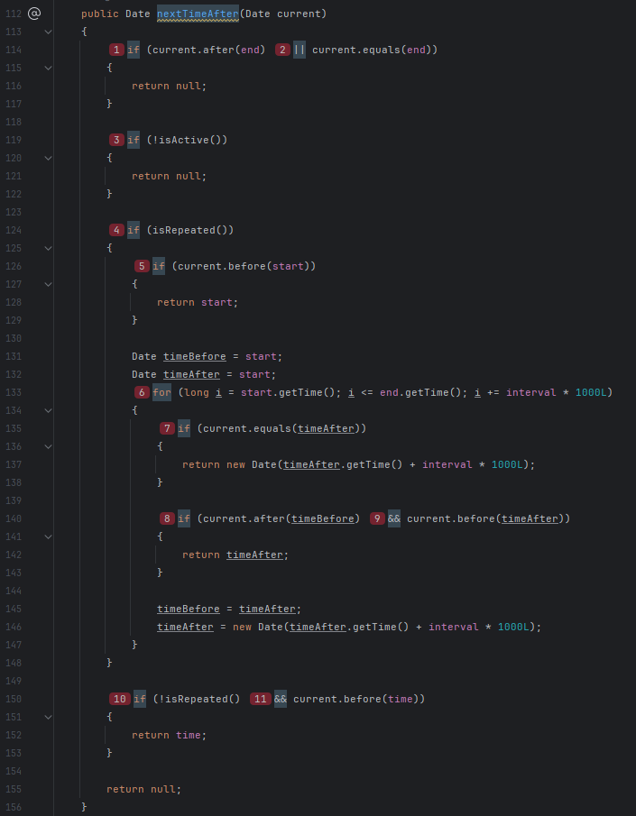
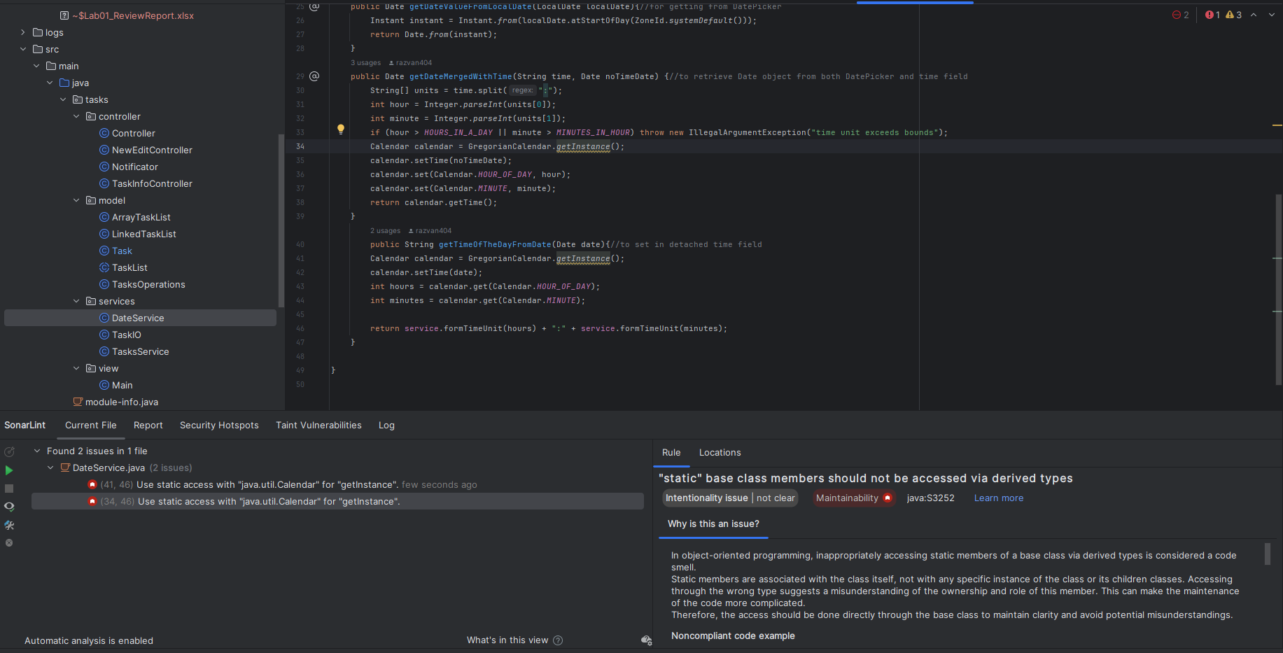
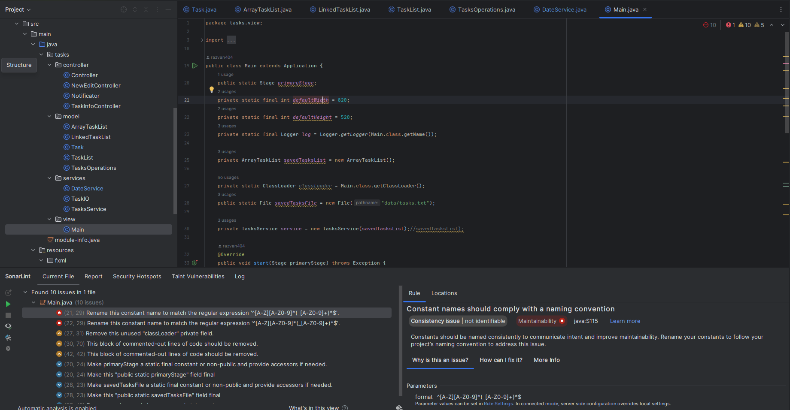
do not print this form |  |  |  |  | Echipa
Tool-based Code Analysis |  |  |  |  |  | Numele si prenumele | Grupa
 |  |  |  |  | Student 1: | Petec Răzvan-Gabriel | 235
 | Tool used: | SonarLint |  |  | Student 2:
 | Reviewer Name: | Petec Răzvan-Gabriel |  |  | Student 3:
 | Review date: | 22.03.2023

Crt. No. | File, Line | Issue | Before | After/Argument
1 | Task.java, 112-156 | Cognitive Complexity of methods should not be too high | public Date nextTimeAfter(Date current) { if (current.after(end) || current.equals(end)) { return null; } if (!isActive()) { return null; } if (isRepeated()) { if (current.before(start)) { return start; } Date timeBefore = start; Date timeAfter = start; for (long i = start.getTime(); i <= end.getTime(); i += interval * 1000L) { if (current.equals(timeAfter)) { return new Date(timeAfter.getTime() + interval * 1000L); } if (current.after(timeBefore) && current.before(timeAfter)) { return timeAfter; } timeBefore = timeAfter; timeAfter = new Date(timeAfter.getTime() + interval * 1000L); } } if (!isRepeated() && current.before(time)) { return time; } return null; } | Divided the logic into multiple functions: private boolean isDateValid(Date current) { return !(current.equals(end) || current.after(end) || !isActive()); } private Date loopDates(Date current) { Date timeBefore = start; Date timeAfter = start; for (long i = start.getTime(); i <= end.getTime(); i += interval * 1000L) { if (current.equals(timeAfter)) { return new Date(timeAfter.getTime() + interval * 1000L); } if (current.after(timeBefore) && current.before(timeAfter)) { return timeAfter; } timeBefore = timeAfter; timeAfter = new Date(timeAfter.getTime() + interval * 1000L); } return null; } public Date nextTimeAfter(Date current) { if (!isDateValid(current)) { return null; } if (isRepeated()) { if (current.before(start)) { return start; } return loopDates(current); } else if (current.before(time)) { return time; } return null; }
2 | DateService.java, 34 | static base class members should not be accessed via derived types | Calendar calendar = GregorianCalendar.getInstance(); | Called the method from the original class, as it's not overriden: Calendar calendar = Calendar.getInstance();
3 | DateService.java, 41 | static base class members should not be accessed via derived types | Calendar calendar = GregorianCalendar.getInstance(); | Called the method from the original class, as it's not overriden: Calendar calendar = Calendar.getInstance();
4 | Main.Java, 21 | Constant names should comply with a naming convention | private static final int defaultWidth = 820; | private static final int DEFAULT_WIDTH = 820;
5 | Main.Java, 22 | Constant names should comply with a naming convention | private static final int defaultHeight = 520; | private static final int DEFAULT_HEIGHT = 520;
6
7
8
9
10
11
12
13
14
15
16
17
18
19
20
21

 | Effort to perform tool-based code analysis (hours): 0.5h

