Dashboard
C (Water Usage G), D (Gas Usage CCF) and E (Electricity kWh)
 | Water Usage (gal) | Gas Usage (CCF) | Electricity (kWh)
 | Value
Boiler Efficiency (%) | ✅ Efficient
Boiler Confidence Level | 80% - 92%
Boiler Combustion Efficiency (%) | 180.6
COP/EER | 6.3
Chiller Confidence Level | Good
Estimated Daily Savings ($) | $79.52
Estimated Monthly Savings ($) | $2,385.47
Estimated Quarterly Savings ($) | $7,156.40
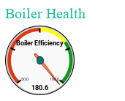
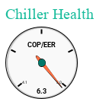

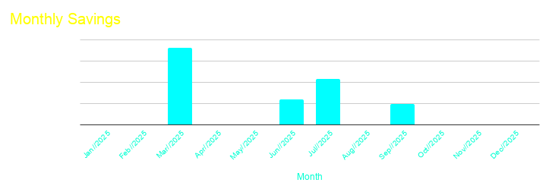

33

Savings_Trend
Monthly Resource Savings Breakdown
Month | Total Savings ($)
2025-01-01 | $0.00
2025-02-01 | $0.00
2025-03-01 | $7,217.73
2025-04-01 | $0.00
2025-05-01 | $0.00
2025-06-01 | $2,385.47
2025-07-01 | $4,327.07
2025-08-01 | $0.00
2025-09-01 | $1,968.02
2025-10-01 | $0.00
2025-11-01 | $0.00
2025-12-01 | $0.00

Q1 Savings | $7,217.73
Q2 Savings | $2,385.47
Q3 Savings | $6,295.09
Q4 Savings | $0.00

 |  | 0

Savings_Chart
Monthly Resource Savings Breakdown

