Introduction
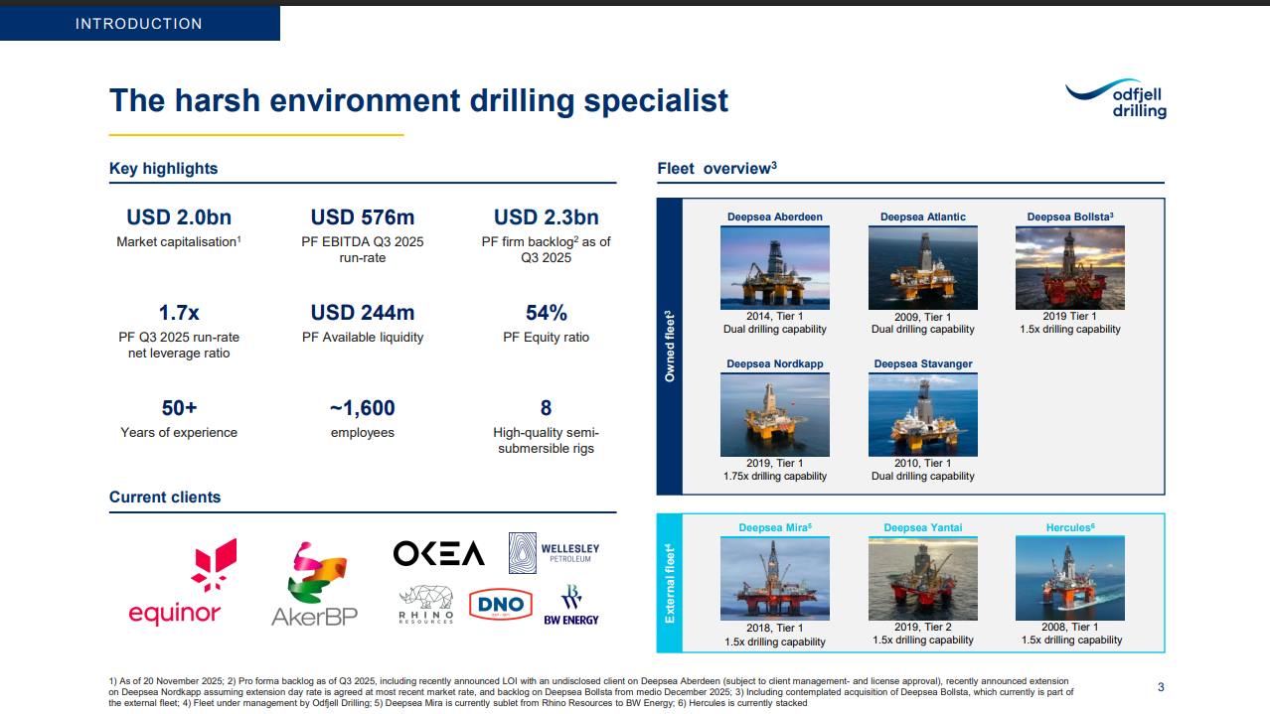
Introduction to Odfjell Drilling case - ODL
1 | Read the reports and company presentations, to understand the business
2 | Odfjell Drilling owns five drilling rigs, all working in the North Sea. All rigs are contracted on a day rate basis. The fifth rig was bought from Northern Ocean (NOL) in Q4'25. See link https://newsweb.oslobors.no/message/659811
3 | As with all the other cases, keep it simple. Use the provided historical information and make your own assumptions to arrive at your estimates.
4 | Considering several valuation approaches could be helpful, both Peer multiple valuation (multiples are attached in this Excel file) and a DCF. The company pay dividends, and future dividend estimates might be interesting to consider
5 | In addition to a financial market where shares are trading, there is also a physical market for rigs, so rig values can be interesting to have a look at

 | Good luck!

Website
https://www.odfjelldrilling.com/investor/

