1. Title Page
Instacart Grocery Basket Analysis

Project Name: Instacart Grocery Basket Analysis
Date: 29 April 2024; revised 8 May 2024
Analyst Name: Rose Nayak

Contents:
Population Flow
Consistency checks
Wrangling steps
Column derivations (including frequences of flags/label variables)
Visualizations
Recommendations

2. Population Flow
Title page

Population flow

Exclusion flag
Condition: max_order < 5
Obervations to be removed: 1358803
Final total count of order_products_all: 29270938

Key: order_id
Key: product_id

Orders_products_combined
Orders_products_merged
Orders_products_all

Total: 32404859
Total: 32434489
Total: 30629741

1.) The grey boxes in the first row of the population flow represent the original data sets as they were when you downloaded them. In the Total fields you need to add the count of the rows when you imported the data set into Jupyter.
2.) The second row of boxes (coloured) represents the data sets after you manipulated them, e.g., removed missing values and duplicates. In the Total fields you need to add the count of the rows after conducting these operations. This offers a visual oveview of how the data flows throughout the data consistency checks.
3.) The third row, where also the arrows are coloured, represents the merges you performed between the datasets. In the Total fields you need to add the count of the rows in the merged datasets, so that you end up with the final dataset (in the red box). Keep in mind the final dataset should be without exclusions (based on the exclusion flag).

3. Consistency checks
 |  |  |  |  |  | Title page
Consistency checks

Dataset | Missing values | Missing values treatment | Duplicates | Exercise # | Dataset Update
orders.csv | 206,209 NaN from 'days_since_prior_order' | Kept, represents over 5% of the data, also missing records could represent new customers. A separate dataframe for these missing values was created for record. | none | Exercise 4.5 | Original: 3421083 rows Missing: 206,209 After missing value treatment: no change, 3421083 rows
products.csv | 16 product_names | Filtered out, 16 rows represents less than 5% of the data, and therfore will not have much of an impact either kept or dropped. In this case, the 16 missing values are product_name. A separate dataframe for these missing values was created for record (df_nan). Using data dictionary, it could be possible go back to it later and find what these missing product names are using product_id and cross-referencing it with other available data such as price, aisle_id and department_id. | 5 duplicates deleted Created 2 subsets: df_dups # new data frame containing only rows that are duplicate df_prods_clean dataframe containing | Exercise 4.5 | Original: 49,693 rows Less: missing values (filtered out): 16 After missing value treatment: 49,677 Less: duplicates (deleted): 5 After duplicate values treatment: 49,672
orders_products_prior.csv | none | n/a | none |  | No changes
customers.csv | 11259 first_names | Filtered out missing values and saved in a new dataframe: df_customers_clean Created a separate dataframe for missing values: df_customers_nan. (Note: Due to security implications, first_names column, along with last_name column, was deleted as part of PII protocol). | none | Exercise 4.9

4. Wrangling steps
 |  |  |  |  |  |  | Title page
Wrangling steps

Columns dropped | Columns w/ PII | Columns renamed | Columns' type changed | Exercise # | Originating Dataset | Comment/Reason
eval_set' column |  |  |  | Exercise 4.4 Data Wrangling & Subsetting | orders.csv | Establsihed to be not pertinent to the analysis. It includes system details serving as identifiers for a previously published dataset by Instacart.
 |  | order_dow' renamed to 'orders_day_of_week' |  | Exercise 4.4 Data Wrangling & Subsetting | orders.csv | order_dow is not very intuitive
 |  |  | order_id changed to string | Exercise 4.4 Data Wrangling & Subsetting | orders.csv | order_id does not hold a numeric value and for this analysis, it will be treated as a string/object
 |  |  | user_id changed to string | Exercise 4.4 Data Wrangling & Subsetting | orders.csv | user_id does not hold a numeric value and for this analysis, it will be treated as a string/object
 |  | days_since_prior_order' temporarily renamed to 'days_since_previous_order' |  | Exercise 4.4 Data Wrangling & Subsetting | orders.csv | As part of the exercise to rename a column, but not overwritten, using inplace = False argument
_merge dropped after every merge |  |  |  |  | orders.csv, products.csv, customers.csv | Used only as a _merge flag Not pertinent to the analysis. Dropped after established success of merge--especially critical before another merge, otherwise or more than 1 _merge columns will be detected and can cause an error
 |  | First Name' renamed to 'first_name' |  | Exercise 4.9 Intro to Data Visualization with Python | customers.csv | use snake case (lower case separated by underscore) for consistency
 |  | Surnam' renamed to 'last_name' |  | Exercise 4.9 Intro to Data Visualization with Python | customers.csv | follow the same naming convention as first name
 |  | Gender' renamed to 'gender' |  | Exercise 4.9 Intro to Data Visualization with Python | customers.csv | lower case for consistency
 |  | STATE' renamed to 'state' |  | Exercise 4.9 Intro to Data Visualization with Python | customers.csv | lower case for consistency
 |  | Age' renamed to 'age' |  | Exercise 4.9 Intro to Data Visualization with Python | customers.csv | lower case for consistency
first_name |  |  |  | Exercise 4.10 Coding Etiquette & Excel Reporting | customers.csv | A Personally Identifiable Information (PII) element which can be directly used to identify a person
last_name |  |  |  | Exercise 4.10 Coding Etiquette & Excel Reporting | customers.csv | A PII element which can be directly used to identify a person
 | gender |  |  | Exercise 4.10 Coding Etiquette & Excel Reporting | customers.csv | With first_name and last_name columns dropped, the rest of the PII elements are rendered less sensitive and allowed to be kept
 | age |  |  | Exercise 4.10 Coding Etiquette & Excel Reporting | customers.csv | With first_name and last_name columns dropped, the rest of the PII elements are rendered less sensitive and allowed to be kept, but age, together with other identifiers could still id a person and therefore should be reported or flagged to ensure proper handling
 | n_dependants |  |  | Exercise 4.10 Coding Etiquette & Excel Reporting | customers.csv | With first_name and last_name columns dropped, the rest of the PII elements are rendered less sensitive and allowed to be kept, but n_dependants, together with other identifiers could still id a person and therefore should be reported or flagged to ensure proper handling
 | fam_status |  |  | Exercise 4.10 Coding Etiquette & Excel Reporting | customers.csv | With first_name and last_name columns dropped, the rest of the PII elements are rendered less sensitive and allowed to be kept
 | income |  |  | Exercise 4.10 Coding Etiquette & Excel Reporting | customers.csv | With first_name and last_name columns dropped, the rest of the PII elements are rendered less sensitive and allowed to be kept, but income, together with other identifiers could still id a person and therefore should be reported or flagged to ensure proper handling

5. Column derivations
 |  |  |  |  |  | Title page

Column derivations and aggregations

In this tab you should add tables below that the frequences of flags/label variables that you produced after deriving them. NB: don't do this for continuous variables, only for flags.
In this tab you should add tables below that the frequences of flags/label variables that you produced after deriving them. NB: don't do this for continuous variables, only for flags.
Data Shape
4.6: 32434489
4.6: After merge (on order_id): 32404859
4.7: 32404859
4.8: 32404859 4.9 Part1: 32404859
4.9 Part 2: After merge (on product_id): 30629741
4.9 Part 3: 30629741
4.10 Part 1: After exclusion (no low activity) 29270938
4.10 Part 2: 29270938
Dataset | New column | Exercise # | Column/s it was derived from | Frequencies of flags/labels variable | Conditions
df_ords_prods_merge | _merge | Exercise 4.6 (Part 1) | Merge of 2 dataframes 1) df_ords.merge 2) df_ords_prior | _merge both 32434489 left_only 0 right_only 0 | After merging two dataframes, a merge flag column is derived as a consequence.
df_ords_prods_merge | _merge (flag) | Exercise 4.6 (Part 2) | Merge of 2 dataframes 1) df_orders_products_combined_2 2) df_prods_most_recent | _merge both 32404859 left_only 0 right_only 0 | After merging two dataframes, a merge flag column is derived as a consequence.
df_ords_prods_merge | price_range_loc | Exercise 4.7 | prices | Adjusted output: price_range_loc Low Price Range 17613834 Mid Price Range 14373347 High Price Range 417678 Total: 32404859 Original output: price_range_loc Mid Price Range 21860860 Low Price Range 10126321 High Price Range 417678 Total: 32404859 | Adjusted criteria Low price range: <8 Mid price range: >=8 & <15 High price: >15 Original: Low price range: <5 Mid price range: >=5 & <15 High price: >15 Note: I wanted to capture the typical price range that most customers are willing to pay and therefore adjusted the low and mid-price ranges based on the dataset's histogram essentially adjusting for price sensitivities or preferences. Using the same three tiered categories of low, mid and high, I set the lower price ranges around the central tendency, which falls around $8 and kept high price range at over $15 to highlight the outliers, essentially highlighting the distribution of the dataset.
 |  | Exercise 4.10 | prices | price_range_loc Mid-range product 19749670 Low-range product 9144397 High-range product 376871 Total: 29270938 | derived from the criteria, but applied to just regular activity (low acitvity not included)
df_ords_prods_merge | busiest day | Exercise 4.7 | orders_day_of_week | busiest day Regularly busy 22416875 Busiest day 6204182 Slowest day 3783802 Total: 32404859 | result = [] for value in df_ords_prods_merge["orders_day_of_week"]: if value == 0: result.append("Busiest day") elif value == 4: result.append("Slowest day") else: result.append("Regularly busy")
 | busiest day | Exercise 4.10 | orders_day_of_week | busiest_day Regularly busy 20259663 Busiest day 5585707 Slowest day 3425568 Total: 29270938 | derived from same conditions as immediately above, but applied to just regular activity (low acitvity not included)
df_ords_prods_merge | busiest days | Exercise 4.7 | orders_day_of_week | busiest days Regularly busy 12916111 Busiest days 11864412 Slowest days 7624336 Total: 32404859 | result2 = [] for value in df_ords_prods_merge["orders_day_of_week"]: if value == 0 or value == 1: result2.append("Busiest days") elif value == 4 or value == 3: result2.append("Slowest days") else: result2.append("Regularly busy")
df_ords_prods_merge | busiest_period_of_day | Exercise 4.7 | order_hour_of_day | busiest_period_of_day Most orders 21118071 Average orders 9997651 Fewest orders 1289137 Total: 32404859 | result3 = [] for value in df_ords_prods_merge["order_hour_of_day"]: if value in [10, 11, 14, 15, 13, 12, 16, 9]: result3.append("Most orders") elif value in [3, 4, 2, 5, 1, 0, 6, 23]: result3.append("Fewest orders") else: result3.append("Average orders")
ords_prods_merge | max_order | Exercise 4.8 | Usin 'max values': 1) 'user_id' 2) 'order_number' |  | Create a loyalty flag using transform: ords_prods_merge['max_order'] = ords_prods_merge.groupby(['user_id'])['order_number'].transform('max')
ords_prods_merge | loyalty flag | Exercise 4.8 | max_order | Adjusted output: Loyal customer 14202465 Regular customer 11958404 New customer 6243990 Total: 32404859 Results from original: loyalty_flag Regular customer 15876776 Loyal customer 10284093 New customer 6243990 Total: 32404859 | Adjusted criteria: New customers: <10 orders Regular customers: >10 & <=30 Loyal customers: >30 orders Original: New customers: <10 orders Regular customers: >10 & <=40 Loyal customers: >40 orders Note: Adjusted criteria for potential marketing strategies. By lowering loyalty threshhold, we can make the loyalty program more accessible to more customers and hopefully one that could drive sales too. In terms of marketing, it means more datapoints which could be harnessed for segmentation analysis, which can then allow for more targeted and effective marketing strategies.
 |  | Exercise 4.9 Part 3 | max_order | loyalty_flag Loyal customer 13410522 Regular customer 11317058 New customer 5902161 Total: 30629741 | derived from the adjusted conditions, see above cell
ords_prods_merge | average_spend | Exercise 4.8 | 1) 'user_id' 2) 'prices' |  | ords_prods_merge['average_spend'] = ords_prods_merge.groupby(['user_id'])['prices'].transform('mean')
ords_prods_merge | spend_flag | Exercise 4.8 | average_spend | Adjusted output: spend_flag Low_spender 31931283 Regular_spender 370574 High_spender 103002 Total: 32404859 Results from original: spend_flag Low_spender 31770614 High_spender 634245 Total: 32404859 | Adjusted criteria: Low spender: <30 Regular spender: >=30 & <300 High spender: >300 Original: Low spender: <10 High spender: >= 10 Note: The dataset is heavily tilted towards low spenders. From the original criteria, these are customers with an average spend of under $10, which represents 98% of the population. The high spender comprise of the outliers, but also other customers who spend more than $10, but within a more reasonable range. To capture this datapoint, I added 'regular_spender' category, customers who spend $30 to $300. I wanted a meaningful cut-off and $30 seemed interesting, because it shows that most customers are not availing of the free shipping (set at minimum of $35 for members).
ords_prods_merge | order_frequency | Exercise 4.8 | 1) 'user_id' 2) 'days_since_previous_order' |  | ords_prods_merge['order_frequency'] = ords_prods_merge.groupby(['user_id'])['days_since_previous_order'].transform('median')
ords_prods_merge | frequency_flag | Exercise 4.8 | order_frequency | frequency_flag Frequent customer 21559853 Regular customer 7208564 Non-frequent customer 3636437 nan 5 Total: 32404859 | Criteria for the frequency flag: If the median of “days_since_prior_order” is Frequent customer: <=10 Regular customer: >10 & <=20 Non-frequent customer: >20
 | frequency_flag | Exervcise 4.10 Part 1 | order_frequency | frequency_flag Frequent customer 20026966 Regular customer 6501809 Non-frequent customer 2742163 Total: 29270938 | derived from same conditions as above, but applied to just regular activity (low acitvity not included)
df_ords_prods_cust | _merge | Exercise 4.9 Part 2 | 1) ords_prods_merged 2) df_customers_clean | _merge both 30629741 left_only 0 right_only 0 | df_ords_prods_cust = ords_prods_merged.merge(df_customers_clean, on = 'user_id', how = 'inner', indicator = True)
instacart | region | Exercise 4.10 Part 1 | state | region South 10198982 West 7831810 Midwest 7176924 Northeast 5422025 Total: 30629741 | result = [] for state in instacart["state"]: if state in ('Maine', 'New Hampshire', 'Vermont', 'Massachusetts', 'Rhode Island', 'Connecticut', 'New York', 'Pennsylvania', 'New Jersey'): result.append("Northeast") elif state in ('Wisconsin', 'Michigan', 'Illinois', 'Indiana', 'Ohio', 'North Dakota', 'South Dakota', 'Nebraska', 'Kansas', 'Minnesota', 'Iowa', 'Missouri'): result.append("Midwest") elif state in ('Delaware', 'Maryland', 'District of Columbia', 'Virginia', 'West Virginia', 'North Carolina', 'South Carolina', 'Georgia', 'Florida', 'Kentucky', 'Tennessee', 'Mississippi', 'Alabama', 'Oklahoma', 'Texas', 'Arkansas', 'Louisiana'): result.append("South") else: result.append("West")
df_exclusion | activity_flag | Exercise 4.10 | max_order | activity_flag Regular Activity 29270938 Low Activity 1358803 Total: 30629741 | instacart.loc[instacart['max_order'] < 5, 'activity_flag'] = 'Low Activity' instacart.loc[instacart['max_order'] >= 5, 'activity_flag'] = 'Regular Activity' instacart['activity_flag'].value_counts(dropna = False)
 | age_group | Exercise 4.10 | age | age_group Adult 13778563 Senior 9998947 Young Adult 3650672 Youth 1842756 Total: 29270938 | df_exclusion.loc[df_exclusion['age'] < 22, 'age_group'] = 'Youth' df_exclusion.loc[df_exclusion['age'] >= 22,'age_group'] = 'Young Adult' df_exclusion.loc[(df_exclusion['age'] >= 40) & (df_exclusion['age']< 65),'age_group'] = 'Adult' df_exclusion.loc[df_exclusion['age'] >= 65,'age_group'] = 'Senior'
 | income_group | Exercise 4.10 | income | income_group Middle 15119028 High 8676806 Low 5475104 Total: 29270938 | Middle >=60000 & <120000 High >=120000 Low <60000

6. Visualizations
 |  |  |  |  |  |  | Title page

Visualisations

In this tab you should include all the visualtions from Exercises 4.9 and 4.10, alongside the questions from the project brief that they answer. Include any commentary on the relationship between different variables.

 | Visualizations

Legend ( for orders)
Loyal. > 30
Regular <= 30 & >10
New <= 10
Price Range
Low <8
Mid >8 & <=15
High 15 >
Price
count 2.926639e+07
mean 7.791568e+00
std 4.241156e+00
min 1.000000e+00
25% 4.200000e+00
50% 7.400000e+00
75% 1.130000e+01
max 2.500000e+01
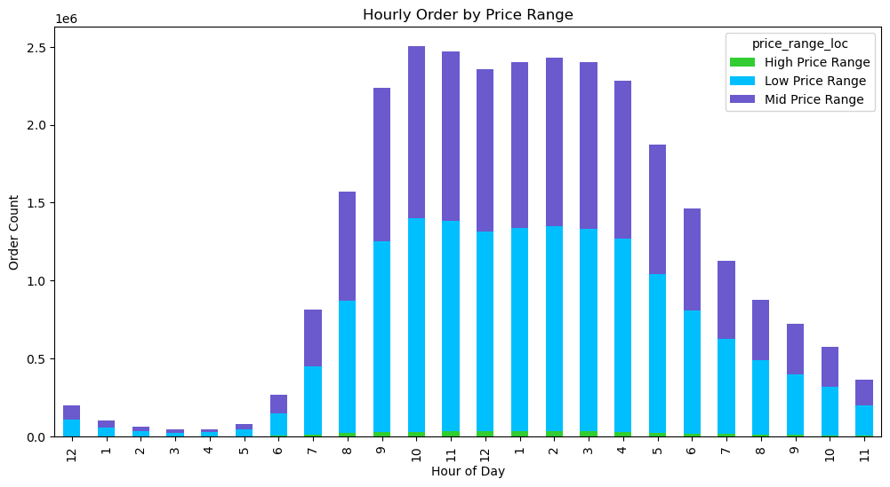 |  |  |  |  |  | 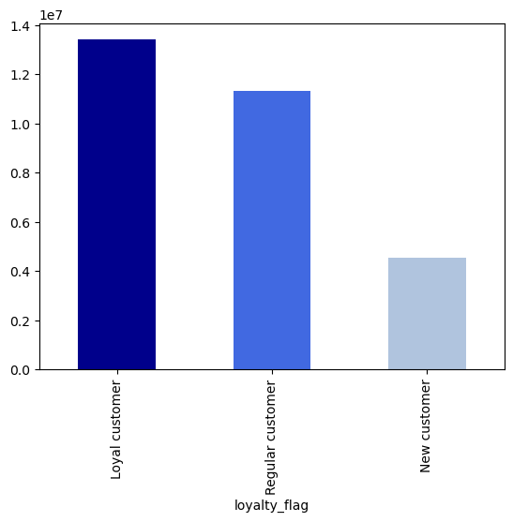

 | The chart illustrates that the peak ordering period, where customers place the highest number of orders, spans from 9 am to 4 pm, totaling 8 contiguous hours during the day. Within this peak period, the cumulative order count surpasses 2 million per hour. A minor decline is observed around noon. The peak hours, with nearly 2.5 million orders per hour, occur at 10 am and 11 am. Conversely, the early hours from 12 am to 6 am show minimal activity. Relative to the demand for low to mid-priced products, there is hardly any demand for items priced over $20, as confirmed by the histogram illustrated below. |  |  |  | The customer base predominantly consists of loyal and regular patrons who contribute to repeat business. As the company attracts new customers, its user base continues to expand, fueling its growth trajectory.
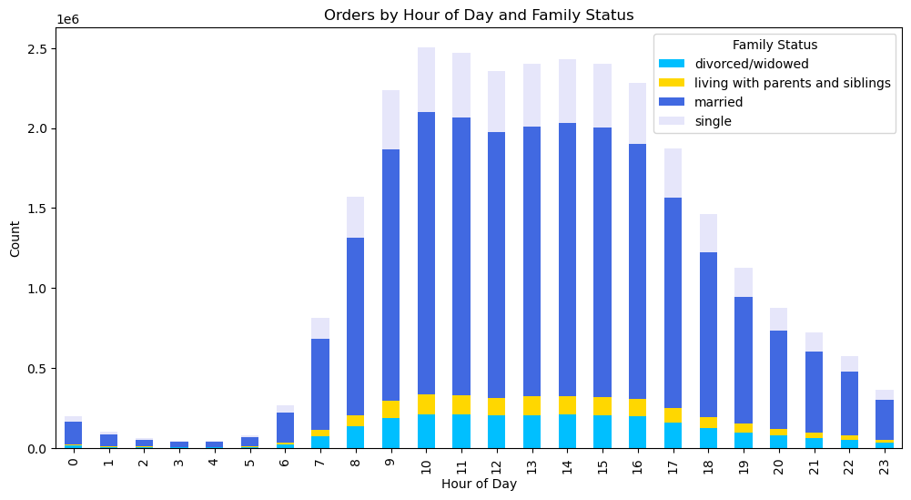
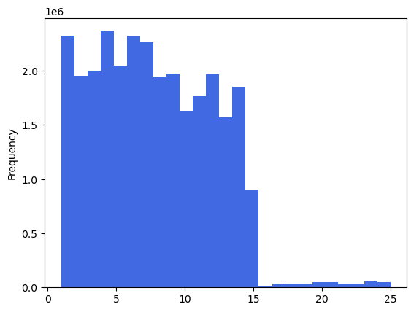

count 2.926639e+07
mean 7.791568e+00
std 4.241156e+00
min 1.000000e+00
25% 4.200000e+00
50% 7.400000e+00
75% 1.130000e+01
max 2.500000e+01

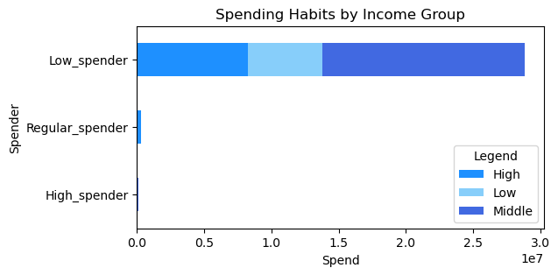
 | The concentration of values on the left side of the x-axis suggests the existence of outliers. Most orders are for lower-priced products, typically around $15, with a slightly higher concentration for products priced up to $8. |  |  |  | There is very low shopping activity during the early morning hours and is mostly dominated by married customers. Single individuals and those living with family tend to shop during peak hours. Married customers constitute the primary user base of the shopping platform throughout all hours of the day.

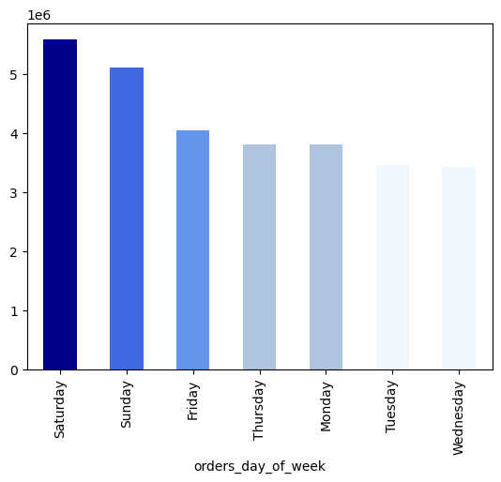

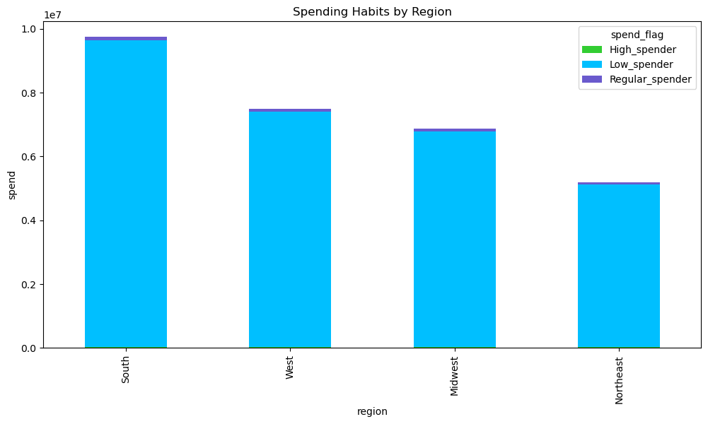
Spend Category
Low <$30
Regular >$30 & <=$300
High >$300

 |  |  |  |  | `

Income Group
Low <$60K
Middle >=$60K & <$120K
High >$120K

 | Instacart patrons, across income groups and geographic regions, are primarily low spenders, spending an average of $30 per transaction. They are $5 short of enjoying free shipping. |  |  |  |  | Saturday is the busiest day at Instacart, when most shoppers prefer to use the Instacart platform to place their orders. Conversely, Wednesday is the slowest day, when cummulative orders are at their lowest.

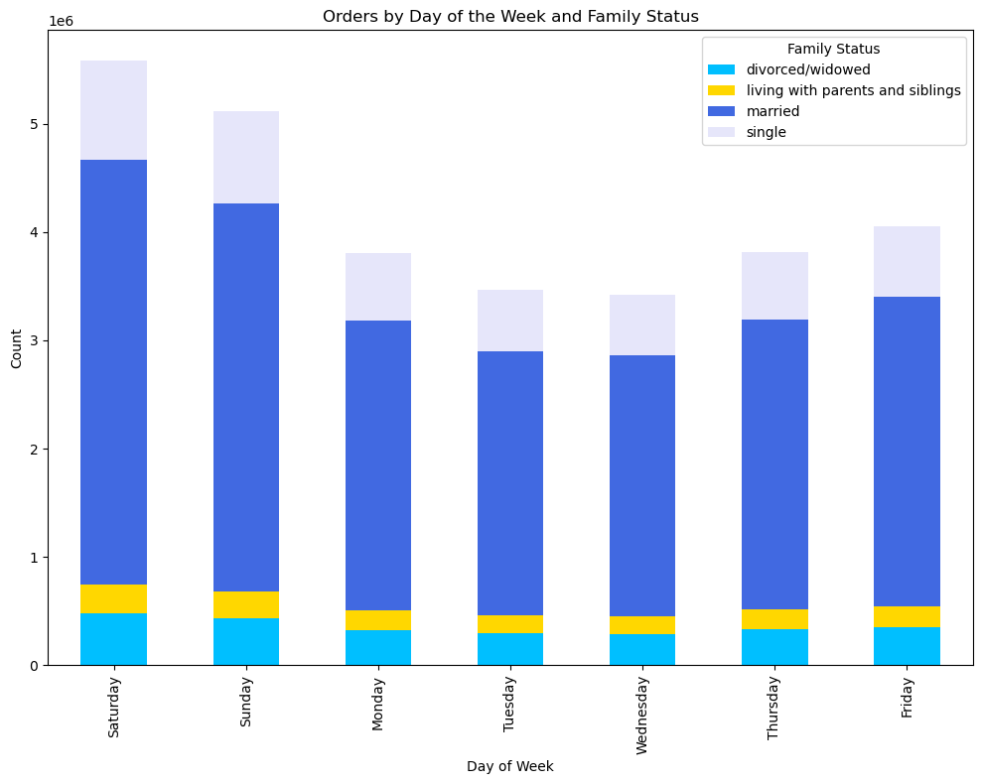

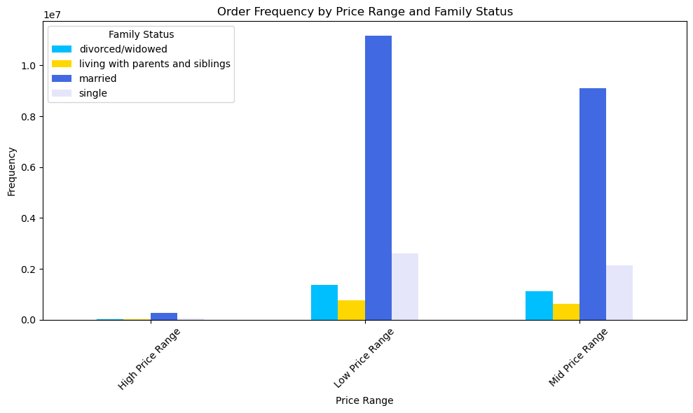
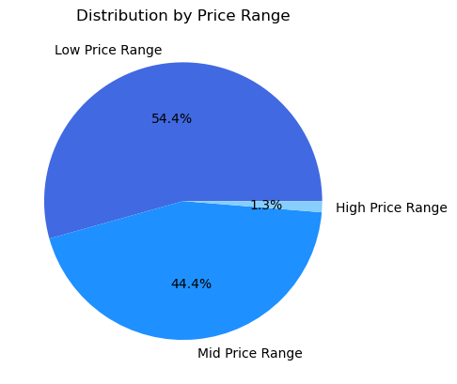

Price Range
Low <8
Mid >8 & <=15
High 15 >

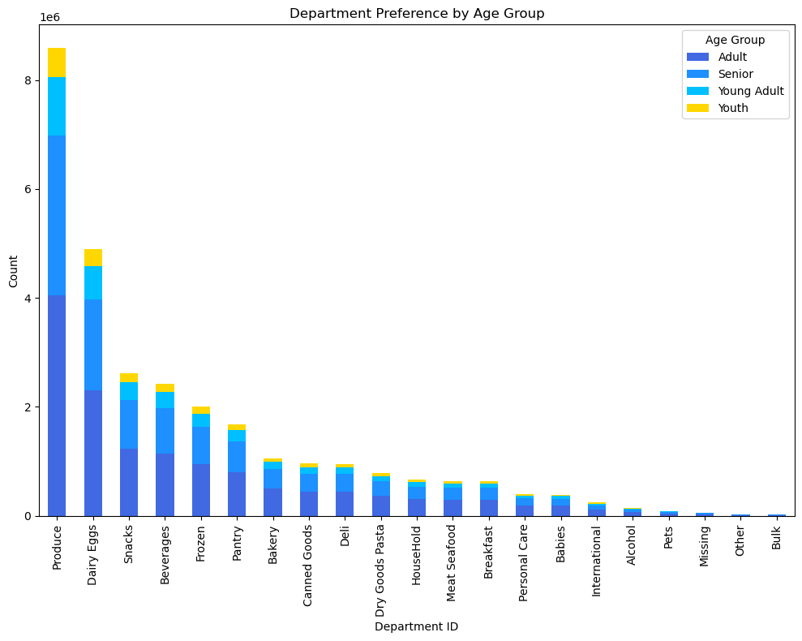
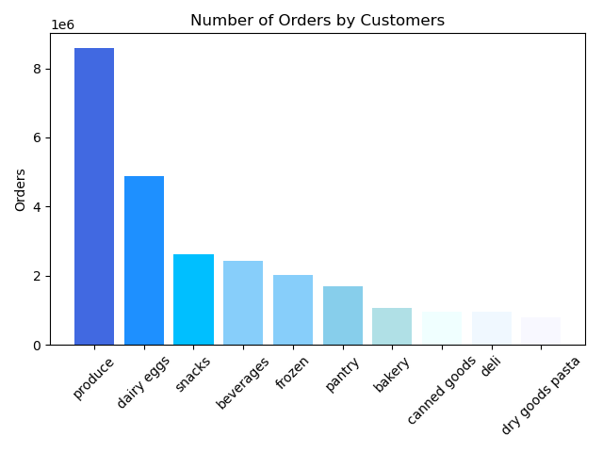
 | Shopping patterns among customers of all demographics indicate a strong preference for items priced under $8, with high-priced products attracting the fewest orders. Ninety-nine percent (99%) of all orders are priced $15 and under. |  |  |  |  | Orders typically begin to increase on Thursday and Friday, reaching their peak over the weekend--Saturday and Sunday, before gradually declining on Monday. Tuesday and Wednesday are typically the least busy days for grocery shopping.

 | Produce is the most popular Instacart product offering. Produce stands out as the most sought-after product, with basic daily necessities rounding out the top ten. These include dairy products like eggs, snacks, beverages, and pantry items.

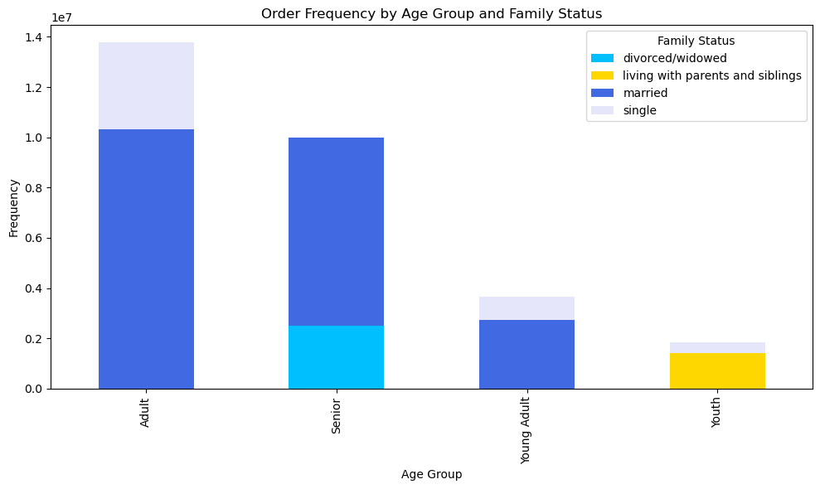
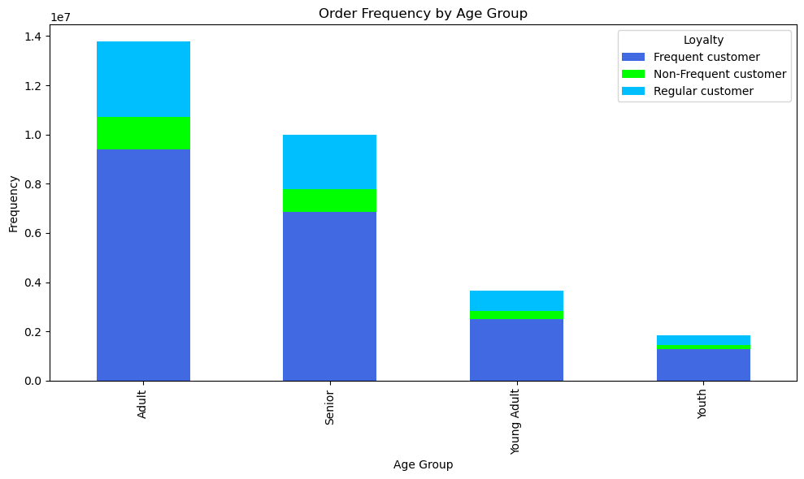
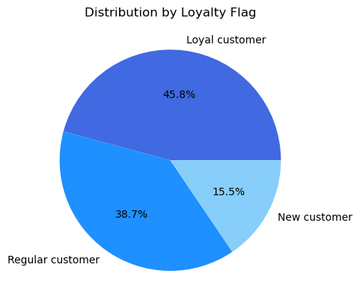

Frequency
measures last prior order
Non-Frequent > 20 days
Frequent < 10
Regular >10 & < =20

Legend
Youth < 22
Yound Adult >= 22
Adult >= 30 & < 60
Senior >= 60

 | The age group under 22 constitute the smallest market segment, but majority of them are frequent buyers. |  |  | Majority of patrons return to the Instacart platform place orders within a span of 10 days or less between each order. |  |  |  |  | About 85% of Instacart customers are repeat clientele.

 | Who are Instacart shoppers?
Legend
Youth < 22
Yound Adult >= 22
Adult >= 30 & < 60
Senior >= 60
Income Group
Low <$60K
Middle >=$60K & <$120K
High >$120K

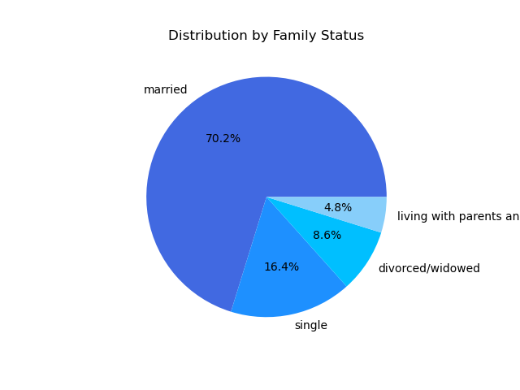
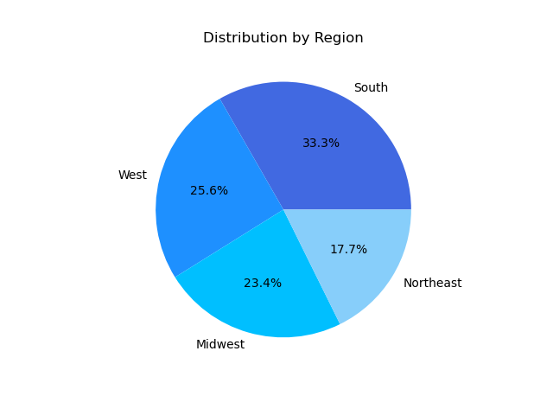
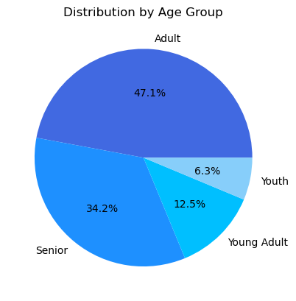

 |  | Majority of shoppers are Adults, age 30 to 60. | Married individuals account for 70% of customers. |  |  |  |  | South accounts for the largest market share.

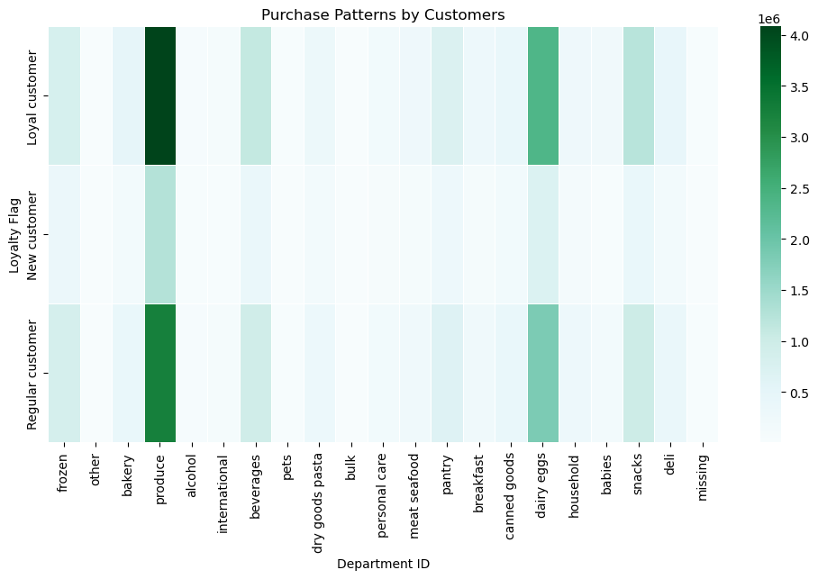

 | Another graphical representation of the market demand. In the heat map above, it shows areas of high activity: Produce (4), dairy & eggs (16), and snacks (19) , as well as areas of low activity: personal care (11), babies (18), international (6), alcohol (5), and pets (8).

7. Recommendations
 |  |  | Title page

Recommendations

In this tab you should include any recommendations you would made to Instcart in terms of their marketing strategy based on the questions posed in the brief. Every key question has been covered in the Tasks of the Exercises - here you need to add an item - a visualisation or table/crosstable that is showing the answer in the data, acompanied by a comment from you. Please, list the questions below and add the answer underneath.

Question | Observations | Recommendations
What are the busiest days of the week and hours of the day? For sales team in order to schedule ads at times when there are fewer orders. | 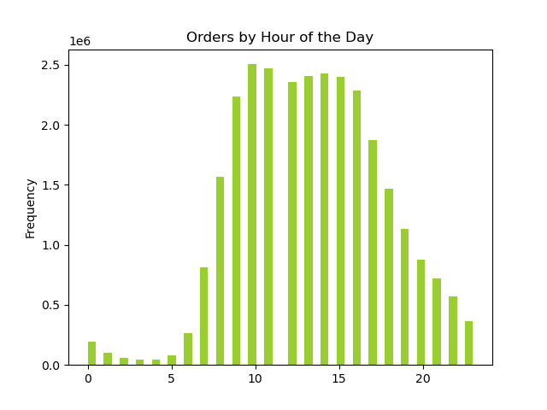 Saturdays is the busiest day of the week, followed by Sunday; 9am to 4pm is the peak period, with 10am and 11 am as peak hours. | 1. Advertise for promotional deals during peak period to reach as much audience as possible. 2. Schedule promotional deals to be in effect on slow days and hours in order to increase activity during these low activity periods.
Are there particular times of the day when people spend the most money? This might inform the type of products they advertise at these times. | In general, Instacart customers spend the most during the peak period and while patrons tend to buy under $8 products, they tend to also spend on products that are priced between $8 and under $15 during peak period. There is very little spending activity over higher-priced products $20 and up. | There's very little traction on high-priced products. For these items, consider: 1. offering samples to try, maybe by pairing it with items regularly ordered, so customers can associate their value better 2. implementing social media promotions by influencers 3. Offering limited-time promotional discounts for these products during peak hours, when patrons are more willing to spend.
What are the price range groupings? Instacart has a lot of products with different price tags. Marketing and sales want to use simpler price range groupings to help direct their efforts. | Price Range Low <8 Mid >8 & <=15 High 15 > | 1. Low-priced product are popular among Instacart patrons, particularly married individuals. Offer more products within this price range that cater to families. 2. Conduct further research to understand spending habits and preferences, particularly focusing on the mid-price range to extract insights that can boost sales margins.
Price Range
Low <8
Mid >8 & <=15
High 15 >
Are there certain types of products that are more popular than others? The marketing and sales teams want to know which departments have the highest frequency of product orders. | Produce stands out as the most sought-after product, with basic daily necessities rounding out the top ten. These include dairy products like eggs, snacks, beverages, and pantry items. Clients also tend to buy products priced $15 and under. | 1. Implement referral programs to incentivize existing patrons to refer their friends and family. 2. For products that are not as popular, develop engaging and informative content, such as how-to guides, product demonstrations, or behind-the-scenes videos.
What are the different types of customers in their system and how their ordering behaviors differ?
Frequency
measures last prior order
Non-Frequent > 20 days
Frequent < 10
Regular >10 & < =20
What’s the distribution among users in regards to their brand loyalty (i.e., how often do they return to Instacart)? | Instacart's customer base is majority repeat clients. These are customers who return to the platform to order in less than 20 days. | 1. Implement loyalty programs to incentivize returning to the platform for grocery shopping. 2. Encourage patrons to progress through different loyalty categories and gain associated perks.
Are there differences in ordering habits based on a customer’s loyalty status? | The heat map below illustrates the ordering patterns of customers based on loyalty status. Loyal customers are notably more active than new customers, while regular customers show healthy demand too. Produce and snacks are among the most popular products across groups. | The customer base primarily comprises of regular patrons and loyal customers who contribute to repeat business. Consider implementing: 1. New customer campaign to fuel growth, i.e. implement incentivized referral programs 2. Promotional campaign that will encourage existing customers to enroll in loyalty programs, enabling them to access exclusive perks such as free shipping on minimum orders, discounts, and more.
Spend Category
Low <$30
Regular >$30 & <=$300
High >$300
Are there differences in ordering habits based on a customer’s region? | Across the US, majority of customers are low spender, those with average spendings of under $30. Southern states is Instacart's top market in terms of spend, followed by Western and Midwestern states. The Northeastern states constitutes Instacart's smallest market. | Localize promotions by offering promotions and discounts that appeal to consumers in these states. Consider partnering with local businesses or influencers to increase visibility and credibility. Drive up campaign for free shipping on minimum orders, of $35 for instance, to move customers from low
Is there a connection between age and family status in terms of ordering habits? | 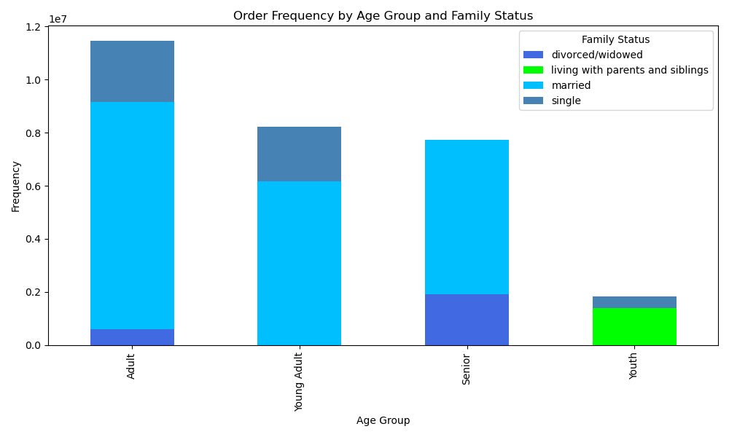 Married adults, including seniors and young adult, are the majority of Instacart's customer base. | Consider bundling goods, to draw attention to new or less familiar items that may appeal to the demographics.
What different classifications does the demographic information suggest? Age? Income? Certain types of goods? Family status? | 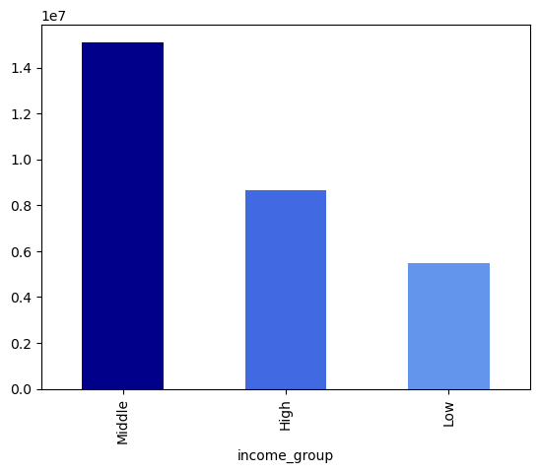 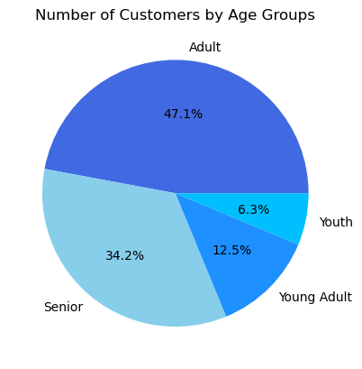 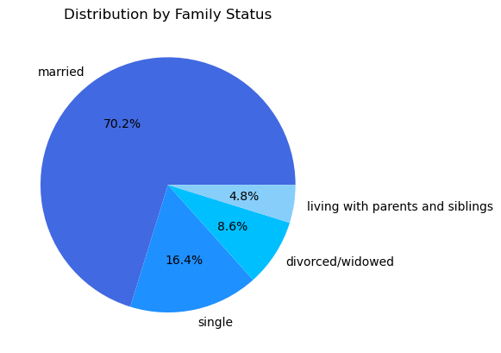 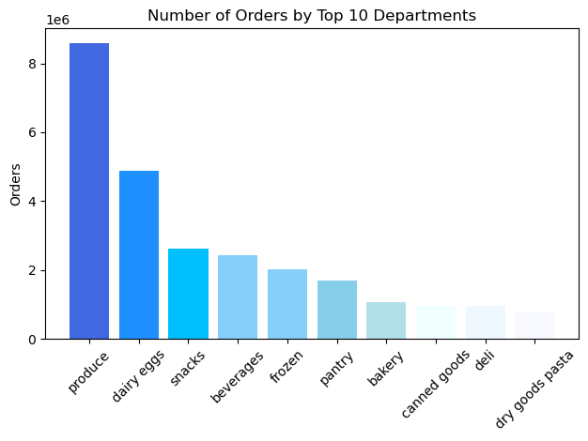 The average Instacart patron is a married, middle-class adult, whose typical purchases include basic necessities such as produce, dairy & eggs, and snacks. | Consider bundling goods, to draw attention to new or less familiar items that may appeal to the demographics.

