UT Document Proofs
Job Details: | mct_RsFactNbPrescriptionIcdCDC
Target Table Before First Run:- | Number of Records =0

Scenario ID:1 |  |  |  |  |  |  |  |  |  | Database Screenshot
MCT First Run Status In IDMC

IDMC Screenshot
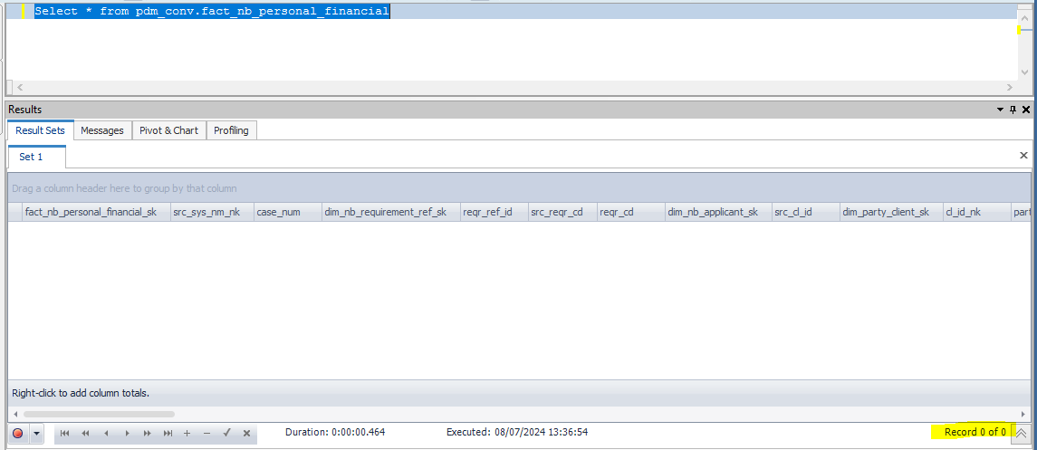
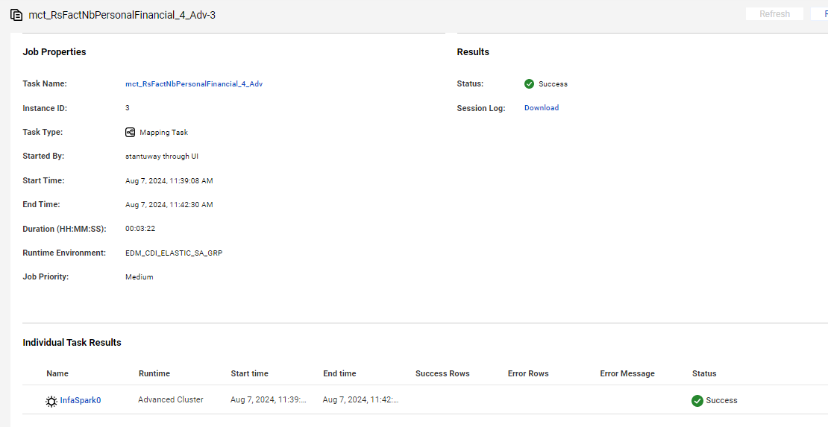

Data flow after first run

fact_nb_personal_financial_sk | src_sys_nm_nk | case_num | dim_nb_requirement_ref_sk | reqr_ref_id | src_reqr_cd | reqr_cd | dim_nb_applicant_sk | src_cl_id | dim_party_client_sk | cl_id_nk | party_tp_desc | src_cnt_rel_ref_id | dim_nb_contract_sk | dim_contract_sk | cnt_id_nk | cnt_iss_cd_nk | dat_src_cd_nk | appl_tp_cd | cnt_tp_desc | dim_nb_relation_sk | cnt_party_rel_cd_nk | dim_nb_product_sk | product_cd | plan_cd | plan_ver_num | design_ver_num | stay_in_usa_yr_num | stay_in_usa_mth_num | stay_in_usa_from_birth_ind | dim_nb_occupation_sk | occup_cd_nk | occup_duty_txt | emplr_src_iorg_ref_id_nk | emplr_dim_nb_applicant_sk | emplr_key_nm | emplr_nm | empl_dur_yr_num | empl_dur_mth_num | dim_nb_visa_sk | visa_tp_cd_nk | visa_exp_dt | visa_exp_yr_num | visa_exp_mth_nm | visa_num | is_us_ctzn_yn_ind | dim_geo_sk | ctzn_cntry_cd | annual_earn_income_amt | annual_unernd_income_amt | net_wrth_amt | hh_income_amt | dim_tax_bracket_sk | tax_bracket_cd_nk | curr_annual_income_amt | curr_investor_net_wrth_amt | curr_investor_est_net_wrth_amt | src_rec_sts_cd | edh_record_status_in | edh_created_batch_key | edh_created_ts | edh_created_nm | edh_updated_batch_key | edh_updated_ts | edh_updated_nm | empl_dur_approx_ind | citizenship_ques_answered_part1_ind | edelv_opted_yn_ind
1000029254777 | NB21 | NB21-11449296 | 671087581 | 41495438 | PART1 | PART1 | 1000085902154 | 699509965 | -99 | 699509965 | INDIVIDUAL | 19644218 | 10052970722 | 11150882 | 39001541 | PNR | CMR | New Application | Base Policy | -99 | INSURED | 1000000000558 | FPT | FPTNQ | 106 | 209 |  | UNKNOWN | Y | -99 | ACCOUNTANT |  | 11640627 | -98 | EK6A | tTcQ dBqdfE3 vsyNJw63gCnED sGs |  |  | -98 | NF |  |  |  |  | Y | -99 | US | 1000000 | 2000000 | 1000000 |  | -98 | NF |  |  |  | Active | A | 20240807080503 | 8/7/24 | m_RsFactNbPersonalFinancial_4_Adv |  |  |  | U

Scenario ID:2
NO Change Records

After Second Run count | 0 Record proceed/No Change With Data

IDMC Screenshot |  |  |  |  |  | DB Screenshot



Second run data flow

fact_nb_personal_financial_sk | src_sys_nm_nk | case_num | dim_nb_requirement_ref_sk | reqr_ref_id | src_reqr_cd | reqr_cd | dim_nb_applicant_sk | src_cl_id | dim_party_client_sk | cl_id_nk | party_tp_desc | src_cnt_rel_ref_id | dim_nb_contract_sk | dim_contract_sk | cnt_id_nk | cnt_iss_cd_nk | dat_src_cd_nk | appl_tp_cd | cnt_tp_desc | dim_nb_relation_sk | cnt_party_rel_cd_nk | dim_nb_product_sk | product_cd | plan_cd | plan_ver_num | design_ver_num | stay_in_usa_yr_num | stay_in_usa_mth_num | stay_in_usa_from_birth_ind | dim_nb_occupation_sk | occup_cd_nk | occup_duty_txt | emplr_src_iorg_ref_id_nk | emplr_dim_nb_applicant_sk | emplr_key_nm | emplr_nm | empl_dur_yr_num | empl_dur_mth_num | dim_nb_visa_sk | visa_tp_cd_nk | visa_exp_dt | visa_exp_yr_num | visa_exp_mth_nm | visa_num | is_us_ctzn_yn_ind | dim_geo_sk | ctzn_cntry_cd | annual_earn_income_amt | annual_unernd_income_amt | net_wrth_amt | hh_income_amt | dim_tax_bracket_sk | tax_bracket_cd_nk | curr_annual_income_amt | curr_investor_net_wrth_amt | curr_investor_est_net_wrth_amt | src_rec_sts_cd | edh_record_status_in | edh_created_batch_key | edh_created_ts | edh_created_nm | edh_updated_batch_key | edh_updated_ts | edh_updated_nm | empl_dur_approx_ind | citizenship_ques_answered_part1_ind | edelv_opted_yn_ind
1000029254777 | NB21 | NB21-11449296 | 671087581 | 41495438 | PART1 | PART1 | 1000085902154 | 699509965 | -99 | 699509965 | INDIVIDUAL | 19644218 | 10052970722 | 11150882 | 39001541 | PNR | CMR | New Application | Base Policy | -99 | INSURED | 1000000000558 | FPT | FPTNQ | 106 | 209 |  | UNKNOWN | Y | -99 | ACCOUNTANT |  | 11640627 | -98 | EK6A | tTcQ dBqdfE3 vsyNJw63gCnED sGs |  |  | -98 | NF |  |  |  |  | Y | -99 | US | 1000000 | 2000000 | 1000000 |  | -98 | NF |  |  |  | Active | A | 20240807080503 | 8/7/24 | m_RsFactNbPersonalFinancial_4_Adv |  |  |  | U

Scenario ID:3
Update Scenario

Before executing the job

Data Flow before executing the update scenario

fact_nb_personal_financial_sk | src_sys_nm_nk | case_num | dim_nb_requirement_ref_sk | reqr_ref_id | src_reqr_cd | reqr_cd | dim_nb_applicant_sk | src_cl_id | dim_party_client_sk | cl_id_nk | party_tp_desc | src_cnt_rel_ref_id | dim_nb_contract_sk | dim_contract_sk | cnt_id_nk | cnt_iss_cd_nk | dat_src_cd_nk | appl_tp_cd | cnt_tp_desc | dim_nb_relation_sk | cnt_party_rel_cd_nk | dim_nb_product_sk | product_cd | plan_cd | plan_ver_num | design_ver_num | stay_in_usa_yr_num | stay_in_usa_mth_num | stay_in_usa_from_birth_ind | dim_nb_occupation_sk | occup_cd_nk | occup_duty_txt | emplr_src_iorg_ref_id_nk | emplr_dim_nb_applicant_sk | emplr_key_nm | emplr_nm | empl_dur_yr_num | empl_dur_mth_num | dim_nb_visa_sk | visa_tp_cd_nk | visa_exp_dt | visa_exp_yr_num | visa_exp_mth_nm | visa_num | is_us_ctzn_yn_ind | dim_geo_sk | ctzn_cntry_cd | annual_earn_income_amt | annual_unernd_income_amt | net_wrth_amt | hh_income_amt | dim_tax_bracket_sk | tax_bracket_cd_nk | curr_annual_income_amt | curr_investor_net_wrth_amt | curr_investor_est_net_wrth_amt | src_rec_sts_cd | edh_record_status_in | edh_created_batch_key | edh_created_ts | edh_created_nm | edh_updated_batch_key | edh_updated_ts | edh_updated_nm | empl_dur_approx_ind | citizenship_ques_answered_part1_ind | edelv_opted_yn_ind
1000029255276 | NB21 | NB21-12345678 | 671087581 | 41495438 | PART1 | PART1 | 1000085902154 | 699509965 | -99 | 699509965 | INDIVIDUAL | 19644218 | 10052970722 | 11150882 | 39001541 | PNR | CMR | New Application | Base Policy | -99 | INSURED | 1000000000558 | FPT | FPTNQ | 106 | 209 |  | UNKNOWN | Y | -99 | ACCOUNTANT |  | 11640627 | -98 | EK6A | tTcQ dBqdfE3 vsyNJw63gCnED sGs |  |  | -98 | NF |  |  |  |  | Y | -99 | US | 1000000 | 2000000 | 1000000 |  | -98 | NF |  |  |  | Active | A | 20240807080503 | 8/7/24 | m_RsFactNbPersonalFinancial_4_Adv |  |  |  | U

After executing the job

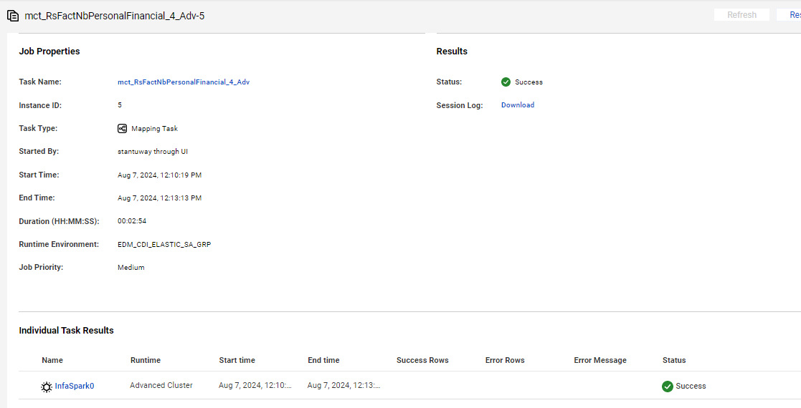

After Update the data flow in target

fact_nb_personal_financial_sk | src_sys_nm_nk | case_num | dim_nb_requirement_ref_sk | reqr_ref_id | src_reqr_cd | reqr_cd | dim_nb_applicant_sk | src_cl_id | dim_party_client_sk | cl_id_nk | party_tp_desc | src_cnt_rel_ref_id | dim_nb_contract_sk | dim_contract_sk | cnt_id_nk | cnt_iss_cd_nk | dat_src_cd_nk | appl_tp_cd | cnt_tp_desc | dim_nb_relation_sk | cnt_party_rel_cd_nk | dim_nb_product_sk | product_cd | plan_cd | plan_ver_num | design_ver_num | stay_in_usa_yr_num | stay_in_usa_mth_num | stay_in_usa_from_birth_ind | dim_nb_occupation_sk | occup_cd_nk | occup_duty_txt | emplr_src_iorg_ref_id_nk | emplr_dim_nb_applicant_sk | emplr_key_nm | emplr_nm | empl_dur_yr_num | empl_dur_mth_num | dim_nb_visa_sk | visa_tp_cd_nk | visa_exp_dt | visa_exp_yr_num | visa_exp_mth_nm | visa_num | is_us_ctzn_yn_ind | dim_geo_sk | ctzn_cntry_cd | annual_earn_income_amt | annual_unernd_income_amt | net_wrth_amt | hh_income_amt | dim_tax_bracket_sk | tax_bracket_cd_nk | curr_annual_income_amt | curr_investor_net_wrth_amt | curr_investor_est_net_wrth_amt | src_rec_sts_cd | edh_record_status_in | edh_created_batch_key | edh_created_ts | edh_created_nm | edh_updated_batch_key | edh_updated_ts | edh_updated_nm | empl_dur_approx_ind | citizenship_ques_answered_part1_ind | edelv_opted_yn_ind
1000029255276 | NB21 | NB21-11449296 | 671087581 | 41495438 | PART1 | PART1 | 1000085902154 | 699509965 | -99 | 699509965 | INDIVIDUAL | 19644218 | 10052970722 | 11150882 | 39001541 | PNR | CMR | New Application | Base Policy | -99 | INSURED | 1000000000558 | FPT | FPTNQ | 106 | 209 |  | UNKNOWN | Y | -99 | ACCOUNTANT |  | 11640627 | -98 | EK6A | tTcQ dBqdfE3 vsyNJw63gCnED sGs |  |  | -98 | NF |  |  |  |  | Y | -99 | US | 1000000 | 2000000 | 1000000 |  | -98 | NF |  |  |  | Active | A | 20240807080503 | 8/7/24 | m_RsFactNbPersonalFinancial_4_Adv | 20240807080503 | 8/7/24 | m_RsFactNbPersonalFinancial_4_Adv | U

Scenario ID: 4
Delete Scenario

Source Query proccesing Record

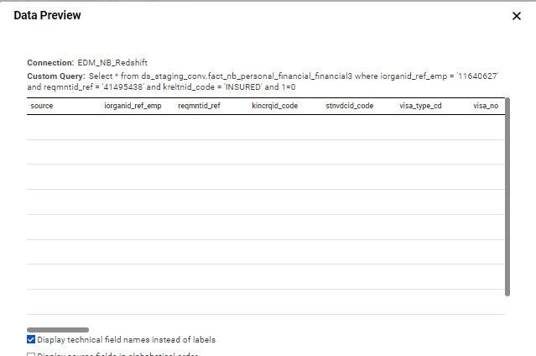

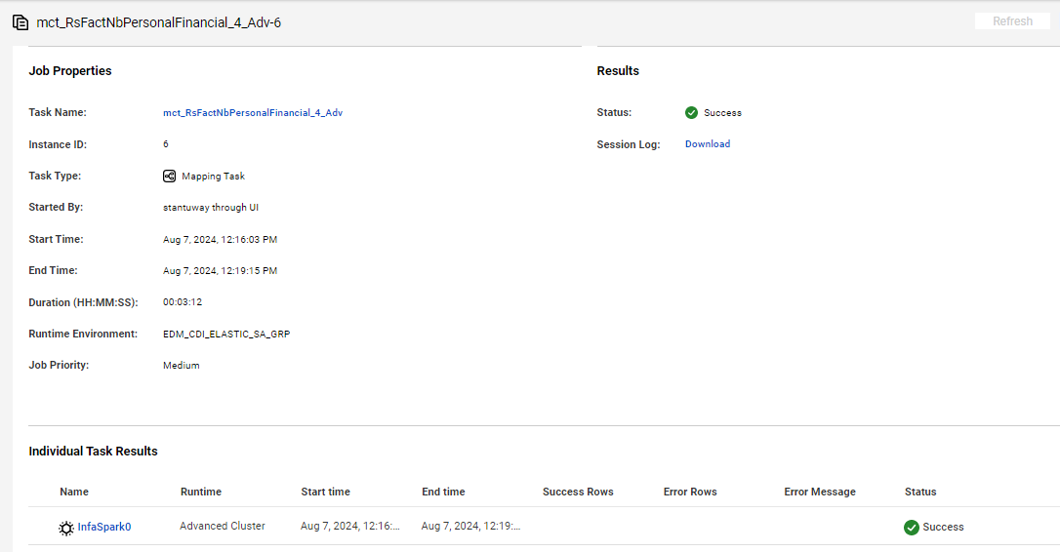

fact_nb_personal_financial_sk | src_sys_nm_nk | case_num | dim_nb_requirement_ref_sk | reqr_ref_id | src_reqr_cd | reqr_cd | dim_nb_applicant_sk | src_cl_id | dim_party_client_sk | cl_id_nk | party_tp_desc | src_cnt_rel_ref_id | dim_nb_contract_sk | dim_contract_sk | cnt_id_nk | cnt_iss_cd_nk | dat_src_cd_nk | appl_tp_cd | cnt_tp_desc | dim_nb_relation_sk | cnt_party_rel_cd_nk | dim_nb_product_sk | product_cd | plan_cd | plan_ver_num | design_ver_num | stay_in_usa_yr_num | stay_in_usa_mth_num | stay_in_usa_from_birth_ind | dim_nb_occupation_sk | occup_cd_nk | occup_duty_txt | emplr_src_iorg_ref_id_nk | emplr_dim_nb_applicant_sk | emplr_key_nm | emplr_nm | empl_dur_yr_num | empl_dur_mth_num | dim_nb_visa_sk | visa_tp_cd_nk | visa_exp_dt | visa_exp_yr_num | visa_exp_mth_nm | visa_num | is_us_ctzn_yn_ind | dim_geo_sk | ctzn_cntry_cd | annual_earn_income_amt | annual_unernd_income_amt | net_wrth_amt | hh_income_amt | dim_tax_bracket_sk | tax_bracket_cd_nk | curr_annual_income_amt | curr_investor_net_wrth_amt | curr_investor_est_net_wrth_amt | src_rec_sts_cd | edh_record_status_in | edh_created_batch_key | edh_created_ts | edh_created_nm | edh_updated_batch_key | edh_updated_ts | edh_updated_nm | empl_dur_approx_ind | citizenship_ques_answered_part1_ind | edelv_opted_yn_ind
1000029255276 | NB21 | NB21-11449296 | 671087581 | 41495438 | PART1 | PART1 | 1000085902154 | 699509965 | -99 | 699509965 | INDIVIDUAL | 19644218 | 10052970722 | 11150882 | 39001541 | PNR | CMR | New Application | Base Policy | -99 | INSURED | 1000000000558 | FPT | FPTNQ | 106 | 209 |  | UNKNOWN | Y | -99 | ACCOUNTANT |  | 11640627 | -98 | EK6A | tTcQ dBqdfE3 vsyNJw63gCnED sGs |  |  | -98 | NF |  |  |  |  | Y | -99 | US | 1000000 | 2000000 | 1000000 |  | -98 | NF |  |  |  | Active | D | 20240807080503 | 8/7/24 | m_RsFactNbPersonalFinancial_4_Adv | 20240807080503 | 8/7/24 | m_RsFactNbPersonalFinancial_4_Adv | U

Scenario ID:5
Full Load | 79844 Success Rows

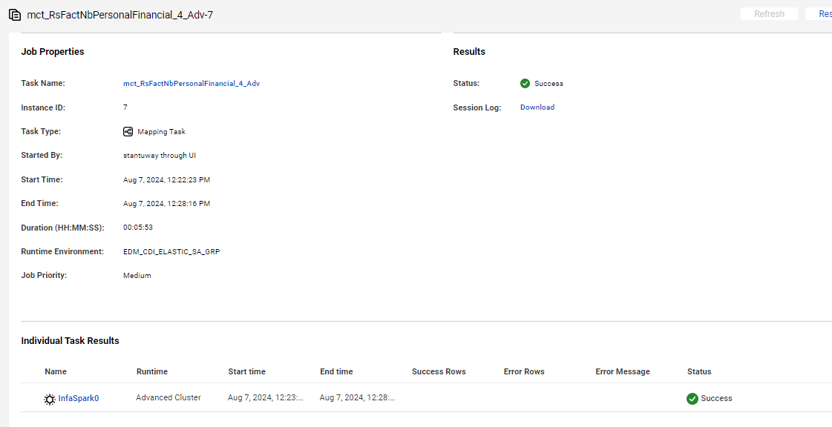
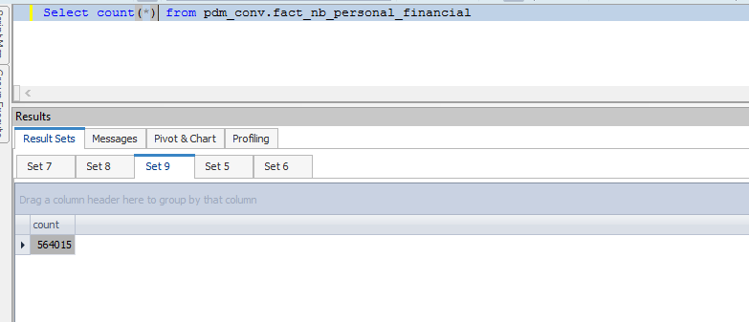

Data Flow after Full Load

fact_nb_personal_financial_sk | src_sys_nm_nk | case_num | dim_nb_requirement_ref_sk | reqr_ref_id | src_reqr_cd | reqr_cd | dim_nb_applicant_sk | src_cl_id | dim_party_client_sk | cl_id_nk | party_tp_desc | src_cnt_rel_ref_id | dim_nb_contract_sk | dim_contract_sk | cnt_id_nk | cnt_iss_cd_nk | dat_src_cd_nk | appl_tp_cd | cnt_tp_desc | dim_nb_relation_sk | cnt_party_rel_cd_nk | dim_nb_product_sk | product_cd | plan_cd | plan_ver_num | design_ver_num | stay_in_usa_yr_num | stay_in_usa_mth_num | stay_in_usa_from_birth_ind | dim_nb_occupation_sk | occup_cd_nk | occup_duty_txt | emplr_src_iorg_ref_id_nk | emplr_dim_nb_applicant_sk | emplr_key_nm | emplr_nm | empl_dur_yr_num | empl_dur_mth_num | dim_nb_visa_sk | visa_tp_cd_nk | visa_exp_dt | visa_exp_yr_num | visa_exp_mth_nm | visa_num | is_us_ctzn_yn_ind | dim_geo_sk | ctzn_cntry_cd | annual_earn_income_amt | annual_unernd_income_amt | net_wrth_amt | hh_income_amt | dim_tax_bracket_sk | tax_bracket_cd_nk | curr_annual_income_amt | curr_investor_net_wrth_amt | curr_investor_est_net_wrth_amt | src_rec_sts_cd | edh_record_status_in | edh_created_batch_key | edh_created_ts | edh_created_nm | edh_updated_batch_key | edh_updated_ts | edh_updated_nm | empl_dur_approx_ind | citizenship_ques_answered_part1_ind | edelv_opted_yn_ind
1000030209291 | NB21 | NB21-11451786 | 671117461 | 41524614 | PART1 | PART1 | 1000085856422 | 699483176 | -99 | 699483176 | INDIVIDUAL | 19658741 | 10052967949 | 2641482 | 39002659 | PNR | CMR | New Application | Base Policy | -99 | INSURED | 1000000000646 | 5YT | 5YT | 106 | 209 |  | UNKNOWN | Y | -99 | ACCOUNTANT |  | 11646128 | -98 | EK6A |  |  |  | -98 | NF |  |  |  |  | Y | -99 | US | 100000 | 30000 | 200000 |  | -98 | NF |  |  |  | Active | A | 20240807080503 | 8/7/24 | m_RsFactNbPersonalFinancial_4_Adv |  |  |  | U
1000030209318 | NB21 | NB21-11737872 | 677250766 | 48083454 | PART1 | PART1 | 1000085894208 | 698678527 | -99 | 698678527 | INDIVIDUAL | 20185672 | 10053080289 | 2674706 | 39071156 | PNR | CMR | New Application | Base Policy | -99 | OWNER | 1000000000761 | CT | CTL | 116 | 215 |  | UNKNOWN | Y | -99 | ACCOUNTANT |  | 11821919 | -98 |  |  |  |  | -98 | NF |  |  |  |  | Y | -99 | US |  |  |  |  | -98 | NF |  |  |  | Active | A | 20240807080503 | 8/7/24 | m_RsFactNbPersonalFinancial_4_Adv |  |  |  | U
1000030209380 | NB21 | NB21-14580066 | 680684798 | 51790204 | PART1 | PART1 | 1000085841645 | 698362965 | -99 | 698362965 | INDIVIDUAL | 20393162 | 10053111502 | 2689013 | 39099007 | PNR | CMR | New Application | Base Policy | -99 | INSURED | 1000000000810 | WL | WL | 117 | 217 |  | UNKNOWN | Y | -99 | ACCNTANT |  | 11900397 | -98 |  |  |  |  | -98 | NF |  |  |  |  | Y | -99 | US |  |  |  |  | -98 | NF |  |  |  | Active | A | 20240807080503 | 8/7/24 | m_RsFactNbPersonalFinancial_4_Adv |  |  |  | U
1000030209391 | NB21 | NB21-14576219 | 680645537 | 51744136 | PART1 | PART1 | 1000010750434 | NF | -98 | NF | INDIVIDUAL | 20374805 | 10053115387 | 11195632 | 39097374 | PNR | CMR | New Application | Base Policy | -99 | INSURED | 1000000000810 | WL | WL | 117 | 217 |  | UNKNOWN | Y | -99 | DAIRYEQUIPMENTMECH |  | 11895091 | -98 | EK6A | dsa1I2cO sJca d2fLLVG |  |  | -98 | NF |  |  |  |  | Y | -99 | US |  |  |  | 586565 | -98 | NF |  |  |  | Active | A | 20240807080503 | 8/7/24 | m_RsFactNbPersonalFinancial_4_Adv |  |  |  | U
1000030209404 | NB21 | NB21-14588075 | 680761275 | 51872974 | PART1 | PART1 | 1000085887637 | 698336536 | -99 | 698336536 | INDIVIDUAL | 20425707 | 10053128092 | -99 | 61942890 | PNR | UNK | New Application | Base Policy | -99 | OWNER | 1000000000613 | AP | AF | 116 | 217 |  | UNKNOWN | Y | -99 | GLAZER |  | 11911296 | -98 | EK6A | 3nc HdYS vuov |  |  | -98 | NF |  |  |  |  | Y | -99 | US |  |  |  |  | -98 | NF |  |  |  | Active | A | 20240807080503 | 8/7/24 | m_RsFactNbPersonalFinancial_4_Adv |  |  |  | U
1000030209465 | NB21 | NB21-11460552 | 671388831 | 41775583 | PART1 | PART1 | 1000085871715 | 699347005 | -99 | 699347005 | INDIVIDUAL | 19710263 | 10052989874 | -99 | 65999618 | PNR | UNK | New Application | Base Policy | -99 | OWNER | 1000000000769 | SPVUL | SPVUL | 108 | 204 | 46 | 0 | U | -99 | MATHEMATICIAN |  | 11666233 | -98 |  |  |  |  | -98 | NF |  |  |  |  | Y | -99 | US | 50000 |  | 1000000 |  | 1000000000009 | 11-20% | 50000 | 1000000 | 1000000 | Active | A | 20240807080503 | 8/7/24 | m_RsFactNbPersonalFinancial_4_Adv |  |  |  | U
1000030209489 | NB21 | NB21-11489992 | 671665542 | 42071407 | PART1 | PART1 | 1000085938619 | 699019308 | -99 | 699019308 | INDIVIDUAL | 19856556 | 10053015239 | 2661941 | 39036676 | PNR | CMR | New Application | Base Policy | -99 | PAYOR | 1000000000590 | WL | WL | 113 | 213 |  | UNKNOWN | Y | -99 | ACCOUNTANT |  | 11716217 | -98 | EK6A | YB 8DPrO YXePstfGmd |  |  | -98 | NF |  |  |  |  | Y | -99 | US |  |  |  |  | -98 | NF |  |  |  | Active | A | 20240807080503 | 8/7/24 | m_RsFactNbPersonalFinancial_4_Adv |  |  |  | U
1000030209494 | NB21 | NB21-11672768 | 674022552 | 44622501 | PART1 | PART1 | 1000085894593 | 698789031 | -99 | 698789031 | INDIVIDUAL | 20088623 | 10053051926 | 2672060 | 39059379 | PNR | CMR | New Application | Base Policy | -99 | APPLICANT | 1000000000590 | WL | WL | 113 | 214 |  | UNKNOWN | Y | -99 | ACCOUNTANT |  | 11785868 | -98 | EK6A |  |  |  | -98 | NF |  |  |  |  | Y | -99 | US |  |  |  |  | -98 | NF |  |  |  | Active | A | 20240807080503 | 8/7/24 | m_RsFactNbPersonalFinancial_4_Adv |  |  |  | U
1000030209511 | NB21 | NB21-11647516 | 673530736 | 44057849 | PART1 | PART1 | 1000085927826 | 698818779 | -99 | 698818779 | INDIVIDUAL | 20050513 | 10053057948 | 2668261 | 39055017 | PNR | CMR | New Application | Base Policy | -99 | PAYOR | 1000000000590 | WL | WL | 113 | 214 |  | UNKNOWN | Y | -99 | ADVISORFINANCIAL |  | 11774838 | -98 | EK6A |  |  |  | -98 | NF |  |  |  |  | Y | -99 | US |  |  |  |  | -98 | NF |  |  |  | Active | A | 20240807080503 | 8/7/24 | m_RsFactNbPersonalFinancial_4_Adv |  |  |  | U
1000030209558 | NB21 | NB21-14715819 | 681937971 | 53095635 | PART1 | PART1 | 1000085879491 | 697981935 | -99 | 697981935 | INDIVIDUAL | 20896613 | 10053194994 | 2720607 | 39160548 | PNR | CMR | New Application | Base Policy | -99 | OWNER | 1000000000661 | CT | CTL | 118 | 217 |  | UNKNOWN | Y | -99 | ACCNTANT |  | 12056395 | -98 |  |  |  |  | -98 | NF |  |  |  |  | Y | -99 | US |  |  |  |  | -98 | NF |  |  |  | Active | A | 20240807080503 | 8/7/24 | m_RsFactNbPersonalFinancial_4_Adv |  |  |  | U

