API2000 Pressure
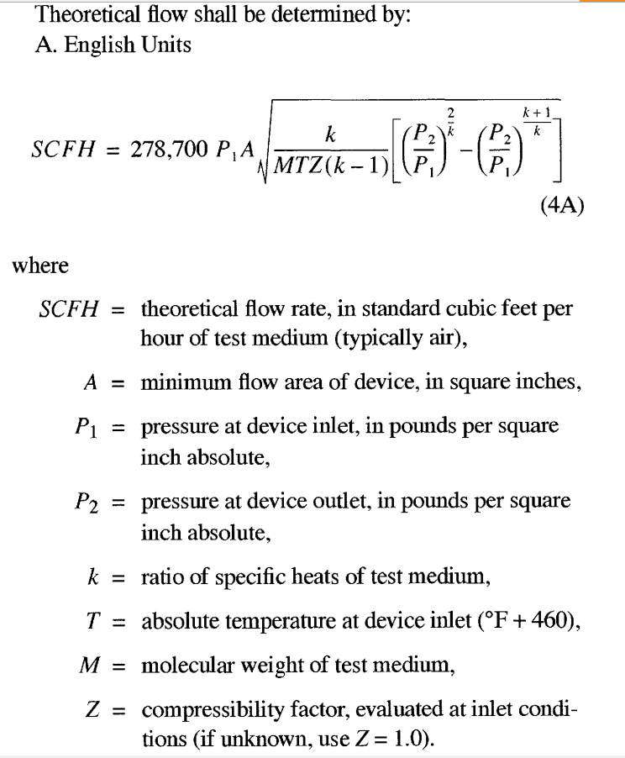
P/V | TestRig | Vendor | Orifice Diam |  | Area (A) | p1 - p2 |  |  | p1 | Observed Flow Rate | Theoretical Flow Rate | Capacity Coeff. | pointer to vendor data | p2 | T °R
pv | rig | vend | diam.nom | diam | area | dp.nom | dp.iwc | dp.psi | tank.psi | SCFH.obs | SCFH.pred | Ccap | VD_row | air.psi | T | Ccap.Vend | Factor | Value | Units
P | 5th | A | 2 | 1.375 | 1.48 | 1 |  |  |  |  |  |  | 2 | 14.696 | 519.670 |  | unit conversion | 278700.00
P | 5th | A | 2 | 1.375 | 1.48 | 2 | 2.26 | 0.0817 | 14.78 | 3315.55 | 3696.02 | 0.897 | 2 | 14.696 | 519.670 |  | k | 1.4 | unitless
P | 5th | A | 2 | 1.375 | 1.48 | 3 | 2.99 | 0.1079 | 14.80 | 3812.26 | 4246.53 | 0.898 | 2 | 14.696 | 519.670 |  | nom T | 528 | degRankine
P | 5th | A | 2 | 1.375 | 1.48 | 4 | 3.99 | 0.1442 | 14.84 | 4395.09 | 4908.95 | 0.895 | 2 | 14.696 | 519.670 |  | M | 28.9647 | g/gmole
P | 5th | A | 2 | 1.375 | 1.48 | 5 | 5.01 | 0.1809 | 14.88 | 4953.69 | 5498.11 | 0.901 | 2 | 14.696 | 519.670 |  | Z | 1 | unitless
P | 5th | A | 6 | 4.002 | 12.58 | 1 | 1.05 | 0.0380 | 14.73 | 16430.22 | 21348.70 | 0.770 | 3 | 14.696 | 519.670 |  | nom p2 | 14.696 | psi (atmosphere)
P | 5th | A | 6 | 4.002 | 12.58 | 2 | 2.01 | 0.0726 | 14.77 | 22768.49 | 29513.89 | 0.771 | 3 | 14.696 | 519.670 |  | inwc2psi | 0.036100 | conversion factor inwc to psi
P | 5th | A | 6 | 4.002 | 12.58 | 3 | 2.97 | 0.1072 | 14.80 | 27661.18 | 35859.56 | 0.771 | 3 | 14.696 | 519.670
P | 5th | A | 6 | 4.002 | 12.58 | 4 | 4.05 | 0.1460 | 14.84 | 32430.21 | 41847.55 | 0.775 | 3 | 14.696 | 519.670
P | 5th | A | 6 | 4.002 | 12.58 | 5 | 4.98 | 0.1797 | 14.88 | 36926.67 | 46415.61 | 0.796 | 3 | 14.696 | 519.670
P | 5th | A | 10 | 6.689 | 35.14 | 1 | 0.90 | 0.0325 | 14.73 | 41109.98 | 55141.35 | 0.746 | 4 | 14.696 | 519.670
P | 5th | A | 10 | 6.689 | 35.14 | 2 | 1.95 | 0.0703 | 14.77 | 59983.59 | 81134.80 | 0.739 | 4 | 14.696 | 519.670
P | 5th | A | 10 | 6.689 | 35.14 | 3 | 2.93 | 0.1058 | 14.80 | 73434.17 | 99506.05 | 0.738 | 4 | 14.696 | 519.670
P | 5th | A | 10 | 6.689 | 35.14 | 4 | 3.94 | 0.1421 | 14.84 | 84849.76 | 115308.80 | 0.736 | 4 | 14.696 | 519.670
P | 5th | A | 10 | 6.689 | 35.14 | 5 | 4.91 | 0.1773 | 14.87 | 96100.37 | 128782.19 | 0.746 | 4 | 14.696 | 519.670
P | 7th | B | 2 | 1.375 | 1.48 | 1 | 1.00 | 0.0362 | 14.73 | 2105.56 | 2458.72 | 0.856 | 5 | 14.696 | 519.670
P | 7th | B | 2 | 1.375 | 1.48 | 2 | 2.03 | 0.0732 | 14.77 | 3066.18 | 3497.15 | 0.877 | 5 | 14.696 | 519.670
P | 7th | B | 2 | 1.375 | 1.48 | 3 | 3.03 | 0.1093 | 14.81 | 3791.87 | 4274.17 | 0.887 | 5 | 14.696 | 519.670
P | 7th | B | 2 | 1.375 | 1.48 | 4 | 4.01 | 0.1446 | 14.84 | 4402.04 | 4915.29 | 0.896 | 5 | 14.696 | 519.670
P | 7th | B | 2 | 1.375 | 1.48 | 5 | 5.03 | 0.1816 | 14.88 | 4730.12 | 5508.44 | 0.859 | 5 | 14.696 | 519.670
P | 7th | B | 6 | 4.000 | 12.57 | 1 | 1.00 | 0.0361 | 14.73 | 16004.78 | 20796.96 | 0.770 | 6 | 14.696 | 519.670
P | 7th | B | 6 | 4.000 | 12.57 | 2 | 2.04 | 0.0737 | 14.77 | 22881.83 | 29708.01 | 0.770 | 6 | 14.696 | 519.670
P | 7th | B | 6 | 4.000 | 12.57 | 3 | 3.08 | 0.1113 | 14.81 | 27441.66 | 36496.16 | 0.752 | 6 | 14.696 | 519.670
P | 7th | B | 6 | 4.000 | 12.57 | 4 | 4.03 | 0.1454 | 14.84 | 31857.66 | 41706.17 | 0.764 | 6 | 14.696 | 519.670
P | 7th | B | 6 | 4.000 | 12.57 | 5 | 5.00 | 0.1806 | 14.88 | 35822.09 | 46478.82 | 0.771 | 6 | 14.696 | 519.670
P | 7th | B | 10 | 6.688 | 35.13 | 1 | 1.00 | 0.0362 | 14.73 | 42164.13 | 58219.18 | 0.724 | 7 | 14.696 | 519.670
P | 7th | B | 10 | 6.688 | 35.13 | 2 | 2.01 | 0.0725 | 14.77 | 60473.61 | 82379.59 | 0.734 | 7 | 14.696 | 519.670
P | 7th | B | 10 | 6.688 | 35.13 | 3 | 3.03 | 0.1095 | 14.81 | 73644.28 | 101210.90 | 0.728 | 7 | 14.696 | 519.670
P | 7th | B | 10 | 6.688 | 35.13 | 4 | 4.03 | 0.1454 | 14.84 | 86016.74 | 116629.84 | 0.738 | 7 | 14.696 | 519.670
P | 7th | B | 10 | 6.688 | 35.13 | 5 | 5.00 | 0.1803 | 14.88 | 94811.69 | 129852.36 | 0.730 | 7 | 14.696 | 519.670
P | 7th | C | 2 | 1.3748 | 1.48 | 1 | 1.00 | 0.0361 | 14.73 | 2069.52 | 2455.51 | 0.843 | 8 | 14.696 | 519.670
P | 7th | C | 2 | 1.3748 | 1.48 | 2 | 2.01 | 0.0725 | 14.77 | 2883.20 | 3479.98 | 0.829 | 8 | 14.696 | 519.670
P | 7th | C | 2 | 1.3748 | 1.48 | 3 | 3.01 | 0.1086 | 14.80 | 3445.08 | 4258.02 | 0.809 | 8 | 14.696 | 519.670
P | 7th | C | 2 | 1.3748 | 1.48 | 4 | 4.01 | 0.1446 | 14.84 | 3976.58 | 4914.66 | 0.809 | 8 | 14.696 | 519.670
P | 7th | C | 2 | 1.3748 | 1.48 | 5 | 5.00 | 0.1806 | 14.88 | 4336.80 | 5490.97 | 0.790 | 8 | 14.696 | 519.670
P | 7th | C | 6 | 4.002 | 12.58 | 1 | 1.00 | 0.0361 | 14.73 | 15337.74 | 20803.23 | 0.737 | 9 | 14.696 | 519.670
P | 7th | C | 6 | 4.002 | 12.58 | 2 | 2.00 | 0.0720 | 14.77 | 21565.36 | 29388.09 | 0.734 | 9 | 14.696 | 519.670
P | 7th | C | 6 | 4.002 | 12.58 | 3 | 3.00 | 0.1084 | 14.80 | 27286.20 | 36050.03 | 0.757 | 9 | 14.696 | 519.670
P | 7th | C | 6 | 4.002 | 12.58 | 4 | 4.00 | 0.1445 | 14.84 | 31204.51 | 41616.38 | 0.750 | 9 | 14.696 | 519.670
P | 7th | C | 6 | 4.002 | 12.58 | 5 | 5.00 | 0.1804 | 14.88 | 34379.07 | 46501.12 | 0.739 | 9 | 14.696 | 519.670
P | 7th | C | 10 | 6.689 | 35.14 | 1 | 1.00 | 0.0362 | 14.73 | 42390.15 | 58244.65 | 0.728 | 10 | 14.696 | 519.670
P | 7th | C | 10 | 6.689 | 35.14 | 2 | 2.02 | 0.0728 | 14.77 | 58073.63 | 82527.63 | 0.704 | 10 | 14.696 | 519.670
P | 7th | C | 10 | 6.689 | 35.14 | 3 | 2.65 | 0.0957 | 14.79 | 65970.29 | 94622.69 | 0.697 | 10 | 14.696 | 519.670
P | 7th | C | 10 | 6.689 | 35.14 | 4 |  |  |  |  |  |  | 10 | 14.696 | 519.670
P | 7th | C | 10 | 6.689 | 35.14 | 5 |  |  |  |  |  |  | 10 | 14.696 | 519.670
P | 5th | D | 2 | 1.363 | 1.46 | 1 |  |  |  |  |  |  | 11 | 14.401 | 507.670
P | 5th | D | 2 | 1.363 | 1.46 | 2 |  |  |  |  |  |  | 11 | 14.401 | 507.670
P | 5th | D | 2 | 1.363 | 1.46 | 3 |  |  |  |  |  |  | 11 | 14.401 | 507.670
P | 5th | D | 2 | 1.363 | 1.46 | 4 |  |  |  |  |  |  | 11 | 14.401 | 507.670
P | 5th | D | 2 | 1.363 | 1.46 | 5 |  |  |  |  |  |  | 11 | 14.401 | 507.670
P | 5th | D | 6 | 3.970 | 12.38 | 1 | 1.09 | 0.0393 | 14.53 | 11774.72 | 20949.88 | 0.562 | 12 | 14.489 | 533.670
P | 5th | D | 6 | 3.970 | 12.38 | 2 | 2.07 | 0.0747 | 14.56 | 18931.54 | 28867.93 | 0.656 | 12 | 14.489 | 533.670
P | 5th | D | 6 | 3.970 | 12.38 | 3 | 3.13 | 0.1130 | 14.60 | 23816.91 | 35494.55 | 0.671 | 12 | 14.489 | 533.670
P | 5th | D | 6 | 3.970 | 12.38 | 4 | 4.03 | 0.1455 | 14.63 | 27612.85 | 40272.37 | 0.686 | 12 | 14.489 | 533.670
P | 5th | D | 6 | 3.970 | 12.38 | 5 | 5.07 | 0.1830 | 14.67 | 31234.02 | 45166.71 | 0.692 | 12 | 14.489 | 533.670
P | 5th | D | 10 | 6.67 | 34.94 | 1 |  |  |  |  |  |  | 13 | 14.440 | 533.670
P | 5th | D | 10 | 6.67 | 34.94 | 2 | 2.02 | 0.0729 | 14.51 | 49927.59 | 80360.23 | 0.621 | 13 | 14.440 | 533.670
P | 5th | D | 10 | 6.67 | 34.94 | 3 | 3.05 | 0.1101 | 14.55 | 64350.01 | 98735.98 | 0.652 | 13 | 14.440 | 533.670
P | 5th | D | 10 | 6.67 | 34.94 | 4 | 4.09 | 0.1476 | 14.59 | 77091.87 | 114326.47 | 0.674 | 13 | 14.440 | 533.670
P | 5th | D | 10 | 6.67 | 34.94 | 5 | 4.96 | 0.1791 | 14.62 | 84850.47 | 125890.29 | 0.674 | 13 | 14.440 | 533.670
P | 5th | E | 2 | 1.346 | 1.42 | 1 | 1.02 | 0.0370 | 14.73 | 2071.96 | 2381.94 | 0.870 | 14 | 14.696 | 519.670
P | 5th | E | 2 | 1.346 | 1.42 | 2 | 2.02 | 0.0730 | 14.77 | 2882.03 | 3348.41 | 0.861 | 14 | 14.696 | 519.670
P | 5th | E | 2 | 1.346 | 1.42 | 3 | 3.01 | 0.1087 | 14.80 | 3531.47 | 4084.28 | 0.865 | 14 | 14.696 | 519.670
P | 5th | E | 2 | 1.346 | 1.42 | 4 | 4.01 | 0.1448 | 14.84 | 4067.66 | 4713.35 | 0.863 | 14 | 14.696 | 519.670
P | 5th | E | 2 | 1.346 | 1.42 | 5 | 5.02 | 0.1813 | 14.88 | 4556.47 | 5273.96 | 0.864 | 14 | 14.696 | 519.670
P | 5th | E | 6 | 3.992 | 12.52 | 1 | 1.01 | 0.0365 | 14.73 | 14720.71 | 20828.20 | 0.707 | 15 | 14.696 | 519.670
P | 5th | E | 6 | 3.992 | 12.52 | 2 | 2.07 | 0.0748 | 14.77 | 20848.19 | 29801.37 | 0.700 | 15 | 14.696 | 519.670
P | 5th | E | 6 | 3.992 | 12.52 | 3 | 3.01 | 0.1087 | 14.80 | 24891.30 | 35925.81 | 0.693 | 15 | 14.696 | 519.670
P | 5th | E | 6 | 3.992 | 12.52 | 4 | 4.10 | 0.1478 | 14.84 | 29263.74 | 41892.35 | 0.699 | 15 | 14.696 | 519.670
P | 5th | E | 6 | 3.992 | 12.52 | 5 | 5.03 | 0.1817 | 14.88 | 32349.15 | 46445.94 | 0.696 | 15 | 14.696 | 519.670
P | 5th | E | 10 | 6.693 | 35.18 | 1 | 1.01 | 0.0365 | 14.73 | 39625.00 | 58548.04 | 0.677 | 16 | 14.696 | 519.670
P | 5th | E | 10 | 6.693 | 35.18 | 2 | 2.02 | 0.0730 | 14.77 | 55433.40 | 82792.29 | 0.670 | 16 | 14.696 | 519.670
P | 5th | E | 10 | 6.693 | 35.18 | 3 | 3.04 | 0.1096 | 14.81 | 67233.37 | 101390.34 | 0.663 | 16 | 14.696 | 519.670
P | 5th | E | 10 | 6.693 | 35.18 | 4 | 4.05 | 0.1461 | 14.84 | 77759.30 | 117065.04 | 0.664 | 16 | 14.696 | 519.670
P | 5th | E | 10 | 6.693 | 35.18 | 5 | 5.03 | 0.1817 | 14.88 | 87928.44 | 130559.45 | 0.673 | 16 | 14.696 | 519.670
P | 7th | F | 2 | 1.376 | 1.49 | 1 | 1.00 | 0.0361 | 14.62 | 1920.00 | 2411.52 | 0.796 | 17 | 14.581 | 536.670 | 0.786
P | 7th | F | 2 | 1.376 | 1.49 | 2 | 2.00 | 0.0722 | 14.65 | 2700.00 | 3410.10 | 0.792 | 17 | 14.581 | 536.670 | 0.777
P | 7th | F | 2 | 1.376 | 1.49 | 3 | 3.00 | 0.1083 | 14.69 | 3300.00 | 4176.13 | 0.790 | 17 | 14.581 | 536.670 | 0.769
P | 7th | F | 2 | 1.376 | 1.49 | 4 | 4.00 | 0.1444 | 14.73 | 3780.00 | 4821.75 | 0.784 | 17 | 14.581 | 536.670 | 0.768
P | 7th | F | 2 | 1.376 | 1.49 | 5 | 5.00 | 0.1805 | 14.76 | 4200.00 | 5390.41 | 0.779 | 17 | 14.581 | 536.670 | 0.763
P | 7th | F | 6 | 4.01 | 12.63 | 1 | 1.00 | 0.0361 | 14.67 | 14100.00 | 20559.24 | 0.686 | 18 | 14.639 | 534.670 | 0.634
P | 7th | F | 6 | 4.01 | 12.63 | 2 | 2.00 | 0.0722 | 14.71 | 19680.00 | 29072.59 | 0.677 | 18 | 14.639 | 534.670 | 0.626
P | 7th | F | 6 | 4.01 | 12.63 | 3 | 3.00 | 0.1083 | 14.75 | 24120.00 | 35603.37 | 0.677 | 18 | 14.639 | 534.670 | 0.630
P | 7th | F | 6 | 4.01 | 12.63 | 4 | 4.00 | 0.1444 | 14.78 | 27960.00 | 41107.61 | 0.680 | 18 | 14.639 | 534.670 | 0.623
P | 7th | F | 6 | 4.01 | 12.63 | 5 | 5.00 | 0.1805 | 14.82 | 32340.00 | 45955.65 | 0.704 | 18 | 14.639 | 534.670 | 0.621
P | 7th | F | 10 | 6.688 | 35.13 | 1 | 1.00 | 0.0361 | 14.90 | 37980.00 | 58461.03 | 0.650 | 19 | 14.868 | 519.670 | 0.654
P | 7th | F | 10 | 6.688 | 35.13 | 2 | 2.00 | 0.0722 | 14.94 | 49980.00 | 82669.21 | 0.605 | 19 | 14.868 | 519.670 | 0.645
P | 7th | F | 10 | 6.688 | 35.13 | 3 | 3.00 | 0.1083 | 14.98 | 65280.00 | 101239.91 | 0.645 | 19 | 14.868 | 519.670 | 0.649
P | 7th | F | 10 | 6.688 | 35.13 | 4 | 4.00 | 0.1444 | 15.01 | 74640.00 | 116891.64 | 0.639 | 19 | 14.868 | 519.670 | 0.642
P | 7th | F | 10 | 6.688 | 35.13 | 5 | 5.00 | 0.1805 | 15.05 | 83100.00 | 130677.48 | 0.636 | 19 | 14.868 | 519.670 | 0.640

