Sheet1
SAM3X8E PIN | Arduino Due PIN | CM1K PGA-69 PIN
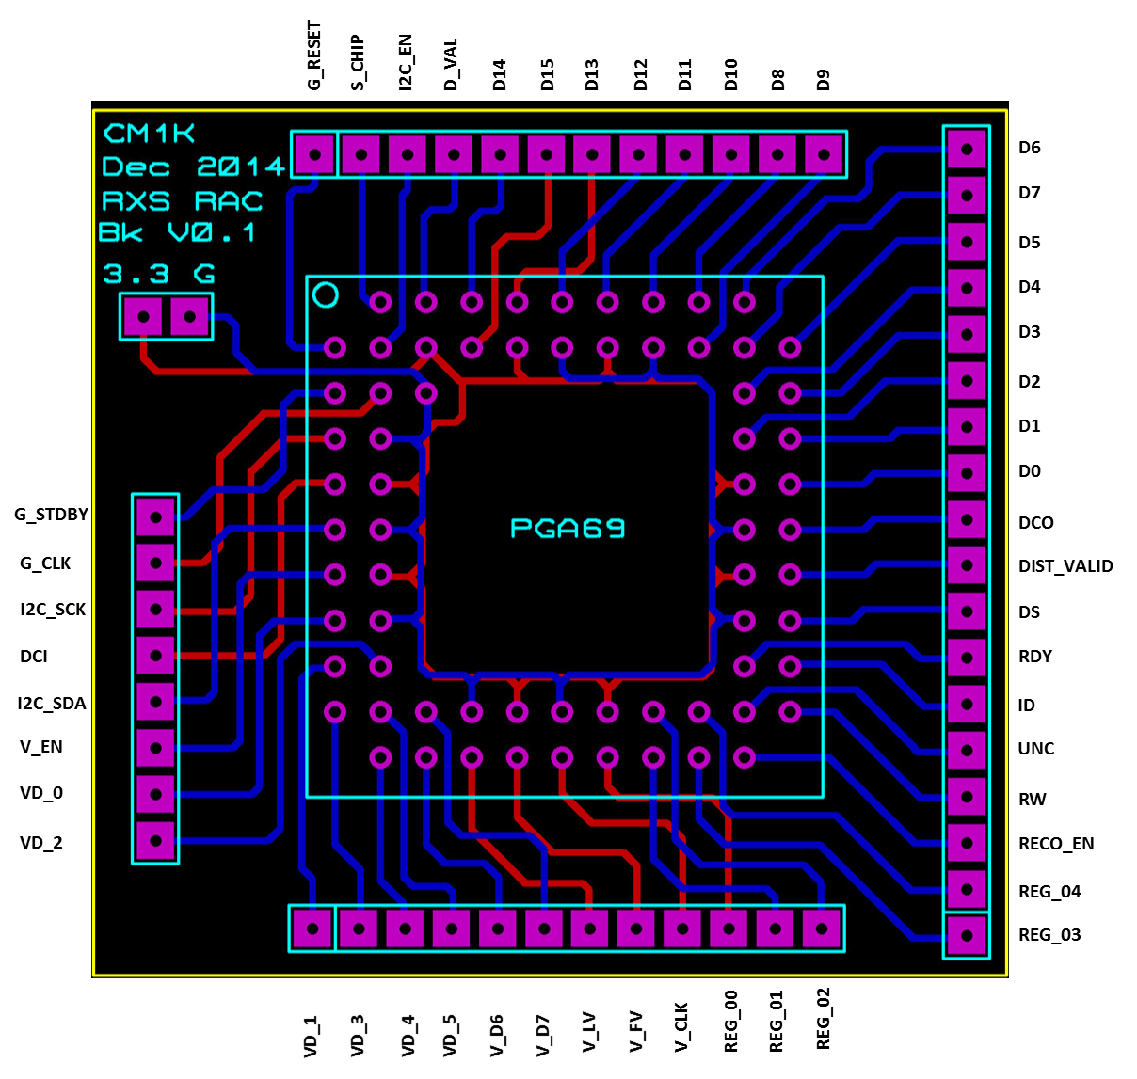
PC1 | Digital Pin 33 | D0
PC2 | Digital Pin 34 | D1
PC3 | Digital Pin 35 | D2
PC4 | Digital Pin 36 | D3
PC5 | Digital Pin 37 | D4
PC6 | Digital Pin 38 | D5
PC7 | Digital Pin 39 | D6
PC8 | Digital Pin 40 | D7
PC9 | Digital Pin 41 | D8

PC12 | Digital Pin 51 | D9
PC13 | Digital Pin 50 | D10
PC14 | Digital Pin 49 | D11
PC15 | Digital Pin 48 | D12
PC16 | Digital Pin 47 | D13
PC17 | Digital Pin 46 | D14
PC18 | Digital Pin 45 | D15

PC21 | Digital Pin 9 | REG_00
PC22 | Digital Pin 8 | REG_01
PC23 | Digital Pin 7 | REG_02
PC24 | Digital Pin 6 | REG_03
PC25 | Digital Pin 5 | REG_04

PA14 | Digital Pin 23 | RDY
PA15 | Digital Pin 24 | G_CLK
PA7 | Digital Pin 31 | I2C_EN

PD0 | Digital Pin 25 | DS
PD1 | Digital Pin 26 | RW
PD3 | Digital Pin 28 | G_RESET
PD6 | Digital Pin 29 | DCI (first CM1K only)
PD7 | Digital Pin 11 | ID
PD8 | Digital Pin 12 | UNC
PD9 | Digital Pin 30 | S_CHIP

