results
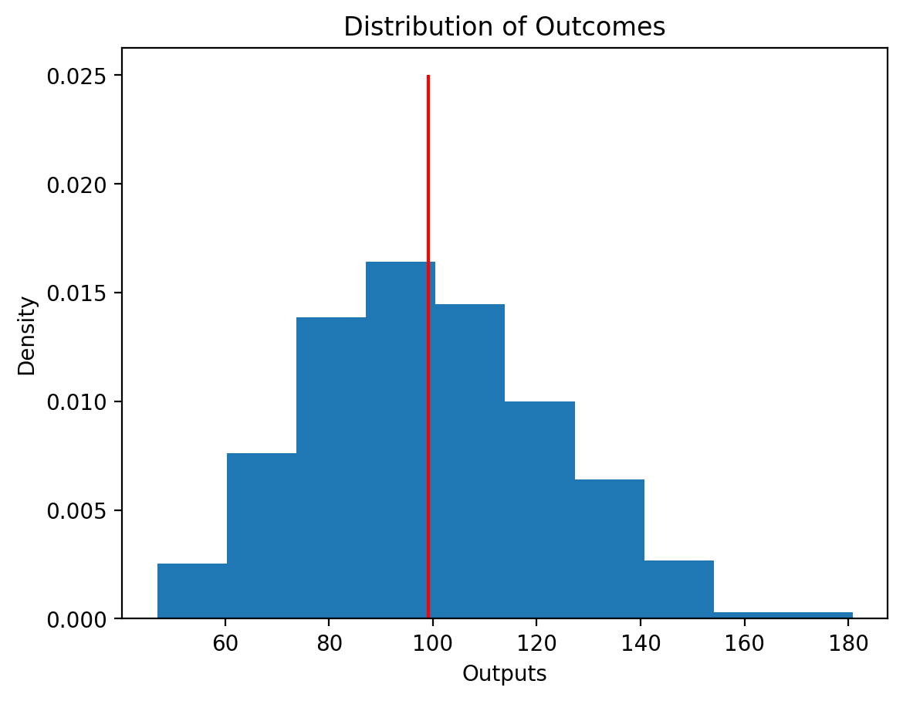
Inputs | Outputs |  | Outputs
11.9 | 140.6 | count | 500.00
9.8 | 96.9 | mean | 99
10.2 | 103.4 | std | 23.4
10.9 | 117.8 | min | 46.9
10.1 | 102.4 | 25% | 82.6
10.0 | 100.2 | 50% | 97.5
7.1 | 50.9 | 75% | 114.6
9.5 | 90.0 | max | 180.9
9.0 | 81.1
7.9 | 61.6
9.5 | 89.7
10.3 | 105.2
9.3 | 86.9
12.0 | 143.6
9.6 | 91.7
10.5 | 111.1
7.9 | 61.7
9.4 | 89.2
9.4 | 87.5
8.8 | 78.1
9.9 | 98.7
11.8 | 140.0
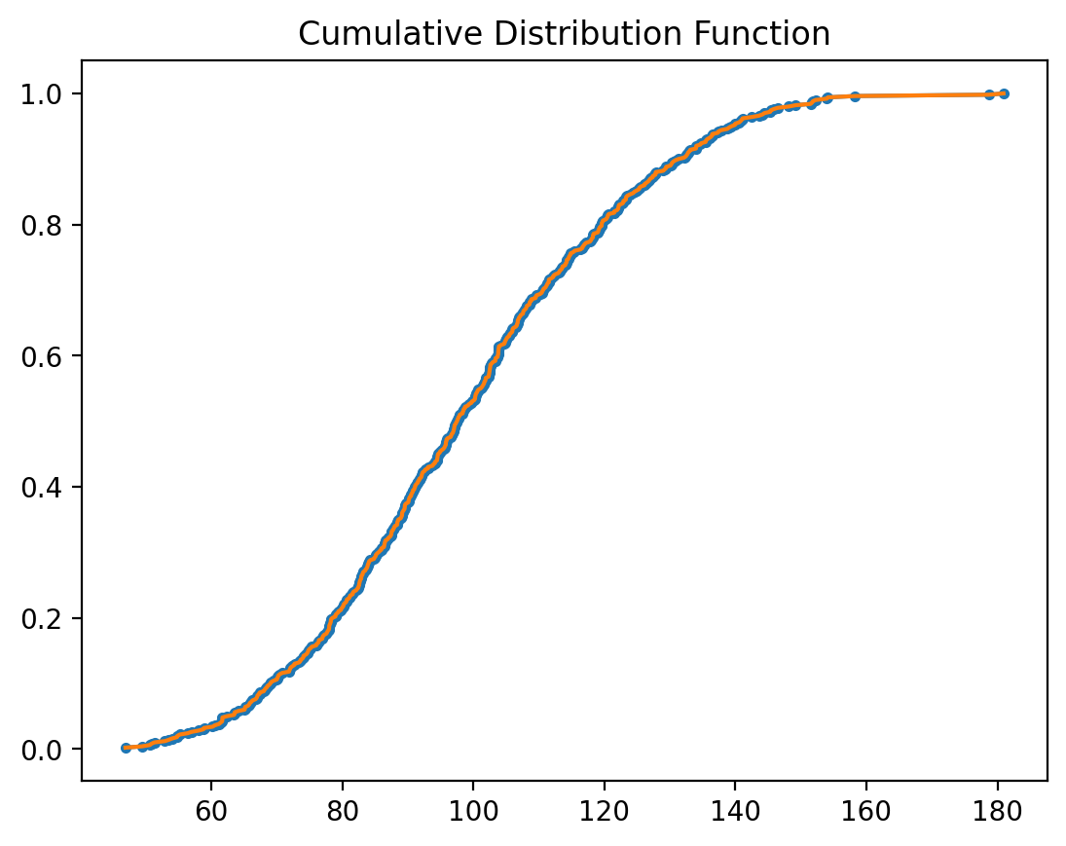
11.3 | 127.4
10.2 | 103.3
10.0 | 100.3
9.1 | 82.6
8.6 | 74.6
8.5 | 72.1
7.5 | 56.4
11.4 | 130.2
11.9 | 141.1
10.4 | 107.8
11.4 | 130.5
9.5 | 89.5
10.2 | 103.8
9.3 | 86.0
10.9 | 119.8
9.9 | 97.7
8.8 | 77.6
8.3 | 69.1
9.6 | 91.5
11.0 | 122.1
10.9 | 119.6
8.5 | 71.9
8.7 | 76.3
8.2 | 67.3
10.4 | 108.8
10.5 | 109.5
9.1 | 83.5
9.8 | 96.5
10.1 | 102.3
10.4 | 108.2
9.4 | 88.5
8.8 | 77.7
10.1 | 102.8
11.4 | 129.4
9.6 | 92.6
11.5 | 133.0
9.6 | 92.1
7.3 | 53.5
11.7 | 137.4
9.9 | 97.9
10.1 | 101.9
9.9 | 98.7
9.4 | 89.0
10.2 | 104.8
8.1 | 65.1
11.0 | 120.5
9.4 | 87.5
9.9 | 97.0
9.8 | 95.2
8.9 | 79.1
8.8 | 78.3
9.9 | 97.6
8.2 | 67.0
10.0 | 100.6
11.9 | 141.0
10.0 | 100.2
11.3 | 127.9
10.7 | 114.0
9.3 | 86.6
12.1 | 146.5
10.9 | 118.3
9.4 | 89.1
11.3 | 127.8
9.5 | 91.1
10.2 | 104.8
11.6 | 134.0
10.9 | 119.1
9.7 | 94.5
9.9 | 98.4
10.7 | 114.2
11.3 | 126.9
11.1 | 122.7
11.6 | 135.5
9.2 | 83.9
10.9 | 118.2
10.8 | 116.8
10.1 | 101.3
10.9 | 119.3
10.8 | 117.0
9.5 | 90.3
10.4 | 108.1
10.1 | 101.9
9.0 | 80.2
7.9 | 62.4
8.8 | 78.2
10.2 | 103.7
10.3 | 106.9
10.4 | 107.2
10.2 | 105.1
10.3 | 106.8
10.9 | 119.2
10.1 | 102.9
10.0 | 100.4
9.1 | 82.5
8.5 | 72.3
10.6 | 112.2
10.6 | 111.5
8.1 | 65.1
8.0 | 63.5
11.4 | 129.4
11.3 | 126.7
9.6 | 92.2
9.3 | 85.7
12.2 | 148.1
10.0 | 100.8
11.1 | 123.5
9.5 | 90.5
9.6 | 92.6
10.1 | 102.6
9.0 | 81.0
9.1 | 82.9
8.5 | 72.7
9.9 | 98.5
11.3 | 127.8
10.4 | 108.0
7.2 | 51.3
11.2 | 125.3
8.6 | 73.6
9.5 | 90.1
10.2 | 103.7
10.5 | 111.0
11.8 | 138.8
9.1 | 82.7
8.8 | 77.8
9.1 | 82.4
8.1 | 66.1
11.3 | 127.0
10.4 | 108.6
11.5 | 132.1
9.8 | 95.4
9.4 | 88.4
8.9 | 80.0
10.3 | 107.0
9.7 | 94.9
7.4 | 54.7
9.1 | 82.5
8.4 | 70.2
9.7 | 94.9
8.6 | 73.4
11.2 | 125.6
11.1 | 123.3
11.8 | 139.9
10.1 | 101.5
10.1 | 102.4
9.4 | 87.9
10.7 | 114.5
11.2 | 126.1
12.1 | 145.4
11.4 | 129.2
10.3 | 106.8
8.1 | 66.3
11.1 | 122.2
10.5 | 110.2
8.8 | 77.2
9.2 | 85.3
11.6 | 134.8
11.1 | 122.2
7.1 | 50.6
8.6 | 74.0
13.4 | 178.7
10.2 | 103.8
7.5 | 57.0
12.0 | 144.4
10.3 | 106.8
7.9 | 61.7
10.6 | 111.9
10.4 | 108.6
9.7 | 94.5
8.7 | 76.4
10.2 | 104.2
9.5 | 89.3
11.4 | 130.1
10.2 | 104.7
7.4 | 54.8
10.1 | 101.6
8.6 | 73.9
8.7 | 75.3
10.6 | 112.5
9.9 | 97.4
9.2 | 85.5
10.3 | 105.5
10.1 | 102.3
12.3 | 151.8
9.1 | 82.7
10.7 | 113.6
9.4 | 87.5
9.4 | 88.4
9.1 | 83.6
7.4 | 55.2
11.6 | 134.0
9.0 | 81.6
9.5 | 90.2
10.9 | 119.1
10.3 | 106.1
9.3 | 87.3
8.5 | 71.8
11.2 | 124.4
7.8 | 60.5
10.1 | 101.8
10.2 | 103.9
12.4 | 154.1
8.6 | 74.1
9.5 | 90.7
9.5 | 90.6
10.6 | 111.5
7.7 | 58.9
9.1 | 83.1
10.1 | 102.5
8.7 | 75.2
9.6 | 91.5
7.3 | 52.9
11.7 | 137.3
10.3 | 105.9
9.6 | 92.0
10.0 | 99.3
12.1 | 145.3
8.3 | 69.5
9.4 | 87.8
10.6 | 111.3
8.9 | 79.3
11.1 | 122.1
9.9 | 98.5
10.6 | 113.2
12.4 | 153.9
10.6 | 113.0
9.8 | 95.8
8.3 | 69.0
10.0 | 100.3
7.8 | 60.2
10.9 | 119.6
8.1 | 65.1
11.0 | 120.4
9.8 | 95.6
8.3 | 68.5
9.5 | 91.0
8.6 | 74.4
10.1 | 102.5
11.5 | 132.8
11.5 | 132.7
8.9 | 78.9
10.5 | 111.2
9.5 | 90.5
9.0 | 81.6
10.0 | 99.7
10.7 | 114.3
8.0 | 64.1
8.2 | 67.1
8.7 | 76.4
9.7 | 94.5
10.1 | 102.6
11.0 | 120.2
9.7 | 94.6
11.7 | 137.8
9.7 | 94.2
11.4 | 130.3
9.9 | 97.9
8.3 | 68.8
10.4 | 108.5
11.3 | 127.4
8.7 | 76.0
9.2 | 83.8
12.3 | 151.5
8.4 | 70.1
11.1 | 122.9
8.4 | 70.4
12.2 | 149.2
10.0 | 99.8
11.5 | 132.4
9.0 | 81.7
8.5 | 72.6
8.3 | 68.2
10.2 | 105.0
9.6 | 91.7
8.9 | 78.5
8.2 | 67.3
8.8 | 76.9
9.6 | 92.2
9.2 | 83.7
9.8 | 95.8
9.3 | 85.9
11.7 | 136.3
9.5 | 90.7
8.3 | 68.1
10.7 | 113.5
9.8 | 96.9
9.6 | 92.1
10.7 | 114.7
9.2 | 84.3
9.4 | 88.9
10.7 | 115.5
9.4 | 88.0
10.4 | 107.6
8.3 | 68.5
10.7 | 113.6
9.8 | 95.8
9.2 | 85.1
10.6 | 112.2
9.9 | 97.5
12.3 | 152.3
10.6 | 113.1
10.3 | 106.4
8.9 | 78.9
8.2 | 66.7
8.8 | 78.2
10.2 | 103.8
10.4 | 107.6
9.2 | 85.1
10.3 | 106.0
10.5 | 109.6
11.1 | 123.3
11.2 | 124.9
9.0 | 80.6
11.8 | 139.0
10.0 | 100.1
11.1 | 123.9
9.1 | 82.1
10.0 | 99.2
10.3 | 106.6
8.8 | 77.0
10.7 | 114.3
7.9 | 61.7
10.1 | 102.4
9.8 | 96.7
9.8 | 95.9
10.9 | 117.9
8.1 | 65.9
8.0 | 63.5
9.6 | 93.1
11.2 | 126.2
9.6 | 93.1
9.5 | 90.1
10.2 | 103.8
12.6 | 158.2
11.2 | 125.3
7.3 | 54.0
8.8 | 78.0
8.8 | 78.0
10.9 | 119.0
11.5 | 131.3
6.8 | 46.9
9.5 | 89.5
11.4 | 130.8
8.9 | 79.4
9.9 | 97.3
11.7 | 136.5
9.6 | 91.3
9.8 | 97.0
9.2 | 84.9
9.9 | 97.1
8.4 | 70.0
11.9 | 142.5
8.5 | 72.0
8.8 | 77.9
11.2 | 126.5
8.6 | 74.7
10.9 | 119.7
9.2 | 84.1
9.3 | 86.5
8.4 | 70.1
9.4 | 88.4
8.7 | 74.9
9.1 | 82.6
9.2 | 83.9
8.1 | 65.6
9.4 | 88.5
8.8 | 77.0
9.7 | 93.8
9.3 | 86.4
9.8 | 95.9
9.3 | 86.4
10.9 | 118.4
7.8 | 61.4
11.2 | 124.6
9.8 | 95.7
11.1 | 122.9
9.0 | 80.6
10.8 | 116.3
10.5 | 110.5
10.2 | 103.4
9.7 | 94.1
9.3 | 86.4
7.7 | 58.8
11.9 | 140.8
9.9 | 98.4
10.7 | 114.8
10.8 | 117.2
10.7 | 115.3
9.3 | 87.4
11.0 | 120.7
10.3 | 106.0
9.1 | 82.9
11.0 | 121.5
11.6 | 135.7
8.6 | 73.6
10.2 | 103.8
11.6 | 134.7
10.1 | 102.6
9.1 | 83.1
8.7 | 76.0
11.1 | 123.3
9.0 | 80.1
8.4 | 70.8
11.0 | 121.9
11.6 | 134.0
10.4 | 107.6
8.8 | 78.0
9.7 | 94.4
10.3 | 105.5
8.2 | 66.9
10.7 | 114.8
11.7 | 136.5
9.5 | 89.5
9.3 | 86.3
10.5 | 110.4
11.6 | 135.5
10.3 | 105.7
9.0 | 80.3
7.6 | 58.0
8.0 | 63.5
10.1 | 101.1
10.7 | 114.0
10.5 | 109.5
9.9 | 97.1
11.7 | 136.0
10.3 | 106.6
9.5 | 91.0
10.9 | 118.0
8.8 | 78.2
9.9 | 97.7
12.0 | 144.1
8.2 | 68.0
10.2 | 103.9
8.9 | 79.8
9.0 | 81.2
8.1 | 65.8
9.2 | 84.0
10.7 | 114.6
12.3 | 151.7
10.5 | 110.7
11.8 | 139.4
10.1 | 101.4
9.3 | 87.0
13.5 | 180.9
11.5 | 132.6
9.1 | 82.2
8.6 | 74.8
9.0 | 80.7
10.1 | 101.7
10.0 | 100.5
9.8 | 96.1
10.8 | 116.6
10.4 | 108.8
9.9 | 97.1
10.9 | 119.6
10.4 | 107.1
10.5 | 110.6
9.8 | 96.6
12.1 | 145.8
7.0 | 49.4
9.5 | 89.5
7.8 | 61.1
11.5 | 133.1
10.8 | 116.7
10.6 | 111.5
8.9 | 79.8
9.5 | 91.1
11.0 | 120.5
9.2 | 84.8
9.4 | 89.1
9.1 | 82.9
9.7 | 93.9
9.7 | 94.6
10.9 | 118.3
11.0 | 121.5
9.4 | 89.1
9.1 | 83.2
11.4 | 129.0
9.4 | 87.7

